Exercise1
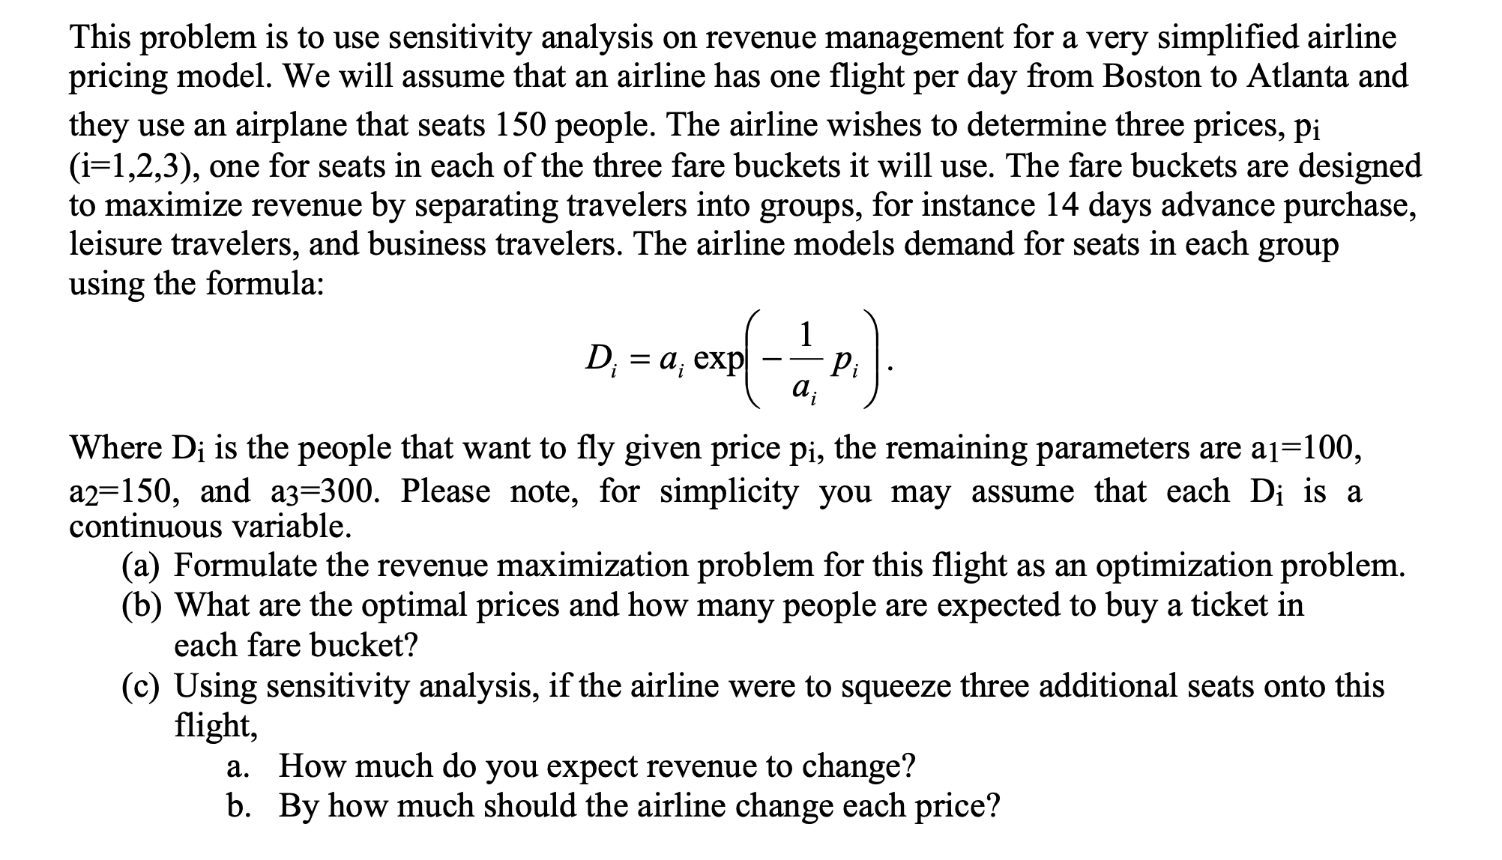

 |  |  |  |  |  |  |  |  |  |  | Model

 |  |  |  |  |  |  |  |  |  |  | FareBucket1 | 14 Days Advance Purchase
 |  |  |  |  |  |  |  |  |  |  | FareBucket2 | Leisure Travelers
 |  |  |  |  |  |  |  |  |  |  | FareBucket3 | Business Travelers

 |  |  |  |  |  |  |  |  |  |  | P1 | Price for seats in FareBucket1
 |  |  |  |  |  |  |  |  |  |  | P2 | Price for seats in FareBucket2
 |  |  |  |  |  |  |  |  |  |  | P3 | Price for seats in FareBucket3
 |  |  |  |  |  |  |  |  |  |  | D1 | 100*EXP(-P1/100)
 |  |  |  |  |  |  |  |  |  |  | D2 | 150*EXP(-P2/150)
 |  |  |  |  |  |  |  |  |  |  | D3 | 300*EXP(-P3/300)

 |  |  |  |  |  |  |  |  |  |  | Objective Function = | MAX(P1D1+P2D2+P3D3)
 |  |  |  |  |  |  |  |  |  |  | Constraints = | D1+D2+D3 <=150
 |  |  |  |  |  |  |  |  |  |  |  | P1,P2,P3>=0
 |  |  |  |  |  |  |  |  |  |  |  | D1,D2,D3>=0

Answer (a)
 | FareBucket1 | FareBucket2 | FareBucket3 | Constraints |  | Available |  |  |  |  | Objective Function = | 43670.858831
Prices/FareBucket | 156.74496596 | 206.74665948 | 356.75224204 |  |  |  |  |  |  |  |  | 43670.858831
Demand/FareBucket | 20.857644556 | 37.800571852 | 91.341783592 | 150 | <= | 150
Revenue/FareBucket | 3269.3307859 | 7815.141957 | 32586.386088 |  |  |  |  |  |  |  |  | Solver Output

Answer (b) |  |  |  |  |  |  | Answer (c) => |  | 3 additional seats. total seats allowed now are 153.
Optimal Prices for Farebucket1: |  | 156.74496596 |  |  |  |  |  |  | Variable |  |  |  | Objective
Optimal Prices for Farebucket2: |  | 206.74665948 |  |  |  |  |  | Cell | Name | Value |  | Cell | Name | Value
Optimal Prices for Farebucket3: |  | 356.75224204 |  |  |  |  |  | $B$25 | Prices/FareBucket FareBucket1 | 152.86713658 |  | $M$24 | Objective Function = | 43835.26959
 |  |  |  |  |  |  |  | $C$25 | Prices/FareBucket FareBucket2 | 202.86858662
People expected to buy a ticket from Fairbucket1: |  |  |  | 21 |  |  |  | $D$25 | Prices/FareBucket FareBucket3 | 352.88446271
People expected to buy a ticket from Fairbucket2: |  |  |  | 38
People expected to buy a ticket from Fairbucket3: |  |  |  | 91 |  |  |  | a.
 |  |  |  |  |  |  |  |  | Change in Revenue= |  | Total Revenue with 153 seats - Total Revenue with 150 seats
 |  |  |  |  |  |  |  |  |  |  | 164.41075819

 |  |  |  |  |  |  |  | b.
 |  |  |  |  |  |  |  |  | Change in each Farebucket price =
 |  |  |  |  |  |  |  |  |  |  | Change in Optimal Prices for Farebucket1: 156.751131611991 -152.867136580404 |  |  |  | 3.8778293759
 |  |  |  |  |  |  |  |  |  |  | Change in Optimal Prices for Farebucket2: 206.74692947124 - 202.868586620171 |  |  |  | 3.8780728626
 |  |  |  |  |  |  |  |  |  |  | Change in Optimal Prices for Farebucket3: 356.747794990898 - 352.884462711106 |  |  |  | 3.8677793294

