DocUtil
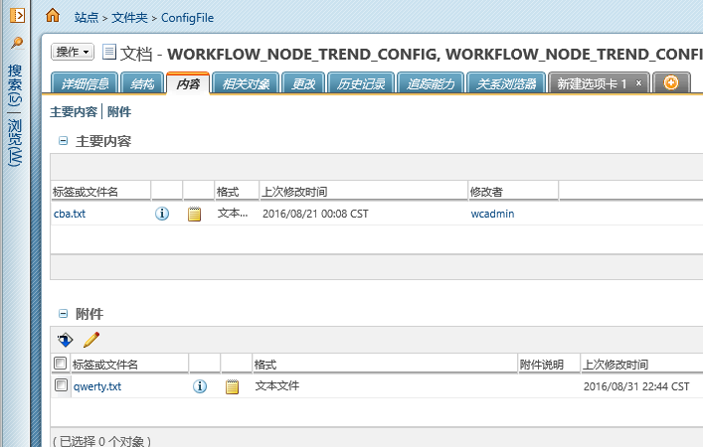
PromotionUtil

No | Test Summary | Test Case | Prerequisites | Input Information | Test Results (Expected Results) | Actual Results | Status | Test Date | Comments
1 | getWTContainerref(WTContainer wtcontainer) | unitTest001 |  |  |  |  | Pass
 |  | unitTest002
 |  | unitTest003
2 | createPromotionRequest(String number, String name, String objType, String desciption, WTContainer container, Folder folder, String targetState, Map<String, Object> mbaMap) |  |  | WTContainer wtcontainer = DocUtil.getWtContainerByName("huaqin"); System.out.println("@@@@@@@@@@@@@@@"+getWTContainerref(wtcontainer)); System.out.println("******************************************"); String path = "产品 /测试产品 /test_BJJ"; Folder folder = FolderUtil.getFolder(wtcontainer, path); Map<String, Object> map=new HashMap<String,Object>(); WTDocument value = DocUtil.getDoc("1001", false); map.put("number",value); createPromotionRequest("1002", "bjj_createPromotionRequest", "wt.maturity.PromotionNotice", path, wtcontainer, folder , "INWORK", map); | we can see in the page. |  |  |  | WTContainer wtcontainer = DocUtil.getWtContainerByName("huaqin"); System.out.println("@@@@@@@@@@@@@@@"+getWTContainerref(wtcontainer)); System.out.println("******************************************"); String path = "产品 /测试产品 /test_BJJ"; Folder folder = FolderUtil.getFolder(wtcontainer, path); Map<String, Object> map=new HashMap<String,Object>(); WTDocument value = DocUtil.getDoc("1001", false); map.put("number",value); createPromotionRequest("1002", "bjj_createPromotionRequest", "wt.maturity.PromotionNotice", path, wtcontainer, folder , "INWORK", map);

