DocUtil
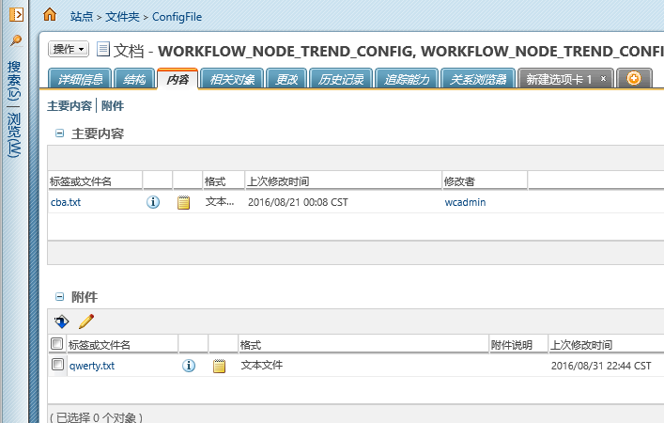
PromotionUtil

No | Test Summary | Test Case | Prerequisites | Input Information | Test Results (Expected Results) | Actual Results | Status | Test Date | Comments
1 | getPartByNoAndView(String partNo, String viewName) | unitTest001 |  | 1:input the all validate of Part. 2:set the value of "accessControlled" to "right" value | return the WTObject of WTDocument | wt.doc.WTDocument:… | Pass | 20160905 | System.out.println(getPartByNoAndView("0000000183", "Manufacturing"));
 |  | unitTest002 |  | input wrong Number information. | return null | null | Pass | 20160905 | System.out.println(getPartByNoAndView("0000000184", "Manufacturing111"));
 |  | unitTest003 |  | 1:input the all validate of part. 2:input wrong view. | error | “试图无效” | Pass | 20160905 | System.out.println(getPartByNoAndView("0000000183", "Manufacturing111"));

