ICAMSD
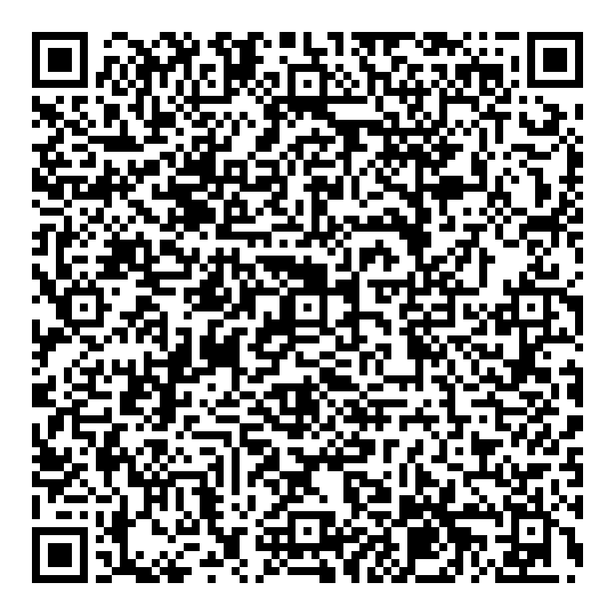
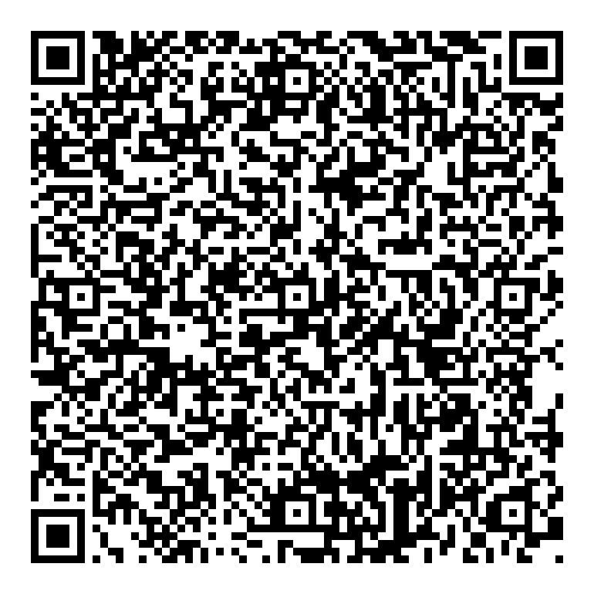
Paper ID | Paper Title | Author | Email | Institute | Phone | Presenter | Mode | QR Code
ICAMSD | Optimising Graduate Admission Predictions using XGBoost and Comparative Machine Learning Models | Ajith Kumar Vipparla, Sandeep Kumar Tadimalla | gopikrishnapan4@gmail.com | Narasaraopeta Engineering College | 7780456736 | Gopikrishna Pandilla | Online
ICAMSD 013 | Dynamic Modeling and Unified Control of PV-Battery Nanogrid in Islanded and Grid-Connected Modes | Vankadara Sampath Kumar | sampath.vankadara62@gmail.com | Malla Reddy Engineering College(A) | 9491838146 | Vankadara Sampath Kumar | Online
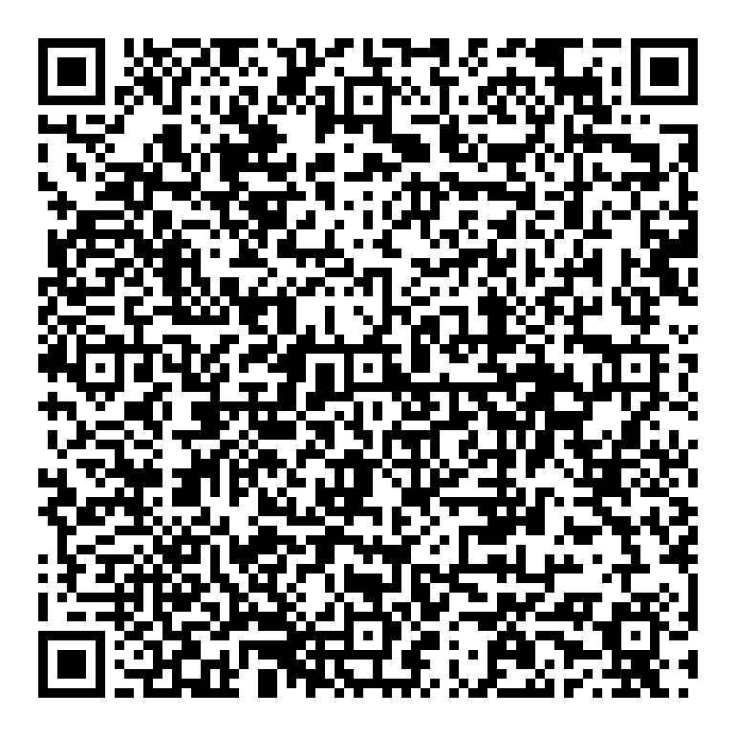
ICAMSD 016 | Image Enhancement and Segmentation Techniques for Rice Crop Disease Detection Using Histogram Equalization and Color Space Analysis | Dr Ramu Vankudoth | ramuds@mrec.ac.in | Malla Reddy Engineering College | 8309175449 | Dr Babu Pandipati | Online
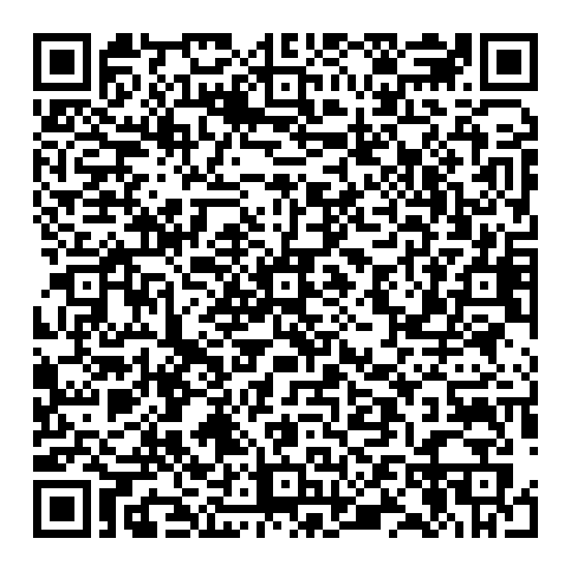
ICAMSD 017 | Hybrid Deep Learning Model for Rice Leaf Disease Identification | Dr Ramu Vankudoth | ramuds@mrec.ac.in | Malla Reddy Engineering College | 8309175449 | Vegi Sivani | Online
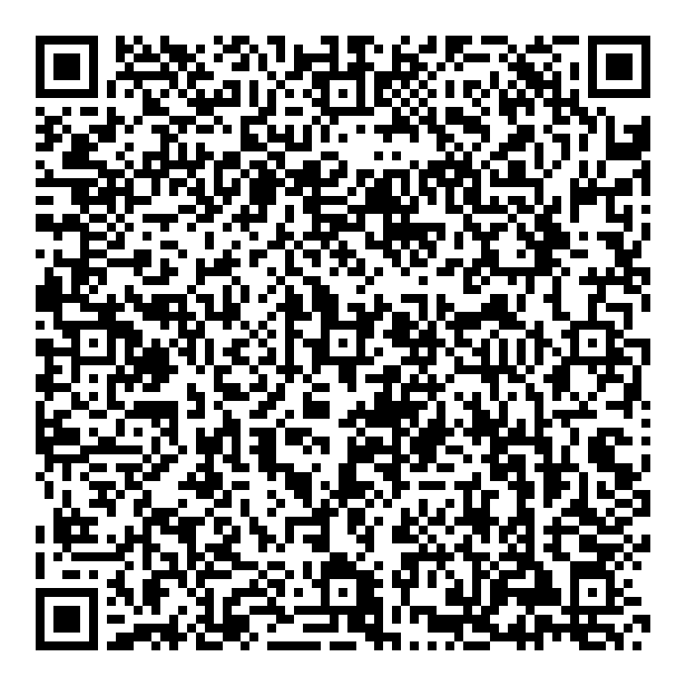
ICAMSD 021 | “DEVELOPING A GAME THEORY-BASED OPTIMISED CONTROL SYSTEM FOR SMART GRID & LOAD FREQUENCY CONTROLLER " | Dr DHARAMALLA CHANDRA SEKHAR | dcsekhar@mrec.ac.in | MALLA REDDY ENGINEERING COLLEGE (AUTONOMOUS) | 9885747095 | Dr Dharamalla Chandra Sekhar | Offline
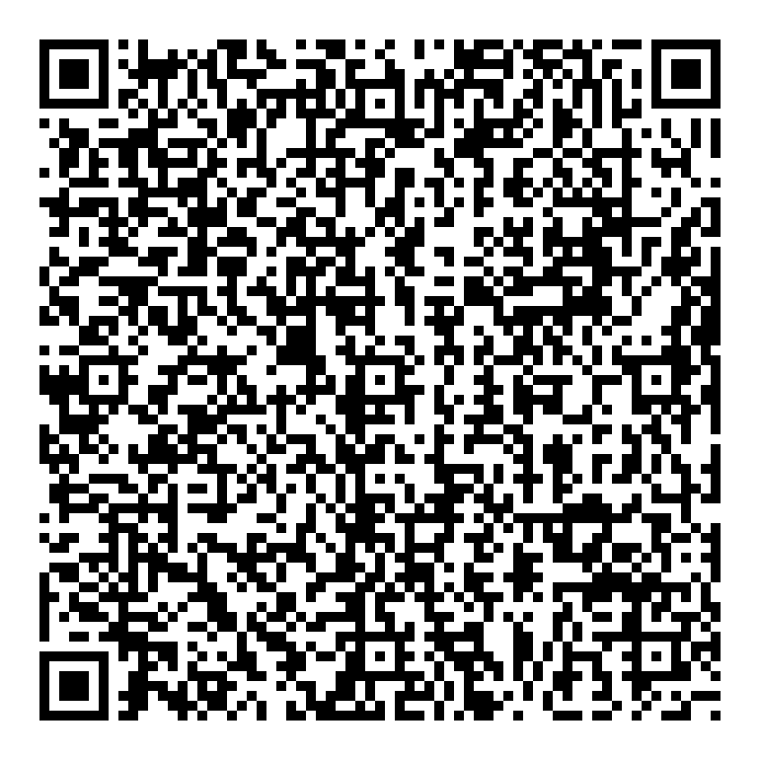
ICAMSD 023 | An Investigation into the Impact of Nanomaterials on the Performance of Lithium-Ion Batteries | Dr Bhupesh Kumar Namdeti | bhupeshknandeti@gmail.com | MREC- Malla Reddy Engineering College(A)- Main Campus | 9849153841 | Chan Basha Shaik | Offline
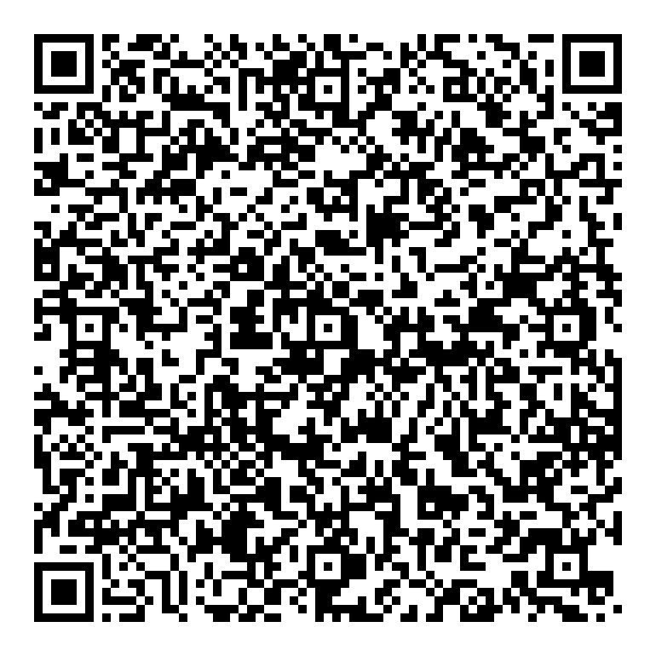
ICAMSD 024 | Experimental Analysis of Solar PV Performance Under Varying Radiation and Tilt Angles-Towards Sustainable Development | Dr.T.Nagadurga | durga.269@gmail.com | MALLA REDDY ENGINEERING COLLEGE | 9985370993 | Dr.T.Nagadurga | Offline
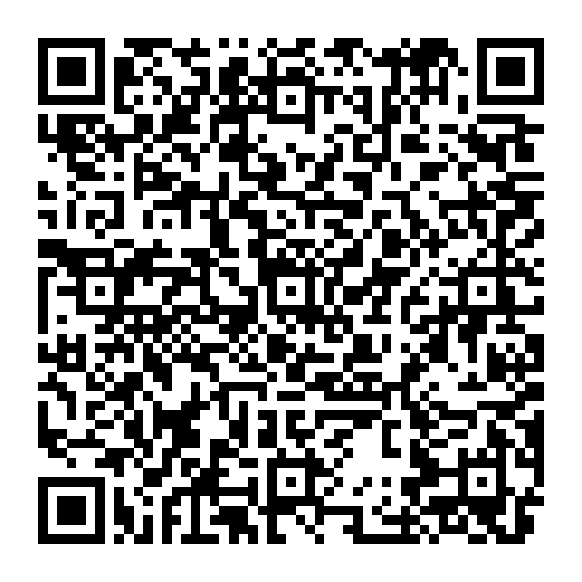
ICAMSD 027 | OPTIMAL POWER FLOW TRANSFER METHODOLOGY FOR MICROGRIDS | P. Sarala | sarala.2906@gmail.com | MREC | 9912373645 | P.Sarala
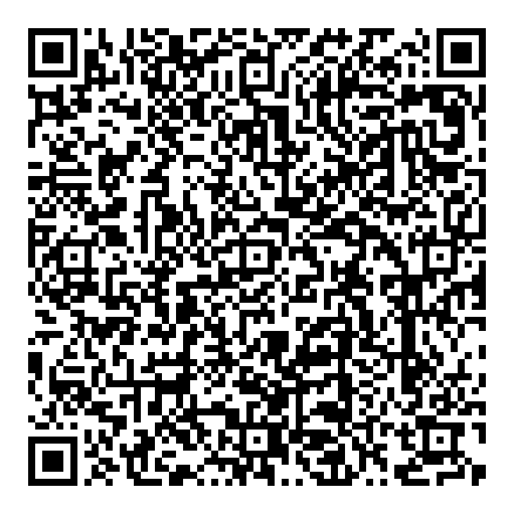
ICAMSD 029 | Enhancing K-means Clustering Accuracy through Combining Standard Scaling and Robust Scaling | Mr. M D V Prasad | powersamudra@gmail.com | GNU UIET | 9652563594 | Mr. M D V PRASAD | Offline
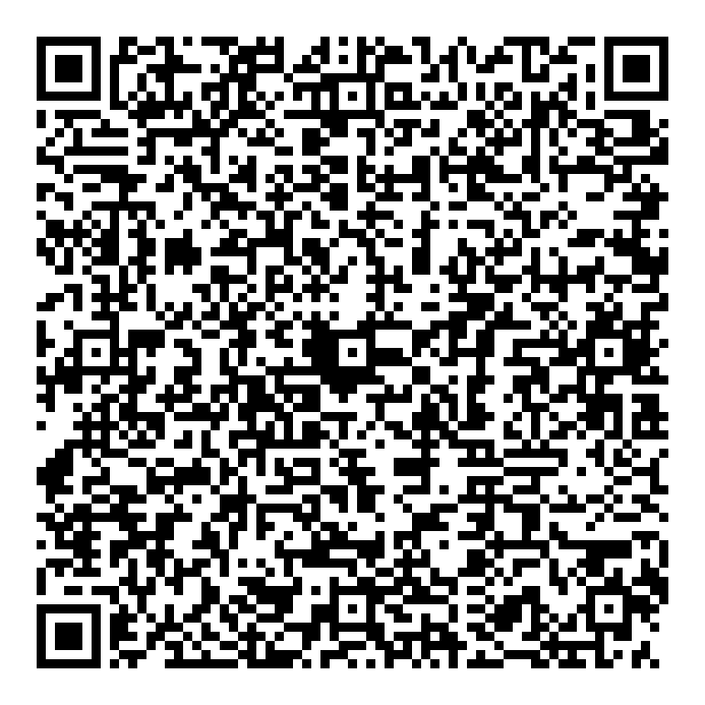
ICAMSD 032 | Predictive Analysis of Heart Disease Based on Hybrid Random Forest Linear Model | Neetu Faujdar | ysreddy946@gmail.com | Malla Reddy Engineering College, Maisammaguda, Secunderabad, Telangana, India | 7569674221 | Dr S R Gopala Reddy | Offline
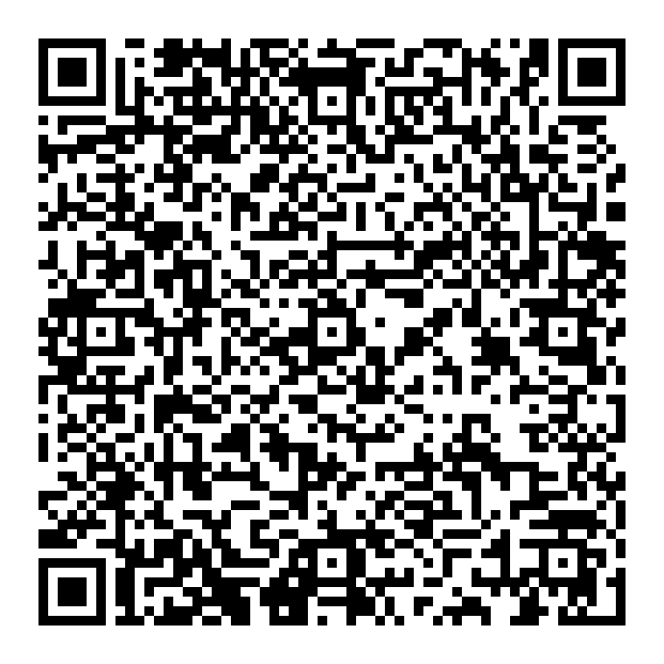
ICAMSD 034 | REAL-TIME HAND GESTURE RECOGNITION SYSTEM | Sambari Chaitanya | schaitanya92@gmail.com | Malla Reddy Engineering College (Autonomous) | 9912214351 | Sambari Chaitanya | Offline
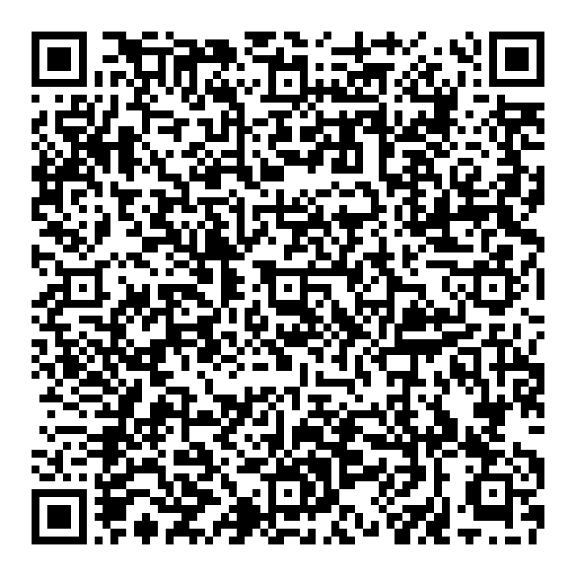
ICAMSD 04 | A Framework for Technology Translation and Integration across Diverse Sectors | Dr M V S Prasad | mvs.prasad2009@gmail.com | Malla Reddy Engineering College | 9849133187 | Dr MVS Prasad | Online
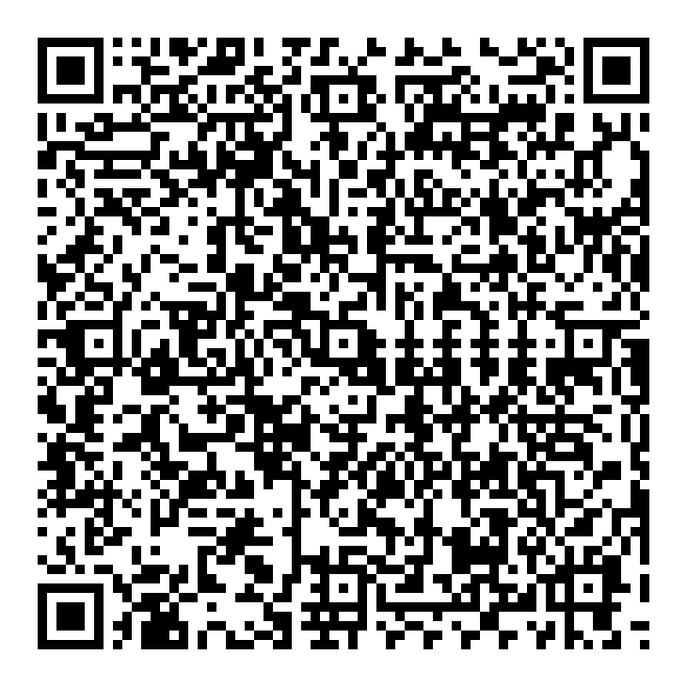
ICAMSD 040 | Recognition of Telugu Dialects using Enhanced LSTM-AGD and GMM Models | Shivaprasad Satla | shiva.prasad923@gmail.com | MALLA REDDY ENGINEERING COLLEGE | 9502390514 | shivaprasad Satla | Offline
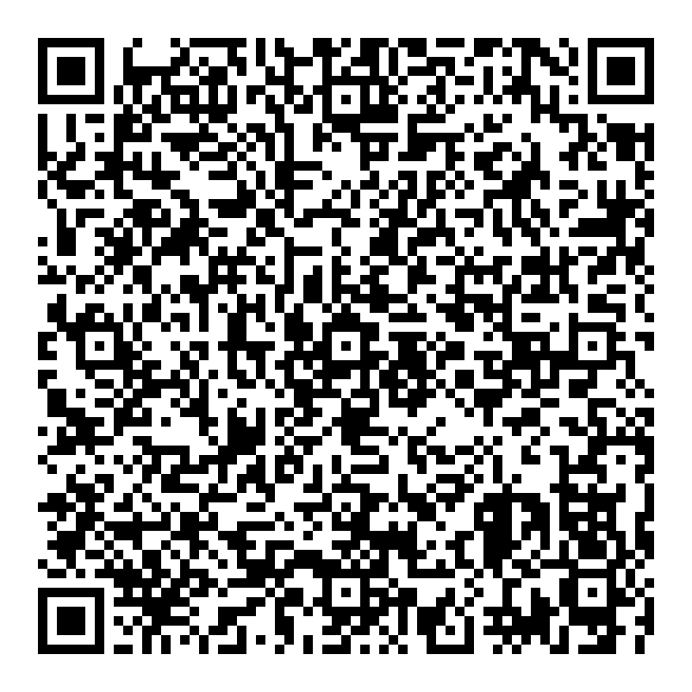
ICAMSD 041 | Dialect Identification In Telugu Language: An Approach With TFIDF, SVM, And NLP | SHIVAPRASAD SATLA | shiva.prasad923@gmail.com | MALLA REDDY ENGINEERING COLLEGE | 9502390514 | SHIVAPRASAD | Offline
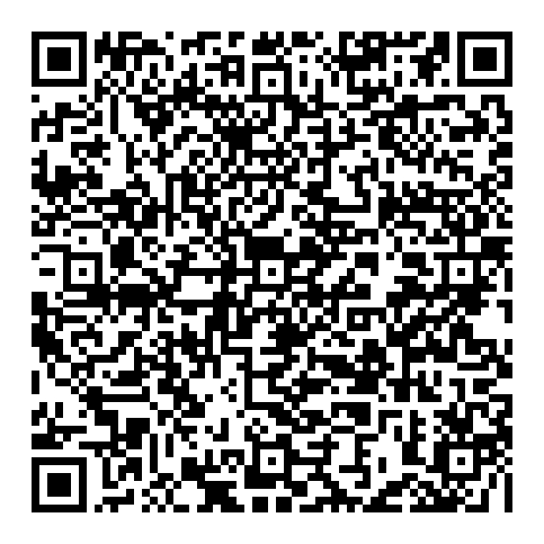
ICAMSD 042 | Cyber bullying Detection on social media:Insight from TF-IDF and LSTM Approaches | yakubreddy | yakubreddy1245@gmail.com | SVS GROUP OF INSTITUTIONS | 9398809944 | yakubreddy | Online
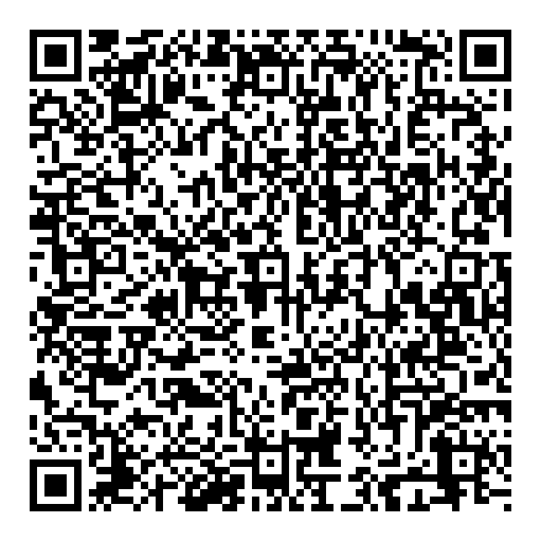
ICAMSD 049 | AI - Enhanced Image Analysis: Advances in Computer Vision and Machine Learning | P V Ramana Murthy | ramanamurthy19@gmail.com | Malla Reddy Engineering College | 9849520069 | P V Ramana Murthy | Offline
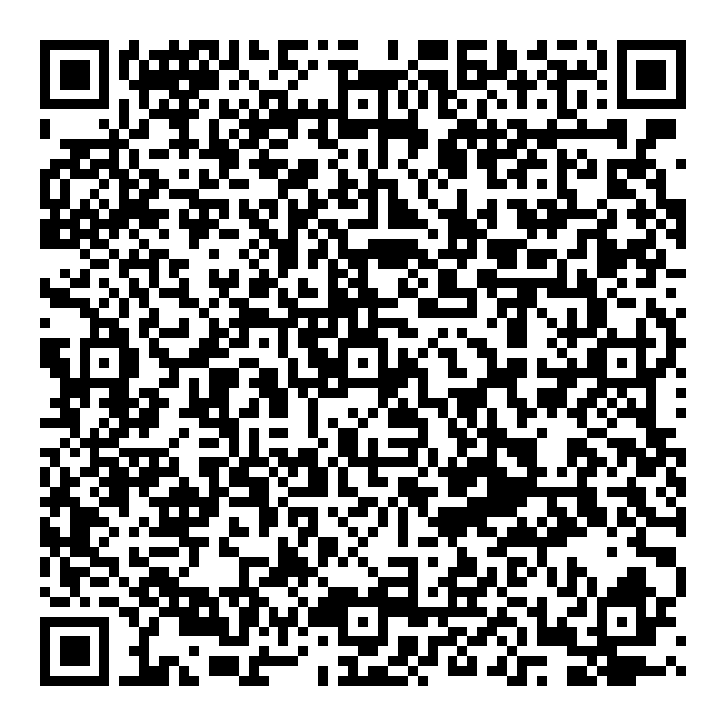
ICAMSD 051 | Robust Scheduling and Fault-Resilient Approach for IoT-Connected Wireless Sensor Networks | Dr. K Arun Kumar | kandruarunpg@gmail.com | Malla Reddy Engineering College(A) | 9010553666 | Dr.K Arun Kumar | Offline
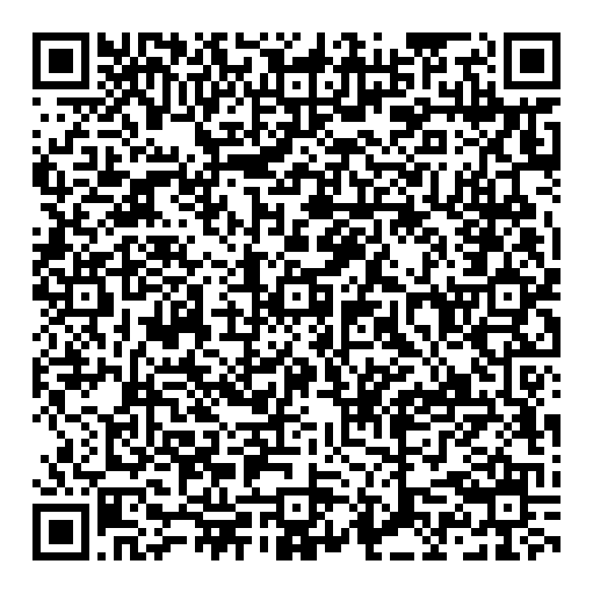
ICAMSD 056 | Image-To-Text Intelligence: A Deep Learning Framework for Dynamic Caption Generation | Tedla Saiprathap | saiprathaptedla@gmail.com | Narasaraopeta Engineering College | 9398594990 | Tedla Saiprathap | Online
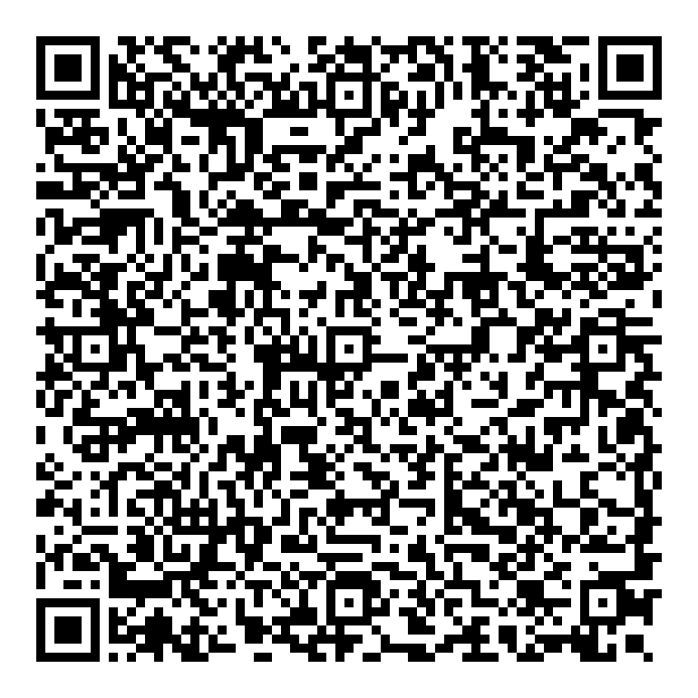
ICAMSD 061 | “An Examination of the Use of Transfer Learning Techniques for Plant Leaf Disease Detection | MALLADI CHANTI | chantimalladi67@gmail.com | Malla Reddy Engineering College (Autonomous) Main Campus | 9985803458 | Malladi Chanti | Online
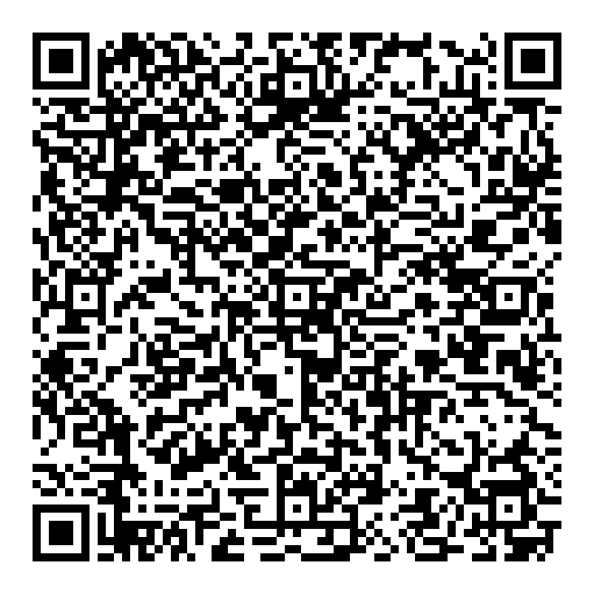
ICAMSD 062 | Artificial Intelligence in Cloud Computing: Innovations for Scalability and Efficiency | Dr. A. Pradeep Kumar | pradeepkumar@mrec.ac.in | Malla Reddy Engineering College (A) | 7731036533 | Harikrishna Kadamanchi | Offline
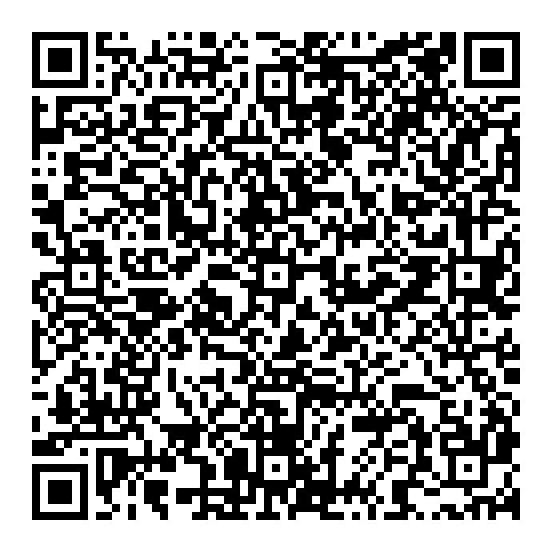
ICAMSD 066 | Skin Cancer Detection Using Combined Deep Learning Models | Nanitha Guttula | nanithagutthula@gmail.com | Narasaraopeta Engineering College | 8897167859 | Nanitha Guttula | Online
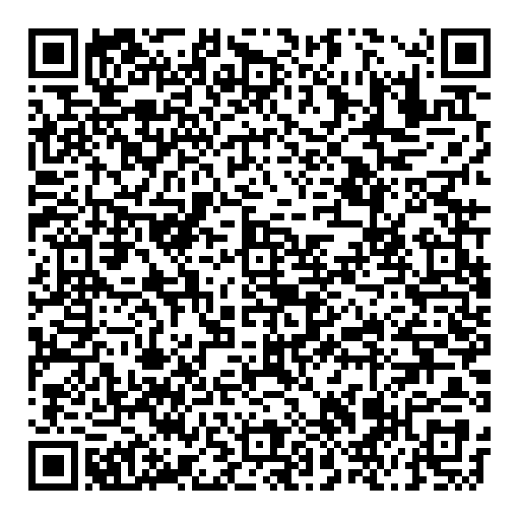
ICAMSD 070 | A Hybrid ResNeXt-GRU Model for Online Payment Fraud Detection | Desaboina Raja Venkat | rajav4712@gmail.com | Narasaraopeta engineering college | 8688214929 | Desaboina Raja Venkat | Online
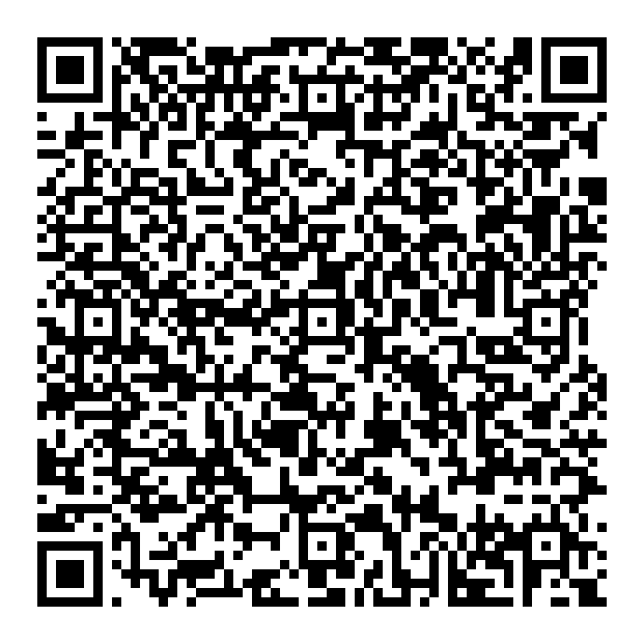
ICAMSD 073 | Efficient frame work for Wallace tree encoder | Epuri Deepthi | epurideepthi.406@gmail.com | Mallareddy Engineering College | 7093169666 | Sathvic | Offline
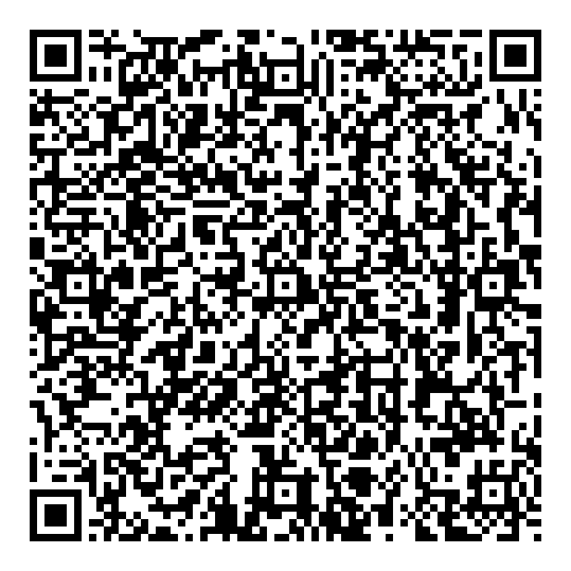
ICAMSD 074 | “Enhancing Time Series Stock Predictions Using GANs with Technical Indicators and Twitter Sentiment analysis” | Gudla Anjaneyulu | anjugudla@gmail.com | Mallareddy Engineering College, main campus | 7013974765 | Anjaneyulu Gudla | Online
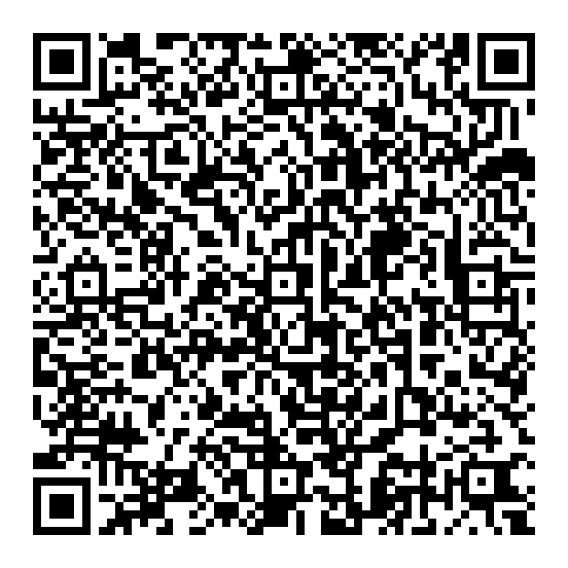
ICAMSD 075 | Autonomous Theft Proof Delivery Robot for Food and E-Commerce | SYEDA SABA MEHAK | syedamehak.ece052@gmail.com | Gates institute of technology | 8309620080 | Syeda Saba Mehak | Online
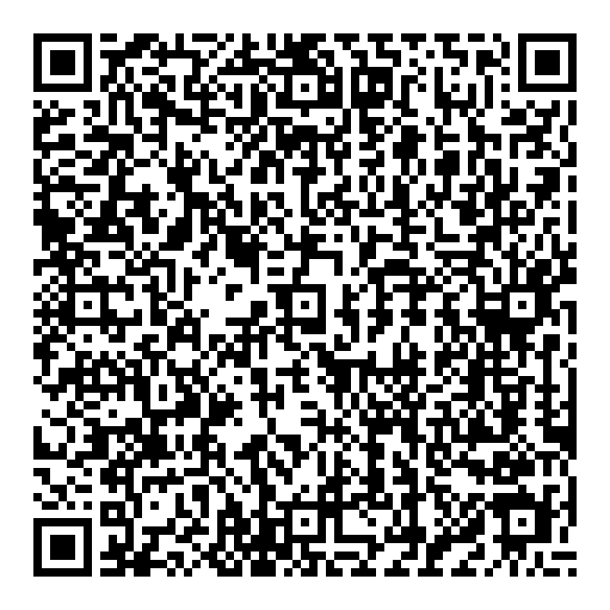
ICAMSD 076 | Malaria Parasite Detection Using Deep Learning Models | Gogisetti Likhitha | likhithagogisetti@gmail.com | Narasaraopeta Engineering College | 8919828356 | Gogisetti Likhitha | Online
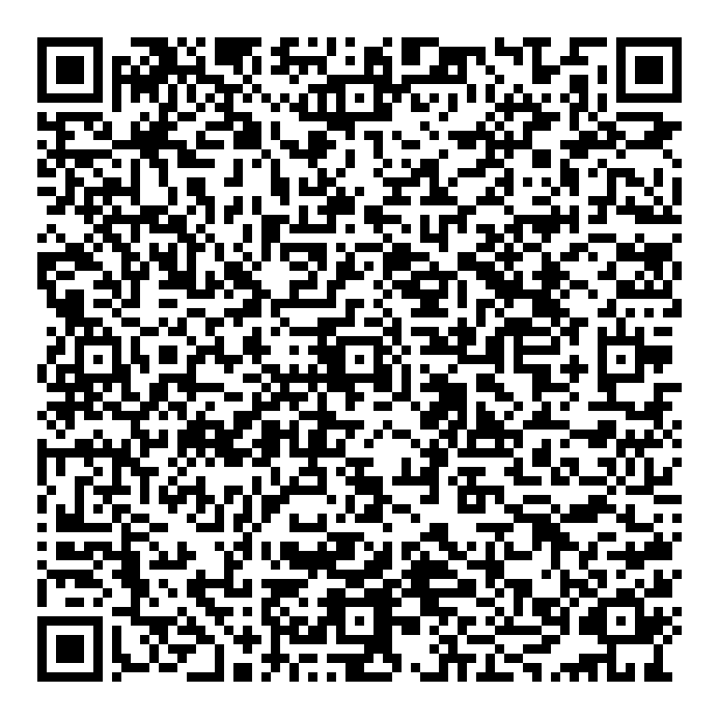
ICAMSD 077 | Classification of Electroencephalography Brain Signals for Brain-Computer Interface Systems using Deep Learning | Shaik Hamad Nabi Saheb | hamadshaik78@gmail.com | Narasaraopeta Engineering College | 9182461985 | Shaik Hamad Nabi Saheb | Online
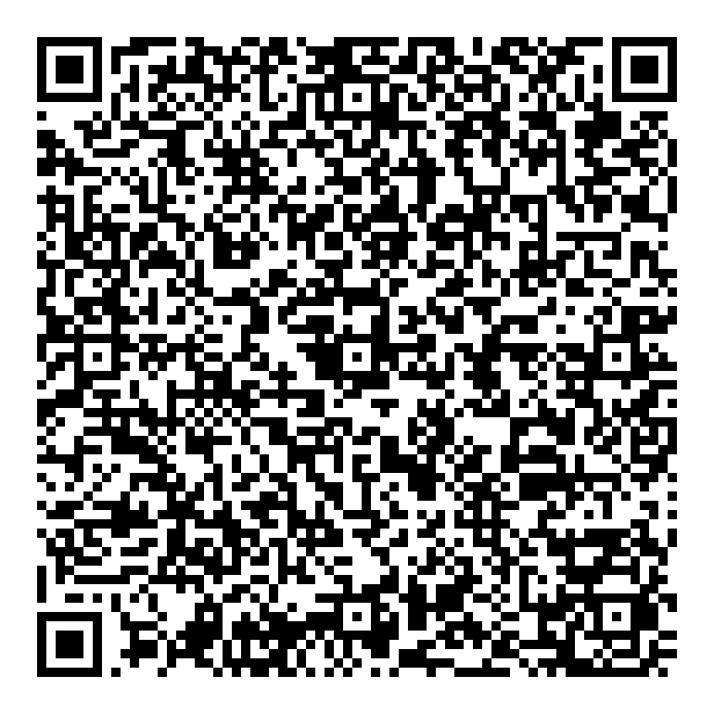
ICAMSD 078 | Emotion recognition through multimodal Deep learning sensing: text, image and speech. | Mr. S. Tanveer Ahammad (assistant professor ph.d) | tanveer415@gmail.com | Gates institute of technology, Gooty | 7981305500 | M. Rani | Online
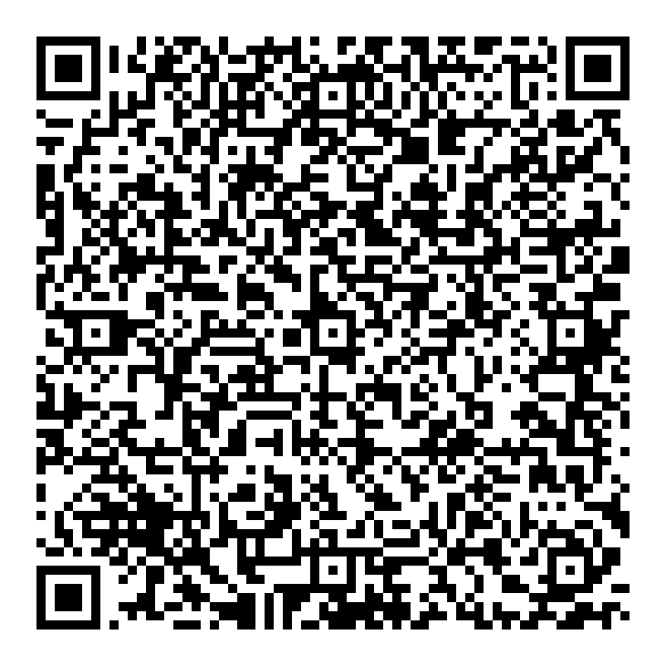
ICAMSD 079 | Smart street lighting and fault detection system using IoT | K S Karteek Srivatsa | karteeksrivasta978@gmail.com | Gates institute of technology | 9390812456 | K S Karteek Srivatsa | Online
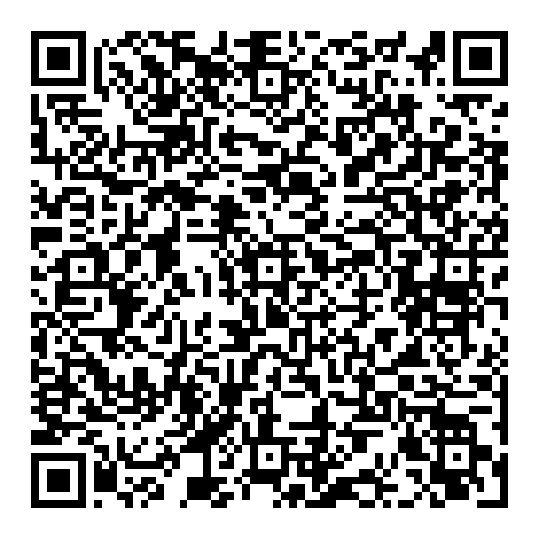
ICAMSD 083 | Automated greenhouse management system using Embedded systems | M.Likhitha | mlikhitha37@gmail.com | GATES institute of technology,Gooty | 83745 03723 | M.Likhitha | Online
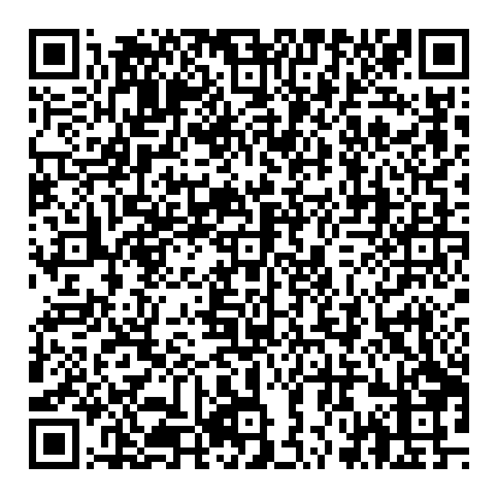
ICAMSD 084 | Generative Models to Predict Disease Risk Based on Genetic Data | NIL | tirumalaparuchuri@gmail.com | Malla Reddy Engineering College | 9440215302 | Tirumala Paruchuri | Offline
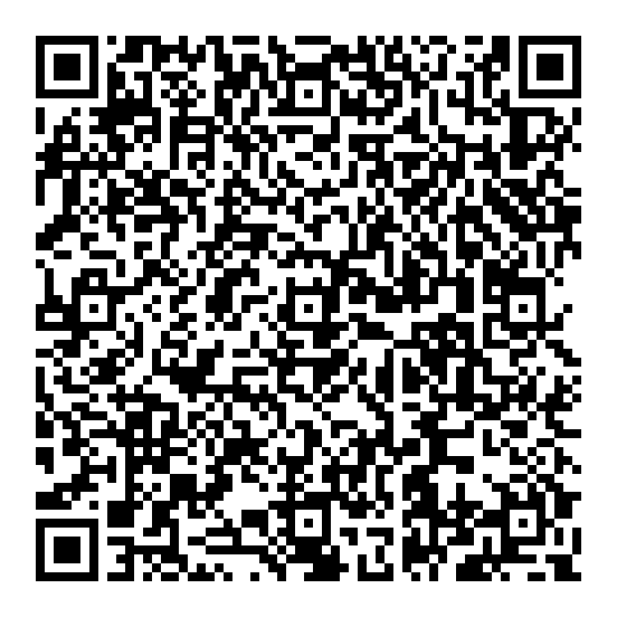
ICAMSD 085 | Deep fake face detection using hybrid CNN and LSTM | Jadav pavani | jadavpavani79@gmail.com | Gates institute of technology | 6302110306 | Jadav pavani | Online
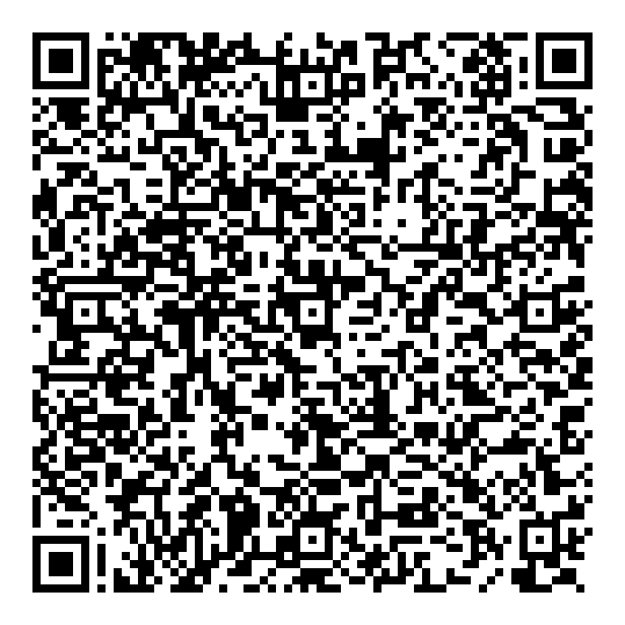
ICAMSD 086 | Automated Diagnosis of Sleep Disorders: A Machine Learning AND Deep Learning Approach for Enhanced Accuracy | Nalamala Sumanth,Ala Venkata Vamsi. | annapareddybalaji78@gmail.com | Narasaraopet Engineering College | 8555962180 | Balaji Annapareddy | Online
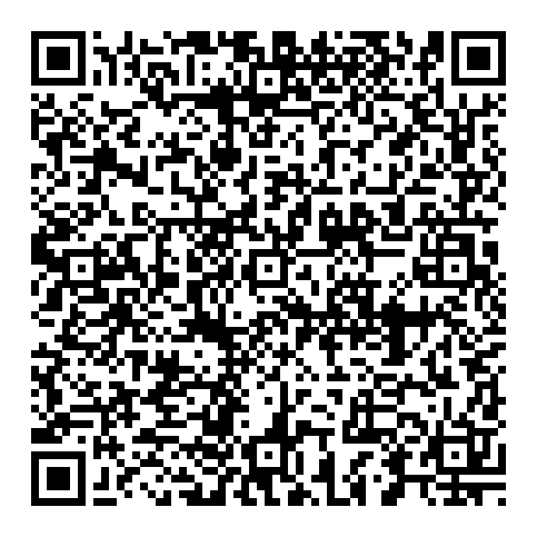
ICAMSD 089 | DESIGNING AN ADVANCED MEDICAL CHATBOT | Duddela Sukanya | duddelasukanya@gmail.com | Narasaraopeta Engineering College | 6300088422 | Duddela Sukanya | Online
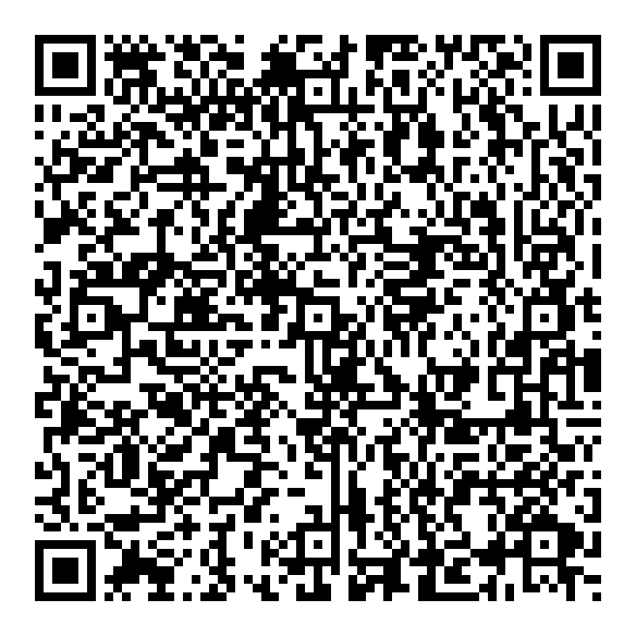
ICAMSD 092 | Pneumonia Detection using Deep Learning Models | Kolla Naga Sri Venkata Mani Nikitha | nikithakolla479@gmail.com | Narasaraopeta Engineering College | 8187872384 | Kolla Naga Sri Venkata Mani Nikitha | Online
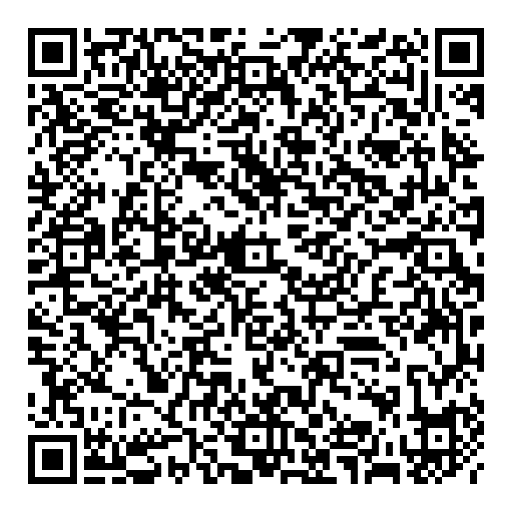
ICAMSD 093 | DECODING SPEECH: DEEP LEARNING APPROACHES TO EMOTION RECOGNITION | Thalathoti David Kumari | thalathotidavidkumari19@gmail.com | Narasaraopeta Engineering College | 7893734210 | Thalathoti David Kumari | Online
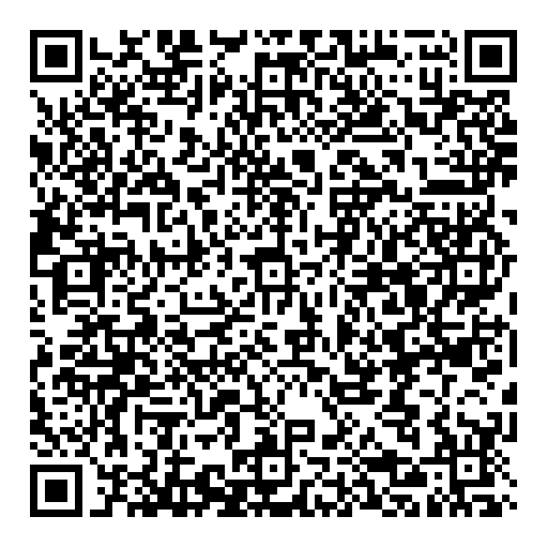
ICAMSD 094 | Empowering Hate Speech Detection with BERT and Traditional Deep Learning Models | Ganthi Srividya | sirisrividya2603@gmail.com | Narasaraopeta Engineering College | 7995399689 | Ganthi Srividya | Online
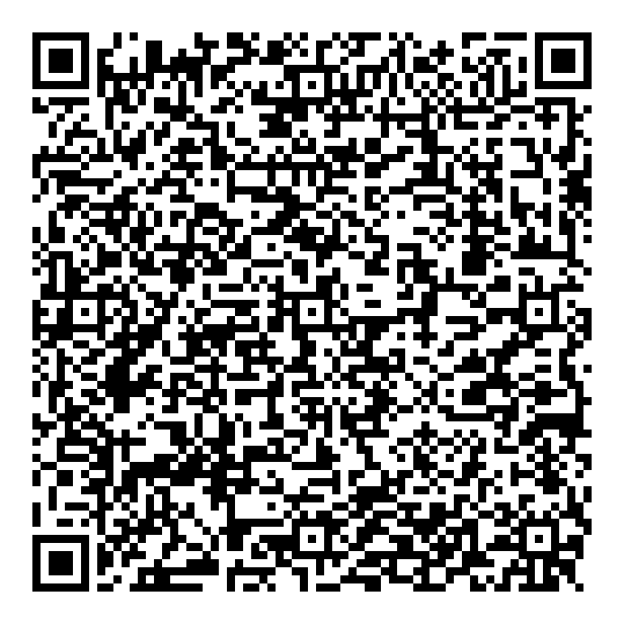
ICAMSD 095 | Advanced Heart Disease Detection Using Ensemble Learning Enhanced with SMOTE | Kandipati Venkata Sarojini | sarojinikandipati@gmail.com | Narasaraopeta Engineering College | 7661036346 | Kandipati Venkata Sarojini | Online
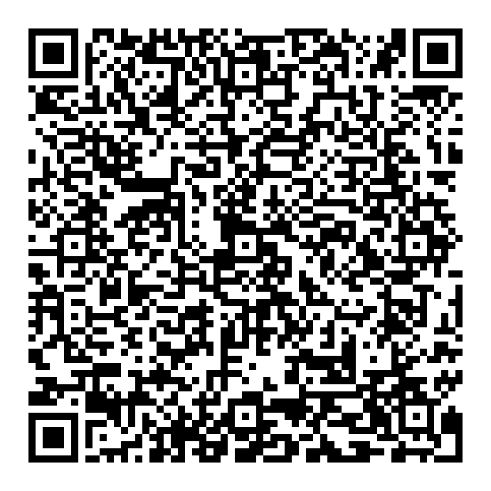
ICAMSD 096 | Headline Alchemy: Turning words into clicks | SUNKARA VAMAKESWARI | vamakeswaris197@gmail.com | Narasaraopeta Engineering College | 9618391785 | SUNKARA VAMAKESWARI | Offline
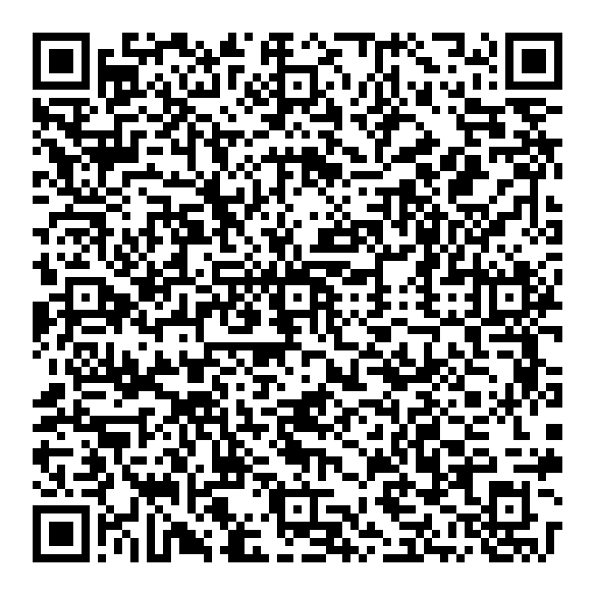
ICAMSD 097 | AI-Driven Medical Chatbot for Predicting and Managing Diseases | Gade Bhavan Kausik | bhavankausik@gmail.com | Narasaraopeta Engineering College | 9700462187 | Gade Bhavan Kausik | Online
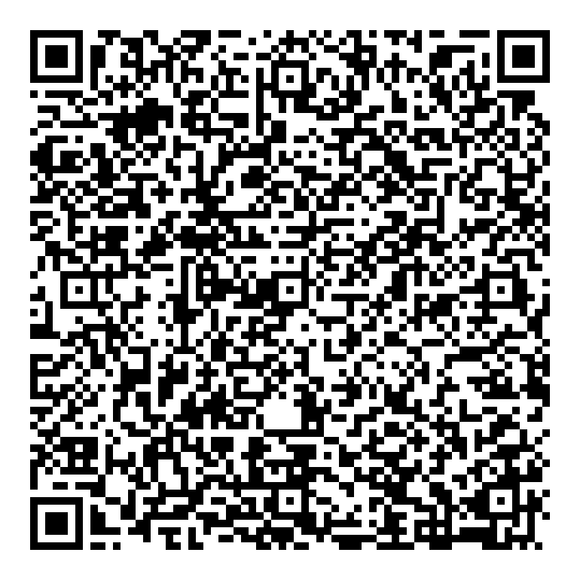
ICAMSD 102 | Enhancing Brain tumor detection with Cnn's and smote based data augmentation | Kollipara Ramya Sri Abhitha | kollipararamyasriabhitha@gmail.com | Narasaraopeta Engineering College | 8125422504 | Kollipara Ramya Sri Abhitha | Offline
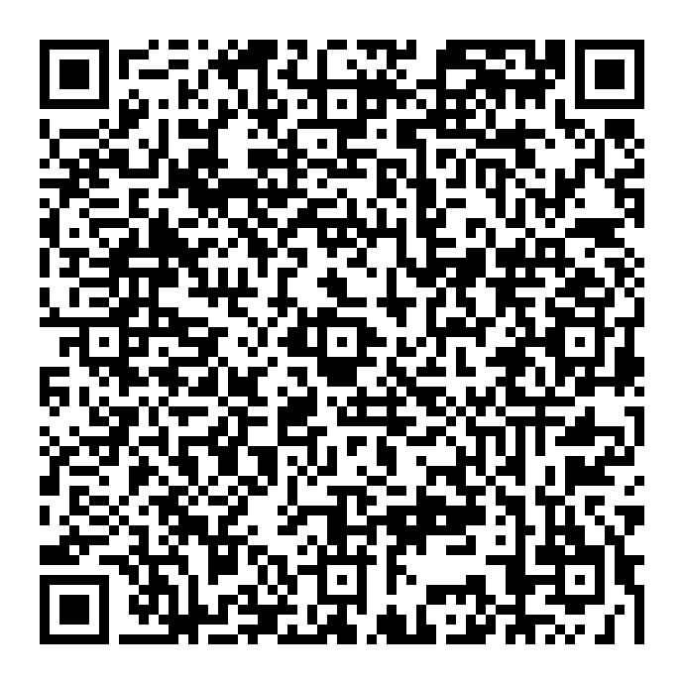
ICAMSD 103 | LEAF DISEASE DETECTION USING K MEANS ALGORTHIM | Monish B, Kapil M | monish8244@gmail.com | Sona College of Technology, Salem | 7618771607 ,9751607081 | Monish B, Kapil M | Online
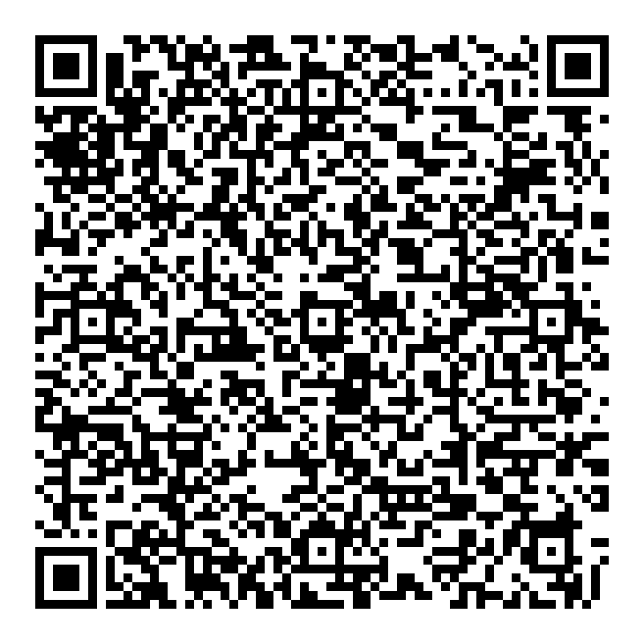
ICAMSD 104 | Enhanced Credit Card Fraud Detection Through Logistic Regression and SVM Techniques | Ravalika Vadranam | ravalikavadranam@gmail.com | Narasaraopeta Engineering College | 9347296836 | Ravalika Vadranam | Online
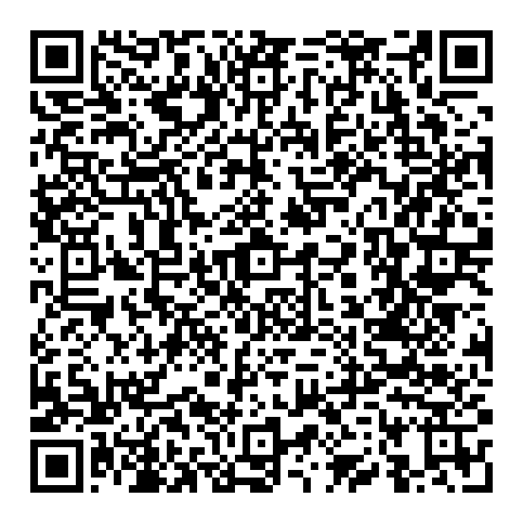
ICAMSD 120 | Age Gate: Dynamic Content Delivery | Nikhil Ramu Neeli | nikhilramu18@gmail.com | Narasaraopeta Engineering College | 9110796360 | Nikhil Ramu Neeli | Online
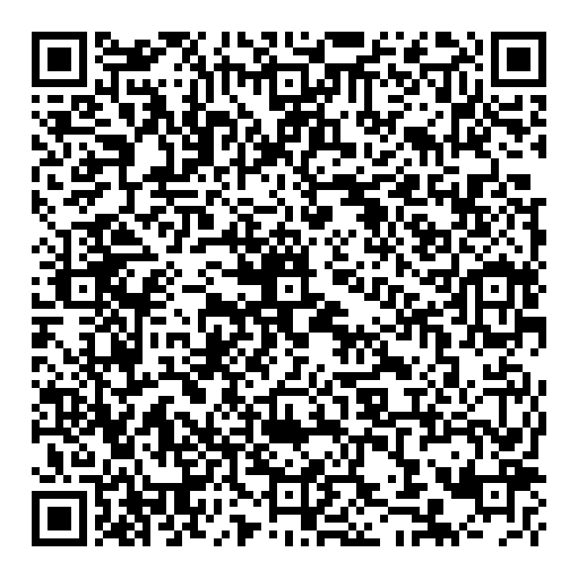
ICAMSD 121 | Brain Tumor Classification and Detection using VGG16 Model | Dontha Santhosh Kumar Goud | donthasanthosh00@gmail.com | Narasaraopeta Engineering College | 7997656522 | Rakesh Ratnam Gali | Online
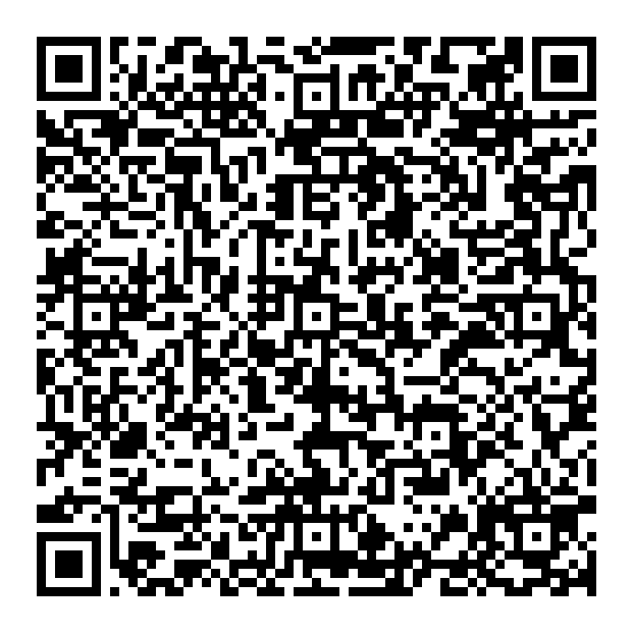
ICAMSD 122 | Smart irrigation system using intelligent robotics | P.Dilsha | dilshaj2003@gmail.com | Gates institute of technology | +919618444349 | B.Anuradha | Online
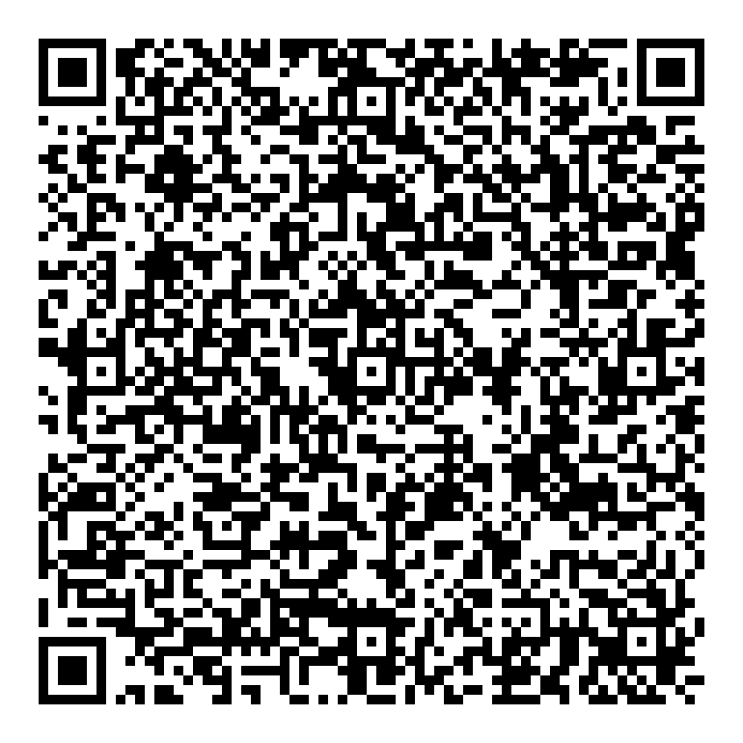
ICAMSD 123 | AI-Driven Solutions for Fertilizer Optimization and Smart Irrigation Control in Agriculture | Gayam Tejeswar Reddy | tejeswarreddy.gayam@gmail.com | Narasaraopeta Engineering College | 9701518290 | Gayam Tejeswar Reddy | Online
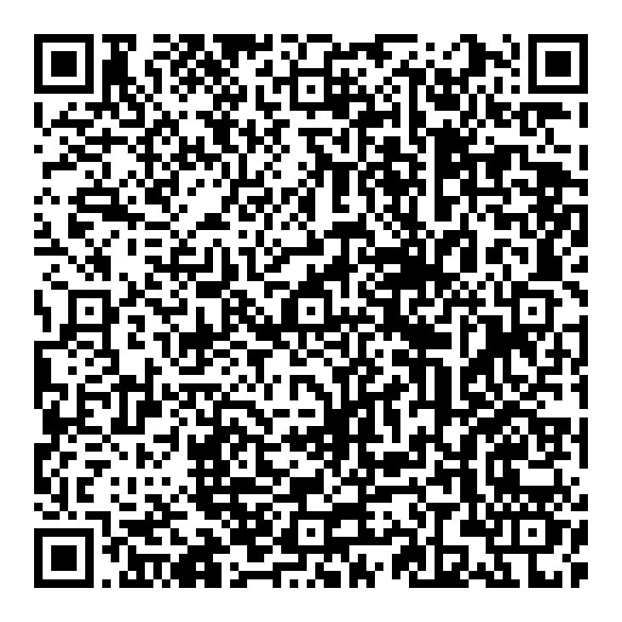
ICAMSD 124 | Infant Cry Classification through Machine Learning and Deep Learning | Gottipati Mani Chandana | manichandana1512@gmail.com | Narasaraopeta Engineering College | 9676857123 | Gottipati Mani Chandana | Online
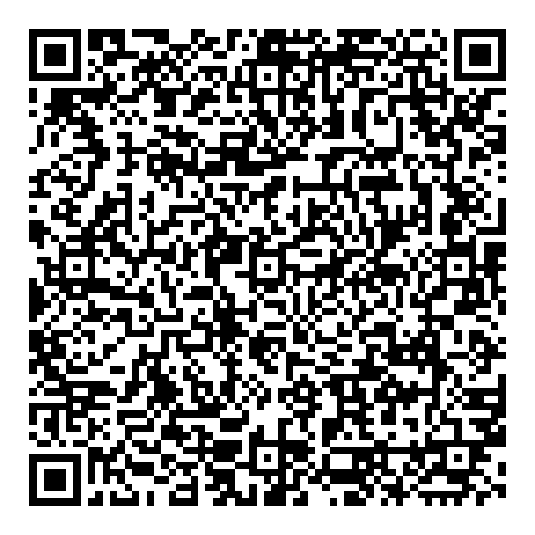
ICAMSD 125 | An Intelligence-Based Machine Learning System for Determining Student Disabilities Associated With Mental Health Disorder | Theja | Thejakalakuntla@gmail.com | MallaReddy Engineering College | 9949941772 | Theja | Offline
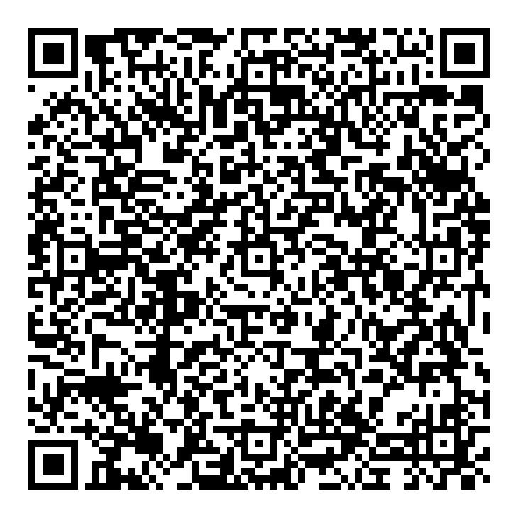
ICAMSD 127 | Traffic Information Acquisition System | Gautham krithick R | gauthamrt@gmail.com | Sona College of Technology | 9790443496 | Gautham krithick R | Online
ICAMSD 127 | AI-Driven Virtual Nursing Assistants: Enhancing Patient Care with CNN-Based Health Monitoring | Dr Syed Umar | Umar332@gmail.com | Malla Reddy College of Engineering | 9030115580 | Chukka Pushparaj | Online

ICAMSD 129 | Efficient Detection of Tampered Images Using CNN | Rajesh Bacchala | raazbatchala@gmail.com | NARASARAOPETA ENGINEERING COLLEGE | 9398685368 | Rajesh Bacchala | Online

ICAMSD 130 | Enhancing Deep Learning -Based Image Captioning with CNN -LSTM using an interactive GUI | N Bhargav Sai Teja | bhargavsaiteja42921@gmail.com | Gates Institute of Technology | 8074000760 | S . Aisha Nafiz | Offline
ICAMSD 130 | A SECURE MULTIMODAL BIOMETRIC FRAMEWORK LEVERAGING DEEP NEURAL NETWORKS AND HASHING | thangedi kishore | thangedikishore@gmail.com | malla reddy engineering college | 9985555713 | THANGEDI KISHORE | Offline

ICAMSD 133 | Edge Computing and Artificial Intelligence: A Synergistic Approach to Real-Time Data Analytics and Security in Industrial IoT Systems | Maheswari Vikram | maheswari.vkrm@gmail.com | Mallareddy College of engineering Autonomous | 9652974382 | Maheswari Vikram | Offline

ICAMSD 134 | A Study Of Design and Implementation of Domestic News Collection System Based On Python | SHAIK RABBANI | shaikrabbani426@gmail.com | MREC | 9160487336 | SHAIK RABBANI | Offline
ICAMSD 134 | GPU based Dog Breed Classification using Deep Learning | CH V SATYANARAYANA | satyach8592@gmail.com | MALLA REDDY ENGINEERING COLLEGE | 9701426350 |  | Offline

ICAMSD 135 | Explainable AI for Predicting Heart Rhythm Anomalies Using ECG Data | MUNIGALA MAHESHNATH | Munigalamahesh321@gmail.com | MREC | 9052753601 | MUNIGALA MAHESHNATH | Offline
ICAMSD 135 | Hybrid Framework for Email Spam Detection: Leveraging NLP and Machine Learning | SATEESH KOKKILIGADDA | ksateesh18@gmail.com | malla reddy engineering college | 8019873736 | SATEESH KOKKILIGADDA | Offline

ICAMSD 138 | Machine Learning Approaches to Chronic Kidney Disease Prediction: Key Factors and Algorithms | Sudheer Nagisetti | sudheernagisetty98@gmail.com | Narasaraopeta Engineering Collage | 7893162061 | Sudheer Nagisetti | Online
ICAMSD 138 | Advancements in Deep Learning for Brain Tumor Detection and Classification | RONGALA RAVI | raviecet5815@gmail.com | MALLA REDDDY ENGINEERING COLLEGE | 6300281759 | RONGALA RAVI | Offline

ICAMSD 139 | GANs for Synthetic Data Generation: Enhancing Model Training in Data-Scarce Domains | M JAGANMOHAN REDDY | mjmreddy1978@gmail.com | MALLA REDDY ENGINEERING COLLEGE (AUTONOMOUS ) | 7013339222 | M JAGANMOHAN REDDY | Offline

ICAMSD 140 | HUMAN OPERATION RECOGNISATION UTILIZING MACHINE LEARNING AND DEEP EDUCATION | S.Gayathri | suddalagayathri09@gmail.com | Gates Institute of Technology(Gooty) | 6301402375 | S.Gayathri | Online

ICAMSD 141 | Potato Leaf Diseases Detection Using Cnn | Naru Bhaskar Reddy | bhaskarreddynaru69@gmail.com | Narasaraopeta Engineering College | 9346834130 | Naru Bhaskar Reddy | Online

ICAMSD 145 | Modern Evolutionary methods of Agriculture field health monitoring: UAV Imagery Recent Trends & Technology Development using UAV | S.Yagnasree | syagna109@gmail.com | Lovely Professional University | 9705511755 | S yagnasree | Online

ICAMSD 149 | AI-Powered Knowledge Extraction from Source Code Developing Natural Language Processing Models to Enhance Software Documentation and Understanding | SRAVANI GOGULA | gogulasravani1929@gmail.com | Malla Reddy Engineering College(MREC) | 8886313357 | SRAVANI GOGULA | Offline

ICAMSD 150 | Development of a Deep Learning Framework for Robust Source Localization and Tracking Using Spherical Microphone Arrays in Complex Acoustic Environments. |  | latarao17@gmail.com | Malla Reddy Engineering Collage (MREC) | 7013426425 |  | Online

ICAMSD 151 / 2559673525 | Breaking Down the Race: Optimizing Formula 1 Data Analysis and Visualization for Strategic Decisions | ANOU ZECHARIA W B | anouzecharia11@gamil.com | VEL TECH HIGH TECH | 97910 20987 | ANOU ZECHARIA W B | Offline

ICAMSD 153 | Generative AI for Healthcare: Revolutionizing Diagnosis, Treatment,and Personalized Care | Kulkarni Ankitha | kulkarniankitha60@gmail.com | Malla Reddy Engineering College | 8297427331 | Kulkarni Ankitha | Online

ICAMSD 154 | Artificial Intelligence and machine learning in Disaster prediction and Mitigation: Enhancing Preparedness, Response,and Resilience | DURGAM RAJKUMAR | rajkumar.durgamu@gmail.com | Malla Reddy Engineering college | 8897151423 | DURGAM RAJKUMAR | Offline

ICAMSD 155 | AI-Driven Innovations for Sustainable Agriculture and Resilient Food Systems: Transforming Farming for the Future | S R V PRASAD REDDY | mtechprasadreddy@gmail.com | Malla Reddy Engineering College - Autonomous | 9888922279 | S R V PRASAD REDDY | Offline

ICAMSD 157 | Leveraging AI and Machine Learning for Enhanced Medical Image Processing and Analysis | Aruna Janipalli | arunamurali@mrec.ac.in | Malla Reddy Engineering Collage | 9963068979 | Aruna Janipalli | Online

ICAMSD 16 | Image Enhancement and Segmentation Techniques for Rice Crop Disease Detection Using Histogram Equalization and Color Space Analysis | Dr Ramu Vankudoth | ramuds@mrec.ac.in | Malla Reddy Engineering College | 8309175449 | Dr Babu Pandipati | Online

ICAMSD 160 | Design and Implementation of an Alphanumeric License Plate Recognition System Using Neural Network Techniques | Srinivasa Rao Kandula | ksrinivas.ece@gmail.com | MREC | 6303004199 | Lingamallu Naga Srinivasu | Online

ICAMSD 161 | Implementation of Energy Efficient Dynamic Source Routing Protocol for MANETs | Jyothi Sri.Vadlamudi | jyothisriv@mrec.ac.in | MREC(A) | 814209144 | Pinnamaneni Likhitha | Offline

ICAMSD 165 | Fake News detection By using Machine learning models | Perla Geetha Charan | perlagcharan@gmail.com | Narasaraopeta engineering college | 9390464500 | Mula siva nagireddy | Online

ICAMSD 166 | Artificial Intelligence for sustainable Tourism and Heritage Management:Balancing Preservation, Innovation, and Global Accessibility. | D.Prathyusha | prathyusha.devasani@gmail.com | Malla Reddy Engineering College(Autonomous) | 9966068626 | D.Prathyusha | Online

ICAMSD 168 | No Reference Retinal Image Quality Assessment using Multi-resolution Approach | SIMA SAHU | simahal@mrec.ac.in | Mallareddy Enineering College | 9491771860 | Sima Sahu | Online

ICAMSD 169 | Advanced machine learning techniques for optimization ,forecasting and management in renewable energy resources | K.supriya | supriya2477@gmail.com | Mallareddy Engineering college (MREC) | 9652037545 | K.Supriya | Online
ICAMSD 169 | Advanced machine learning techniques for optimization ,forecasting and management in renewable energy resources | K.supriya | supriya2477@gmail.com | Mallareddy Engineering college (MREC) | 9652037545 | K.Supriya | Online

ICAMSD 17 | Hybrid Deep Learning Model for Rice Leaf Disease Identification | Dr Ramu Vankudoth | ramuds@mrec.ac.in | Malla Reddy Engineering College | 8309175449 | Vegi Sivani | Online

ICAMSD 170 | AI driven Environmental Monitoring and Predictive Intelligence | Koyya Avinash | avinashkoyya1998@gmail.com | Malla Reddy Engineering College | 9398598726 | Koyya Avinash | Online

ICAMSD 173 | AI driven solutions for Sustainable Urban Development: Transforming Cities for a Greener Future | Dr.K.Vasanth Kumar | vasanthkamatham@gmailcom | Malla Reddy Engineering College | 9848087136 | Dr.K.Vasanth Kumar | Online

ICAMSD 178 | Personality Prediction using Machine Learning and Natural Language Processing | DASARI N V CHANDRA SEKHAR | nani86459@gmail.com | Narasaraopeta Engineering College | 7416363943 | DASARI N V CHANDRA SEKHAR | Online

ICAMSD 180 | Evaluation of the Re-parameterized KG Distribution in Modeling SNR of Wireless Channels | Bibhuti Bhusan Pradhan | bibhu.iisc@gmail.com | MREC | 9439865308 |  | Offline

ICAMSD 188 | Automated Trundler that follows customer in Shopping malls | Kasturi Mallika Devi | mallikadevik99@gmail.com | Malla Reddy Engineering College | 6305327041 | Kasturi Mallika Devi

ICAMSD 196 | Optimising Graduate Admission Predictions using XGBoost and Comparative Machine Learning Models | Gopikrishna Pandilla | gopikrishnapan4@gmail.com | Narasaraopeta Engineering College | 7780456736 | Gopikrishna Pandilla | Online

ICAMSD 197 | Deep Learning for Image Enhancement: Transforming Vision with AI | Motam Santhosha | santhoshaprasadm@gmail.com | Malla Reddy Engineering College (Autonomous) | 6300352690 | Motam Santhosha | Offline
ICAMSD 197 | Deep Learning for Image Enhancement: Transforming Vision with AI | Motam Santhosha | santhoshaprasadm@gmail.com | Malla Reddy Engineering College (Autonomous) | 6300352690 | Motam Santhosha | Offline

ICAMSD 203 | Unlocking Home Automation System By Face Detection Using Raspberry Pi | Boya Narendra | narenarendra01@gmail.com | GATES institute of technology | 8247707754 | Boya Narendra | Online

ICAMSD 209 | Advanced artificial intelligence algorithms for software engineering automatic code generation, debugging and software maintenance | Maheswari Vikram | maheswari.vkrm@gmail.com | Mallareddy engineering college autonomous | 9652974382 | Maheswari Vikram | Offline

ICAMSD 211 | Crop Yield Prediction Based on Characteristics of the Agricultural Environment using Machine Learning Techniques. | Bandla Bharath Kumar | bandlabharathkumar@gmail.com | Malla Reddy Engineering College Autonomous | 9642274060 | Bandla Bharath Kumar | Online

ICAMSD 213 | Deep learning for predicting car park occupancy | Talluri.Venki Babu | venkibabutalluri@gmail.com | Narasaraopeta engeneering college | 7981891308 | Talluri.Venki Babu | Online

ICAMSD 214 | Automated attendance tracking system using raspberry pi | Maddimani Aswani | maddimaniaswani@gmail.com | Gates institue of technology, gooty | 6300454023 | Maddimani aswani | Online

ICAMSD 216 | Integrating Artificial Intelligence (AI) with ELT to Foster EFL Learners’ classroom Activities | Dr. Venkata Naga Vamsidhar Kilari | vamcys@gmail.com | Malla Reddy Engineering College | 9866060143 | Dr. Venkata Naga Vamsidhar Kilari | Offline

ICAMSD 218 | DESIGN AND IMPLEMENTATION OF IOT BASED FLATFISH CLASSIFICATION USING HIGH THROUGHPUT MACHINE VISION | N.V.K.Maha Lakshmi | mahalakshminvk.nvk@gmail.com | MREC | 9440820273 | N.V.K.Maha Lakshmi | Offline

ICAMSD 221 | The Scientific Novelty of Artificial Intelligence and Robotics System to slove an Ethical Issues | Dr. Pattlola Srinivas | drpattlolasrinivas@gmail.com | Malla Reddy Engineering College(A) | 9849720639 | Dr. Pattlola Srinivas | Online

ICAMSD 223 | Performance analysis of Equal role distribution leach protocol (EQR-LEACH) | Dr S Anuradha | anukr2424@gmail.com | Mallareddy Engineering college | 8309814593 | Dr S Anuradha | Online

ICAMSD 228 | AI Powered Motor Control for Water Release in Micro Irrigation Networks Using Soil and Environmental Data | Gopidesi Chaitanya | chaitanyayadavagopidesi@gmail.com | Narasaraopeta Engineering College | 9515210269 | Gopidesi Chaitanya | Online

ICAMSD 23 | An Investigation into the Impact of Nanomaterials on the Performance of Lithium-Ion Batteries | Dr Bhupesh Kumar Namdeti | bhupeshknandeti@gmail.com | MREC- Malla Reddy Engineering College(A)- Main Campus | 9849153841 | Chan Basha Shaik | Offline

ICAMSD 232 | Machine learning Techniques for Multiple- disease prediction with a single dataset | Dr.P.Venkateswarlu | Venkat123.pedakolmi@gmail.com | Malla reddy engineering college, Hyderabad | 91 9849233439 | Dr.S.Sree Hari Raju | Online

ICAMSD 235 | Theft control system for vehicle by using IoT | Badana Ashwini Priya | ashwinibadana@gmail.com | Malla Reddy Institute of Engineering and Technology | 9505588795 | B.Ashwini Priya | Offline

ICAMSD 237 | Integrating Multimodal data for Enhanced cardiac health Monitoring a bert and wearable device based framework with Federated learning | MEGHAVATH DATHU NAIK | mdnaik005@gmail.com | MREC Hyderabad, India | 9494941945 | DATHU NAIK | Offline

ICAMSD 240 | Semantics aware abstractive multimodal summarization with multimodal output | CH V SATYANARAYANA | satyach8592@gmail.com | MALLAREDDY ENGINEERING COLLEGE | 9701426350 |  | Offline

ICAMSD 241 | Predictive Modeling of Financial Distress Using Deep Belief Networks and Ensemble Learning | Janapareddi Sanyasammma | saroja509828@gmail.com | Malla Reddy Engineering College (Autonomous), Main Campus | 8919147648 | Janapareddi Sanyasammma | Offline

ICAMSD 242 | Intelligent transport system for reducing carbon emissions and congestion | Priyanka.das | Priyanka.dasp09@gmail.com | Malla Reddy Engineering College autonomous (main campus) | 8431671159 | Priyanka.das | Online

ICAMSD 243 | Machine Learning for Quality Education: Enhancing Learning Outcomes through Intelligent Systems | INDIGIBILLI SAHITHI | isahithi999@gmail.com | Mallareddy engineing college Autonomous | 9652534051 | INDIGIBILLI SAHITHI | Offline

ICAMSD 246 | Deep Learning for Weather Prediction and Climate Modeling. | K Surendra Reddy | srkcseds@mrec.ac.in | MALLA REDDY ENGINEERING COLLEGE (A) MREC | 6309512984 | K Surendra Reddy | Online

ICAMSD 249 | Dynamic Power Control of Hybrid Microgrids Using Advanced Unified Interphase Power Controller | Dr.T.Rajesh | rajeshpradha@gmail.com | Malla Reddy Engineering College | 9942988173 | Mr.Kamalakar | Offline

ICAMSD 25 | Comparative Analysis of Photovoltaic Module Electrical Characteristics using a Two-Diode Model with Single-Diode Model and its Application under Partial Shading Conditions | Dr.J.Uday Bhaskar | udayadisar@gmail.com | Mallareddy engg.college main campus hyderabad | 8555054468 | Dr.J.Uday Bhaskar | Offline

ICAMSD 255 | Integration analysis of physical layer and network layer for 6G network | Dr.Alam .N.Shaikh | darakshan.javed.2012@gmail.com | M.H.S.S.P college | 9892907126 | Mrs.Darakshan Anjum Javed Akhtar Ansari | Online

ICAMSD 263 | Bagged RBF and SVM classifiers for Addressing Imbalanced Data challenges | Dr S.Sandhya Rani | sarlanasandhya@mrec.ac.in | Malla Reddy Engineering College | 9703655191 | Dr S.Sandhya Rani | Offline

ICAMSD 264 | MANET Energy-Efficient Secure Multipath Routing Based on Trust In Mobile Ad-hoc Networks (MANET) | Dr J Anitha | anithaj@mrec.ac.in | Malla Reddy Engineering College | 9298303067 | Dr J Anitha | Online

ICAMSD 265 | Innovative Approaches in IoT and Edge Computing for Healthcare: A Comprehensive Literature Review | P.Venkata Sateesh Kumar | sateeshkumarpothukuchi@gmail.com | Pondicherry University | 9515292562 | P.Venkata Sateesh Kumar | Online
ICAMSD 265 | Approaches in IOT and Edge computing for health care: A comprehensive Literature review | P V SATEESH KUMAR | sateeshkumarpothukuchi@gmail.com | Pondicherry central university | 9515292562 | P V SATEESH KUMAR | Online

ICAMSD 266 | Intelligent Transportation Systems for Carbon Emission Reduction: A Machine Learning Approach | Maddula Rama Manikantha | siva1987d@gmail.com | Godavari Institute of Engineering & Tech- nology(A), Rajahmundry | 9290930917 | Maddula Rama Manikantha | Online

ICAMSD 267 | Machine Learning Applications for Renewable Energy Systems | China Subbarao Chikkam | siva1987d1@gmail.com | ADITYA UNIVERSITY, AP,INDIA | 09290930917 | China Subbarao Chikkam | Online

ICAMSD 268 | REVIEW OF DNA SEQUENCES COMPRESSION ALGORITHMS | SIVA PHANINDRA DAGGUBATI | daggubatisivaphanindra@gmail.com | Andhra University College of Engineering | 9290930917 | Siva Phanindra Daggubati | Online

ICAMSD 269 | Design and Implementation of a synchronous Relucatance Motor Drive for Electric Vehicles | bhukya teja | bhukyateja4@gmail.com | Malla Reddy Engineering college | 7396912536 | Bhukya Teja | Offline

ICAMSD 27 | OPTIMAL POWER FLOW TRANSFER METHODOLOGY FOR MICROGRIDS | P. Sarala | sarala.2906@gmail.com | MREC | 9912373645 | P.Sarala

ICAMSD 270 | Innovative Converter-Free Control Strategy for a Grid-Connected Hybrid PV/wind/Fuel cell system | Maloth Shashi | Shashimaloth04@gmail.com | Malla Reddy Engineering College |  |  | Offline

ICAMSD 271 | Conjugate Gradient-Based Control for a Grid-Connected PV System Enabling 24/7 Distortion -Free | Maloth sadhana | sadhanamaloth303@gmail.com | MALLA Reddy Engineering College |  |  | Offline

ICAMSD 272 | Deep learning for interminable rains forecasting in ANdhra pradesh | Ashwini Manikonda | ashwini. manikonda@gmail.com | Malla reddy engg college( MREC) | 9666483596 | Ashwini Manikonda | Online

ICAMSD 273 | Object Detection and Tracking with OpenCV: A Social Distancing Alert System | VYSHNAVA DIVYA | divya.vyshnva@gmail.com | Malla Reddy Engineering College Autonomous | 8985066163 | Vyshnava Divya | Offline

ICAMSD 274 | Efficient Zone-Based Routing Protocols For Mobile Adhoc Networks | Bellamkonda.Sravani | sravani.morla001@gmail.com | Malla Reddy Engineering College | 9010969694 | Bellamkonda.Sravani | Offline

ICAMSD 277 | ADVANCES IN ELECTRICAL VEHICLE TECHNOLOGY :A REVIEW | G. NAVEEN KUMAR | naveenguguloth493@gmail.com | MALLAREDDY ENGINEERING COLLEGE | 9182073581 | G. NAVEEN KUMAR | Offline

ICAMSD 278 | A CHARGING STATION FOR ELECTRICAL VEHICLE (EV) INTEGRATED WITH A BATTERY ENERGY STORAGE: A REVIEW | B.SHARON | angelsharonbittla@gmail.com | MALLAREDDY ENGINEERING COLLEGE | 9014485512 | B.SHARON | Offline

ICAMSD 283 | EXPLINABLE AI-DRIVEN FRAMEWORK FOR CREDIT CARD FRAUD DETECTION | BATTULA SRINIVAS | SRINIVASB0544@GMAIL.COM | MALLAREDDY ENGINEERING COLLEGE (AUTONOMUS) | 9666887975 | BATTULA SRINIVAS | Offline

ICAMSD 285 | A Whale Optimized and CNN-Based Anomaly Detection for IoT Systems with Block chain-Enhanced Security and Trust Mechanisms (ICAMSD285 )" | OBAIAH PILLIKANDLA | obaiahp@gmail.com | MallaReddy Engineering College(A) | 9959781660 | OBAIAH PILLIKANDLA | Online

ICAMSD 29 | Enhancing K-means Clustering Accuracy through Combining Standard Scaling and Robust Scaling | Mr. M D V Prasad | powersamudra@gmail.com | GNU UIET | 9652563594 | Mr. M D V PRASAD | Offline

ICAMSD 290 | Cardiovascular disease prediction and analysis using Combinatorial Machine Learning classification algorithms on Diverse datasets | M.Prashanthi. | prashanthi.m@cmrec.ac.in | Cmr engineering college | 9246345530 | M.Prashanthi | Online

ICAMSD 296 | A Comprehensive Review of Low-Light Image Enhancement Techniques: From Traditional Methods and Advanced Deep Learning To Their Mobile Compatibility | Shankaranand Jha | shankaranand@mrec.ac.in | 1Malla Reddy Engineering College, Secunderabad, Telangana | 7250459451 | Shankaranand Jha | Offline

ICAMSD 297 | A Multi Agent System for Scheduling Electric Vehicle Charging Times in parking lots | Esampelli Sriram | sriramesampelli@gmail.com | Malla Reddy Engineering College | 8297224275 | Esampelli Sriram | Offline

ICAMSD 301 | An Area-Efficient Variable Size VLSI Architecture of 3D DCT for Video Compression | Dr. T. Srinivas Reddy | srinivasreddy.thumu@gmail.com | Malla Reddy Engineering College | 9492571803 | Dr. T. Srinivas Reddy | Offline

ICAMSD 313 | VLSI DESIGN OF STOCHASTIC SEQUENCE BASED APPROXIMATE MULTIPLIER DESIGN WITH LFSR | M.MANISHA,ME VLSI Department | manishamathes@gmail.com | Sona College of Technology | 9486791330 | M.MANISHA | Online

ICAMSD 316 | Crop Yield Prediction for Multisource Data Using a Hybrid Deep Learning Model | Sanghavi.R | ragamsanghavi@gmail.com | Malla Reddy Engineering College, Autonomous | 9948465379 | Ragam Sanghavi | Offline

ICAMSD 32 | Predictive Analysis of Heart Disease Based on Hybrid Random Forest Linear Model | Neetu Faujdar | ysreddy946@gmail.com | Malla Reddy Engineering College, Maisammaguda, Secunderabad, Telangana, India | 7569674221 | Dr S R Gopala Reddy | Offline

ICAMSD 345 | AI Driven Image Recoginisation: New Approach Visual Data Understanding | Joel Krupakar Gutla | joelkrupakar@gmail.com | Malla Reddy Engineering College | 9640872775 | Joel Krupakar Gutla | Offline

ICAMSD 348 | Enhancing vehicle to grid (V2G) system for optimal renewable energy integration and battery management | SOUMI Laha | Soumilaha@mrec.ac.in | MREC | 9440523248 | DR. RAJA reddy | Online

ICAMSD 351 | Automated Detection of Retinal Blindness via Deep Learning: A Comparative Study of CNN Architectures | Vorem Kishore | kishore_v@vnrvjiet.in | Vallurupalli Nageswara Rao Vignana Jyothi Institute of Engineering and Technology | 70937 94462 | Gudipati Manikesh | Offline

ICAMSD 352 | Ethics and Self-creation: Impacts of Artificial Intelligence (AI) in the age of Post-truth | Dr. P. Vellaisamy | vellaiccl@gmail.com | Malla Reddy Engineering College (Autonomous) | 8790327618 | Dr. P. Vellaisamy | Offline

ICAMSD 354 | Identifying and categorizing inappropriate content in YouTube videos using a deep learning approach | Dr J Anitha | anithaj@mrec.ac.in | Malla Reddy Engineering College | 9298303067 | Darla Divya Nandini | Offline

ICAMSD 357 | MICROGRID’S IDEAL POWER FLOW TRANSFER METHODS | V Ganesh kumar | ganeshmtecheps@gmail.com | Malla Reddy Engineering College (A) | 9505563038 | V Ganesh kumar | Offline

ICAMSD 40 | Recognition of Telugu Dialects using Enhanced LSTM-AGD and GMM Models | Shivaprasad Satla | shiva.prasad923@gmail.com | MALLA REDDY ENGINEERING COLLEGE | 9502390514 | shivaprasad Satla | Offline

ICAMSD 400 | Enhanced Image Encryption using ECC and Chicken Swarm Optimization for Secure Data Transmission | V Pranathi | vpranathi@mrec.ac.in | Malla Reddy Engineering College | 8121449141 | V Pranathi | Offline

ICAMSD 41 | Dialect Identification In Telugu Language: An Approach With TFIDF, SVM, And NLP | SHIVAPRASAD SATLA | shiva.prasad923@gmail.com | MALLA REDDY ENGINEERING COLLEGE | 9502390514 | SHIVAPRASAD | Offline

ICAMSD 68 | DESIGN OF WHEEL CHAIR FOR PHYSICALLY CHALLENGED PEOPLE USING ARDUINO | Dr.G.S.K.Gayatri devi | gayatrigavalapu@gmail.com | Malla Reddy Engineering College | 9490301962 | K. Rohit Kumar | Online

ICAMSD 73 | Efficient frame work for Wallace tree encoder | Epuri Deepthi | epurideepthi.406@gmail.com | Mallareddy Engineering College | 7093169666 | Sathvic | Offline

ICAMSD 81 | Machine Learning Approach for Task Scheduling in Cloud | P JOEL JOSEPHSON | joeljosephsonp@gmail.com | Malla Reddy Engineering College | 9885217197 | P Joel Josephson | Online

