Sheet1
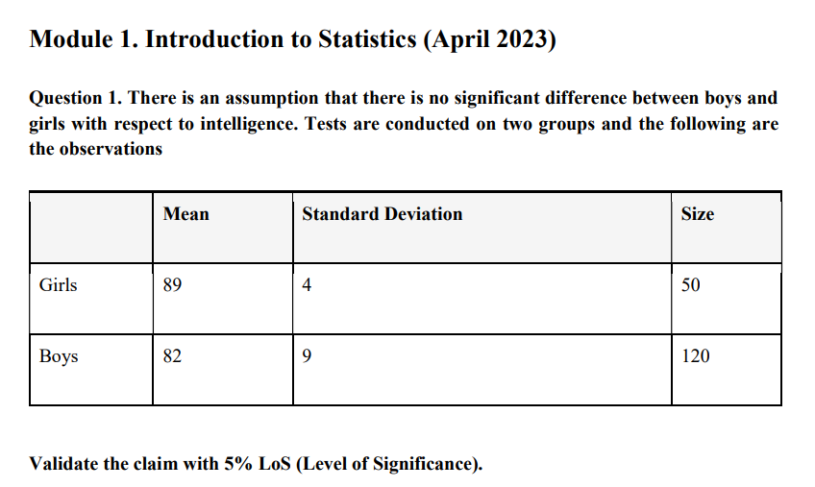
Null Hypothesis : There is no significant difference between the intelligence of boys and girls.
Alternative Hypothesis : There is a significant difference between the intelligence of boys and girls.

Here wer are using two tail test.
x̄1 | 89 | s1 | 4 | n1 | 50
x̄2 | 82 | s2 | 9 | n2 | 120

Calculate the t test :- | t = (x̄1 - x̄2)/(s1^2/n1)+(s2^2/n2)
 | value of t = | 7.0351758794

Calculate the Degree of Freedom | Df | (s1^2/n1) + (s2^2/n2 ) /((s1^2/n1)^2 /n1-1 + (s2^2/n2)^2/n2-1) |  |  |  | 168.11472209 | or | df = n1+n2-2
 | (s1^2/n1) + (s2^2/n2 ) |  | 0.995
 | (s1^2/n1)^2 /(n1-1) |  | 0.0020897959184
 | (s2^2/n2)^2/n2-1) |  | 0.0038287815126

Calculate the P value | 4.8113301385E-11

Compare t-value with Critical Value

Calculated t = 7.035176
Critical value = 1.97
t is greater than critical value so here we are reject the null hypothesis

insights
At 5% level of significance, we reject H0H_0H0​ and conclude that there is a significant difference between the intelligence of boys and girls.

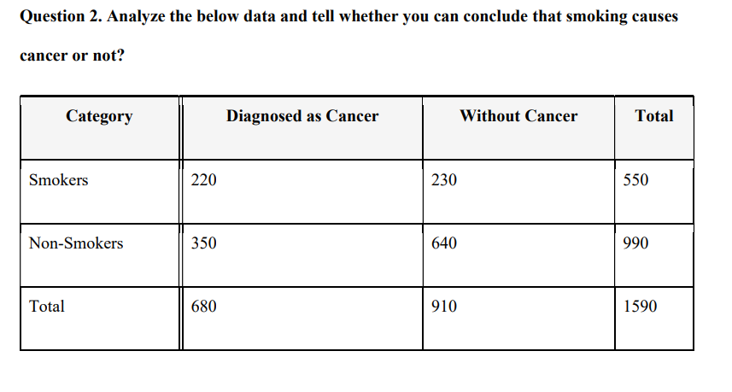
 | Assuem level of significant is 0.05 because here is no given any significant level
 | calulate the expected |  | row toral *column total / grand total
 |  |  |  | Smoker | Non_smoker
 | Diagnosed as Cancer expected |  |  | 235.22012579 | 423.39622642
 | Without Cancer expected |  |  | 314.77987421 | 566.60377358

 | Calculate the Chi square Statistics |  |  | Χ² = Σ [ (O_i – E_i)² / E_i ]

 | Χ² | chi squared
 | O_i | observed value
 | E_i | expected value

 | For Smokers (Diagnosed as Cancer) |  |  | 0.98483166852

 | For Smokers (Without Cancer) |  |  | 22.833820268

 | For Non-Smokers (Diagnosed as Cancer) |  |  | 12.723320889

 | For Non-Smokers (Without Cancer) |  |  | 9.5075364887

 | sum of all the values |  |  | 46.049509314

 | chi square test is |  | 46.04951

Calculate the degree of freedom (df) | (Rows - 1) × (Columns - 1) = (2-1) × (2-1) = 1
Value of P is |  | 0.0020462969911

Comparision | here is P value is < 0.05 so here we are reject null hypotheiss(H0)

insights
The null hypothesis assumes that smoking and cancer are not related. However, since the p-value is less than 0.05, we reject the null hypothesis. This means there is a significant association between smoking and cancer, but it does not confirm smoking as the sole cause.

