ProdCategory_Assumption_Revenue
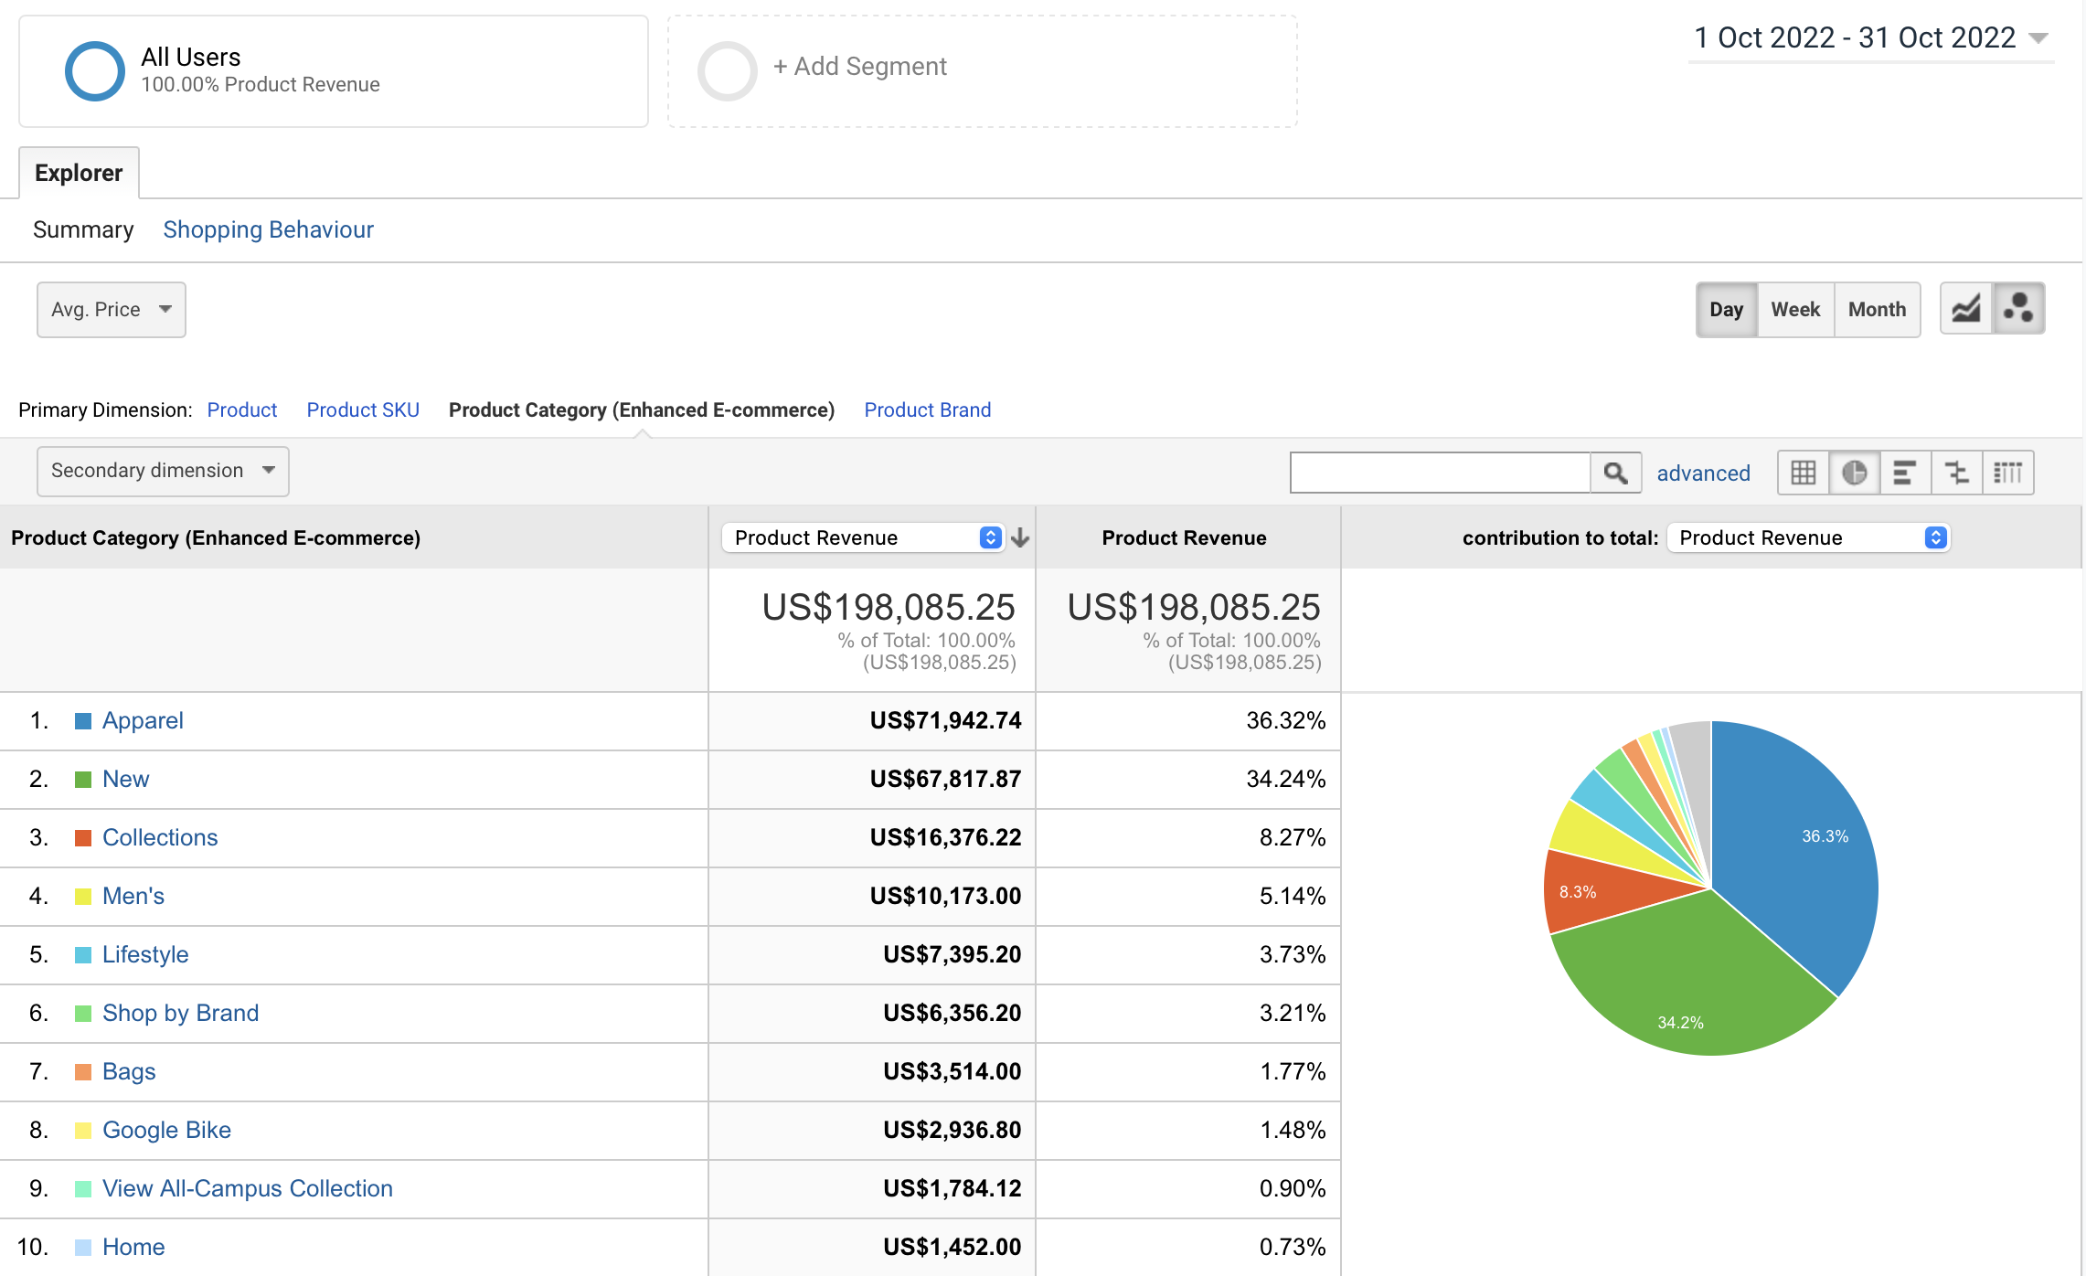
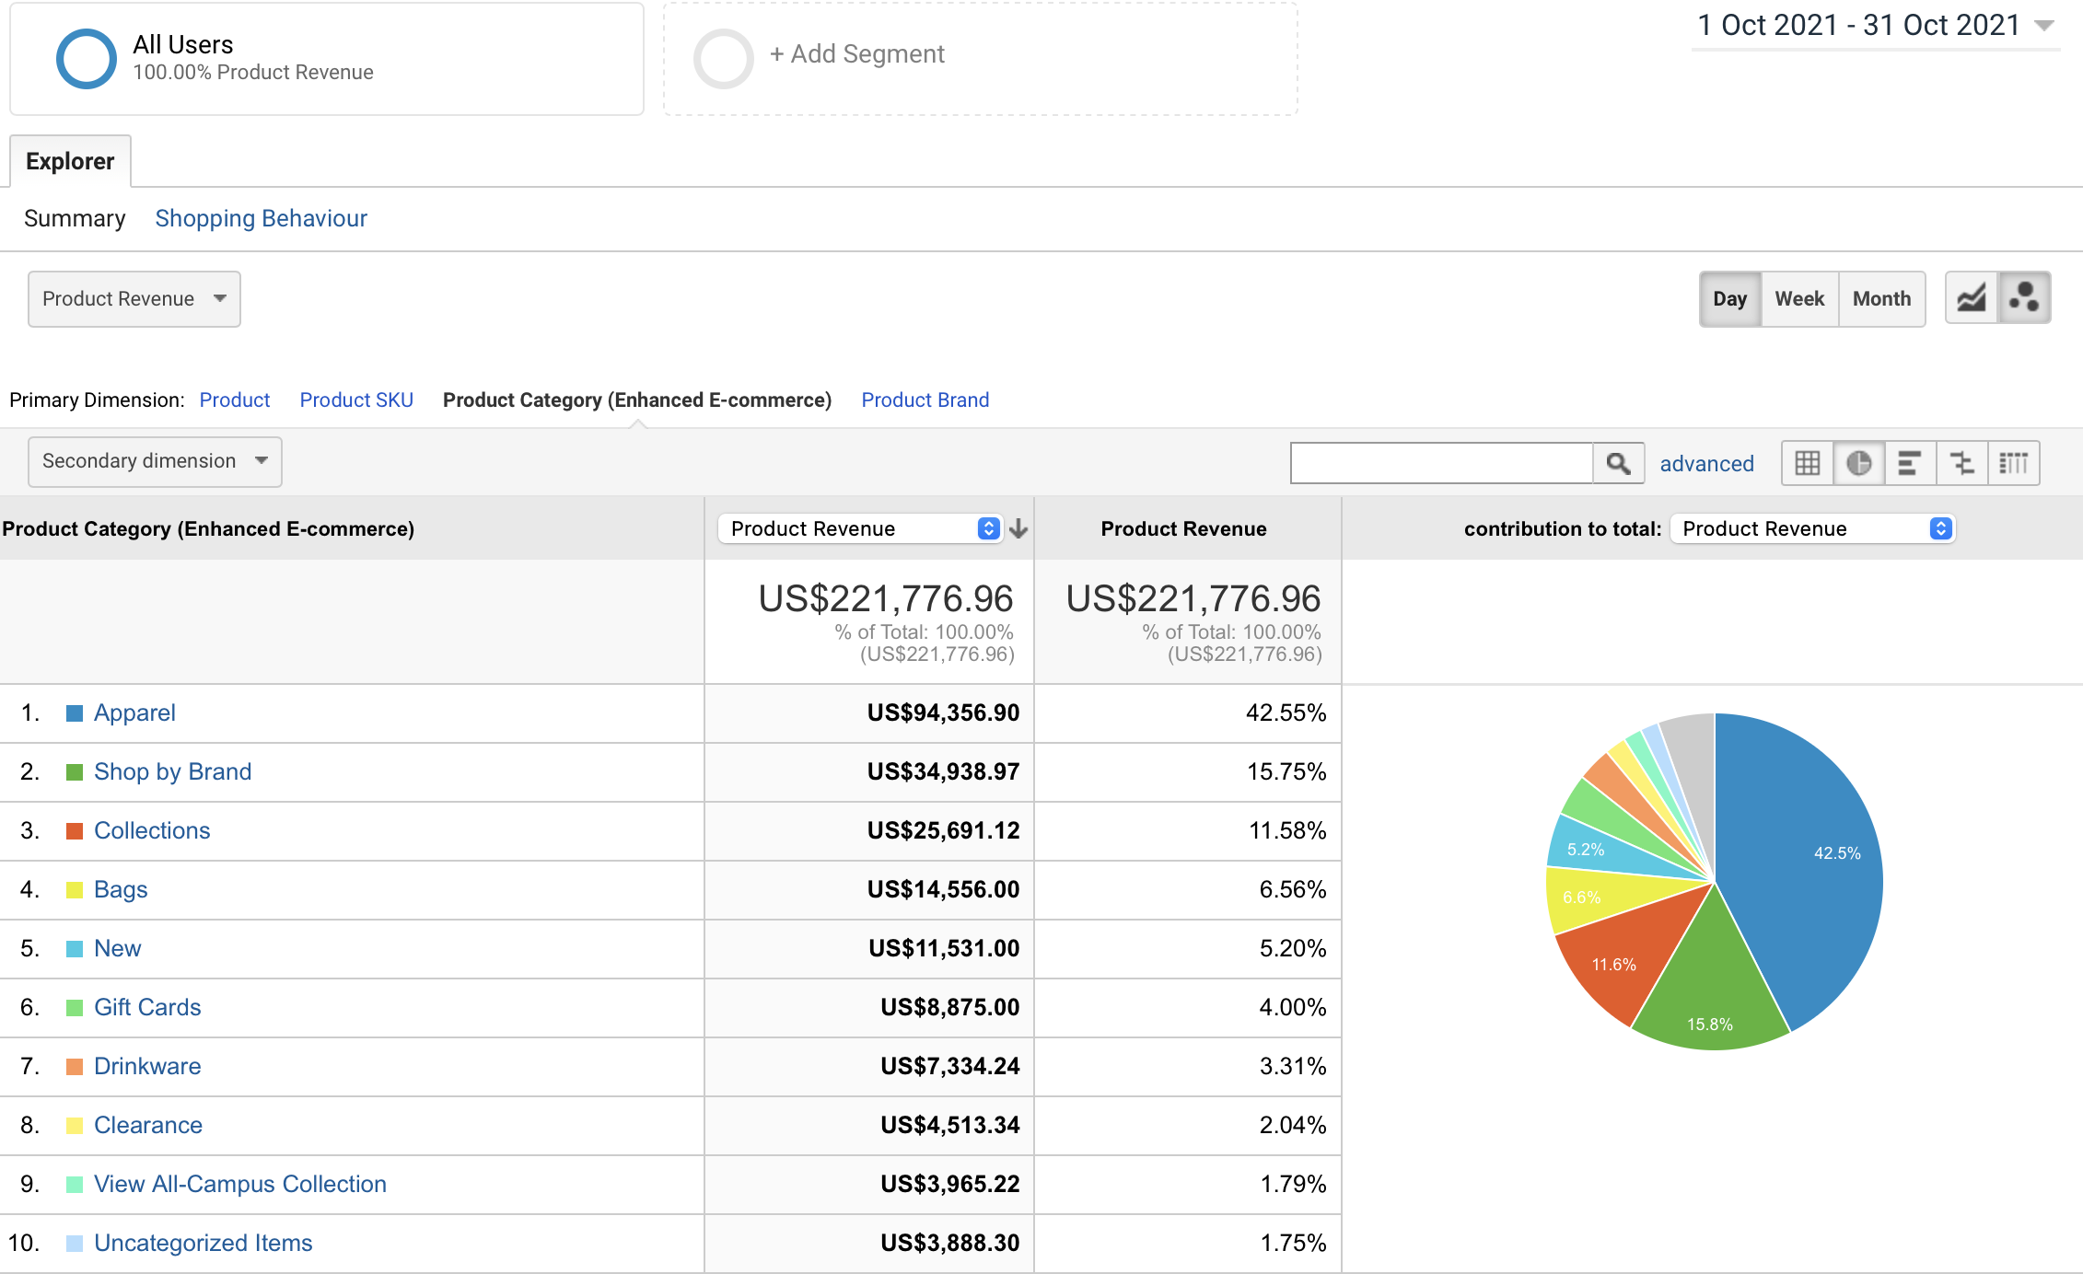
 | Oct-21 |  |  |  | Oct-22
Product Category - GA | Product Category - Walmart | Product Revenue | Product Revenue | Product Category - GA | Product Category - Walmart | Product Revenue | Product Revenue
Apparel | Electronics | 94356.90 | 42.55% | Apparel | Electronics | 71942.74 | 36.32%
Shop by Brand | Groceries | 34938.97 | 15.75% | New | Groceries | 67817.87 | 34.24%
Collections | Apparel and Fashion | 25691.12 | 11.58% | Collections | Apparel and Fashion | 16376.22 | 8.27%
Bags | Home and Household Essentials | 14556.00 | 6.56% | Men's | Home and Household Essentials | 10173 | 5.14%
New | Health and Wellness | 11531.00 | 5.20% | Lifestyle | Health and Wellness | 7395.2 | 3.73%
Gift Cards | Toys and Games | 8875.00 | 4.00% | Shop by Brand | Toys and Games | 6356.2 | 3.21%
Drinkware | Automotive and Hardware | 7334.24 | 3.31% | Bags | Automotive and Hardware | 3514 | 1.77%
Clearance | Outdoor and Sporting Goods | 4513.34 | 2.04% | Google Bike | Outdoor and Sporting Goods | 2936.8 | 1.48%
View All-Campus Collection | Stationery and Office Supplies | 3965.22 | 1.79% | View All-Campus Collection | Stationery and Office Supplies | 1784.12 | 0.90%
Uncategorized Items | Other | 3888.30 | 1.75% | Home | Other | 1452 | 0.73%
 |  | 221776.96 |  |  |  | 198085.25

Oct-21
Oct-22

