Лист1
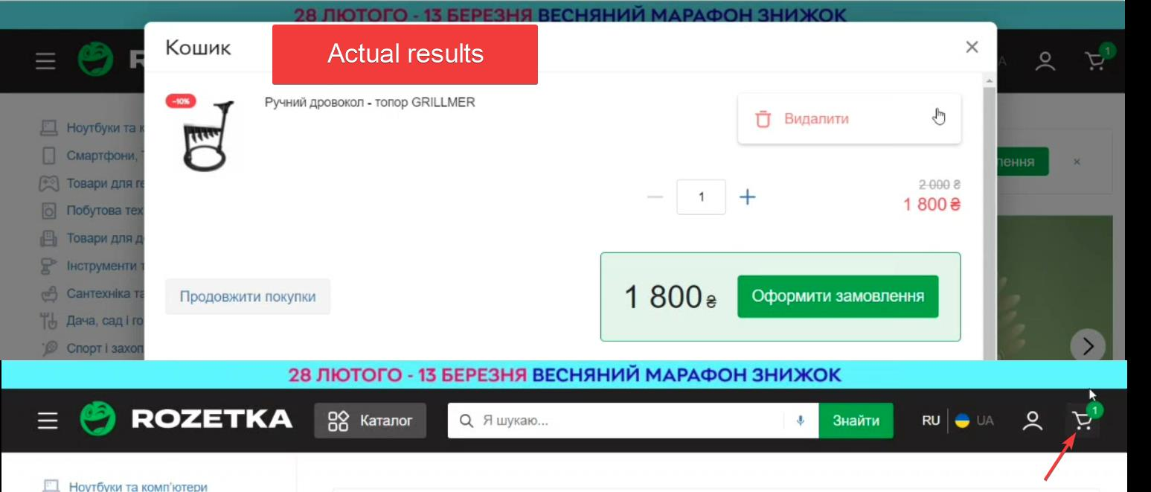
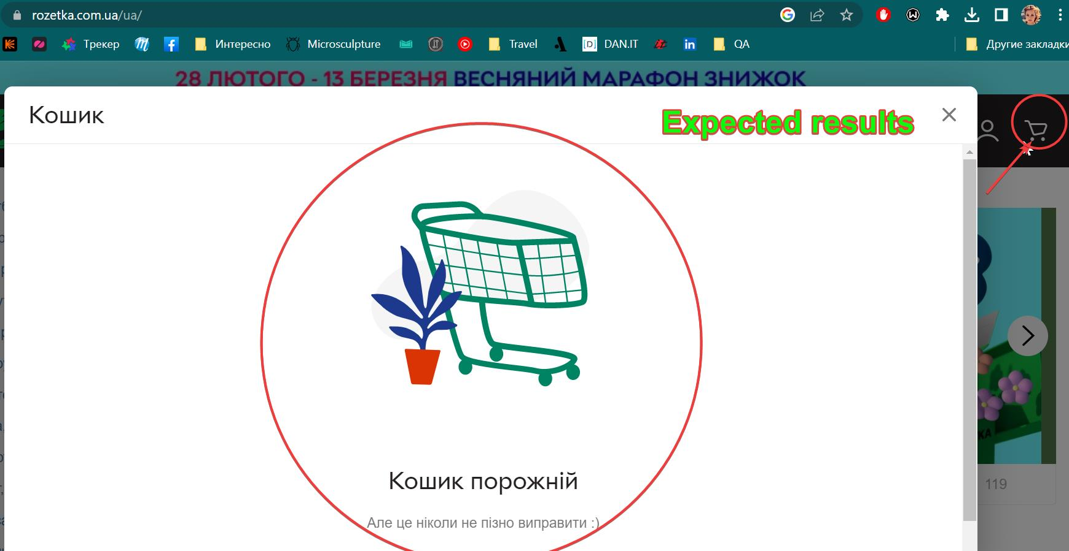
Identifier | Summary |  | Description |  | Steps to reproduse
Bug_Cart_001 | Item not delete from cart |  | Item not delete from cart after deleting |  | 1) "Open https://rozetka.com.ua/ua/"; 2) In seach line find product "Ручний дровокол -топор GRILLMER": 3) Find the product "Ручний дровокол -топор GRILLMER" and click add to cart; 4) Click "Cart" in left upper corner of the screen; 5) Click three dots in left upper corner of the product Choose "Видалити" ; 6) Click "Видалити" Expected results: The cart empty (no item in it) Will be massege in cart "Кошик порожній Але це ніколи не пізно виправити :)". Actual results: Item still in cart.

Reprodusibillity | Severity | Priority | Symptom | Workaround | Comments | Attachments
 | Trivial | low |  |  |  | BELOW

