Missing Rows
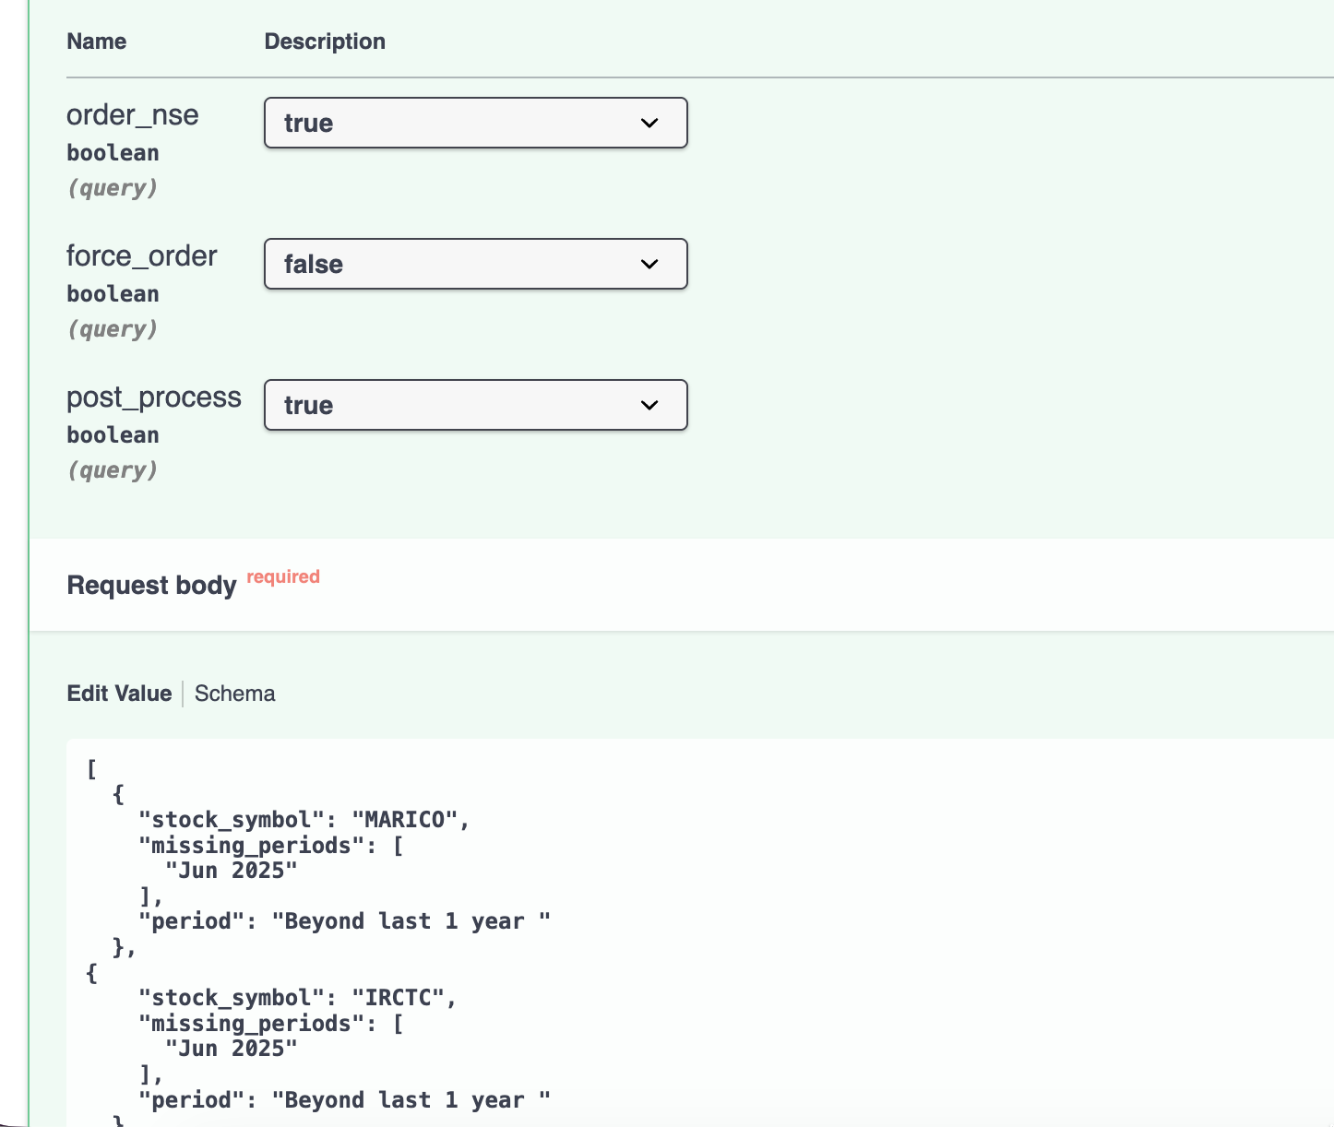
Sr. No. | SQL | Period | Statement | Results | Missing Q XBRL
1 | WITH bounds AS ( SELECT stock_symbol, MIN(timestamp) AS min_ts, MAX(timestamp) AS max_ts FROM profit_losses WHERE period = 'Quarterly' AND consolidated_json IS NOT NULL GROUP BY stock_symbol ), start_end AS ( SELECT stock_symbol, GREATEST(MIN(timestamp), 202201231) AS start_ts, MAX(timestamp) AS end_ts FROM profit_losses WHERE period = 'Quarterly' GROUP BY stock_symbol ), years AS ( SELECT stock_symbol, SUBSTRING(start_ts::TEXT, 1, 4)::INT AS start_year, SUBSTRING(end_ts::TEXT, 1, 4)::INT AS end_year, start_ts, end_ts FROM start_end ), expected AS ( SELECT y.stock_symbol, (yr || q.suffix)::BIGINT AS expected_ts FROM years y CROSS JOIN LATERAL generate_series(y.start_year, y.end_year) yr CROSS JOIN ( VALUES ('00331'), ('00630'), ('00930'), ('01231') ) AS q(suffix) WHERE (yr || q.suffix)::BIGINT >= y.start_ts AND (yr || q.suffix)::BIGINT <= y.end_ts ), missing AS ( SELECT e.stock_symbol, e.expected_ts FROM expected e LEFT JOIN profit_losses p ON p.stock_symbol = e.stock_symbol AND p.timestamp = e.expected_ts WHERE p.timestamp IS NULL ) SELECT m.stock_symbol, CASE RIGHT(m.expected_ts::TEXT, 4) WHEN '0331' THEN 'Mar ' || LEFT(m.expected_ts::TEXT, 4) WHEN '0630' THEN 'Jun ' || LEFT(m.expected_ts::TEXT, 4) WHEN '0930' THEN 'Sep ' || LEFT(m.expected_ts::TEXT, 4) WHEN '1231' THEN 'Dec ' || LEFT(m.expected_ts::TEXT, 4) END AS formatted_period, cp.market_cap, cp.industry, CASE WHEN LEFT(m.expected_ts::TEXT, 4)::INT >= 2023 THEN 'Y' ELSE 'N' END AS active_quarter FROM missing m LEFT JOIN company_profiles cp ON cp.stock_symbol = m.stock_symbol WHERE cp.industry IS DISTINCT FROM 'Insurance' and cp.active = 'true' O | Quarterly | P&L | 324 20 with MC > 1000 | SELECT cp.stock_symbol, cp.market_cap, q.xbrl_id AS quarterly_xbrl_id, q.period AS quarterly_period, q.to_date AS quarterly_to_date, q.bse_standalone_xbrl_url AS bse_quarterly_xbrl_url, q.nse_standalone_xbrl_url AS nse_quarterly_xbrl_url, a.period AS annual_period, a.to_date AS annual_to_date, a.bse_standalone_xbrl_url AS annual_xbrl_url FROM utils.company_exchange_xbrls q JOIN utils.company_exchange_xbrls a ON q.stock_symbol = a.stock_symbol AND TO_DATE(q.to_date, 'DD-MON-YYYY') = TO_DATE(a.to_date, 'DD-MON-YYYY') JOIN company_profiles cp ON cp.stock_symbol = q.stock_symbol AND cp.industry <> 'Insurance' WHERE q.period = 'Quarterly' AND (q.bse_standalone_xbrl_url IS NULL OR q.bse_standalone_xbrl_url = '') AND TO_DATE(q.to_date, 'DD-MON-YYYY') BETWEEN DATE '2018-01-01' AND DATE '2025-12-31' AND a.period = 'Annual' AND a.bse_standalone_xbrl_url IS NOT NULL AND a.bse_standalone_xbrl_url <> '' AND NOT EXISTS ( SELECT 1 FROM profit_losses pl WHERE pl.stock_symbol = q.stock_symbol AND date_trunc( 'month', TO_DATE(pl.date_header, 'MON-YYYY') ) = date_trunc( 'month', TO_DATE(q.to_date, 'DD-MON-YYYY') ) AND pl.standalone_json IS NOT NULL AND pl.standalone_json <> '{}'::jsonb AND pl.standalone_json <> '[]'::jsonb AND period = 'Quarterly' AND date_header <> 'TTM' ) ORDER BY cp.market_cap DESC;
2 | WITH start_end AS ( SELECT stock_symbol, RIGHT(MIN(timestamp)::TEXT, 5) AS start_suffix, RIGHT(MAX(timestamp)::TEXT, 5) AS end_suffix, MIN(timestamp) AS start_ts, MAX(timestamp) AS end_ts FROM profit_losses WHERE period = 'Annual' and standalone_json IS NOT NULL GROUP BY stock_symbol ), years AS ( SELECT stock_symbol, start_suffix, end_suffix, SUBSTRING(start_ts::TEXT, 1, 4)::INT AS start_year, SUBSTRING(end_ts::TEXT, 1, 4)::INT AS end_year, start_ts, end_ts FROM start_end ), expected AS ( SELECT y.stock_symbol, (yr || y.start_suffix)::BIGINT AS expected_ts FROM years y CROSS JOIN LATERAL generate_series(y.start_year, y.end_year) yr WHERE (yr || y.start_suffix)::BIGINT BETWEEN y.start_ts AND y.end_ts ), missing AS ( SELECT e.stock_symbol, e.expected_ts FROM expected e LEFT JOIN profit_losses p ON p.stock_symbol = e.stock_symbol AND p.timestamp = e.expected_ts AND p.period = 'Annual' WHERE p.timestamp IS NULL ) SELECT m.stock_symbol, CASE RIGHT(m.expected_ts::TEXT, 4) WHEN '0331' THEN 'Mar ' || LEFT(m.expected_ts::TEXT, 4) WHEN '0630' THEN 'Jun ' || LEFT(m.expected_ts::TEXT, 4) WHEN '0930' THEN 'Sep ' || LEFT(m.expected_ts::TEXT, 4) WHEN '1231' THEN 'Dec ' || LEFT(m.expected_ts::TEXT, 4) ELSE LEFT(m.expected_ts::TEXT, 4) || '-' || RIGHT(m.expected_ts::TEXT, 4) -- fallback END AS formatted_period, cp.market_cap,cp.industry, CASE WHEN y.start_suffix <> y.end_suffix THEN 'Change in Reporting Period' ELSE 'Consistent' END AS reporting_status FROM missing m JOIN years y ON m.stock_symbol = y.stock_symbol LEFT JOIN company_profiles cp ON cp.stock_symbol = m.stock_symbol where cp.industry IS DISTINCT FROM 'Insurance' and cp.active | Annual | P&L | 501 23 with MC > 1000
3 | WITH start_end AS ( SELECT stock_symbol, RIGHT(MIN(timestamp)::TEXT, 5) AS start_suffix, RIGHT(MAX(timestamp)::TEXT, 5) AS end_suffix, MIN(timestamp) AS start_ts, MAX(timestamp) AS end_ts FROM balance_sheets WHERE period = 'Annual' and standalone_json IS NOT NULL GROUP BY stock_symbol ), years AS ( SELECT stock_symbol, start_suffix, end_suffix, SUBSTRING(start_ts::TEXT, 1, 4)::INT AS start_year, SUBSTRING(end_ts::TEXT, 1, 4)::INT AS end_year, start_ts, end_ts FROM start_end ), expected AS ( SELECT y.stock_symbol, (yr || y.start_suffix)::BIGINT AS expected_ts FROM years y CROSS JOIN LATERAL generate_series(y.start_year, y.end_year) yr WHERE (yr || y.start_suffix)::BIGINT BETWEEN y.start_ts AND y.end_ts ), missing AS ( SELECT e.stock_symbol, e.expected_ts FROM expected e LEFT JOIN balance_sheets p ON p.stock_symbol = e.stock_symbol AND p.timestamp = e.expected_ts AND p.period = 'Annual' WHERE p.timestamp IS NULL ) SELECT m.stock_symbol, CASE RIGHT(m.expected_ts::TEXT, 4) WHEN '0331' THEN 'Mar ' || LEFT(m.expected_ts::TEXT, 4) WHEN '0630' THEN 'Jun ' || LEFT(m.expected_ts::TEXT, 4) WHEN '0930' THEN 'Sep ' || LEFT(m.expected_ts::TEXT, 4) WHEN '1231' THEN 'Dec ' || LEFT(m.expected_ts::TEXT, 4) ELSE LEFT(m.expected_ts::TEXT, 4) || '-' || RIGHT(m.expected_ts::TEXT, 4) -- fallback END AS formatted_period, cp.market_cap, CASE WHEN y.start_suffix <> y.end_suffix THEN 'Change in Reporting Period' ELSE 'Consistent' END AS reporting_status FROM missing m JOIN years y ON m.stock_symbol = y.stock_symbol LEFT JOIN company_profiles cp ON cp.stock_symbol = m.stock_symbol where cp.industry <> 'Insurance' and cp.active = 'true' ORDER BY cp.mar | Annual | BS - Standalone Make changes for consolidated | 408 14 with MC > 1000
4 | WITH start_end AS ( SELECT stock_symbol, RIGHT(MIN(timestamp)::TEXT, 5) AS start_suffix, RIGHT(MAX(timestamp)::TEXT, 5) AS end_suffix, MIN(timestamp) AS start_ts, MAX(timestamp) AS end_ts FROM cash_flows WHERE period = 'Annual' and consolidated_json IS NOT NULL and COALESCE((consolidated_json ->> 'CashFlowsFromUsedInFinancingActivities')::NUMERIC, 0) <> '0' GROUP BY stock_symbol ), years AS ( SELECT stock_symbol, start_suffix, end_suffix, SUBSTRING(start_ts::TEXT, 1, 4)::INT AS start_year, SUBSTRING(end_ts::TEXT, 1, 4)::INT AS end_year, start_ts, end_ts FROM start_end ), expected AS ( SELECT y.stock_symbol, (yr || y.start_suffix)::BIGINT AS expected_ts FROM years y CROSS JOIN LATERAL generate_series(y.start_year, y.end_year) yr WHERE (yr || y.start_suffix)::BIGINT BETWEEN y.start_ts AND y.end_ts ), missing AS ( SELECT e.stock_symbol, e.expected_ts FROM expected e LEFT JOIN cash_flows p ON p.stock_symbol = e.stock_symbol AND p.timestamp = e.expected_ts AND p.period = 'Annual' WHERE p.timestamp IS NULL ) SELECT m.stock_symbol, CASE RIGHT(m.expected_ts::TEXT, 4) WHEN '0331' THEN 'Mar ' || LEFT(m.expected_ts::TEXT, 4) WHEN '0630' THEN 'Jun ' || LEFT(m.expected_ts::TEXT, 4) WHEN '0930' THEN 'Sep ' || LEFT(m.expected_ts::TEXT, 4) WHEN '1231' THEN 'Dec ' || LEFT(m.expected_ts::TEXT, 4) ELSE LEFT(m.expected_ts::TEXT, 4) || '-' || RIGHT(m.expected_ts::TEXT, 4) -- fallback END AS formatted_period, cp.market_cap, cp.industry, CASE WHEN y.start_suffix <> y.end_suffix THEN 'Change in Reporting Period' ELSE 'Consistent' END AS reporting_status FROM missing m JOIN years y ON m.stock_symbol = y.stock_symbol LEFT JOIN company_profiles cp ON | Annual | CF | 23 1 with MC > 1000
5 | WITH all_dates AS ( SELECT DISTINCT to_date, stock_symbol FROM ( SELECT to_date, stock_symbol FROM profit_losses WHERE period = 'Annual' AND to_date >= '2023-03-31' UNION SELECT to_date, stock_symbol FROM balance_sheets WHERE period = 'Annual' AND to_date >= '2023-03-31' UNION SELECT to_date, stock_symbol FROM cash_flows WHERE period = 'Annual' AND to_date >= '2023-03-31' ) combined ), table_presence AS ( SELECT ad.to_date, ad.stock_symbol, CASE WHEN pl.to_date IS NOT NULL THEN 'Present' ELSE 'Missing' END as profit_losses, CASE WHEN bs.to_date IS NOT NULL THEN 'Present' ELSE 'Missing' END as balance_sheets, CASE WHEN cf.to_date IS NOT NULL THEN 'Present' ELSE 'Missing' END as cash_flows, (CASE WHEN pl.to_date IS NOT NULL THEN 1 ELSE 0 END + CASE WHEN bs.to_date IS NOT NULL THEN 1 ELSE 0 END + CASE WHEN cf.to_date IS NOT NULL THEN 1 ELSE 0 END) as present_count FROM all_dates ad LEFT JOIN profit_losses pl ON TO_CHAR(ad.to_date, 'YYYY-MM-DD') = TO_CHAR(pl.to_date, 'YYYY-MM-DD') AND ad.stock_symbol = pl.stock_symbol AND pl.period = 'Annual' LEFT JOIN balance_sheets bs ON TO_CHAR(ad.to_date, 'YYYY-MM-DD') = TO_CHAR(bs.to_date, 'YYYY-MM-DD') AND ad.stock_symbol = bs.stock_symbol AND bs.period = 'Annual' LEFT JOIN cash_flows cf ON TO_CHAR(ad.to_date, 'YYYY-MM-DD') = TO_CHAR(cf.to_date, 'YYYY-MM-DD') AND ad.stock_symbol = cf.stock_symbol AND cf.period = 'Annual' ) SELECT tp.stock_symbol, TO_CHAR(tp.to_date, 'YYYY-MM-DD') AS date_header, 'Annual' AS period, cp.market_cap, cp.industry, cp.consolidated_ind, tp.profit_losses, tp.balance_sheets, tp.cash_flows, x.xbrl_id, x.n | Annual | Find all unique to_date and stock_symbol combinations >= 2023-03-31 with period = Annual across all three tables | 122
6 | SELECT bs.*, pl.* FROM balance_sheets bs JOIN profit_losses pl ON bs.stock_symbol = pl.stock_symbol AND bs.date_header = pl.date_header WHERE bs.period = 'Quarterly' AND bs.ttm_indicator = 'False' AND bs.date_header ILIKE 'Mar%' AND bs.period = 'Annual'; | Annual | Validation sql | 0
7 | SELECT cp.stock_symbol, cp.company_name, cp.market_cap FROM company_profiles cp WHERE NOT EXISTS ( SELECT 1 FROM profit_losses pl WHERE pl.stock_symbol = cp.stock_symbol AND pl.period = 'Quarterly' AND pl.date_header = 'Jun 2025' ) and industry <> 'Insurance' and cp.active = 'true' and cp.quote_date > '12/01/2025' ORDER BY cp.market_cap DESC; | Quarterly | Waiting to update quarterly results | 533
8 | WITH expected_quarters AS ( SELECT 'Jun 2025' AS date_header --UNION ALL --SELECT 'Sep 2025' ) SELECT cp.stock_symbol, cp.market_cap, STRING_AGG(eq.date_header, ', ') AS missing_quarters, (cp.quote_date >= TIMESTAMPTZ '2025-12-01 15:30:00+00') AS active FROM company_profiles cp JOIN profit_losses pl_mar ON pl_mar.stock_symbol = cp.stock_symbol AND pl_mar.period = 'Quarterly' AND pl_mar.date_header = 'Mar 2025' LEFT JOIN expected_quarters eq ON NOT EXISTS ( SELECT 1 FROM profit_losses pl WHERE pl.stock_symbol = cp.stock_symbol AND pl.period = 'Quarterly' AND pl.date_header = eq.date_header ) WHERE cp.industry <> 'Insurance' GROUP BY cp.stock_symbol, cp.market_cap, cp.quote_date HAVING COUNT(eq.date_header) > 0 ORDER BY cp.market_cap DESC; | Quarterly | March is present but June is missing | 33
9 | SELECT cp.stock_symbol, cp.market_cap FROM company_profiles cp WHERE industry <> 'Insurance' AND EXISTS ( SELECT 1 FROM profit_losses pl WHERE pl.stock_symbol = cp.stock_symbol AND pl.period = 'Quarterly' AND pl.date_header = 'Mar 2025' ) AND NOT EXISTS ( SELECT 1 FROM profit_losses pl WHERE pl.stock_symbol = cp.stock_symbol AND pl.period = 'Quarterly' AND pl.date_header = 'Jun 2025' ) AND NOT EXISTS ( SELECT 1 FROM profit_losses pl WHERE pl.stock_symbol = cp.stock_symbol AND pl.period = 'Quarterly' AND pl.date_header = 'Sep 2025' ) ORDER BY cp.market_cap DESC; | Quarterly | March is present but June is missing. - Raw SQL need more udpate | 20
 | WITH expected_quarters AS ( SELECT 'Jun 2024' AS date_header UNION ALL SELECT 'Sep 2024' UNION ALL SELECT 'Dec 2024' UNION ALL SELECT 'Mar 2025' UNION ALL SELECT 'Jun 2025' UNION ALL SELECT 'Sep 2025' ) SELECT cp.stock_symbol, cp.market_cap, STRING_AGG(eq.date_header, ', ' ORDER BY eq.date_header) AS missing_quarters, (cp.quote_date >= TIMESTAMPTZ '2025-12-01 15:30:00+00') AS active FROM company_profiles cp JOIN profit_losses pl_mar ON pl_mar.stock_symbol = cp.stock_symbol AND pl_mar.period = 'Quarterly' AND pl_mar.date_header = 'Mar 2024' LEFT JOIN expected_quarters eq ON NOT EXISTS ( SELECT 1 FROM profit_losses pl WHERE pl.stock_symbol = cp.stock_symbol AND pl.period = 'Quarterly' AND pl.date_header = eq.date_header ) WHERE cp.industry <> 'Insurance' AND cp.quote_date >= TIMESTAMPTZ '2025-12-01 15:30:00+00' -- active = true GROUP BY cp.stock_symbol, cp.market_cap, cp.quote_date HAVING COUNT(eq.date_header) > 0 ORDER BY cp.market_cap DESC;
 | SELECT h.stock_symbol, h.period, h.from_date, h.to_date, cp.market_cap, cp.company_type FROM utils.company_exchange_xbrls h JOIN company_profiles cp ON cp.stock_symbol = h.stock_symbol WHERE h.period = 'Half Yearly' AND NOT EXISTS ( SELECT 1 FROM utils.company_exchange_xbrls q WHERE q.stock_symbol = h.stock_symbol AND q.period = 'Quarterly' AND to_date(q.to_date, 'DD-MON-YYYY') = to_date(h.to_date, 'DD-MON-YYYY') ) ORDER BY cp.market_cap DESC; |  | Half yearely records

