Farmer
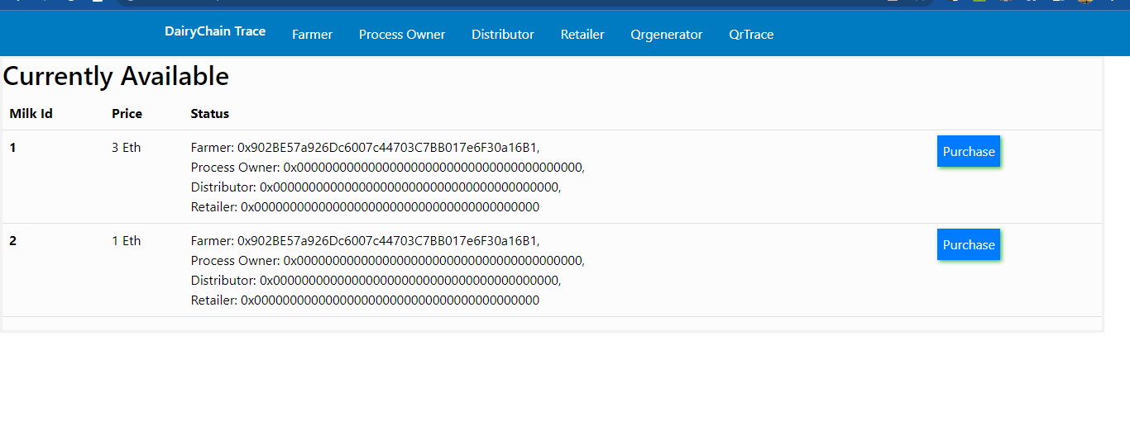
Testing

 | 1 | to test if Add details does not work if fields not filled

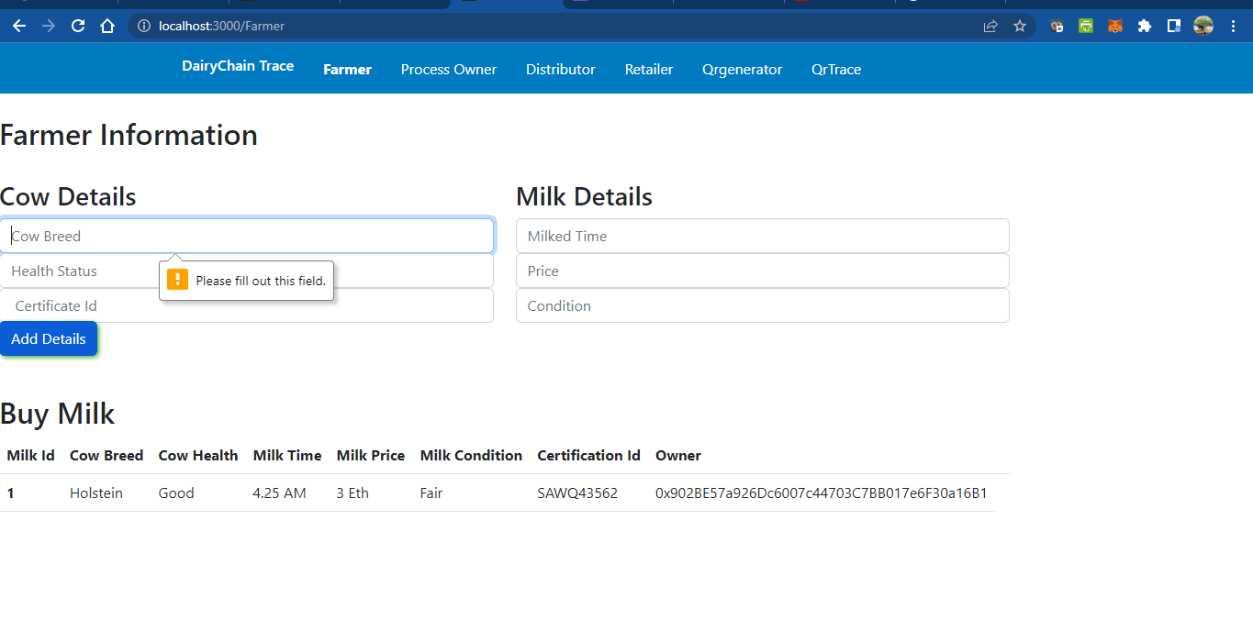

 | 2 | to check for woing of input fields

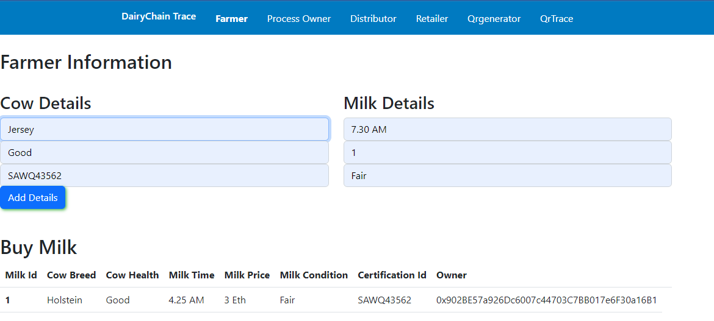

 | 3 | to check for working of metamask
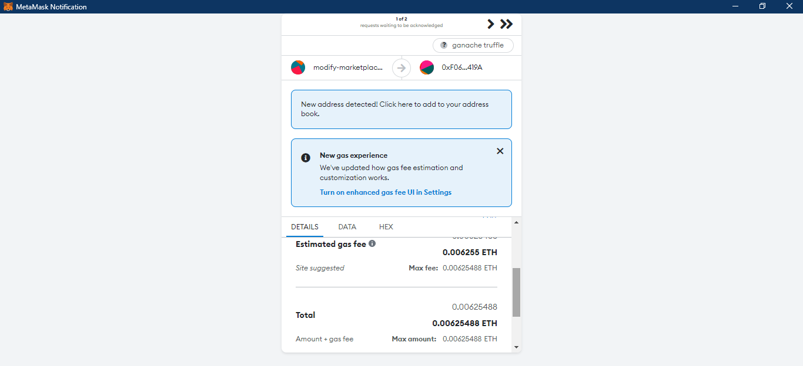

 | 4 | Added details gets updated to the table vales

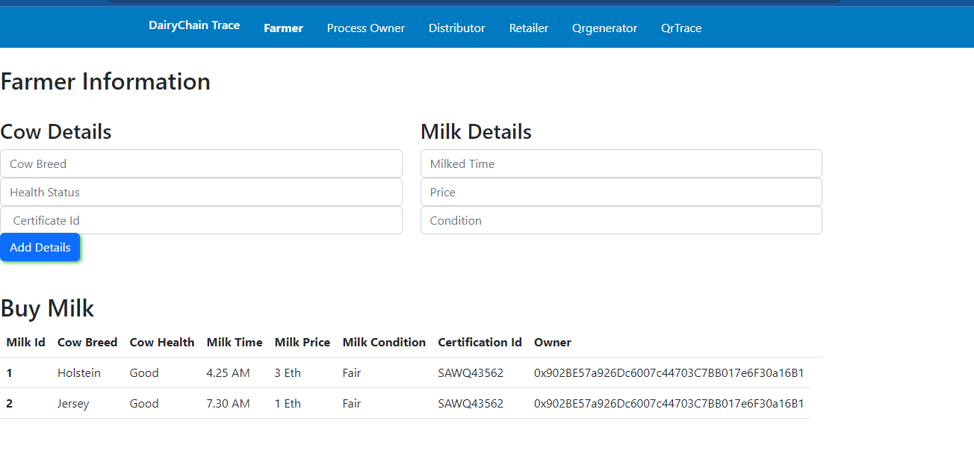

 | 5 | Check if added milk details is reflected in purchase page

