Macro Intro
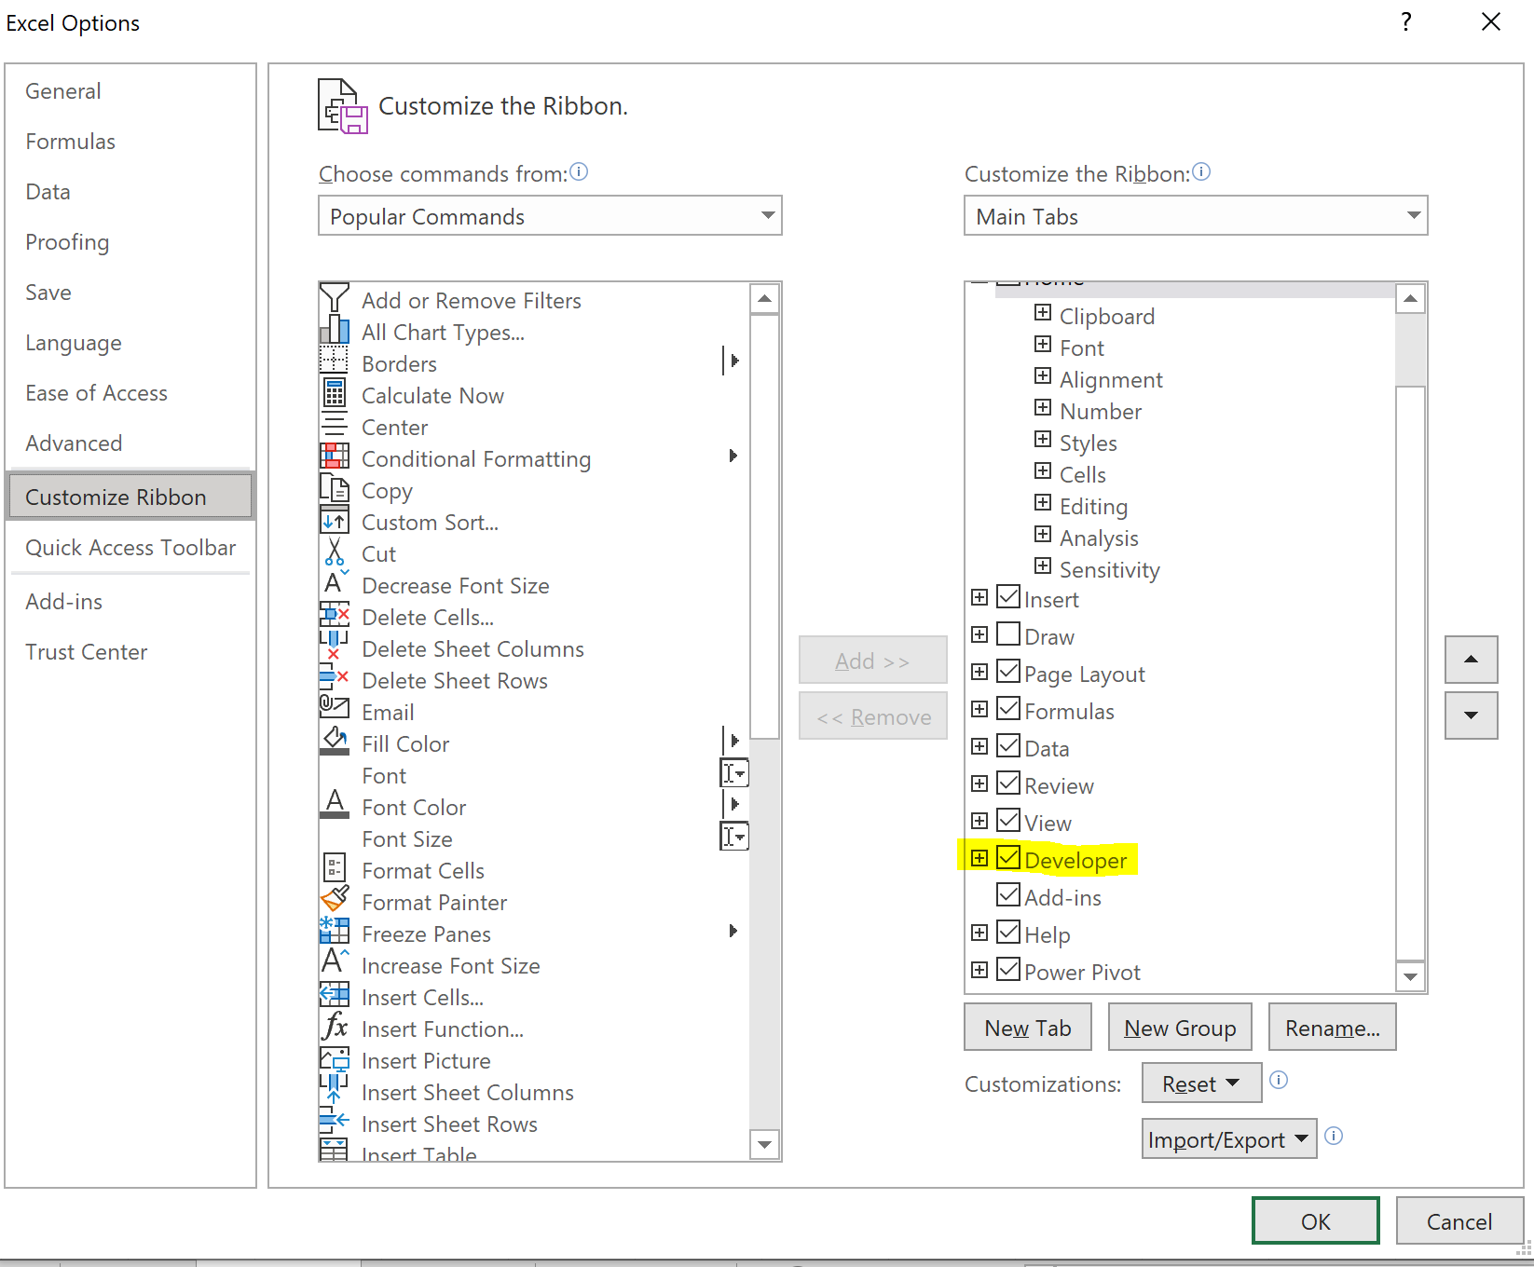
What is a macro?
A tool that Excel uses to record user actions/commands.

When is it useful?
When you want to quickly repeat a step or series of steps.
For example, to clean up a messy worksheet that you receive every day.

Prerequisite:
Turn on the Developer tab by customizing the ribbon.

Macro Setup
Nivithra r | Applying cell style 'Accent 1' runs several commands
Data Analyst
2024-11-14

Create a macro that places your signature in cell A1.
(Absolute reference)
Create macro that places your signature based on your selected cell.
(Relative reference)
 |  |  | Nivithra R
 |  |  | Data Analyst
 |  |  | 2024-11-14

 |  |  | Nivithra R
 |  |  | Data Analyst
 |  |  | 2024-11-14
 |  | Nivithra R
 |  | Data Analyst
 |  | 2024-11-14

VBA
VBA in a nutshell
 | You do not have to be well versed in the VBA language.
 | A good rule of thumb is this:
 |  | If something can be created with a macro, use a macro.
 | VBA usually becomes necessary when you want to perform commands based on logical conditions.
 |  | These logical conditions require conditional statements in the form of loops and sequences.

 | VBA is an Object-Oriented program
 |  | An object must be selected.
 |  | Once an Object is selected, you can apply various methods and assign various properties.

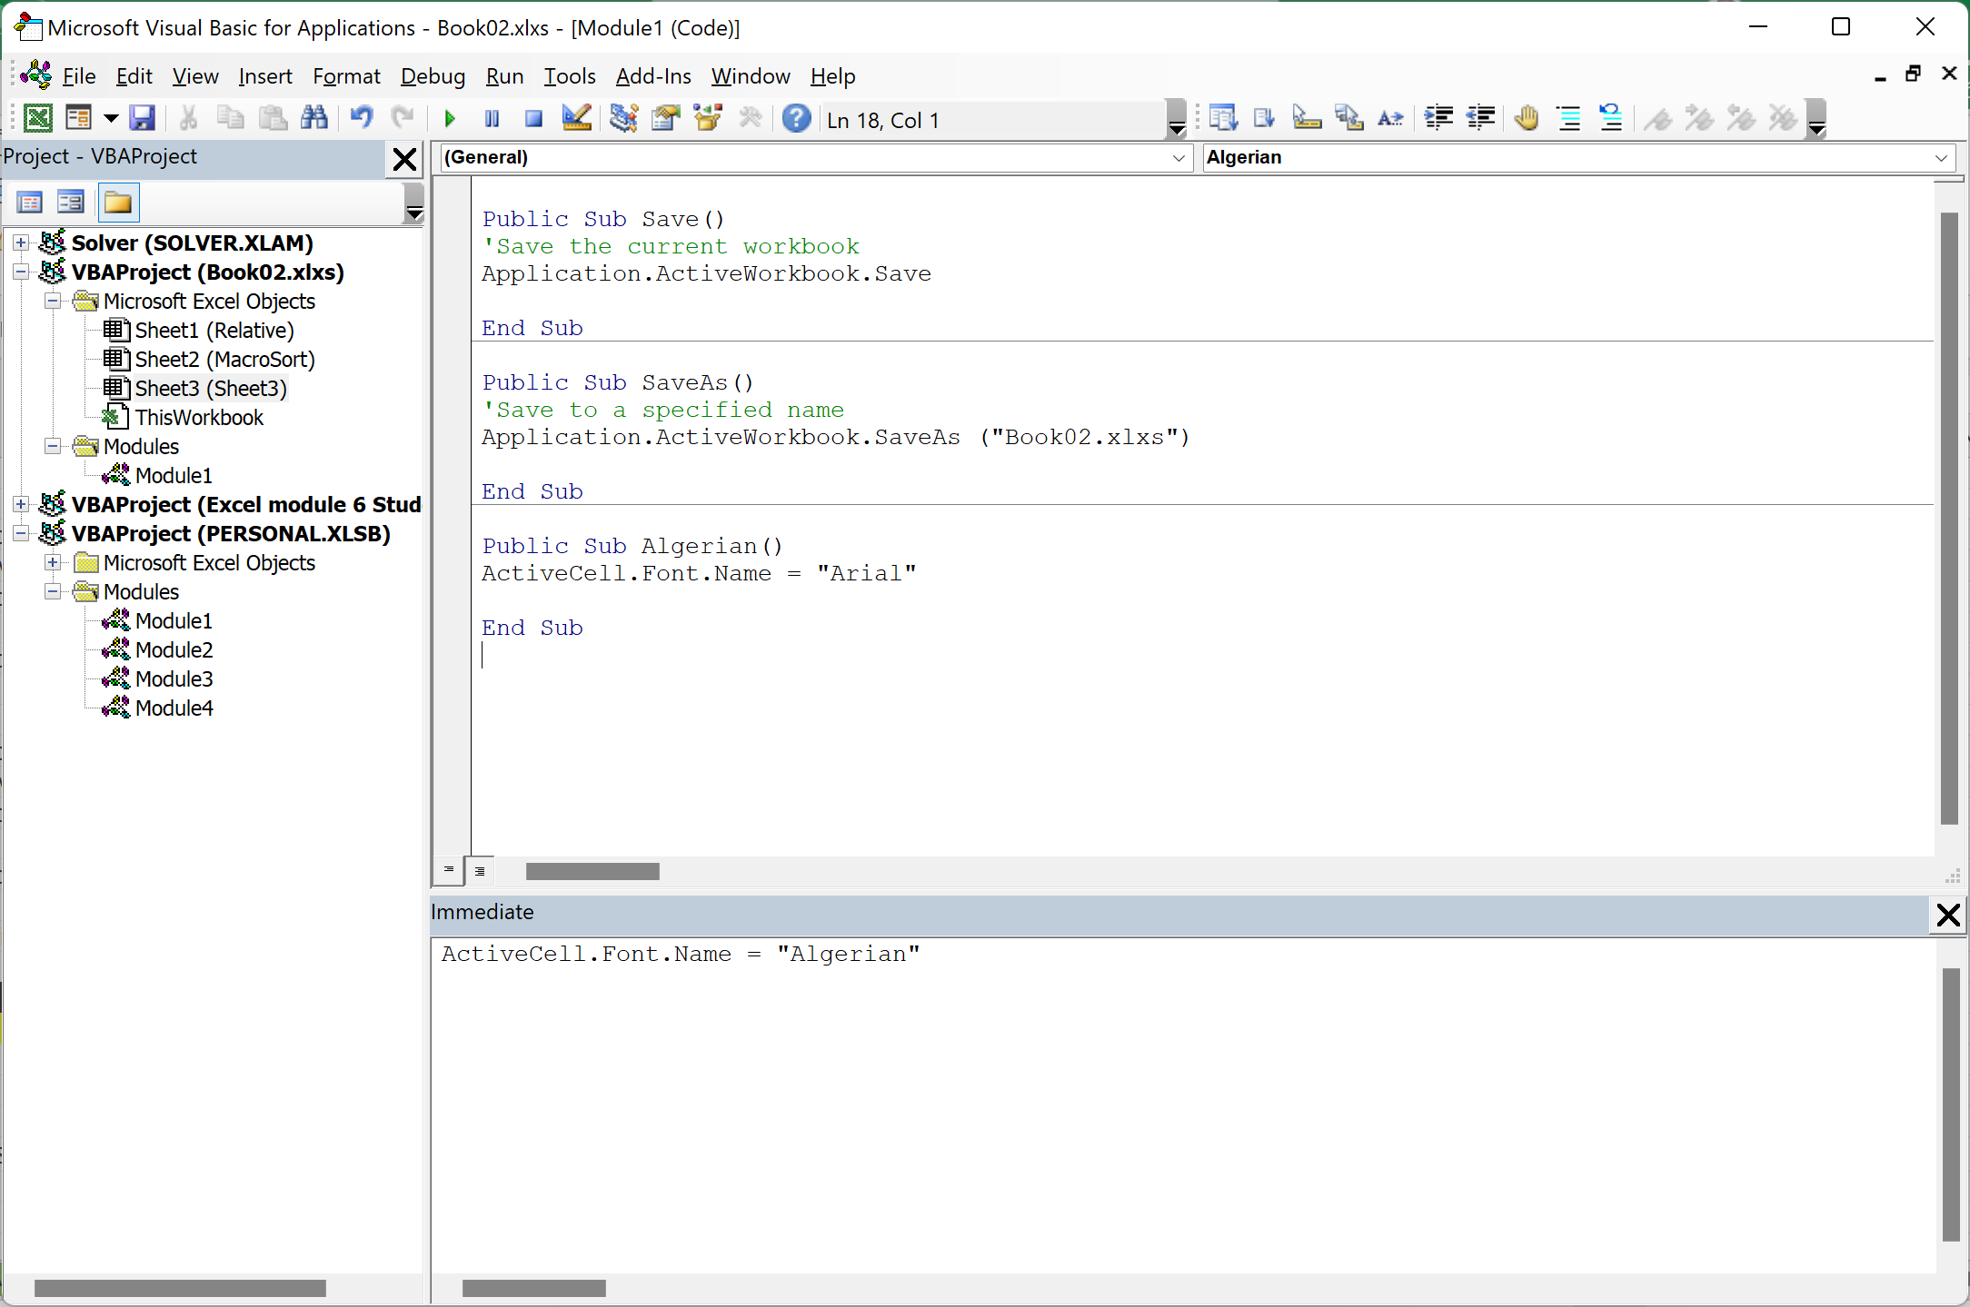

 | Try these codes

 | Public Sub Save()
 | 'Save the current workbook
 | Application.ActiveWorkbook.Save

 | End Sub

 | Public Sub SaveAs()
 | 'Save to a specified name
 | Application.ActiveWorkbook.SaveAs ("Book02.xlxs")

 | End Sub

 | ActiveCell.Font.Name = "Algerian"

