DL_BenchMarkYears
 |  |  |  | State.dbo.hzTract | hzTract = High (XX3), Bench Mark Code |  |  |  |  | hzTract = Moderate (XX2), Bench Mark Code |  |  |  | hzTract = Low (XX1), Bench Mark Code
StateFips | StateID | StateName | EorW | State Code Levels | PC | LC | MC | HC | HS | PC | LC | MC | HC | PC | LC | MC
2 | AK | Alaska | W | AK2 | 0 | 1940 | 1960 | 1973 | 2000 | 0 | 1940 | 1973 | 2000 | 0 | 1973 | 2000
4 | AZ | Arizona | W | AZ1, AZ2 | Examples |  |  |  |  | Examples |  |  |  | Examples
6 | CA | California | W | CA1, CA2, CA3 | MedYrBlt | BldgSchID | DesignLevel |  |  | MedYrBlt | BldgSchID | DesignLevel |  | MedYrBlt | BldgSchID | DesignLevel
8 | CO | Colorado | W | CO1 | 1912 | CA3 | PC |  |  | 1912 | CA2 | PC |  | 1912 | CA1 | PC
15 | HI | Hawaii | W | HI1, HI2 | 1940 | CA3 | LC |  |  | 1940 | CA2 | LC |  | 1940 | CA1 | PC
16 | ID | Idaho | W | ID1, ID2 | 1972 | CA3 | MC |  |  | 1972 | CA2 | LC |  | 1972 | CA1 | PC
30 | MT | Montana | W | MT1, MT2 | 1973 | CA3 | HC |  |  | 1973 | CA2 | MC |  | 1973 | CA1 | LC
32 | NV | Nevada | W | NV1, NV2, NV3 | 2010 | CA3 | HS |  |  | 2010 | CA2 | HC |  | 2010 | CA1 | MC
35 | NM | New Mexico | W | NM1, NM2
41 | OR | Oregon | W | OR1, OR2
49 | UT | Utah | W | UT1, UT2
53 | WA | Washington | W | WA1, WA2
56 | WY | Wyoming | W | WY1, WY2
60 | AS | American Samoa (TS Only) | W | update to AS1
66 | GU | Guam (TS Only) | W | update to GU1 |  | High, Medium and Low code hzTract is based on UBC Seismic Zone mapping (EQ Tech Manual Table 5.3):
69 | MP | Northern Mariana Islands(TS Only) | W | update to MP1
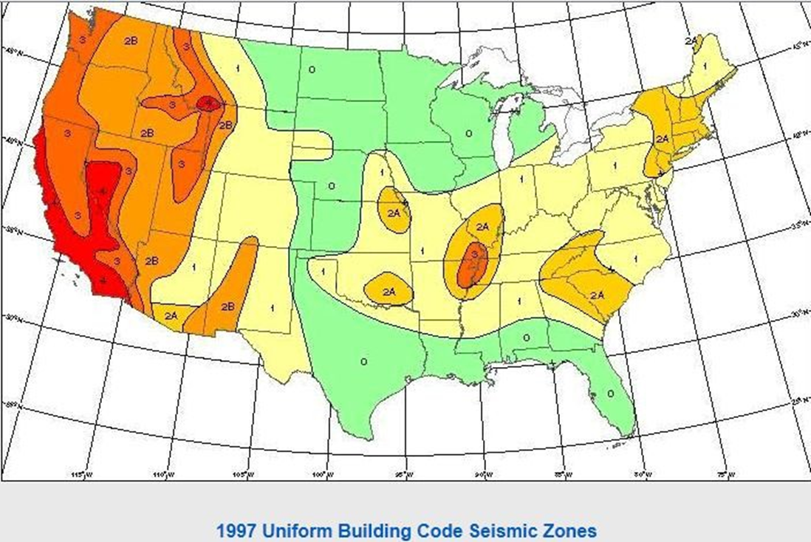
78 | VI | Virgin Islands US(TS Only) | W | update to VI1
1 | AL | Alabama | E | AL1
5 | AR | Arkansas | E | AR1, AR2
9 | CT | Connecticut | E | CT1
10 | DE | Delaware | E | DE1
11 | DC | District of Columbia | E | DC1
12 | FL | Florida | E | FL1
13 | GA | Georgia | E | GA1
17 | IL | Illinois | E | IL1
18 | IN | Indiana | E | IN1
19 | IA | Iowa | E | IA1
20 | KS | Kansas | E | KS1
21 | KY | Kentucky | E | KY1
22 | LA | Louisiana | E | LA1
23 | ME | Maine | E | ME1
24 | MD | Maryland | E | MD1
25 | MA | Massachusetts | E | MA1
26 | MI | Michigan | E | MI1
27 | MN | Minnesota | E | MN1
28 | MS | Mississippi | E | MS1
29 | MO | Missouri | E | MO1, MO2
31 | NE | Nebraska | E | NE1
33 | NH | New Hampshire | E | NH1
34 | NJ | New Jersey | E | NJ1
36 | NY | New York | E | NY1
37 | NC | North Carolina | E | NC1
38 | ND | North Dakota | E | ND1
39 | OH | Ohio | E | OH1
40 | OK | Oklahoma | E | OK1
42 | PA | Pennsylvania | E | PA1
44 | RI | Rhode Island | E | RI1
45 | SC | South Carolina | E | SC1
46 | SD | South Dakota | E | SD1
47 | TN | Tennessee | E | TN1, TN2
48 | TX | Texas | E | TX1
50 | VT | Vermont | E | VT1
51 | VA | Virginia | E | VA1
54 | WV | West Virginia | E | WV1
55 | WI | Wisconsin | E | WI1
72 | PR | Puerto Rico | E | PR2

