Sheet1
User story No. | Prioritise | user stories | Jiahao Guo | Comment | Minqi Zuo | Comment | Penelope Huang | Comment | Jianjian | Comment | Winter | Comment | User story points | Team Photos
46 | 1 | As a player, I would like the game to have a save feature that allows me to keep my progress even after quitting the game. | 150 |  | 150 |  | 150 |  | 150 |  | 150 | Game archive can be directly saved as a file by serializing game data, and there is also an open source script class library availble in unity. | 750
33 |  | As a player, I would like to see an achievement system added to the game that could provide me with a sense of satisfaction upon completing certain objectives. | 150 |  | 150 |  | 150 |  | 150 |  | 150 |  | 750
20 |  | As a player, I want the difficulty of the game level to be increased so that players will find it interesting at different levels. | 150 |  | 150 |  | 150 |  | 150 |  | 150 |  | 750 | 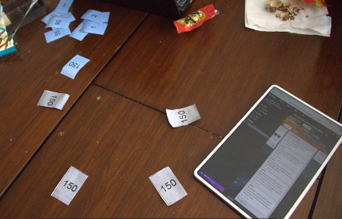 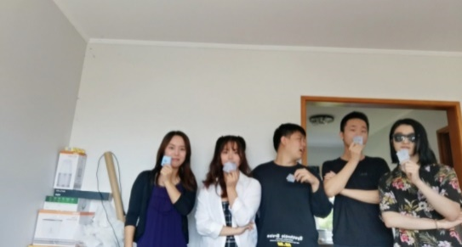
47 |  | As a user, I want the game not to crash when I run it. | 150 |  | 150 |  | 150 |  | 150 |  | 150 |  | 750 | 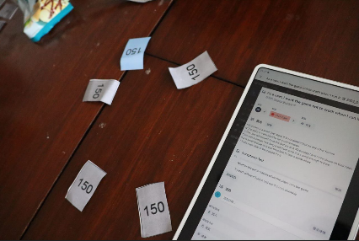 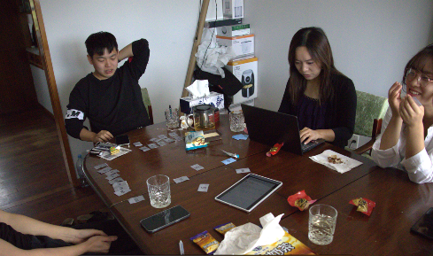
14 | 2 | As a player, I want to see the durability of the equipment in real-time, which can make the game more strategic and enhance the fun. | 125 |  | 125 |  | 125 |  | 125 |  | 125 | A Counter is used to control the durability of an item, when the counter is 0, replace the equipment with empty. | 625
43 |  | As a player, I want the game to have more than three stages for me to play with. | 125 |  | 125 |  | 125 |  | 125 |  | 125 |  | 625
21 | 3 | As a player, I want an exciting BOSS battle that gives people a sense of accomplishment when defeating invincible opponents. | 90 |  | 90 |  | 90 |  | 90 |  | 90 |  | 450
24 |  | Jump rigidity | 90 |  | 90 |  | 90 |  | 90 |  | 90 |  | 450
29 |  | As a player, I hope this game has bonus levels to have more fun. | 90 |  | 90 | Have no Idea how to process so far | 90 |  | 90 |  | 90 |  | 450 | 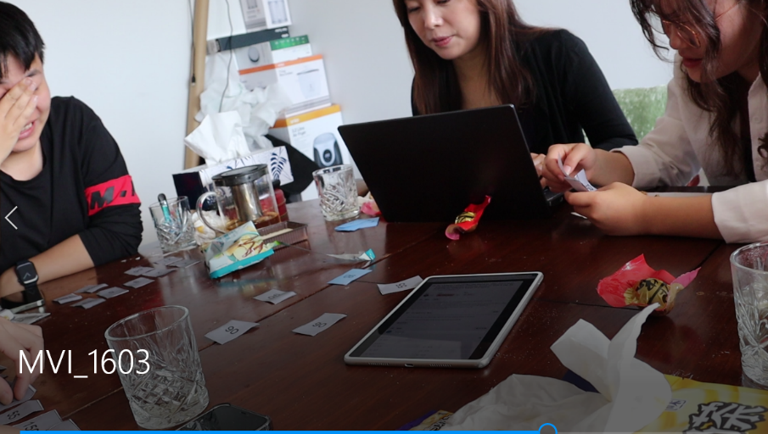
31 |  | As a player, I would like the game to include puzzle elements that could reward me with various items or bonuses, which would add additional content to the game beyond combat and enrich the overall gameplay experience. | 90 |  | 90 |  | 90 |  | 90 |  | 90 |  | 450
17 |  | As a player, I hope there is a shop system in the game and various game props or equipment that can enrich the game's content. | 90 |  | 90 |  | 90 |  | 90 |  | 90 |  | 450
19 |  | As a player, I want the game character can achieve more skill effects through different skill combinations, which makes the battle more interesting. | 90 |  | 90 |  | 90 |  | 90 |  | 90 | There are not many combinations of elements. | 450
11 |  | As a player, I would like the game to include buffs for both enemies and players, in order to add more depth to the gameplay to diversify the range of attack and combat methods available during the game. | 90 |  | 90 |  | 90 |  | 90 |  | 90 |  | 450
23 |  | As a player, I want my game character to do a jump attack action. | 90 |  | 90 |  | 90 |  | 90 |  | 90 |  | 450
48 | 4 | Switch Weapons | 55 |  | 55 |  | 55 |  | 55 |  | 55 |  | 275
13 |  | As a player, I wish I could view the attributes of my character so that I can understand the numerical design of game characters more intuitively. | 55 |  | 55 |  | 55 |  | 55 |  | 55 |  | 275 | 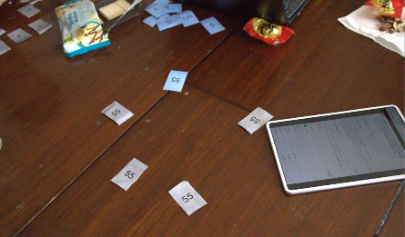 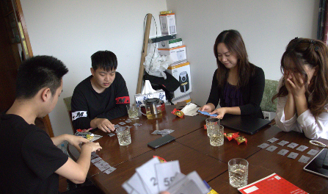
14 |  | As a player, I want to see the durability of the equipment in real-time, which can make the game more strategic and enhance the fun. | 55 |  | 55 |  | 55 |  | 55 |  | 55 |  | 275
8 |  | As a player, I want my character to be able to use a charge attack which would provide the character with additional attack options and enhance the overall gameplay experience. | 55 |  | 55 |  | 55 |  | 55 |  | 55 |  | 275
35 |  | As a player, I want this game to include a tutorial level to help me become familiar with the game. | 55 |  | 55 |  | 55 |  | 55 | It doesn't take long | 55 |  | 275
34 |  | As a player, I would like to see some Easter egg content in the game to make the exploration process more engaging and interesting. | 55 |  | 55 |  | 55 |  | 55 |  | 55 |  | 275
15 | 5 | As a player, I would like to have a feature where I can pick up items and upgrade my equipment so that I can increase my damage output or improve my survival ability. | 21 |  | 21 |  | 21 |  | 21 |  | 21 |  | 105
18 |  | As a player, I want the character's attributes can be improved, which can make the game difficulty reasonably lower. | 21 |  | 21 |  | 21 |  | 21 |  | 21 |  | 105
7 |  | As a user, I want the game has a lightening magic so that I can attack on multiple enemy. | 21 |  | 21 |  | 21 |  | 21 |  | 21 |  | 105
9 |  | As a player, I would like the game character to have the ability to double jump off walls to add variety to the player's actions, enhance gameplay, and increase the fun factor. | 21 |  | 21 |  | 21 |  | 21 |  | 21 |  | 105
6 | 6 | As a user, I want the game has some kind of weapons such as a frozen magic so that I can slow down enemy. | 13 |  | 13 |  | 13 |  | 13 |  | 13 |  | 65
27 |  | As a player, I want the game to have a clearance score that a higher score than other players gives me a sense of superiority. | 13 |  | 13 |  | 13 |  | 13 |  | 13 |  | 65
22 |  | As a player, I want to challenge epic monsters in order to make the game more interesting. | 13 |  | 13 |  | 13 |  | 13 |  | 13 |  | 65
38 |  | As a player, I want the game character to be able to do the movement of dodge. | 13 |  | 13 |  | 13 |  | 13 |  | 13 |  | 65
12 |  | As a player, I would like the game's buffs to be displayed as icons above the character's head or near the health bar to enable me to easily understand the character's buff bonus through visual cues such as colors and symbols. | 13 |  | 13 |  | 13 |  | 13 |  | 13 |  | 65
28 |  | As a player, I would like to see flying enemies introduced into the game to make full use of the game space and add variety to the types of enemies, making the gameplay less monotonous. | 13 |  | 13 |  | 13 |  | 13 |  | 13 |  | 65
42 |  | As a player, I want the game to have different sound effects when player operate game functions so that players can have a better experience in terms of sound. | 13 |  | 13 |  | 13 |  | 13 |  | 13 |  | 65
40 |  | As a player, I would like the game to include portals that allow me to quickly access certain areas which would make the gameplay less monotonous and enhance the overall experience. | 13 |  | 13 |  | 13 |  | 13 |  | 13 |  | 65
1 |  | As a user, I want the game has a proper health point (HP) so that health status can be sufficiently determined and monitored. | 13 |  | 13 |  | 13 | The increase and decreaseof blood stripes may change according to external factors,such as the difficulty of armor game level which requires some calculation. | 13 |  | 13 |  | 65
2 |  | As a player, I want the game to have some props in the game that can restore Mana to improve the Player’s playability. | 13 |  | 13 |  | 13 | The increase and decrease may also change according to the difficulty of the game level, ad the use value of the skill will also effect the judgment of MP. | 13 |  | 13 |  | 65
5 | 7 | As a user, I want the game has some kind of weapons such as a fire magic which helps continue damage on enemy. | 5 |  | 5 |  | 5 |  | 5 |  | 5 |  | 25
45 |  | As a player, I want to have a run feature so that I can move faster. | 5 |  | 5 | Need more and fastercharater movements | 5 |  | 5 |  | 5 |  | 25
16 |  | As a user, I would like to be able to receive gold coins when I defeat enemies, so that I can save them and use them to purchase equipment or extra lives if necessary. | 5 |  | 5 |  | 5 |  | 5 |  | 5 |  | 25
10 |  | As a player, I want the game to have defensive props to improve the player’s viability and feel excited when getting props. | 5 |  | 5 |  | 5 |  | 5 |  | 5 |  | 25
44 |  | As a player, I would like to see the addition of one-way platforms that I can jump on, which would enable me to quickly explore the game map vertically and reach higher areas. | 5 |  | 5 |  | 5 |  | 5 |  | 5 |  | 25
39 |  | As a player, I would like the game to offer more than one (perhaps three) difficulty levels so that it can be suitable for different types of players. | 5 |  | 5 |  | 5 |  | 5 |  | 5 |  | 25 | 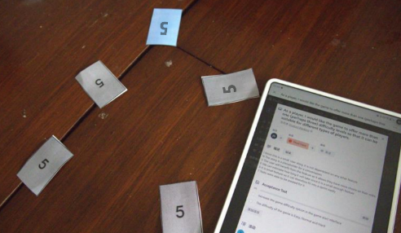 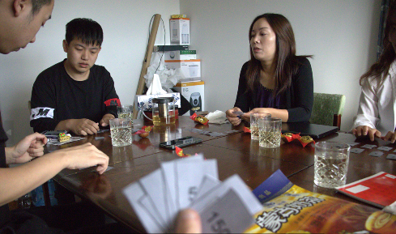
30 | 8 | As a player, I want to be able to control the volume in-game. | 3 |  | 3 |  | 3 |  | 3 |  | 3 |  | 15
32 |  | system Information | 3 |  | 3 |  | 3 |  | 3 |  | 3 |  | 15
26 |  | As a user, I want to have a proper timer so that I know the time left to complete the mission . | 2 |  | 2 |  | 2 |  | 2 |  | 2 |  | 10 | 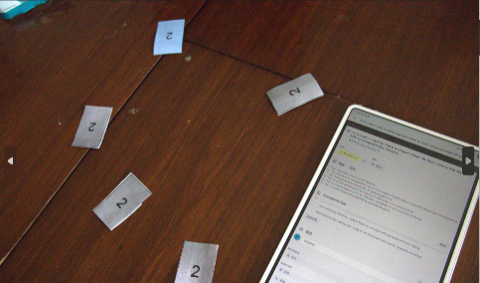 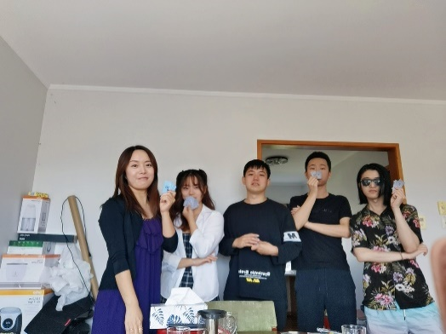
4 | 9 | Magic Potion | 2 |  | 2 |  | 2 |  | 2 |  | 2 |  | 10
25 |  | As a player, I would like the character to enter a frozen state whenever they take damage to interrupt the enemy's attack. | 2 |  | 2 |  | 2 |  | 2 |  | 2 |  | 10
41 |  | Background music | 2 |  | 2 |  | 2 |  | 2 |  | 2 |  | 10
3 | 10 | As a player, I want the game to have some props in the game that can restore Health Position (HP) to improve the Player’s playability. | 1 |  | 1 |  | 1 |  | 1 |  | 1 |  | 5

