Graphiques
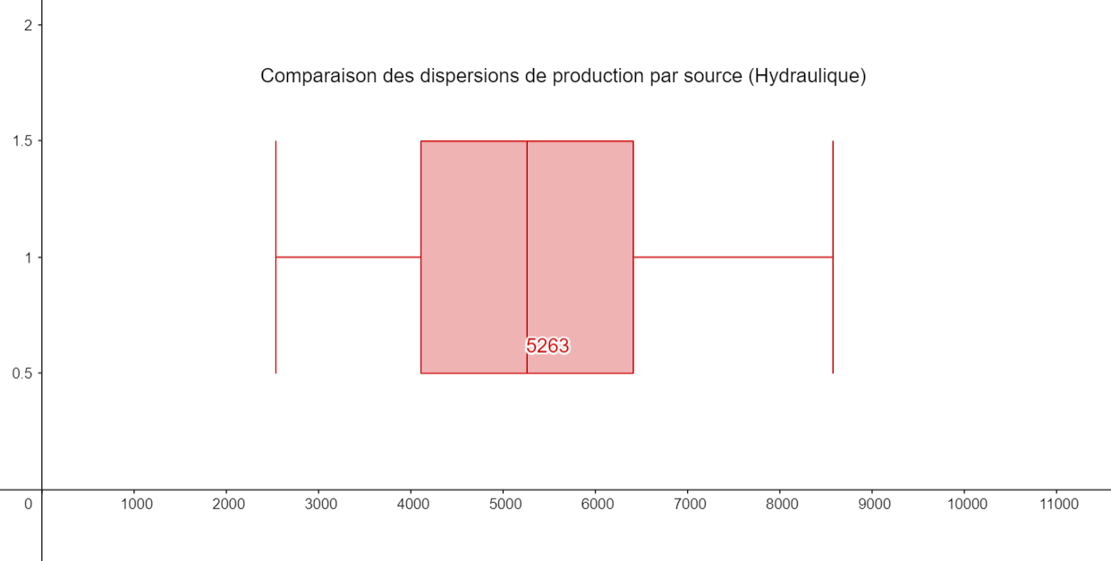
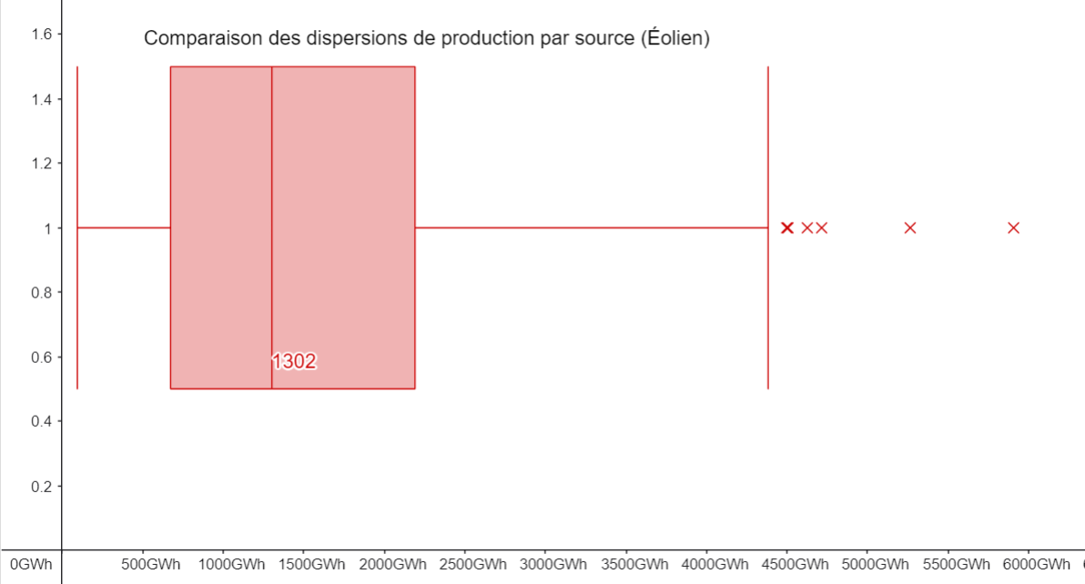
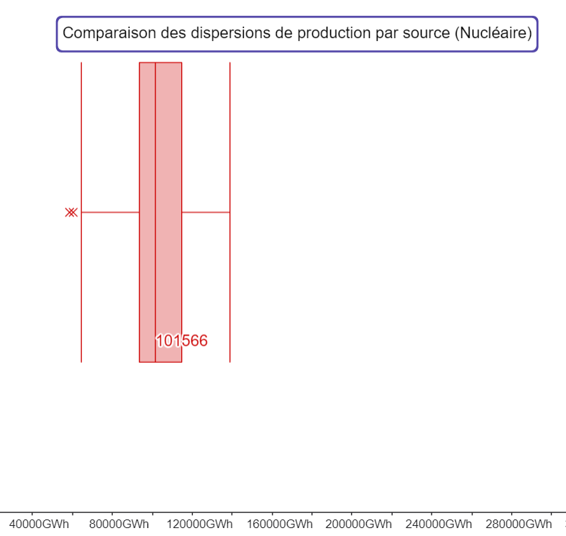
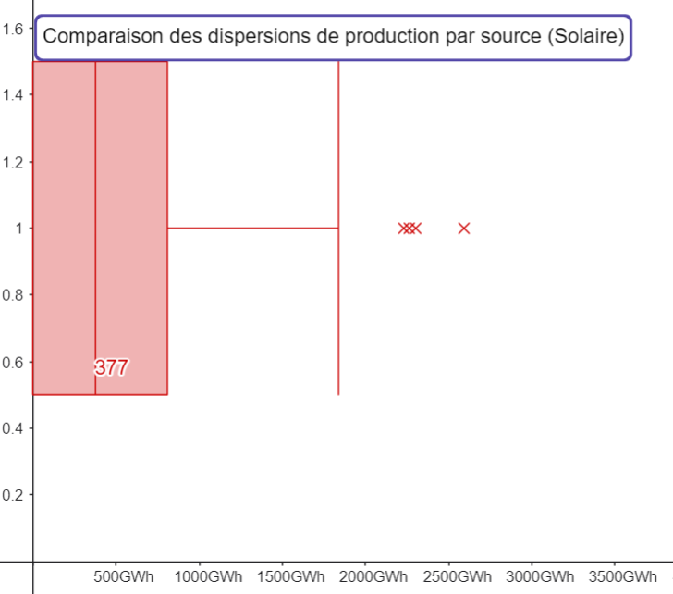
Monthly electricity production in France Hydro, Wind and Solar (2006-2022)
 | Hydraulique | Éolien | Solaire
Période | 5234.522 | 4364.634 | 604.497
2022-12 | 3949.045 | 4626.758 | 848.824
2022-11 | 3152.902 | 3432.376 | 1319.37
2022-10 | 2541.154 | 2293.837 | 1838.609
2022-09 | 2778.709 | 2077.602 | 2302.854
2022-08 | 3588.929 | 1885.33 | 2592.237
2022-07 | 4157.178 | 1849.939 | 2230.207
2022-06 | 5157.255 | 2076.276 | 2263.87
2022-05 | 5231.089 | 3560.29 | 1795.845
2022-04 | 4712.432 | 3461.02 | 1390.713
2022-03 | 4511.357 | 5265.783 | 1029.124
2022-02 | 6075.32 | 3144.953 | 784.956
2022-01 | 5461.218 | 4331.128 | 588.286
2021-12 | 4141.716 | 2710.387 | 704.46
2021-11 | 3162.122 | 3489.485 | 1248.977
2021-10 | 3538.607 | 1657.392 | 1466.273
2021-09 | 4522.329 | 2225.564 | 1749.93
2021-08 | 5773.367 | 2315.103 | 1718.223
2021-07 | 6375.294 | 1359.505 | 1676.305
2021-06 | 6436.821 | 3964.355 | 1621.291
2021-05 | 4170.276 | 2949.235 | 1580.027
2021-04 | 6089.126 | 3714.417 | 1304.153
2021-03 | 7057.552 | 4253.715 | 673.731
2021-02 | 7493.704 | 3960.974 | 480.385
2021-01 | 5860.812 | 4383.911 | 374.115
2020-12 | 4622.319 | 3154.791 | 697.013
2020-11 | 5275.964 | 4320.308 | 809.234
2020-10 | 3466.232 | 2145.086 | 1273.5
2020-09 | 3795.92 | 2047.002 | 1556.403
2020-08 | 4741.867 | 2105.002 | 1742.078
2020-07 | 6527.504 | 2051.309 | 1554.798
2020-06 | 6858.007 | 2662.786 | 1633.665
2020-05 | 5225.506 | 2282.031 | 1351.323
2020-04 | 7508.621 | 4498.825 | 1101.644
2020-03 | 6432.001 | 5907.95 | 782.668
2020-02 | 6472.11 | 4174.923 | 524.257
2020-01 | 8052.219 | 4715.008 | 490.097
2019-12 | 6644.621 | 3416.78 | 559.283
2019-11 | 3922.912 | 3429.099 | 822.019
2019-10 | 2693.82 | 2696.32 | 1200.62
2019-09 | 3881.36 | 1662.521 | 1407.743
2019-08 | 4553.264 | 1758.16 | 1484.086
2019-07 | 5919.264 | 1907.332 | 1396.056
2019-06 | 5696.605 | 2266.776 | 1299.751
2019-05 | 4622.497 | 2358.331 | 1080.324
2019-04 | 5309.362 | 4506.809 | 1068.513
2019-03 | 5202.466 | 2627.507 | 782.287
2019-02 | 5146.742 | 2968.868 | 501.226
2019-01 | 5311.143 | 3613.452 | 370.549
2018-12 | 4123.806 | 2796.145 | 499.144
...
Évolution mensuelle de la production electrique en France (Nucléaire)
 | Nucléaire_Elec
Période | 29769.248
2022-12 | 23187.429333
2022-11 | 21685.742
2022-10 | 19533.34
2022-09 | 19518.018
2022-08 | 20128.531
2022-07 | 21494.012667
2022-06 | 21936.659333
2022-05 | 23261.859667
2022-04 | 28583.622333
2022-03 | 31375.708
2022-02 | 37287.466667
2022-01 | 33458.950333
2021-12 | 32202.483
2021-11 | 32523.810333
2021-10 | 30915.394667
2021-09 | 31035.827
2021-08 | 30383.055667
2021-07 | 29441.621333
2021-06 | 29317.999667
2021-05 | 28900.285
2021-04 | 33558.290667
2021-03 | 32162.664333
2021-02 | 39361.727333
2021-01 | 36511.184667
2020-12 | 33476.417667
2020-11 | 30070.482
2020-10 | 23292.499
2020-09 | 24571.989667
2020-08 | 24108.602667
2020-07 | 22925.917667
2020-06 | 26521.024333
2020-05 | 28623.519667
2020-04 | 32571.456667
2020-03 | 35212.778
2020-02 | 39585.313667
2020-01 | 35137.933333
2019-12 | 31033.567333
2019-11 | 30986.567
2019-10 | 29336.813667
2019-09 | 29598.001333
2019-08 | 31075.425333
2019-07 | 30409.447333
2019-06 | 33663.200333
2019-05 | 33703.194333
2019-04 | 37633.864667
2019-03 | 38083.587667
2019-02 | 42452.858
2019-01 | 41135.34
2018-12 | 34645.840333
...

Étiquettes de lignes | Somme de Hydraulique | Somme de Éolien | Somme de Solaire | Somme de Nucléaire_Elec
2006 | 62440.582 | 2169.39 | 0 | 454801.94633
2007 | 64442.74 | 4140.744 | 0 | 444352.593
2008 | 69221.323 | 5711.029 | 0 | 444000.19367
2009 | 62741.931 | 7596.368 | 0 | 414348.80167
2010 | 68558.692 | 9413.694 | 0 | 432722.737
2011 | 51084.694 | 11626.094 | 1936.539 | 446627.84233
2012 | 64450.891 | 14302.527 | 3687.078 | 429777.316
2013 | 75357.467 | 15212.403 | 4336.856 | 428041.15633
2014 | 68247.724 | 16171.319 | 5487.194 | 440365.81533
2015 | 59337.803 | 20170.423 | 6739.303 | 441926.12633
2016 | 64358.935 | 19888.056 | 7665.799 | 407355.53
2017 | 53911.705 | 22599.117 | 8607.83 | 402452.04533
2018 | 70334.987 | 27875.742 | 10695.531 | 417208.00867
2019 | 61645.132 | 34313.511 | 12092.005 | 403114.46033
Mix de production électrique par année
2020 | 66786.863 | 39733.924 | 13400.698 | 357471.18567
2021 | 64222.132 | 36931.26 | 14812.041 | 383262.10933
2022 | 51089.892 | 38038.798 | 19001.106 | 297761.637
Total général | 1078233.493 | 325894.399 | 108461.98 | 7045589.5043
Average share of each source in the french electricity mix(2006-2026)
Source | Moyenne (GWh)
Nucléaire | 34537.203453
Hydraulique | 5285.458299
Éolien | 1302.405
Solaire | 753.20819444

