Heatmap Plot
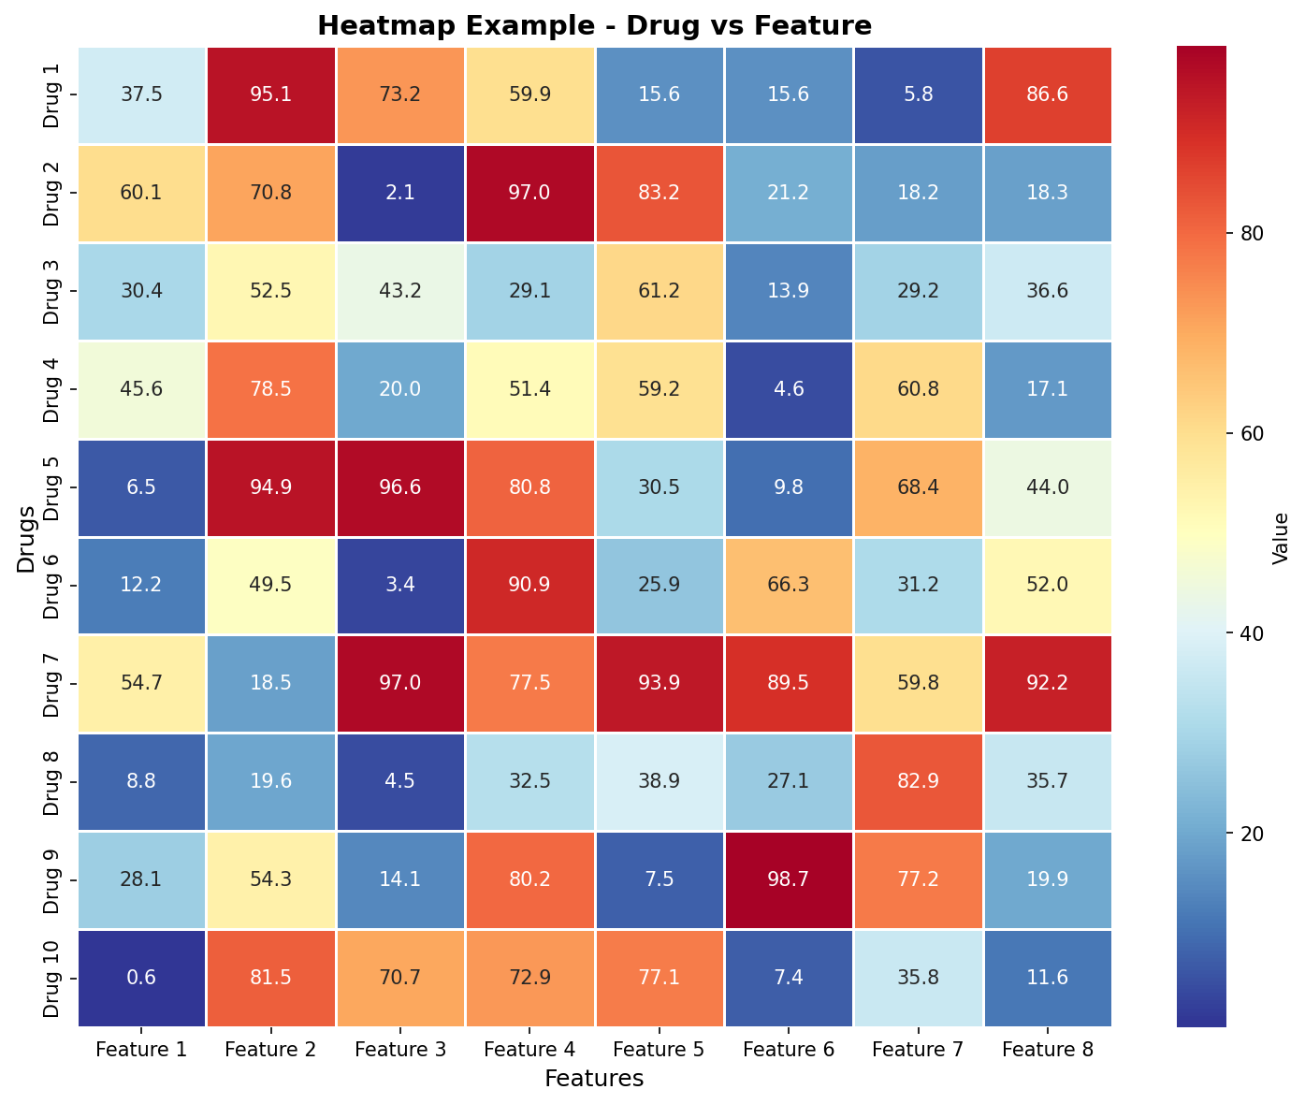
Heatmap as Inserted Plot

