variables_biv
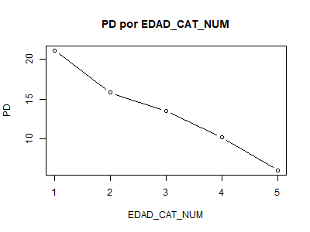
x | x
1 | EDAD_CAT_NUM
 | Categorias | Bueno | Malo | Total | PD | %Tot | %Malo | %Bueno | %Acum_Total | %Acum_Malo | Acum_Bueno | Ks | Gini | WOE | IV
 | 1 | 27900 | 7475 | 35375 | 21.13074204947 | 9.10372976269826 | 14.6396396396396 | 8.26625029257785 | 9.10372976269826 | 14.6396396396396 | 8.26625029257785 | 6.37338934706179 | 1.2101 | -57.1551898050501 | 3.64272277832799
 | 2 | 40430 | 7594 | 48024 | 15.8129268698984 | 12.3589404416628 | 14.8726987857423 | 11.9786558899255 | 21.462670204361 | 29.5123384253819 | 20.2449061825034 | 9.2674322428785 | 5.2888 | -21.640084575801 | 0.626273330314715
 | 3 | 154677 | 24080 | 178757 | 13.4708011434517 | 46.0029801043294 | 47.1602036819428 | 45.8279138532281 | 67.4656503086904 | 76.6725421073247 | 66.0728200357315 | 10.5997220715932 | 48.6623 | -2.86570163704319 | 0.0381794514316371
 | 4 | 93672 | 10579 | 104251 | 10.1476244832184 | 26.8289167912666 | 20.7187622405014 | 27.753268724242 | 94.294567099957 | 97.3913043478261 | 93.8260887599736 | 3.56521558785252 | 48.3084 | 29.2313946940711 | 2.05628435504224
 | 5 | 20838 | 1332 | 22170 | 6.00811907983762 | 5.70543290004298 | 2.60869565217391 | 6.17391124002643 | 100 | 100 | 100 | 0 | 12.1868 | 86.1482203270724 | 3.07136977975832

 |  |  |  |  |  |  |  |  |  |  |  |  |  |  |  | KS | GINI | IV
 |  |  |  |  |  |  |  |  |  |  |  |  |  |  |  | 10.599722072 | 15.6564 | 9.4348296949

