Final_student
STATION | NAME | DATE | Precipitation (in) | Loss (in) | Q (in) | Pred_Q (in) | Squred_error | SSE | X1_coefficient | X2_coefficient | Possible X | Precipitation
USC00419207 | TYLER, TX US | 2000-01-01 | 0 | 0 | 0 | #VALUE! | #VALUE! | #VALUE! | - | - |  | Loss |  |  | Already set. No need to change.
USC00419207 | TYLER, TX US | 2000-01-02 | 0 | 0 | 0 | #VALUE! | #VALUE! |  |  |  |  | Precipitation * Loss |  |  | Things that need to consider for Q equation.
USC00419207 | TYLER, TX US | 2000-01-03 | 0.03 | 0.03 | 0.00945 | #VALUE! | #VALUE! |  |  |  |  | (Precipitation - Loss)^2 |  |  | Instruction for solver
USC00419207 | TYLER, TX US | 2000-01-04 | 0 | 0 | 0 | #VALUE! | #VALUE!
USC00419207 | TYLER, TX US | 2000-01-05 | 0 | 0 | 0 | #VALUE! | #VALUE! |  |  |  |  |  | 1 | Choose two possible X from the list and make equation.
Precipitation - runoff (Q)
 | Q (in)
0 | 0
0 | 0
0.03 | 0.00945
0 | 0
0 | 0
0 | 0
0 | 0
1.19 | 0.9044
0.02 | 0.0062
0 | 0
0 | 0
0 | 0
0 | 0
0 | 0
0 | 0
0 | 0
0 | 0
0 | 0
0 | 0
0 | 0
0 | 0
0 | 0
0 | 0
0 | 0
0 | 0
0 | 0
0.02 | 0.0062
1.33 | 0.6251
0 | 0
0 | 0
0 | 0
0.01 | 0.00305
0.02 | 0.0062
0 | 0
0 | 0
0 | 0
0 | 0
0 | 0
0 | 0
0 | 0
0 | 0
0 | 0
0 | 0
0 | 0
0 | 0
0 | 0
0 | 0
0 | 0
0 | 0
0.08 | 0.0272
...
USC00419207 | TYLER, TX US | 2000-01-06 | 0 | 0 | 0 | #VALUE! | #VALUE! |  |  |  |  |  | 2 | Ex) X1_coefficient * Precipitatio + X2_coeficient * Loss
USC00419207 | TYLER, TX US | 2000-01-07 | 0 | 0 | 0 | #VALUE! | #VALUE! |  |  |  |  |  | 3 | This equation should be used to calculate 'Pred_Q (in)'.
USC00419207 | TYLER, TX US | 2000-01-08 | 1.19 | 0.92 | 0.9044 | #VALUE! | #VALUE! |  |  |  |  |  | 4 | If sum of squared error (SSE) is too high, change the variables.
USC00419207 | TYLER, TX US | 2000-01-09 | 0.02 | 0.02 | 0.0062 | #VALUE! | #VALUE!
USC00419207 | TYLER, TX US | 2000-01-10 | 0 | 0 | 0 | #VALUE! | #VALUE!
USC00419207 | TYLER, TX US | 2000-01-11 | 0 | 0 | 0 | #VALUE! | #VALUE! |  |  |  |  |  |  | How to use solver
USC00419207 | TYLER, TX US | 2000-01-12 | 0 | 0 | 0 | #VALUE! | #VALUE! |  |  |  |  |  |  | 1. Load the Solver add-in.
USC00419207 | TYLER, TX US | 2000-01-13 | 0 | 0 | 0 | #VALUE! | #VALUE! |  |  |  |  |  |  | 2. Select the cell where you want to display the soution (J2)
USC00419207 | TYLER, TX US | 2000-01-14 | 0 | 0 | 0 | #VALUE! | #VALUE! |  |  |  |  |  |  | 3. Click 'Solver' in the 'Data' toolbar
USC00419207 | TYLER, TX US | 2000-01-15 | 0 | 0 | 0 | #VALUE! | #VALUE! |  |  |  |  |  |  | 4. Set Objective: $J$2
USC00419207 | TYLER, TX US | 2000-01-16 | 0 | 0 | 0 | #VALUE! | #VALUE! |  |  |  |  |  |  | 5. To --> Min
USC00419207 | TYLER, TX US | 2000-01-17 | 0 | 0 | 0 | #VALUE! | #VALUE! |  |  |  |  |  |  | 6. By Changing Variable Cells: $L$2:$M$2
USC00419207 | TYLER, TX US | 2000-01-18 | 0 | 0 | 0 | #VALUE! | #VALUE! |  |  |  |  |  |  | 7. Solve
USC00419207 | TYLER, TX US | 2000-01-19 | 0 | 0 | 0 | #VALUE! | #VALUE!
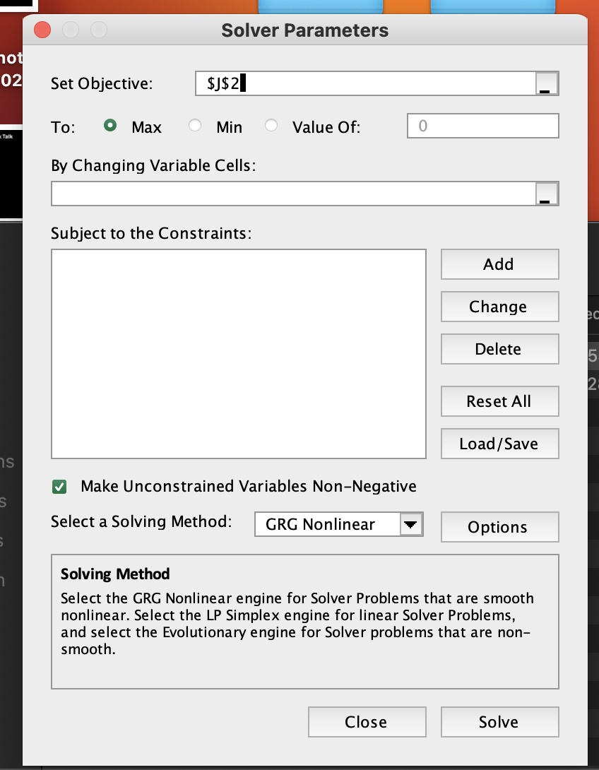
USC00419207 | TYLER, TX US | 2000-01-20 | 0 | 0 | 0 | #VALUE! | #VALUE!
USC00419207 | TYLER, TX US | 2000-01-21 | 0 | 0 | 0 | #VALUE! | #VALUE!
USC00419207 | TYLER, TX US | 2000-01-22 | 0 | 0 | 0 | #VALUE! | #VALUE!
USC00419207 | TYLER, TX US | 2000-01-23 | 0 | 0 | 0 | #VALUE! | #VALUE!
USC00419207 | TYLER, TX US | 2000-01-24 | 0 | 0 | 0 | #VALUE! | #VALUE!
USC00419207 | TYLER, TX US | 2000-01-25 | 0 | 0 | 0 | #VALUE! | #VALUE!
USC00419207 | TYLER, TX US | 2000-01-26 | 0 | 0 | 0 | #VALUE! | #VALUE!
USC00419207 | TYLER, TX US | 2000-01-27 | 0.02 | 0.02 | 0.0062 | #VALUE! | #VALUE!
USC00419207 | TYLER, TX US | 2000-01-28 | 1.33 | 0.34 | 0.6251 | #VALUE! | #VALUE!
USC00419207 | TYLER, TX US | 2000-01-29 | 0 | 0 | 0 | #VALUE! | #VALUE!
USC00419207 | TYLER, TX US | 2000-01-30 | 0 | 0 | 0 | #VALUE! | #VALUE!
USC00419207 | TYLER, TX US | 2000-01-31 | 0 | 0 | 0 | #VALUE! | #VALUE!
USC00419207 | TYLER, TX US | 2000-02-01 | 0.01 | 0.01 | 0.00305 | #VALUE! | #VALUE!
USC00419207 | TYLER, TX US | 2000-02-02 | 0.02 | 0.02 | 0.0062 | #VALUE! | #VALUE!
USC00419207 | TYLER, TX US | 2000-02-03 | 0 | 0 | 0 | #VALUE! | #VALUE!
USC00419207 | TYLER, TX US | 2000-02-04 | 0 | 0 | 0 | #VALUE! | #VALUE!
USC00419207 | TYLER, TX US | 2000-02-05 | 0 | 0 | 0 | #VALUE! | #VALUE!
USC00419207 | TYLER, TX US | 2000-02-06 | 0 | 0 | 0 | #VALUE! | #VALUE!
USC00419207 | TYLER, TX US | 2000-02-07 | 0 | 0 | 0 | #VALUE! | #VALUE!
USC00419207 | TYLER, TX US | 2000-02-08 | 0 | 0 | 0 | #VALUE! | #VALUE!
USC00419207 | TYLER, TX US | 2000-02-09 | 0 | 0 | 0 | #VALUE! | #VALUE!
USC00419207 | TYLER, TX US | 2000-02-10 | 0 | 0 | 0 | #VALUE! | #VALUE!
USC00419207 | TYLER, TX US | 2000-02-11 | 0 | 0 | 0 | #VALUE! | #VALUE!
USC00419207 | TYLER, TX US | 2000-02-12 | 0 | 0 | 0 | #VALUE! | #VALUE!
USC00419207 | TYLER, TX US | 2000-02-13 | 0 | 0 | 0 | #VALUE! | #VALUE!
USC00419207 | TYLER, TX US | 2000-02-14 | 0 | 0 | 0 | #VALUE! | #VALUE!
USC00419207 | TYLER, TX US | 2000-02-15 | 0 | 0 | 0 | #VALUE! | #VALUE!
USC00419207 | TYLER, TX US | 2000-02-16 | 0 | 0 | 0 | #VALUE! | #VALUE!
USC00419207 | TYLER, TX US | 2000-02-17 | 0 | 0 | 0 | #VALUE! | #VALUE!
USC00419207 | TYLER, TX US | 2000-02-18 | 0 | 0 | 0 | #VALUE! | #VALUE!
USC00419207 | TYLER, TX US | 2000-02-19 | 0.08 | 0.08 | 0.0272 | #VALUE! | #VALUE!
USC00419207 | TYLER, TX US | 2000-02-20 | 0 | 0 | 0 | #VALUE! | #VALUE!
USC00419207 | TYLER, TX US | 2000-02-21 | 0 | 0 | 0 | #VALUE! | #VALUE!
USC00419207 | TYLER, TX US | 2000-02-22 | 0 | 0 | 0 | #VALUE! | #VALUE!
USC00419207 | TYLER, TX US | 2000-02-23 | 0.42 | 0.42 | 0.2142 | #VALUE! | #VALUE!
USC00419207 | TYLER, TX US | 2000-02-24 | 0 | 0 | 0 | #VALUE! | #VALUE!
USC00419207 | TYLER, TX US | 2000-02-25 | 0 | 0 | 0 | #VALUE! | #VALUE!
USC00419207 | TYLER, TX US | 2000-02-26 | 2.12 | 0.04 | 0.6784 | #VALUE! | #VALUE!
USC00419207 | TYLER, TX US | 2000-02-27 | 0.45 | 0.45 | 0.23625 | #VALUE! | #VALUE!
USC00419207 | TYLER, TX US | 2000-02-28 | 0 | 0 | 0 | #VALUE! | #VALUE!
USC00419207 | TYLER, TX US | 2000-02-29 | 0 | 0 | 0 | #VALUE! | #VALUE!
USC00419207 | TYLER, TX US | 2000-03-01 | 0.01 | 0.01 | 0.00305 | #VALUE! | #VALUE!
USC00419207 | TYLER, TX US | 2000-03-02 | 0.01 | 0.01 | 0.00305 | #VALUE! | #VALUE!
USC00419207 | TYLER, TX US | 2000-03-03 | 0 | 0 | 0 | #VALUE! | #VALUE!
USC00419207 | TYLER, TX US | 2000-03-04 | 0 | 0 | 0 | #VALUE! | #VALUE!
USC00419207 | TYLER, TX US | 2000-03-05 | 0 | 0 | 0 | #VALUE! | #VALUE!
USC00419207 | TYLER, TX US | 2000-03-06 | 0 | 0 | 0 | #VALUE! | #VALUE!
USC00419207 | TYLER, TX US | 2000-03-07 | 0 | 0 | 0 | #VALUE! | #VALUE!
USC00419207 | TYLER, TX US | 2000-03-08 | 0.01 | 0.01 | 0.00305 | #VALUE! | #VALUE!
USC00419207 | TYLER, TX US | 2000-03-09 | 0.05 | 0.05 | 0.01625 | #VALUE! | #VALUE!
USC00419207 | TYLER, TX US | 2000-03-10 | 0 | 0 | 0 | #VALUE! | #VALUE!
USC00419207 | TYLER, TX US | 2000-03-11 | 1.69 | 0.82 | 1.1999 | #VALUE! | #VALUE!
USC00419207 | TYLER, TX US | 2000-03-12 | 0 | 0 | 0 | #VALUE! | #VALUE!
USC00419207 | TYLER, TX US | 2000-03-13 | 0 | 0 | 0 | #VALUE! | #VALUE!
USC00419207 | TYLER, TX US | 2000-03-14 | 0 | 0 | 0 | #VALUE! | #VALUE!
USC00419207 | TYLER, TX US | 2000-03-15 | 0.01 | 0.01 | 0.00305 | #VALUE! | #VALUE!
USC00419207 | TYLER, TX US | 2000-03-16 | 0.04 | 0.02 | 0.0124 | #VALUE! | #VALUE!
USC00419207 | TYLER, TX US | 2000-03-17 | 0.28 | 0.18 | 0.1092 | #VALUE! | #VALUE!
USC00419207 | TYLER, TX US | 2000-03-18 | 0.12 | 0.12 | 0.0432 | #VALUE! | #VALUE!
USC00419207 | TYLER, TX US | 2000-03-19 | 0.02 | 0.02 | 0.0062 | #VALUE! | #VALUE!
USC00419207 | TYLER, TX US | 2000-03-20 | 0 | 0 | 0 | #VALUE! | #VALUE!
USC00419207 | TYLER, TX US | 2000-03-21 | 0 | 0 | 0 | #VALUE! | #VALUE!
USC00419207 | TYLER, TX US | 2000-03-22 | 1.71 | 0.84 | 1.2312 | #VALUE! | #VALUE!
USC00419207 | TYLER, TX US | 2000-03-23 | 0 | 0 | 0 | #VALUE! | #VALUE!
USC00419207 | TYLER, TX US | 2000-03-24 | 0 | 0 | 0 | #VALUE! | #VALUE!
USC00419207 | TYLER, TX US | 2000-03-25 | 0 | 0 | 0 | #VALUE! | #VALUE!
USC00419207 | TYLER, TX US | 2000-03-26 | 0.25 | 0.18 | 0.0975 | #VALUE! | #VALUE!
USC00419207 | TYLER, TX US | 2000-03-27 | 0.05 | 0.05 | 0.01625 | #VALUE! | #VALUE!
USC00419207 | TYLER, TX US | 2000-03-28 | 0 | 0 | 0 | #VALUE! | #VALUE!
USC00419207 | TYLER, TX US | 2000-03-29 | 0.23 | 0.23 | 0.09545 | #VALUE! | #VALUE!
USC00419207 | TYLER, TX US | 2000-03-30 | 0.44 | 0.44 | 0.2288 | #VALUE! | #VALUE!
USC00419207 | TYLER, TX US | 2000-03-31 | 0 | 0 | 0 | #VALUE! | #VALUE!
USC00419207 | TYLER, TX US | 2000-04-01 | 0 | 0 | 0 | #VALUE! | #VALUE!
USC00419207 | TYLER, TX US | 2000-04-02 | 0.66 | 0.66 | 0.4158 | #VALUE! | #VALUE!
USC00419207 | TYLER, TX US | 2000-04-03 | 1.06 | 0.9 | 0.795 | #VALUE! | #VALUE!
USC00419207 | TYLER, TX US | 2000-04-04 | 0 | 0 | 0 | #VALUE! | #VALUE!
USC00419207 | TYLER, TX US | 2000-04-05 | 0 | 0 | 0 | #VALUE! | #VALUE!
USC00419207 | TYLER, TX US | 2000-04-06 | 0 | 0 | 0 | #VALUE! | #VALUE!
USC00419207 | TYLER, TX US | 2000-04-07 | 0 | 0 | 0 | #VALUE! | #VALUE!
USC00419207 | TYLER, TX US | 2000-04-08 | 0.45 | 0.45 | 0.23625 | #VALUE! | #VALUE!
USC00419207 | TYLER, TX US | 2000-04-09 | 0 | 0 | 0 | #VALUE! | #VALUE!
USC00419207 | TYLER, TX US | 2000-04-10 | 0 | 0 | 0 | #VALUE! | #VALUE!
USC00419207 | TYLER, TX US | 2000-04-11 | 0.05 | 0.05 | 0.01625 | #VALUE! | #VALUE!
USC00419207 | TYLER, TX US | 2000-04-12 | 1.85 | 0.18 | 0.7215 | #VALUE! | #VALUE!
USC00419207 | TYLER, TX US | 2000-04-13 | 0.02 | 0.02 | 0.0062 | #VALUE! | #VALUE!
USC00419207 | TYLER, TX US | 2000-04-14 | 0 | 0 | 0 | #VALUE! | #VALUE!
USC00419207 | TYLER, TX US | 2000-04-15 | 0 | 0 | 0 | #VALUE! | #VALUE!
USC00419207 | TYLER, TX US | 2000-04-16 | 0 | 0 | 0 | #VALUE! | #VALUE!
USC00419207 | TYLER, TX US | 2000-04-17 | 0 | 0 | 0 | #VALUE! | #VALUE!
USC00419207 | TYLER, TX US | 2000-04-18 | 0 | 0 | 0 | #VALUE! | #VALUE!
USC00419207 | TYLER, TX US | 2000-04-19 | 0 | 0 | 0 | #VALUE! | #VALUE!
USC00419207 | TYLER, TX US | 2000-04-20 | 0 | 0 | 0 | #VALUE! | #VALUE!
USC00419207 | TYLER, TX US | 2000-04-21 | 0 | 0 | 0 | #VALUE! | #VALUE!
USC00419207 | TYLER, TX US | 2000-04-22 | 0 | 0 | 0 | #VALUE! | #VALUE!
USC00419207 | TYLER, TX US | 2000-04-23 | 0.05 | 0.05 | 0.01625 | #VALUE! | #VALUE!
USC00419207 | TYLER, TX US | 2000-04-24 | 0 | 0 | 0 | #VALUE! | #VALUE!
USC00419207 | TYLER, TX US | 2000-04-25 | 0 | 0 | 0 | #VALUE! | #VALUE!
USC00419207 | TYLER, TX US | 2000-04-26 | 0 | 0 | 0 | #VALUE! | #VALUE!
USC00419207 | TYLER, TX US | 2000-04-27 | 0 | 0 | 0 | #VALUE! | #VALUE!
USC00419207 | TYLER, TX US | 2000-04-28 | 0.06 | 0.06 | 0.0198 | #VALUE! | #VALUE!
USC00419207 | TYLER, TX US | 2000-04-29 | 0 | 0 | 0 | #VALUE! | #VALUE!
USC00419207 | TYLER, TX US | 2000-04-30 | 0.05 | 0.05 | 0.01625 | #VALUE! | #VALUE!
USC00419207 | TYLER, TX US | 2000-05-01 | 0.72 | 0.64 | 0.4464 | #VALUE! | #VALUE!
USC00419207 | TYLER, TX US | 2000-05-02 | 0.37 | 0 | 0.111 | #VALUE! | #VALUE!
USC00419207 | TYLER, TX US | 2000-05-03 | 0 | 0 | 0 | #VALUE! | #VALUE!
USC00419207 | TYLER, TX US | 2000-05-04 | 2.69 | 0.82 | 1.9099 | #VALUE! | #VALUE!
USC00419207 | TYLER, TX US | 2000-05-05 | 0.2 | 0.2 | 0.08 | #VALUE! | #VALUE!
USC00419207 | TYLER, TX US | 2000-05-06 | 0 | 0 | 0 | #VALUE! | #VALUE!
USC00419207 | TYLER, TX US | 2000-05-07 | 0 | 0 | 0 | #VALUE! | #VALUE!
USC00419207 | TYLER, TX US | 2000-05-08 | 0 | 0 | 0 | #VALUE! | #VALUE!
USC00419207 | TYLER, TX US | 2000-05-09 | 0 | 0 | 0 | #VALUE! | #VALUE!
USC00419207 | TYLER, TX US | 2000-05-10 | 0 | 0 | 0 | #VALUE! | #VALUE!
USC00419207 | TYLER, TX US | 2000-05-11 | 0 | 0 | 0 | #VALUE! | #VALUE!
USC00419207 | TYLER, TX US | 2000-05-12 | 0 | 0 | 0 | #VALUE! | #VALUE!
USC00419207 | TYLER, TX US | 2000-05-13 | 1.24 | 0.04 | 0.3968 | #VALUE! | #VALUE!
USC00419207 | TYLER, TX US | 2000-05-14 | 0 | 0 | 0 | #VALUE! | #VALUE!
USC00419207 | TYLER, TX US | 2000-05-15 | 0 | 0 | 0 | #VALUE! | #VALUE!
USC00419207 | TYLER, TX US | 2000-05-16 | 0 | 0 | 0 | #VALUE! | #VALUE!
USC00419207 | TYLER, TX US | 2000-05-17 | 0 | 0 | 0 | #VALUE! | #VALUE!
USC00419207 | TYLER, TX US | 2000-05-18 | 0 | 0 | 0 | #VALUE! | #VALUE!
USC00419207 | TYLER, TX US | 2000-05-19 | 2.21 | 0.7 | 1.4365 | #VALUE! | #VALUE!
USC00419207 | TYLER, TX US | 2000-05-20 | 3.06 | 0.94 | 2.3562 | #VALUE! | #VALUE!
...

