kills_spring2012
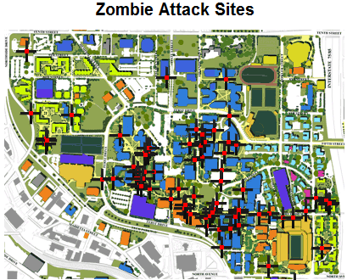
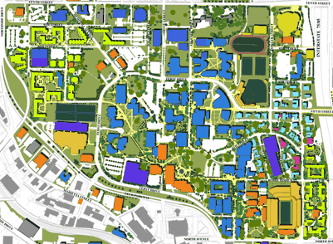
Unique identifier for each kill | The zombie who got the tag. Lower numbers indicate zombies turned earlier in the week. The OZ is #1 | The human who was tagged. | The Y offset in pixels of the tag on the included map | The X offset. (0,0) is the top left corner | Time at which the kill was reported.
id | killer | victim | lat | lng | time
1 | The Admins | 1 | 0 | 0 | 2/27/12
2 | 1 | 2 | 278 | 311 | 2/27/12
3 | 1 | 3 | 0 | 0 | 2/27/12
4 | 1 | 4 | 145 | 259 | 2/27/12
5 | 1 | 5 | 204 | 250 | 2/27/12
6 | 2 | 6 | 188 | 281 | 2/27/12
7 | 1 | 7 | 216 | 215 | 2/27/12
8 | 1 | 8 | 217 | 219 | 2/27/12
9 | 1 | 9 | 150 | 233 | 2/27/12
10 | 1 | 10 | 165 | 256 | 2/27/12
11 | 1 | 11 | 216 | 312 | 2/27/12
12 | 1 | 12 | 217 | 300 | 2/27/12
13 | 6 | 13 | 132 | 236 | 2/27/12
14 | 3 | 14 | 210 | 212 | 2/28/12
15 | 10 | 15 | 354 | 946 | 2/28/12
16 | 1 | 16 | 135 | 273 | 2/28/12 | (0,0) Indicates the tag location was not reported, or was reported incorrectly.
17 | 14 | 17 | 196 | 223 | 2/28/12 | Pairs greater than (401,294) are from an error in reporting a kill location.
18 | 14 | 18 | 139 | 171 | 2/28/12 | (X+24, Y+24) Is the true offset of the exact center of the kill.
19 | 14 | 19 | 0 | 0 | 2/28/12
20 | 14 | 20 | 0 | 0 | 2/28/12
21 | 14 | 21 | 211 | 246 | 2/28/12
22 | 10 | 22 | 318 | 1022 | 2/28/12
23 | 19 | 23 | 365 | 548 | 2/28/12
24 | 5 | 24 | 117 | 226 | 2/29/12
25 | 23 | 25 | 198 | 367 | 2/29/12
26 | 20 | 26 | 353 | 637 | 2/29/12
27 | 18 | 27 | 0 | 0 | 2/29/12
28 | 6 | 28 | 0 | 0 | 2/29/12
29 | 21 | 29 | 221 | 328 | 2/29/12
30 | 21 | 30 | 0 | 0 | 2/29/12
31 | 18 | 31 | 0 | 0 | 2/29/12
32 | 8 | 32 | 0 | 0 | 2/29/12
33 | 23 | 33 | 235 | 253 | 2/29/12
34 | 18 | 34 | 136 | 231 | 2/29/12
35 | 16 | 35 | 435 | 799 | 2/29/12
36 | 1 | 36 | 206 | 213 | 2/29/12
37 | 14 | 37 | 209 | 529 | 2/29/12
38 | 2 | 38 | 0 | 0 | 2/29/12
39 | 29 | 39 | 100 | 79 | 2/29/12
40 | 6 | 40 | 187 | 205 | 2/29/12
41 | 21 | 41 | 25 | 26 | 2/29/12
42 | 29 | 42 | 0 | 0 | 2/29/12
43 | 35 | 43 | 101 | 265 | 2/29/12
44 | 21 | 44 | 231 | 238 | 2/29/12
45 | 21 | 45 | 221 | 237 | 2/29/12
46 | 6 | 46 | 205 | 382 | 3/1/12
47 | 6 | 47 | 219 | 242 | 3/1/12
48 | 6 | 48 | 201 | 379 | 3/1/12
49 | 44 | 49 | 204 | 383 | 3/1/12
50 | 35 | 50 | 0 | 0 | 3/1/12
51 | 19 | 51 | 0 | 0 | 3/1/12
52 | 9 | 52 | 232 | 267 | 3/1/12
53 | 23 | 53 | 0 | 0 | 3/1/12
54 | 25 | 54 | 215 | 276 | 3/1/12
55 | 38 | 55 | 391 | 576 | 3/1/12
56 | 56 | 57 | 118 | 247 | 3/1/12
57 | 1 | 58 | 230 | 276 | 3/1/12
58 | 54 | 59 | 220 | 272 | 3/1/12
59 | 42 | 60 | 56 | 191 | 3/1/12
60 | 52 | 61 | 387 | 727 | 3/1/12
61 | 1 | 62 | 134 | 49 | 3/1/12
62 | 1 | 63 | 128 | 49 | 3/1/12
63 | 45 | 64 | 132 | 264 | 3/1/12
64 | 16 | 65 | 453 | 783 | 3/1/12
65 | 50 | 66 | 213 | 355 | 3/1/12
66 | 50 | 67 | 98 | 31 | 3/1/12
67 | 23 | 68 | 0 | 0 | 3/1/12
68 | 23 | 69 | 130 | 50 | 3/1/12
69 | 19 | 70 | 0 | 0 | 3/1/12
70 | 54 | 71 | 221 | 340 | 3/2/12
71 | 54 | 72 | 0 | 0 | 3/2/12
72 | 14 | 73 | 299 | 342 | 3/2/12
73 | 53 | 74 | 256 | 256 | 3/2/12
74 | 3 | 75 | 0 | 0 | 3/2/12
75 | 42 | 76 | 176 | 115 | 3/2/12
76 | 42 | 77 | 212 | 276 | 3/2/12
77 | 67 | 78 | 123 | 233 | 3/2/12
78 | 73 | 79 | 0 | 0 | 3/2/12
79 | 49 | 80 | 234 | 266 | 3/2/12
80 | 1 | 81 | 153 | 224 | 3/2/12
81 | 54 | 82 | 215 | 245 | 3/2/12
82 | 6 | 83 | 178 | 255 | 3/2/12
83 | 62 | 84 | 0 | 0 | 3/2/12
84 | 62 | 85 | 0 | 0 | 3/2/12
85 | 73 | 86 | 175 | 128 | 3/2/12
86 | 1 | 87 | 134 | 218 | 3/2/12
87 | 68 | 88 | 161 | 152 | 3/2/12
88 | 5 | 89 | 257 | 374 | 3/2/12
89 | 9 | 90 | 187 | 171 | 3/3/12
90 | 62 | 91 | 145 | 165 | 3/3/12
91 | 23 | 92 | 182 | 157 | 3/3/12
92 | 23 | 93 | 167 | 157 | 3/3/12
93 | 23 | 94 | 146 | 169 | 3/3/12
94 | 23 | 95 | 139 | 168 | 3/3/12
95 | 1 | 96 | 167 | 176 | 3/3/12
96 | 1 | 97 | 175 | 159 | 3/3/12
97 | 90 | 98 | 0 | 0 | 3/3/12
98 | 91 | 99 | 175 | 155 | 3/3/12
99 | 10 | 100 | 0 | 0 | 3/3/12
100 | 63 | 101 | 0 | 0 | 3/3/12
101 | 44 | 102 | 0 | 0 | 3/3/12
102 | 90 | 103 | 199 | 196 | 3/3/12
103 | 90 | 104 | 58 | 261 | 3/3/12
104 | 102 | 105 | 167 | 165 | 3/3/12
105 | 62 | 106 | 175 | 163 | 3/3/12
106 | 9 | 107 | 124 | 136 | 3/3/12
107 | 54 | 108 | 147 | 166 | 3/3/12
108 | 101 | 109 | 184 | 161 | 3/3/12

