client_registeration
Type | Name | Request Count | Failure Count | Median Response Time | Average Response Time | Min Response Time | Max Response Time | Average Content Size | Requests/s | Failures/s | 50% | 66% | 75% | 80% | 90% | 95% | 98% | 99% | 99.90% | 99.99% | 100%
POST | /client_registeration | 1226 | 0 | 94 | 195.4267087 | 4.506499972 | 5194.0548 | 26.09787928 | 41.39549243 | 0 | 95 | 130 | 150 | 180 | 310 | 730 | 2000 | 2400 | 4300 | 5200 | 5200
 | Aggregated | 1226 | 0 | 94 | 195.4267087 | 4.506499972 | 5194.0548 | 26.09787928 | 41.39549243 | 0 | 95 | 130 | 150 | 180 | 310 | 730 | 2000 | 2400 | 4300 | 5200 | 5200

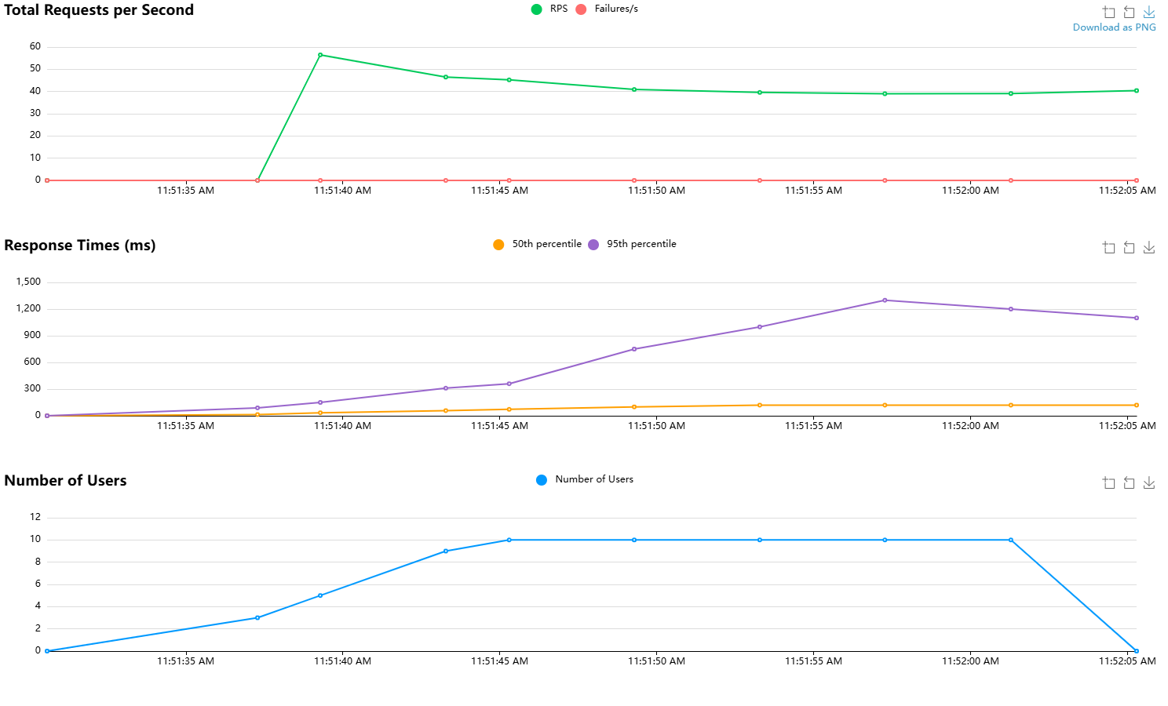

 |  |  |  |  |  |  |  |  |  |  |  |  |  |  |  |  |  |  | # of Users |  |  | 10
 |  |  |  |  |  |  |  |  |  |  |  |  |  |  |  |  |  |  | Ramp/Spawn rate |  |  | 1

client_login
Type | Name | Request Count | Failure Count | Median Response Time | Average Response Time | Min Response Time | Max Response Time | Average Content Size | Requests/s | Failures/s | 50% | 66% | 75% | 80% | 90% | 95% | 98% | 99% | 99.90% | 99.99% | 100%
POST | /client_login | 2212 | 2212 | 56 | 47.63869245 | 6.9288999657 | 194.82430001 | 265 | 144.45807629 | 144.45807629 | 56 | 63 | 67 | 69 | 74 | 77 | 84 | 97 | 130 | 190 | 190
 | Aggregated | 2212 | 2212 | 56 | 47.63869245 | 6.9288999657 | 194.82430001 | 265 | 144.45807629 | 144.45807629 | 56 | 63 | 67 | 69 | 74 | 77 | 84 | 97 | 130 | 190 | 190

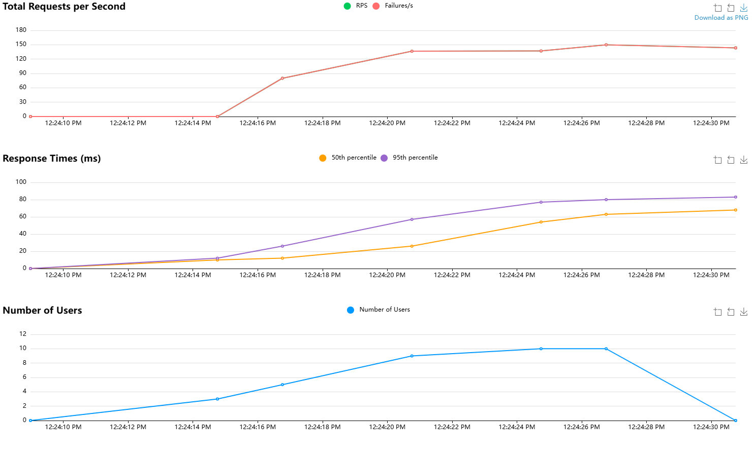
 |  |  |  |  |  |  |  |  |  |  |  |  |  |  |  |  |  |  |  | # of Users |  | 10
 |  |  |  |  |  |  |  |  |  |  |  |  |  |  |  |  |  |  |  | Ramp/Spawn rate |  | 1

