Sheet1
Name | Noman Sharif
ID | 4390
Discipline | SQA
Date | 2022-10-27
Assignment | 5
Bugs Report |  |  |  |  | Bugs Report

S.No | Bug Type | Bug Description | Action Performed | Bug Severity | Bug Issue Type | Bug Frequency | Bug Environment | Expected Result | Actual Result | Attachements

1 | Crash Bug | In this bug, the page becomes unresponsive when clicking on the numbers of results. | 1)Open https://academybugs.com 2)Click the Find Bugs link on the navigation bar 3)Click on the buttons to show a certain number of results at the top left | High | Crash | Every Time | All Browsers | The selected number of results is displayed according to the clicked buttons | The page freezes when clicking on the numbers of results
2 | Functional Bug | In this bug, the product quantity cannot be increased past 2 | 1)Open https://academybugs.com 2)Click the Find Bugs link on the navigation bar 3)Add one or more products to the cart 4)Click the "View cart" link on top of the page 5)Set the products quantity to 3 or more 6)Click "update" below | High | Functional | Every Time | All Browsers | The product quantity can be increased past 2 | When clicking on the update button the product quantity becomes 2 again | 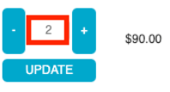
3 | Content Bug | In this bug, the short description and description of the product are not in English. | 1)Open https://academybugs.com 2)Click the Find Bugs link on the navigation bar 3)Open a product | Medium | Contect | Every Time | All Browsers | The short description and description of the product are in English | The short description and description of the product are not in English
4 | Functional Bug | In this bug, the manufacturer link in the product details page is broken. | 1)Open https://academybugs.com 2)Click the Find Bugs link on the navigation bar 3)Open a product 4)Click the manufacturer link under the quantity | Medium | Functional | Every Time | All Browsers | The manufacturer link shows an appropriate page | The manufacturer link opens an error page
5 | Functional Bug | In this bug, the twitter share button in the product details page is broken. | 1)Open https://academybugs.com 2)Click the Find Bugs link on the navigation bar 3)Open a product 4)Click the twitter share button | Medium | Functional | Every Time | All Browsers | The twitter share button shows an appropriate page | The twitter share button shows an error page | 
6 | Performance Bug | In this bug, the My Space share page loads infinitely. | 1)Open https://academybugs.com 2)Click the Find Bugs link on the navigation bar 3)Open a product 4)Click the My Space share link | Low | Performance | Every Time | All Browsers | The user is able to share the product through My Space | My Space share page loads infinitely
7 | Crash Bug | In this bug, the page becomes unresponsive when clicking on the Post Comment button. | 1)Open https://academybugs.com 2)Click the Find Bugs link on the navigation bar 3)Open a product 4)Scroll down to the Leave a Reply section 5)Fill out the comment form 6)Click "Post Comment" | High | Crash | Every Time | All Browsers | The comment is posted under the product | The page becomes unresponsive when clicking on "Post Comment"
8 | Visual Bug | In this bug, item images have unnecessary space underneath. | 1)Open https://academybugs.com 2)Click the Find Bugs link on the navigation bar 3)Open a product 4)Find the Store Menu section in the right side menu 5)Choose All Items | Low | Visual | Every Time | All Browsers | Item images have no space underneath | Item images have unnecessary space underneath | 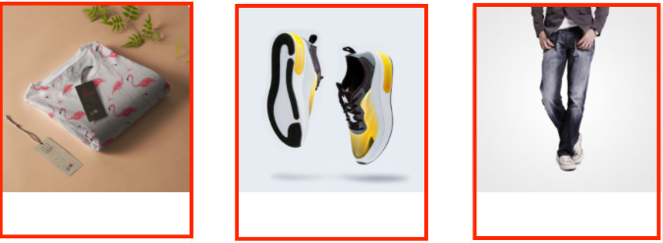
9 | Crash Bug | In this bug, the page freezes when changing the currency. | 1)Open https://academybugs.com 2)Click the Find Bugs link on the navigation bar 3)Open a product 4)Change the currency in the right side menu | High | Crash | Every Time | All Browsers | The currency is changed as expected | The page freezes when changing the currency
10 | Content Bug | In this bug, there is big space before the last letter in "Return to Store". | 1)Open https://academybugs.com 2)Click the Find Bugs link on the navigation bar 3)Open a product 4)Open the cart at the bottom of right side menu 5)Clear the cart if there are any items | Low | Contect | Every Time | All Browsers | The caption of the "Return to Store" button is written with even spacing between letters | There is too much space before the last letter in "Return to Store" | 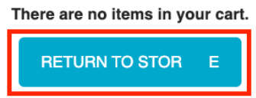
11 | Content Bug | In this bug, the yellow and orange colors of the product are misspelled. | 1)Open https://academybugs.com 2)Click the Find Bugs link on the navigation bar 3)Open a product with color options 4)Choose the Yellow and Orange colors | Low | Contect | Every Time | All Browsers | The yellow and orange colors are spelled correctly | Yellow is misspelled as "Yelow" and Orange as "Orang"
12 | Visual Bug | In this bug, the caption of the Sign In button is misaligned vertically. | 1)Open https://academybugs.com 2)Click the Find Bugs link on the navigation bar 3)Open a product 4)Scroll to the bottom and find the sign in form in the right side menu 5)Enter any login and password that are not registered and click "Sign In" | Low | Visual | Every Time | All Browsers | The caption of the Sign In button is centered vertically | The caption of the Sign In button is misaligned vertically | 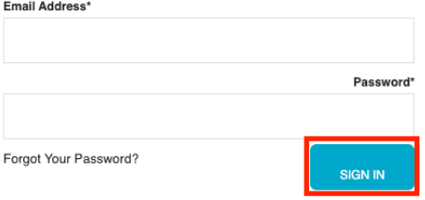
13 | Crash Bug | In this bug, the page becomes unresponsive when clicking on the Retrieve Password button. | 1)Open https://academybugs.com 2)Click the Find Bugs link on the navigation bar 3)Open a product 4)Scroll down to the Your Account section of the right side menu 5)Click "Sign Up" 6)In the Returning Customer section click "Forgot Your Password?" 7)Enter your email in the field and click "Retrieve Password" | High | Crash | Every Time | All Browsers | The password is sent to the entered email | The page becomes unresponsive when clicking on "Retrieve Password" and no email is sent
14 | Content Bug | In this bug, the text under the New User section is not in English. | 1)Open https://academybugs.com 2)Click the Find Bugs link on the navigation bar 3)Open a product 4)Scroll down to the bottom of the right side menu 5)Click "Sign In" to open the sign in page | Low | Contect | Every Time | All Browsers | The text under the New User section is in English | The text under the New User section is in another language | 
15 | Visual Bug | In this bug, the title of the password field is misaligned. | 1)Open https://academybugs.com 2)Click the Find Bugs link on the navigation bar 3)Open a product 4)Scroll down to the bottom of the right side menu 5)Click "Sign In" without filling the form to open the Sign In page | Low | Visual | Every Time | All Browsers | The title of the password field is aligned the same as the field above | The title of the password field is not aligned the same as the field above
16 | Performance Bug | In this bug, the billing address loads infinitely. | 1)Open https://academybugs.com 2)Click the Find Bugs link on the navigation bar 3)Open a product 4)Sign up if you are not signed up or log in at the bottom of 5)right side menu 6)At the bottom of the right side menu select Dashboard Scroll up to the Billing Address section | Medium | Performance | Every Time | All Browsers | The Billing Address section shows appropriate info | The Billing Address section loads infinitely | 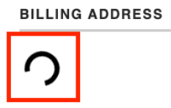
17 | Performance Bug | In this bug, the billing information isn't updated. | 1)Open https://academybugs.com 2)Click the Find Bugs link on the navigation bar 3)Open a product 4)Click "Sign Up" at the bottom of right side menu 4)Sign up with fake data if you are not signed up. Otherwise enter your credentials and log in 5)At the bottom of the right side menu select Billing Information 6)Fill out the billing information form 7)Click "Update" | High | Performance | Every Time | All Browsers | Billing information is updated after filling out the form and clicking "Update" | Billing information loads infinitely after filling out the form and clicking "Update"
18 | Functional Bug | In this bug, the filter by price doesn't work in the product details page. | 1)Open https://academybugs.com 2)Click the Find Bugs link on the navigation bar 3)Open a product 4)On the right side menu find the Filter by Price section 5)Select any of the price ranges | Medium | Functional | Every Time | All Browsers | A list of products in the selected price range is shown | The same page reloads | 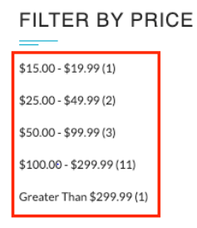
19 | Functional Bug | In this bug, the grand total is $100 more than the sum of all products in the cart. | 1)Open https://academybugs.com 2)Click the Find Bugs link on the navigation bar 3)Add one or more products to the cart 4)Click the "View cart" link on top of the page, or click "Continue to Shipping" in the checkout details page | Critical | Functional | Every Time | All Browsers | The grand total is equal to the sum of all products in the cart | The grand total is $100 more than the sum of all products in the cart | 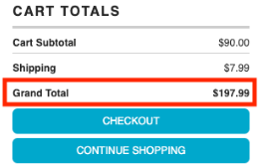
20 | Performance Bug | In this bug, the order history loads infinitely. | 1)Open https://academybugs.com 2)Click the Find Bugs link on the navigation bar 3)Open a product 4)Sign up if you are not signed up or log in at the bottom of right side menu 5)At the bottom of the right side menu select Order History | High | Performance | Every Time | All Browsers | Your Order History section shows appropriate info | Your Order History section loads infinitely
21 | Visual Bug | In this bug, the Sign In button overlaps the footer. | 1)Open https://academybugs.com 2)Click the Find Bugs link on the navigation bar 3)Open a product 4)Scroll down to the bottom of the right side menu | Low | Visual | Every Time | All Browsers | The Sign In button is above the footer | The Sign In button overlaps the footer | 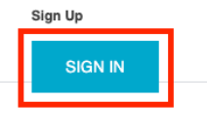
22 | Content Bug | In this bug, there are unreadable symbols in the shopping cart popup. | 1)Open https://academybugs.com 2)Click the Find Bugs link on the navigation bar 3)Add one or more products to the cart 4)Click "View Cart" on top of the page 5)Scroll down to the Shopping Cart section of the right side menu 6)Hover over the Shopping Cart caption | Low | Contect | Every Time | All Browsers | All characters are clear to a regular user | There are unreadable symbols in the shopping cart popup | 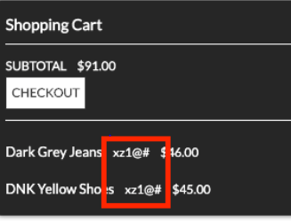
23 | Performance Bug | In this bug, the product in the Hot Item section keeps loading. | 1)Open https://academybugs.com 2)Click the Find Bugs link on the navigation bar 3)Open a product 4)Open the product in the Hot Item section of the right side menu | High | Performance | Every Time | All Browsers | The product in the Hot Item section is displayed | The page loads infinitely | 
24 | Visual Bug | In this bug, the image is not completely displayed. | 1)Open https://academybugs.com 2)Click the Find Bugs link on the navigation bar 3)Click on "Dark Grey Jeans" | Medium | Visual | Every Time | All Browsers | The product image fills the box entirely | The image has a white space on the right | 