SF081 SF Homepage Dashboard
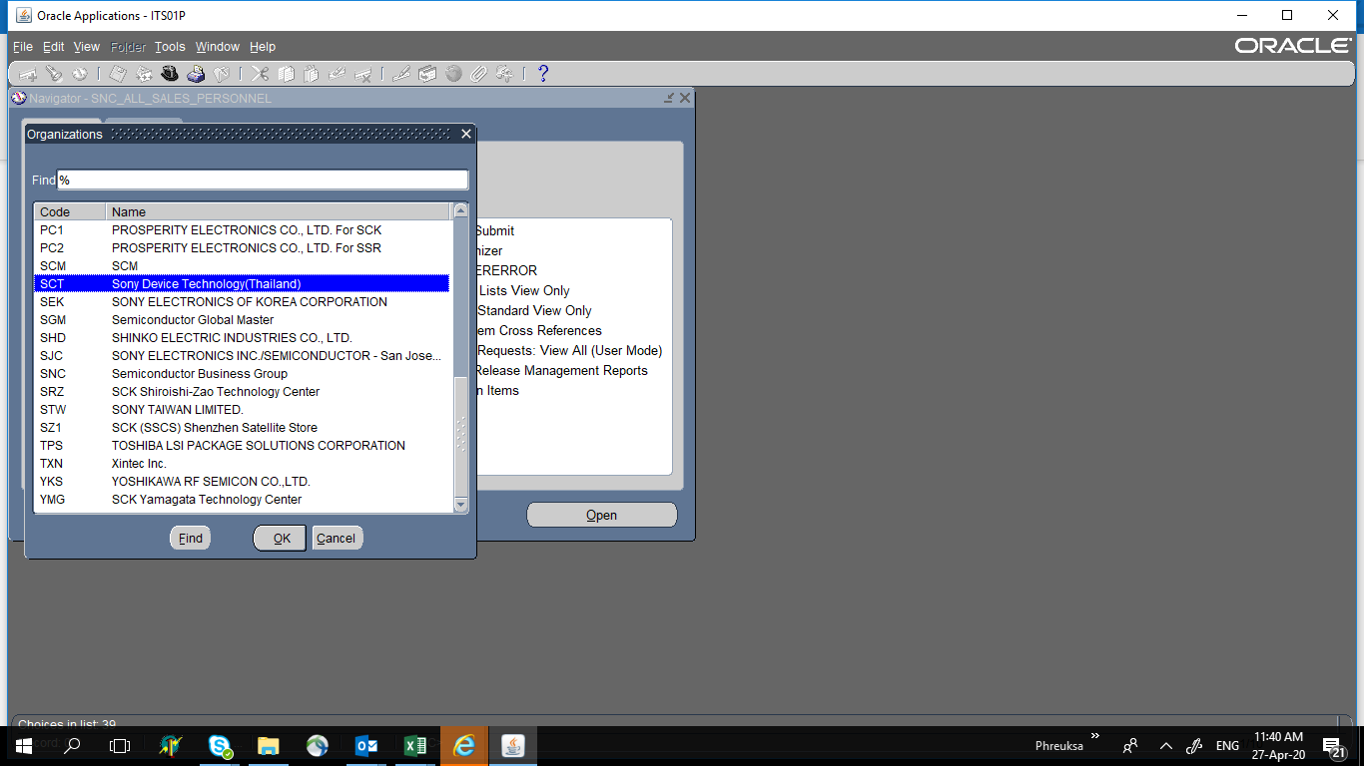
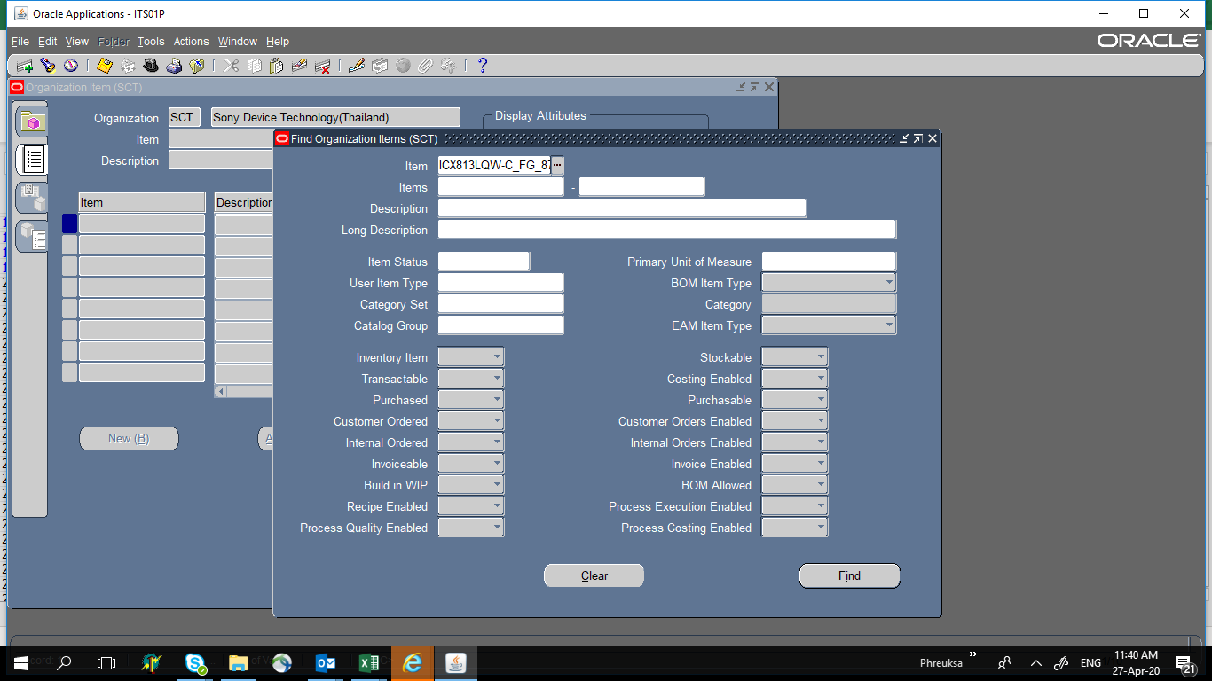
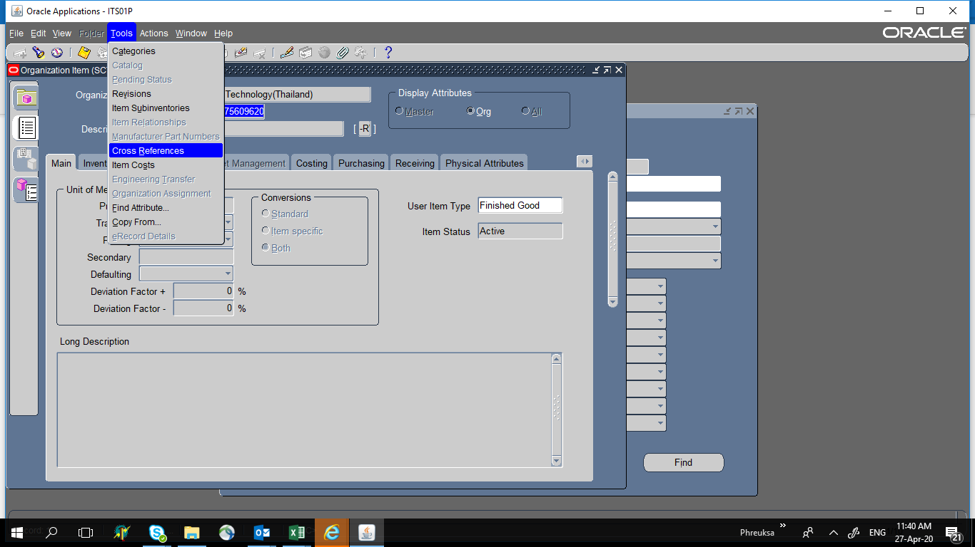
Subject : SF080 SF FAC Dashboard
PIC : Nonthawat (น้องบุ๊ค) , Jirapat (น้องเขม) |  | Plan
Advisor : Nattapong (พี่นัท) |  | Actual
 |  | Delay

Action Plan | Jul’22 |  |  |  | Aug’22 |  |  |  | Sep’22 |  |  |  | Oct’22 |  |  |  | Nov’22 |  |  |  | Dec'22 |  |  |  | Jan'23 |  |  |  | Feb'23 |  |  |  | Mar'23
 | 1 | 2 | 3 | 4 | 1 | 2 | 3 | 4 | 1 | 2 | 3 | 4 | 1 | 2 | 3 | 4 | 1 | 2 | 3 | 4 | 1 | 2 | 3 | 4 | 1 | 2 | 3 | 4 | 1 | 2 | 3 | 4 | 1 | 2 | 3 | 4
1. To study project detail
1.1) concept project
1.2) current situation |  |  |  |  |  |  |  |  |  |  |  |  |  |  |  |  |  |  |  |  |  |  |  |  |  |  |  |  |  |  |  |  |  |  |  |  | 3.1)SQL database
1.3) Requirement |  |  |  |  |  |  |  |  |  |  |  |  |  |  |  |  |  |  |  |  |  |  |  |  |  |  |  |  |  |  |  |  |  |  |  |  | 3.1.1) Database design and creation
1.4) KPI |  |  |  |  |  |  |  |  |  |  |  |  |  |  |  |  |  |  |  |  |  |  |  |  |  |  |  |  |  |  |  |  |  |  |  |  | 3.1.2) Store procedure verify
1.5) Schedule |  |  |  |  |  |  |  |  |  |  |  |  |  |  |  |  |  |  |  |  |  |  |  |  |  |  |  |  |  |  |  |  |  |  |  |  | 3.1.3) Access view
 |  |  |  |  |  |  |  |  |  |  |  |  |  |  |  |  |  |  |  |  |  |  |  |  |  |  |  |  |  |  |  |  |  |  |  |  | 3.1.4) Linkage data
2. Traning
2.1) BIZ knowledge |  |  |  |  |  |  |  |  |  |  |  |  |  |  |  |  |  |  |  |  |  |  |  |  |  |  |  |  |  |  |  |  |  |  |  |  | 3.2) Web Programming
2.2) .NET |  |  |  |  |  |  |  |  |  |  |  |  |  |  |  |  |  |  |  |  |  |  |  |  |  |  |  |  |  |  |  |  |  |  |  |  | 3.2.1) UI and dashboard design
2.3) SQL database |  |  |  |  |  |  |  |  |  |  |  |  |  |  |  |  |  |  |  |  |  |  |  |  |  |  |  |  |  |  |  |  |  |  |  |  | 3.2.2) UI and dashboard creation

3. Create project
3.1 Create Map Layout for temp&humid
3.2 Create Gauage chart for utility
3.3Create pie and column chart for Energy usage
3.4Create homepage for FAC Dashboard
3.5Create pie chart for headcount
3.6Create column chart for HC Transition
3.7Create bar chart for Realtime attendant
3.8Get data link to chart
3.9Create Homepag eUI
3.10Create Sidebar

