Sheet1
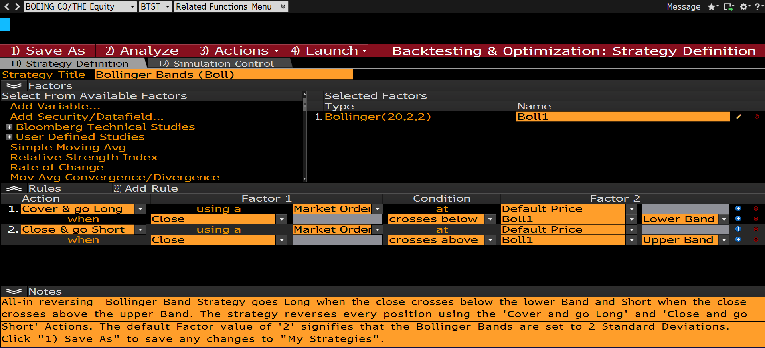

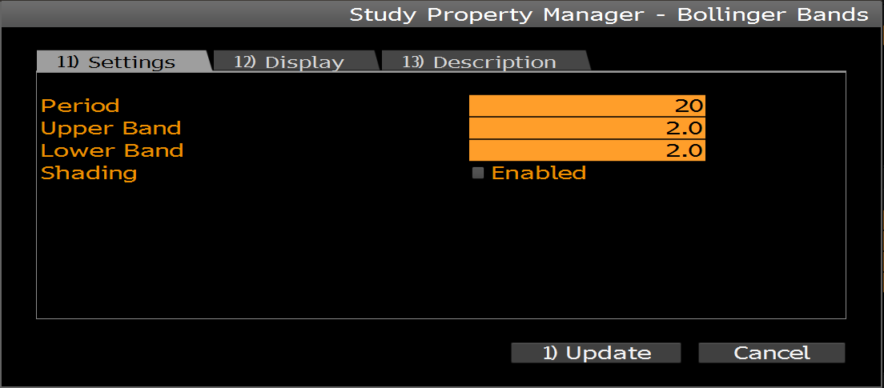

Sheet3
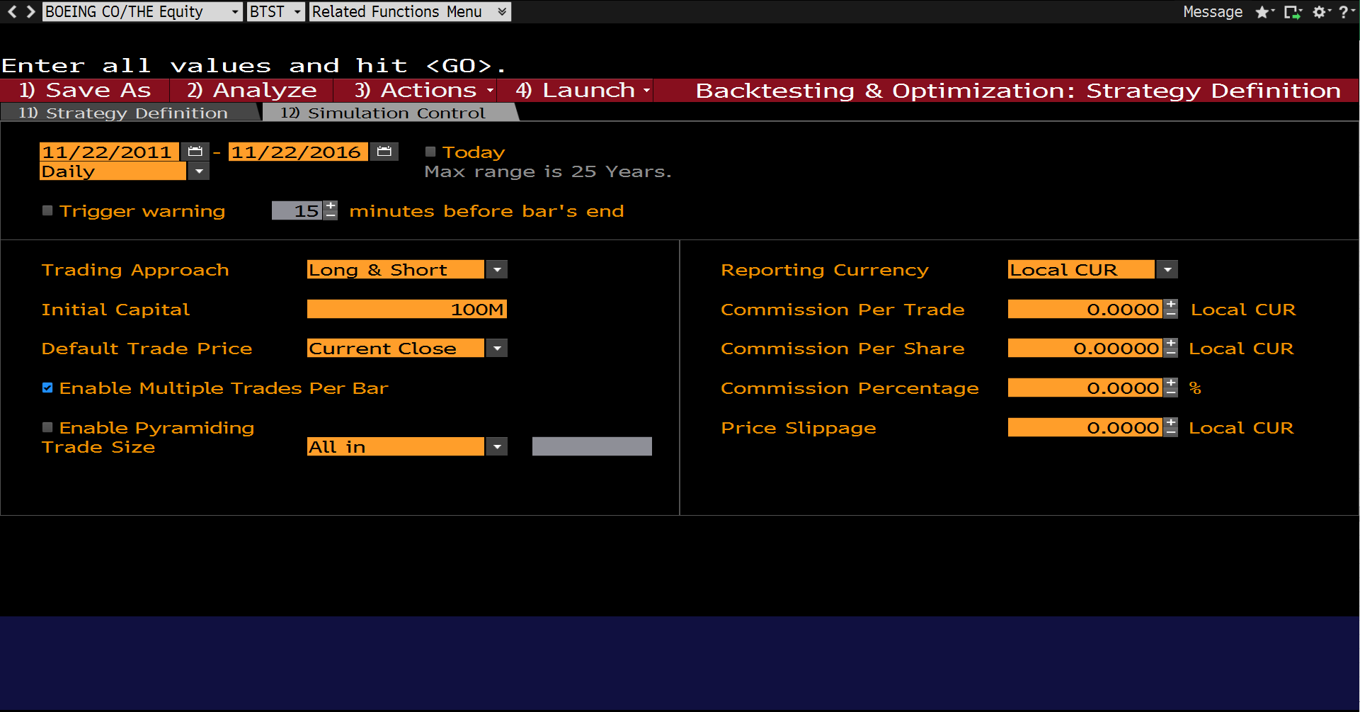

Click Analyze

Sheet4
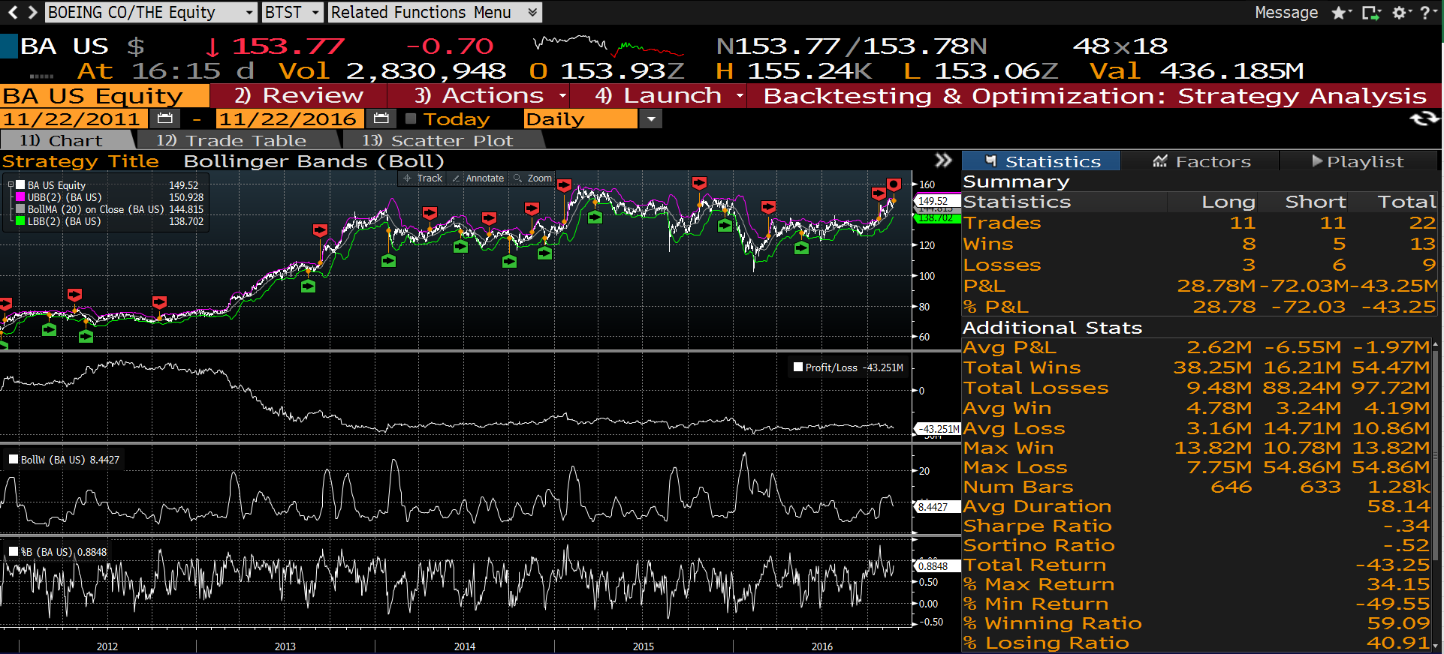

Summary
Statistics | Long | Short | Total
Trades | 11 | 11 | 22
Wins | 8 | 5 | 13
Losses | 3 | 6 | 9
P&L | 28.78M | -72.03M | -43.25M
% P&L | 28.78 | -72.03 | -43.25
Additional Stats
Avg P&L | 2.62M | -6.55M | -1.97M
Total Wins | 38.25M | 16.21M | 54.47M
Total Losses | 9.48M | 88.24M | 97.72M
Avg Win | 4.78M | 3.24M | 4.19M
Avg Loss | 3.16M | 14.71M | 10.86M
Max Win | 13.82M | 10.78M | 13.82M
Max Loss | 7.75M | 54.86M | 54.86M
Num Bars | 646 | 633 | 1.28k
Avg Duration |  |  | 58.14
Sharpe Ratio |  |  | -0.34
Sortino Ratio |  |  | -0.52
Total Return |  |  | -43.25
% Max Return |  |  | 34.15
% Min Return |  |  | -49.55
% Winning Ratio |  |  | 59.09
% Losing Ratio |  |  | 40.91
% Max DD |  |  | 62.39
Max DD Length |  |  | 890
Recovery From Ma |  |  | N/A
Max DD Recovery |  |  | N/A
% Max Increase |  |  | 45.8
Max Increase Len |  |  | 255

Sheet6
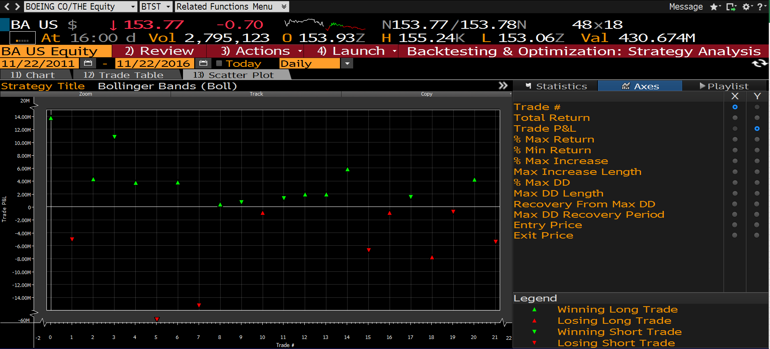

Sheet8
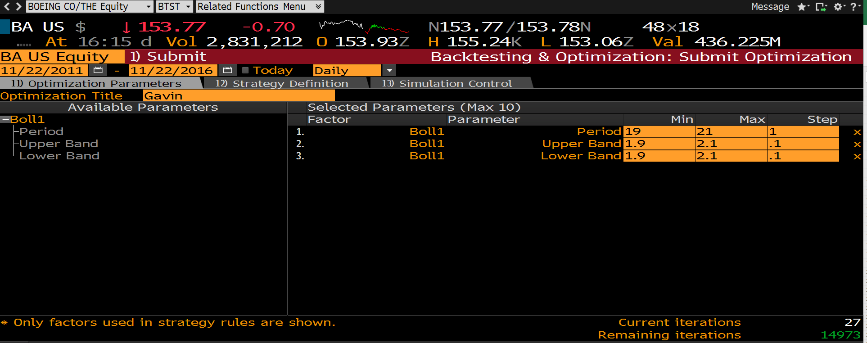

Sheet10
