Alzheimer
Paper | Dataset | Description | Link
Alzheimer’s disease diagnosis using deep learning techniques: datasets, challenges, research gaps and future directions https://drive.google.com/file/d/1qnB_JY0UJnlwW1fwY3PL0HkX1ZkcTNhV/view | Alzheimer’s Disease Neuroimaging Initiative (ADNI) | The ADNI study comprises four distinct cohorts: ADNI-1, ADNI-GO, ADNI-2, and ADNI-3. (MRI, PET, clinical/neuropsychological assessments, and other biological markers) There are 6 classes: Patient = 28, CN = 834, MCI = 671, EMCI = 340, LMCI = 185, AD = 450, SMC = 115. | http://www.adni-info.org
 | Australian Imaging Bio-markers and Lifestyle (AIBL) | (biomarkers, cognitive traits, and lifestyle factors) - dataset comprises longitudinal cohort participant | www.aibl.csiro.au
 | Open Access Series of Imaging Studies (OASIS) | dataset consists of three separate cohorts, namely OASIS-1, OASIS-2, and OASIS-3 OASIS-1 features solely cross-sectional data, while OASIS-2 and OASIS-3 include longitudinal data. OASIS-1 is a collection of cross-sectional MRI data from 434 scan sessions including 416 participants. It was first released in 2007 OASIS-2 is a collection of longitudinal MRI data from 373 imaging sessions in 150 people. In 2010, it was made available OASIS-3 is made up of 1098 subjects’ cross-sectional and longitudinal MRI and PET data. It was released in the year 2018. | www.oasis-brains.org
 | The National Alzheimer’s Coordinating Center (NACC) Database |  | www.alz.washington.edu
 | NIA genetics of Alzheimer’s disease data storage site (NIAGADS) |  | www.niagads.org
 | The AD Knowledge Portal: A Repository for Multi-Omic Data on Alzheimer’s Disease and Aging |  | www.adknowledgeportal.synapse.org
 | LORIS: a web based data management system for multi-center studies |  | www.cbrain.mcgill.ca/loris
 | The Minimal Interval Resonance Imaging in Alzheimer’s Disease (MIRIAD) | comprises longitudinal volumetric T1 MRI scans from 46 individuals diagnosed with mild to moderate AD and 23 control subjects volumetric MRI brain-scan of 46 Alzheimer’s sufferers and 23 healthy elderly people. It includes a total of 708 scans and should be of particular interest for work on longitudinal biomarkers and image analysis. It is also an open-access dataset. | http://miriad.drc.ion.ucl.ac.uk/
 | Critical Path Institute (C-PATH) Online Data Repository (CODR): Coalition Against Major Diseases (CAMD) Alzheimer’s Disease Database |  | https://c-path.org/
 | DementiaBank Dataset | consists of recordings featuring 117 subjects diagnosed with AD and 93 healthy individuals. | https://dementia.talkbank.org/
 | Harvard Aging Brain Study (HABS) Dataset |  | https://www.nmr.mgh.harvard.edu/lab/harvardagingbrain
 | Mayo Clinic Study of Aging dataset (MCSA) |  | https://www.mayo.edu/research/centers-programs/alzheimers-disease-research-center/research-activities/mayo-clinic-study-aging/overview
Machine learning applications in Alzheimer’s disease research: a comprehensive analysis of data sources, methodologies, and insights https://drive.google.com/file/d/1BUwA28krNnsDbQuYfU-gdz7zU92oSjfw/view?usp=drive_link | Alzheimer’s Disease Neuroimaging Initiative (ADNI) | Neuroimaging and genetic datasets for early biomarkers of AD; includes MRI, PET, and clinical data | https://adni.loni.usc.edu/
 | Open Access Series of Imaging Studies (OASIS) | Includes longitudinal and cross-sectional neuroimaging data across OASIS-1, OASIS-2, OASIS-3 cohorts | https://sites.wustl.edu/oasisbrains/
 | Harvard Aging Brain Study (HABS) | Neuroimaging and neuropsychological assessment data of older adults | https://habs.mgh.harvard.edu/
 | Minimal Interval Resonance Imaging in Alzheimer’s Disease (MIRIAD) | Longitudinal MRI scans of individuals with Alzheimer’s disease | https://www.ucl.ac.uk/drc/research-clinical-trials/minimal-interval-resonance-imaging-alzheimers-disease-miriad
 | Japanese Alzheimer’s Disease Neuroimaging Initiative (J-ADNI) | Japanese cohort neuroimaging data for Alzheimer’s research | https://www.alz.org/research/for_researchers/partnerships/wwadni/japan_adni
 | Australian Imaging, Biomarkers & Lifestyle Study of Ageing (AIBL) | Biomarkers, cognitive traits, and lifestyle factors for longitudinal Alzheimer’s disease research | https://aibl.org.au/
 | TADPOLE Challenge | Longitudinal challenge dataset from ADNI for Alzheimer’s disease prediction tasks | https://tadpole.grand-challenge.org/
 | Kaggle - OASIS | Kaggle-hosted version of OASIS dataset including brain imaging data | https://www.kaggle.com/datasets/ninadaithal/imagesoasis
 | IXI Dataset | Brain development MRI data for healthy individuals of various ages | http://brain-development.org/
 | IGAP (International Genomics of Alzheimer's Project) | Large-scale genetic dataset for identifying Alzheimer’s disease-related genes | https://www.niagads.org/datasets/ng00036
 | Korean Longitudinal Study on Cognitive Aging and Dementia (KLOSCAD) | Longitudinal cognitive aging and dementia dataset from South Korea | https://www.maelstrom-research.org/study/kloscad
 | ANMerge | Alzheimer’s disease patient-level dataset combining clinical and biomarker data | https://www.medrxiv.org/content/10.1101/2020.08.04.20168229v1.full
 | GEO GSE5281 (Stephan et al. 2007) | Brain tissue gene expression from 161 individuals (AD vs. normal aging) across six brain regions; data include CEL files for all samples | https://www.ncbi.nlm.nih.gov/gds/?term=GSE5281[ACCN]%20AND%20gsm[ETYP]
 |  | (Bulk RNA-seq) – Hippocampal transcriptomes of 8 AD and 10 control brains | https://www.ncbi.nlm.nih.gov/gds/?term=GSE173955[Accession]
 |  | (Single-nucleus RNA) – Single-nucleus RNA-seq of human entorhinal cortex from 6 AD and 6 control donors (13,214 nuclei) | https://www.ncbi.nlm.nih.gov/gds/?term=GSE138852[Accession]
 | OpenNeuro | Resting-state, eyes-closed EEG from 88 participants (36 AD, 23 FTD, 27 healthy) | https://github.com/OpenNeuroDatasets/ds004504.git
 |  |  | https://openneuro.org/datasets/ds004504/versions/1.0.8
 |  | (EEG recordings) – Eyes-open (photic stimulation) EEG from 88 participants (36 AD, 23 FTD, 29 healthy) | https://github.com/OpenNeuroDatasets/ds006036.git
 | Virginia Open Data Portal | Self-reported public health survey responses (BRFSS), including variables related to Alzheimer’s and dementias, caregiving, cognitive health, overall health behaviors | https://data.virginia.gov/dataset/alzheimers-disease-and-healthy-aging-data
 | Alzheimer’s Dataset (mritunjaybhadauria) | This dataset contains brain MRI scans classified into four distinct categories—Non‑Demented, Very Mild Demented, Mild Demented, and Moderate Demented. | https://www.kaggle.com/datasets/mritunjaybhadauria/alzheimers-dataset/data
 | Alzheimer MRI Disease Classification Dataset by user borhanitrash | This dataset contains brain MRI slices organized into four labeled classes—Non‑Demented, Very Mild Demented, Mild Demented, and Moderate Demented. It's structured for classification tasks, commonly used in deep learning workflows to identify and stage Alzheimer’s disease. Typical setups include augmentation-enhanced training sets and separate validation/testing splits (e.g., ~5,120 training and ~1,280 testing images) | https://www.kaggle.com/datasets/borhanitrash/alzheimer-mri-disease-classification-dataset
 |  |  | https://github.com/DanishAslam7/AD-MRI-Dataset-Classification?utm_source=chatgpt.com
Early detection of Alzheimer’s disease based on the state-of-the-art deep learning approach: a comprehensive survey https://drive.google.com/file/d/1kRgi6CCCbkkDz7CrHo1e2Jea81uz4rN_/view
 | Alzheimer’s Dataset (4 classes of images) | MRI images. The dataset contains two files training and testing each of them containing 5121 and 1279 images respectively. There are 4 classes in training file: Mild Demented = 717, Very Mild Demented = 1792, Moderate Demented = 52, Non Demented = 2560. The original dataset link had been removed from kaggle so I found a copy | https://www.kaggle.com/datasets/marcopinamonti/alzheimer-mri-4-classes-dataset?select=Alzheimer_MRI_4_classes_dataset
 | COBRE (CENTR for biomedical research excellence)
 | FBIRN (Function Biomedical Informatics Research Network)
 | OASIS
 | ADNI
 | MIRIAD
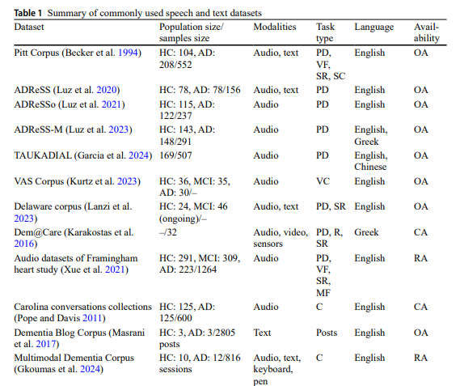
Speech based detection of Alzheimer’s disease: a survey of AI techniques, datasets and challenges https://drive.google.com/file/d/1fp91pcRi55Ntzi9ahTC9DRNu01KJqDX5/view | The paper talks in detail about each dataset with their type and size. It also has tables containing Summary of machine learning methods used for AD detection. Has also provided tables for 3 datasets, listing the different models used on them with evalution metrics Talks about Transfer Learning, Ensemble Learning, Multimodal Learning. No mention of fedreated learning.

Brain Stroke
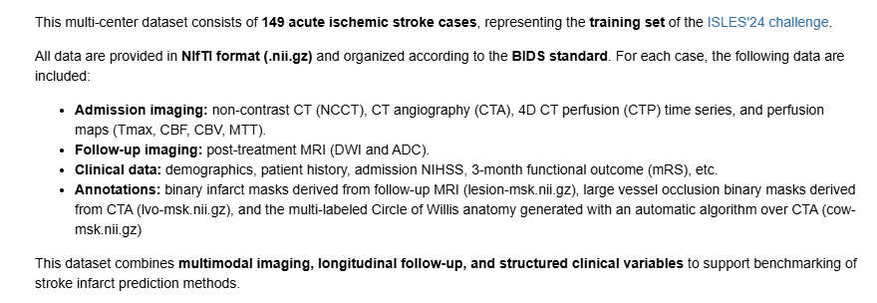
Paper | Dataset | Description | Link | Downloadable | Model Used | Model Availabillity on Kaggle
A large, curated, open-source stroke neuroimaging dataset to improve lesion segmentation algorithms https://www.medrxiv.org/content/10.1101/2021.12.09.21267554v1? | ATLAS v2.0 | 955 T1-weighted MRI scans from stroke patients with 655 scans manually traced lesion masks (segmentation) while 300 werenot | ATLAS v2.0 – NITRC | requires registration | transformer-enhanced U-Net | No
DeepISLES: a clinically validated ischemic stroke segmentation model from the ISLES'22 challenge https://www.nature.com/articles/s41467-025-62373-x? | ISLES 2022 | This dataset comprises 400 multi-vendor MRI cases with high variability in stroke lesion size, quantity and location. It is split into a training dataset of n=250 and a test dataset of n=150 | ISLES 2022 – Zenodo | Yes (open download) | 3D U-Net, nnU-Net, Swin-UNETR, ensemble CNNs/Transformers | No
Automatic comprehensive radiological reports for clinical acute stroke MRIs https://pubmed.ncbi.nlm.nih.gov/37430103/ | ICPSR Stroke MRI | 2,888 acute stroke MRIs (ischemic & some hemorrhagic). Multi-modal: DWI, ADC, T1, T2, FLAIR, PWI, SWI. this paper used 1,878 annotated MRIs | ICPSR 38464 | Restricted (Data Use Agreement) | U-Net CNN for stroke lesion segmentation + Random Forest | No
 | ISLES 2024 |  | Ischemic Stroke Lesion Segmentation Challenge 2024 | Yes (requires registeration) https://zenodo.org/records/16970401/files/train.7z?download=1

