Stroke -Federated
 | Research | Link | Publish Date | Model | Dataset Type | Dataset Source | Performance Metrics | Link to code + Resources
HUMA | Federative ischemic stroke segmentation as alternative to overcome domain-shift multi-institution challenges | https://www.arxiv.org/pdf/2508.18296 | 2025-08-22 | nnUNet-used as the segmentation backbone in local cente FL rules evaluated: -FedAvg -VanillaAvg -Beta Weighting rule -Softmax weighting -FedProx | MRI scans specifically from Diffusion Weighted Imaging (DWI) sequences, and Apparent Diffusion Coefficient (ADC) parametric maps. | Public datasets: ISLES 2022,2024 SOOP dataset Two private datasets from Fundación Oftalmológica de Santander (FOSCAL) and FOSUNAB clinics in Colombia. | Centralized baseline (large centers): DSC = 0.71 ± 0.25, AVD = 5.57 ± 24.74, etc. FedAvg slightly outperforms in some metrics For limited (out-of-distribution) centers, FedAvg results: DSC ≈ 0.64 ± 0.29, AVD ≈ 4.44 ± 8.74. | https://gitlab.com/bivl2ab/research/publications/2025_fed-ischemic-stroke
 | A Federated Learning Platform as a Service for Advancing Stroke Management in European Clinical Centers | https://arxiv.org/html/2410.13869v1 | 2024-10-26 | multi-layer perceptron (MLP):with two hidden layers, each of 512 units, activation function tanh, dropout rate 0.5. The aggregation / FL methods used: ∙ FedAvg ∙ FedProx ∙ FedDyn ∙ SCAFFOLD | Tabular data (patient records / demographic / risk-factors etc.), not imaging. Target is stroke prediction (likelihood of stroke) rather than segmenting lesions or imaging tasks. | Stroke Prediction Dataset (publicly available on Kaggle) | Precision, Recall, F1-Score, and AUPRC were used. Results (mean ± std): Local: 19.65±1.97 / 47.46±1.75 / 27.62±2.86 / 11.95±1.75; Centralized: 20.75±1.97 / 61.20±5.93 / 30.98±2.84 / 14.67±2.07; FedAvg: 17.09±0.91 / 70.00±2.00 / 27.47±1.26 / 13.44±0.80; FedProx: 15.64±0.46 / 66.80±1.09 / 25.34±0.65 / 12.45±0.39; FedDyn: 15.29±0.56 / 66.40±1.67 / 24.85±0.82 / 11.80±0.50; SCAFFOLD: 16.28±1.16 / 62.40±2.61 / 25.80±1.51 / 12.00±0.82.
 | TeleStroke: real-time stroke detection with federated learning and YOLOv8 on edge devices | https://link.springer.com/article/10.1007/s11554-024-01500-1 | 2024-06-26 | YOLOv8 family (YOLOv8n, YOLOv8s, YOLOv8m, YOLOv8l, YOLOv8x). Compared against YOLOv5n, YOLOv7, YOLOv7x for baseline performance. Federated Learning setup with 3 simulated clients + central server, trained with FedAvg | Image dataset (JPG format) of human faces. Two categories: 1)Stroke (with facial paralysis) 2)Non-stroke (normal) | Dataset created for this study: Total images: 3745 (1245 stroke, 2500 non-stroke) Data was collected, labeled, and augmented (flipping, rotating, scaling). Private dataset | YOLOv8l, YOLOv8m, YOLOv8s, YOLOv8x → Precision, Recall, F1-score ~ 0.95–1.0 (plateaued close to maximum value after ~30 epochs). mAP also ~0.95–1.0, indicating consistently strong detection YOLOv8n (lightweight model) → Precision, Recall, F1, and mAP improved rapidly in early epochs, but plateaued at lower values (~0.80–0.85), showing weaker accuracy compared to larger YOLOv8 models. Server (global model) consistently outperformed or matched clients: mAP: rose quickly to ~0.9–0.95 within 5 FL rounds. Precision: stabilized ~0.9–0.95. Recall: stabilized ~0.9–0.95. Clients showed slightly lower and more variable values (due to heterogeneous local datasets), but converged toward server performance
 | Federated Learning for MRI-based BrainAGE: multicenter study on post-stroke functional outcome prediction | https://arxiv.org/abs/2506.15626 | (~18 Jun 2025) | Deep Learning & ML models under FL vs centralized vs single-site | MRI (FLAIR) images of ischemic stroke patients | Public/consortium MRI data from 16 hospital centers; used in the study. 1674 stroke patients | While centralized learning yielded the most accurate predictions, FL consistently outperformed single-site models. BrainAGE was significantly higher in patients with diabetes mellitus across all models. Comparisons between patients with good and poor functional outcomes, and multivariate predictions of these outcomes showed the significance of the association between BrainAGE and post-stroke recovery. | The paper provides methodology; code availability not clearly stated in the abstract. arXiv
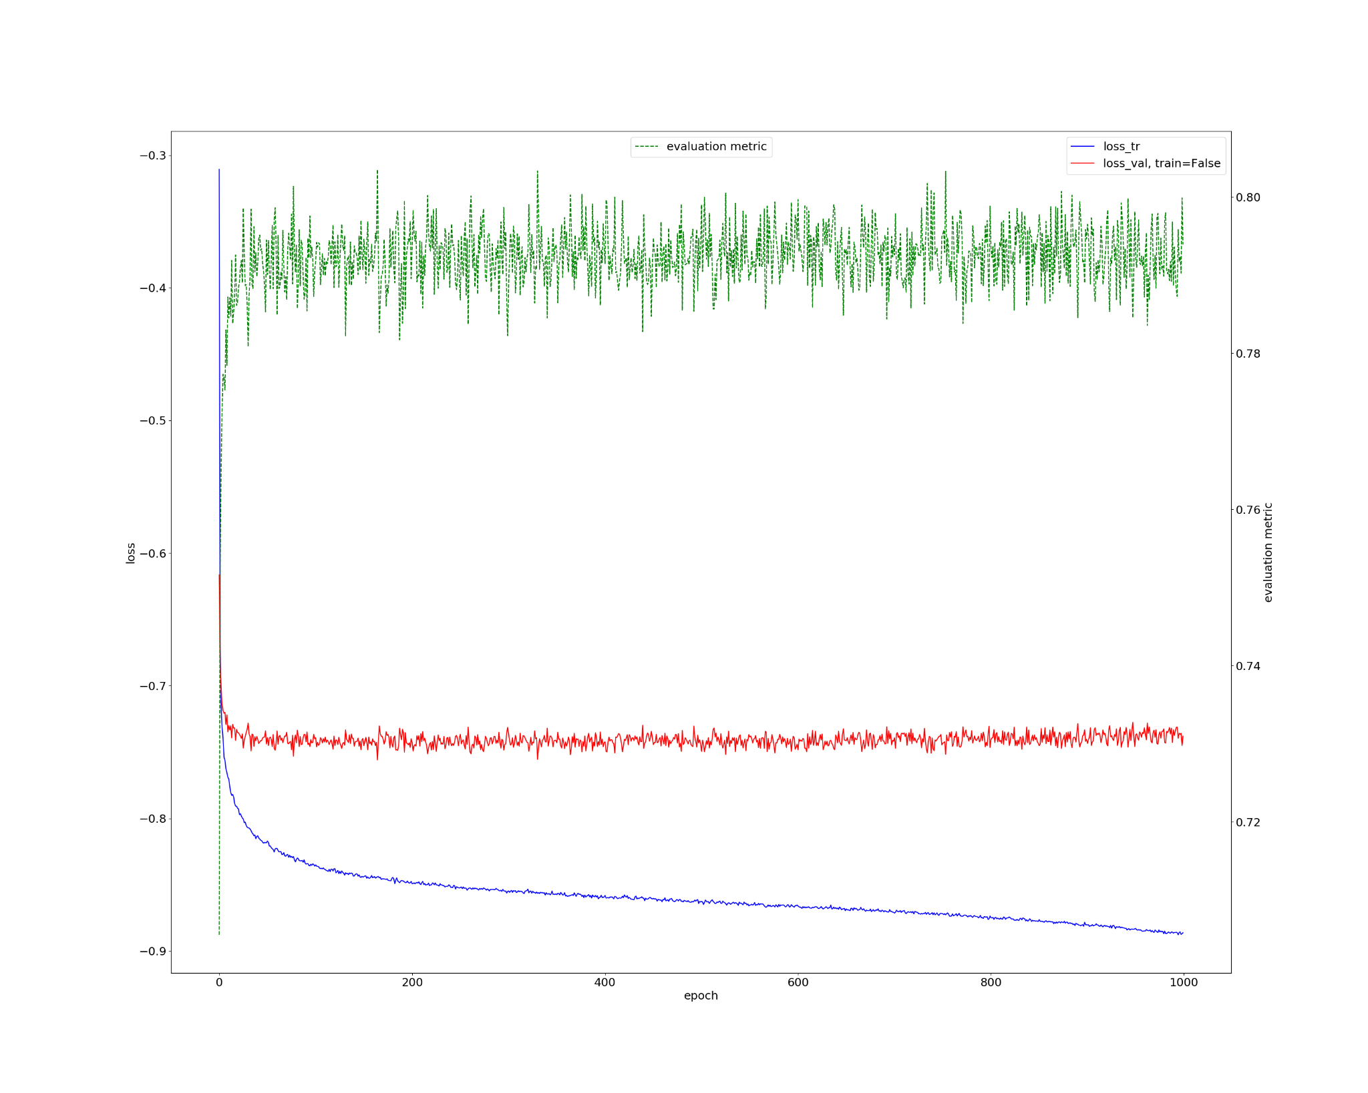
HUMA | In-silo federated learning vs. centralized learning for segmenting acute and chronic ischemic brain lesions. | https://www.sciencedirect.com/science/article/pii/S2666521225000870 | 2025-08-04 | Task I (Acute lesions): Segment acute ischemic lesions using diffusion-weighted MRI (DWI). Task II (Chronic lesions): Segment chronic ischemic lesions (white matter hyperintensities, WMH) using FLAIR MRI. STU-Net → for acute ischemic lesion segmentation (Task I) U-Net → for chronic ischemic lesion segmentation (Task II) Aggregation methods in FL: FedYogi (Task I) FedAvg (Task II) | Task I: Diffusion-Weighted Imaging (DWI) MRIs for acute ischemic lesions. Task II: Fluid-Attenuated Inversion Recovery (FLAIR) MRIs for chronic ischemic lesions (WMH). | Private Datasets | Metric used: Dice Similarity Coefficient (DSC) (measures overlap between predicted and actual lesion regions). ->Task I (Acute lesion segmentation – STU-Net, DWI): FL (FedYogi, with batch clipping, 360 epochs): DSC = 0.754 ± 0.183 CL (360 epochs): DSC = 0.691 ± 0.229 Best CL model (940 epochs): DSC = 0.755 ± 0.207 FL (1000 epochs): DSC = 0.776 ± 0.170 (outperformed CL). ->Task II (Chronic lesion segmentation – U-Net, FLAIR): FL (with clipping, 48 epochs): DSC = 0.761 ± 0.299 FL (no clipping, 48 epochs): DSC = 0.751 ± 0.304 CL (48 epochs): DSC = 0.744 ± 0.304 Overall: FL matched or outperformed CL, while reducing training time with batch clipping. | https://github.com/MIC-DKFZ/nnUNet?tab=readme-ov-file | https://www.kaggle.com/code/victorfernandezalbor/brats-20-win-nnunet-segment-with-brats-21-rsna/output | X-axis: Number of epochs (training iterations) Left Y-axis: Loss value Right Y-axis: Evaluation metric (Dice score) Blue line (loss_tr) – training loss Red line (loss_val, train=False) – validation loss Green dotted line (evaluation metric) – Dice score | Training loss (blue) Starts high and steadily decreases, meaning the model is learning well on the training data. Validation loss (red) Decreases quickly at first, then stabilizes, showing that the model has stopped improving much on unseen data. Evaluation metric (green dotted, Dice score) Dice starts lower (~0.72) and quickly rises and stabilizes around 0.78–0.80, meaning the model achieves around 78–80% overlap accuracy between predicted and ground truth segmentations.
NOOR | Feasibility of Federated Learning from Client Databases with Different Brain Diseases and MRI Modalities | https://openaccess.thecvf.com/content/WACV2025/papers/Wagner_Feasibility_of_Federated_Learning_from_Client_Databases_with_Different_Brain_WACV_2025_paper.pdf | 2025 | Backbone architecture: A Residual U‐Net 3D segmentation model. Variants of normalization layers with that backbone: Batch Normalization, Instance Normalization, Group Normalization,Normalization‐Free | MRI brain scans with segmentation masks of lesions/pathologies Diseases/pathologies include: Stroke lesions (from ATLAS v2.0, ISLES),Brain tumours (BRATS, “Tumor2”),Multiple Sclerosis (MSSEG),Traumatic,Brain Injury (TBI),White Matter Hyperintensities (WMH) | ATLAS v2.0, BRATS (via Medical Segmentation Decathlon), MSSEG, TBI, WMH, ISLES 2015 (SISS), Tumor2 | The Federated Learning model (FedAvg) achieved a Dice score of 0.71 ± 0.24, matching centralized training but with better generalization across hospitals. It also slightly improved Lesion F1 (0.70 vs 0.69) and reduced errors in lesion volume (AVD: 5.29 mL vs 5.57 mL) and lesion count (ALD: 2.16 vs 2.33) compared to centralized models. The Patient Relative Error (PRE) was lower in FL (0.57) than centralized (0.58), showing stronger robustness in ranking performance. Overall, FL preserved accuracy while handling domain shifts and offered more stable performance, especially for small/medium lesions and out-of-distribution sites. |  | MULTIPLE DISEASE
 | Federated GNNs for EEG-Based Stroke Assessment | arXiv:2411.02286 | 2024-11-04 | Graph Neural Network under Federated Learning + masked self-attention mechanism | EEG signals | Public EEG datasets from 4 medical institutions (stroke patients) | Mean Absolute Error (MAE) ≈ 3.23 in predicting NIH Stroke Scale (NIHSS) (close to human expert error ~3.0) | Code not clearly linked in the abstract, but the paper includes detailed method & evaluation.
 | Prediction of Brain Stroke Using Federated Learning | https://www.researchgate.net/publication/389070386_Prediction_of_Brain_Stroke_Using_Federated_Learning

