Position Test 02-28
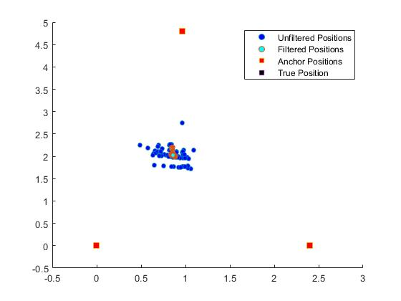

 | Mean Error | STD X | STD Y | STD RANGE
Unfiltered | 26.3191 | 0.1278 | 0.1939 | 0.2322
Kalman | 26.2617 | 0.0141 | 0.0604 | 0.062
Note: | True Position was wrongfully stored | First 20 Datapoints Removed

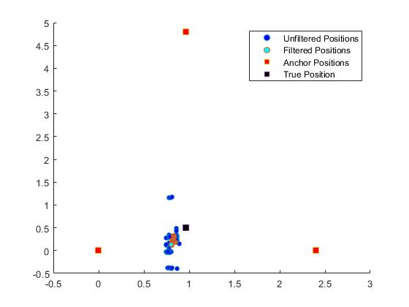
 | Mean Error | STD X | STD Y | STD RANGE
Unfiltered | 0.4083 | 0.0408 | 0.3183 | 0.3209
Kalman | 0.2922 | 0.0131 | 0.0742 | 0.0754
Note: | First 20 Datapoints Removed

