Market Share
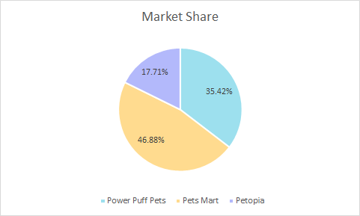
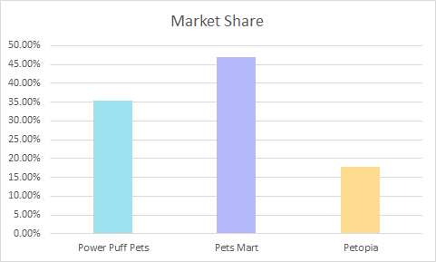
Annual Market share
Company | Year 1 MS | Market Share
Power Puff Pets | $34.00 | 35.42%
Pets Mart | $45.00 | 46.88%
Petopia | $17.00 | 17.71%
Total Industry Sales | $96.00 | 100.00%

Definition: | A companies market share is its portion of total sales in relation to the market or industry in which it operates.

