RocketProp Data
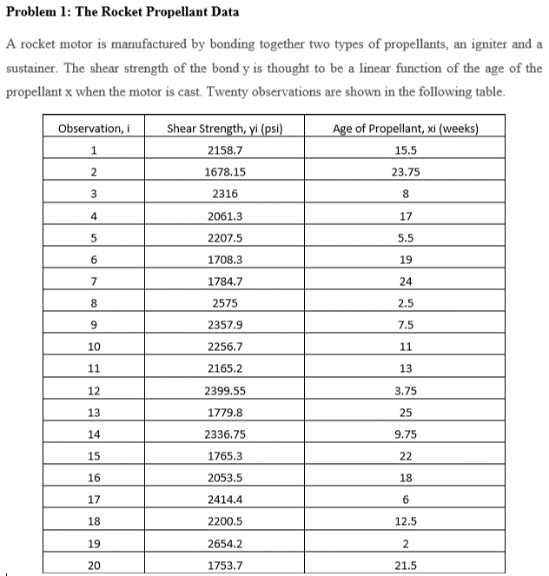
Shear Strength, yi (psi) | Age of Propellant, xi (weeks)
2158.7 | 15.5
1678.15 | 23.75
2316 | 8
2061.3 | 17
2207.5 | 5.5
1708.3 | 19
1784.7 | 24
2575 | 2.5
2357.9 | 7.5
2256.7 | 11
2165.2 | 13
2399.55 | 3.75
1779.8 | 25
2336.75 | 9.75
1765.3 | 22
2053.5 | 18
2414.4 | 6
2200.5 | 12.5
2654.2 | 2
1753.7 | 21.5

