Trial Map 2
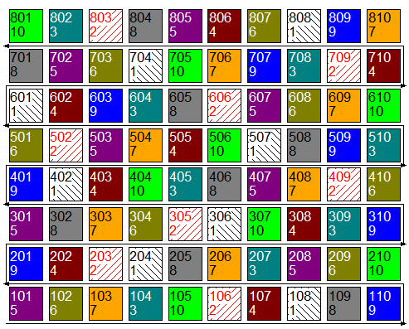
May-1-2025 (NMFT25-SFB-01) ARM 2025.1 Trial Map Page 2 of 4
Nordic microbes
Testing new types of formulations in faba beans for Nordic microbes.
Trial ID: | NMFT25-SFB-01
Protocol ID: | NMFT25-SFB | Location: |  | Trial Year: | 2025
Study Director: | Nihal Tissera | Sponsor Contact: | Sofie Rosengaard Noerholm
Investigator: | Nihal Tissera

Trial Map Treatment Description
Trt | Code | Description
1 | CHK | CHK
2 | REF | NM 1
3 |  | NM 2
4 |  | NM 3
5 |  | NM 4
6 |  | NM 5
7 |  | NM 6
8 |  | NM 7
9 |  | NM 8
10 |  | NM 9

