Preface
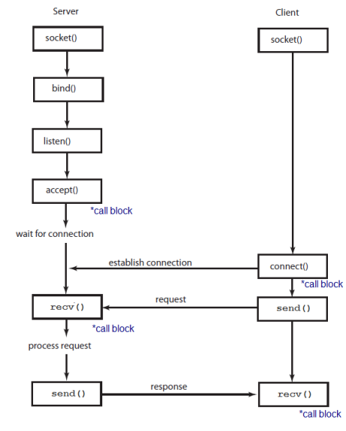

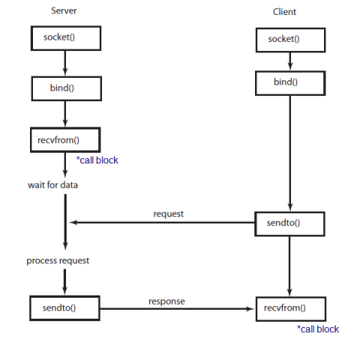

 | TCP Client/Server |  |  |  |  |  |  |  |  | UDP Client/Server

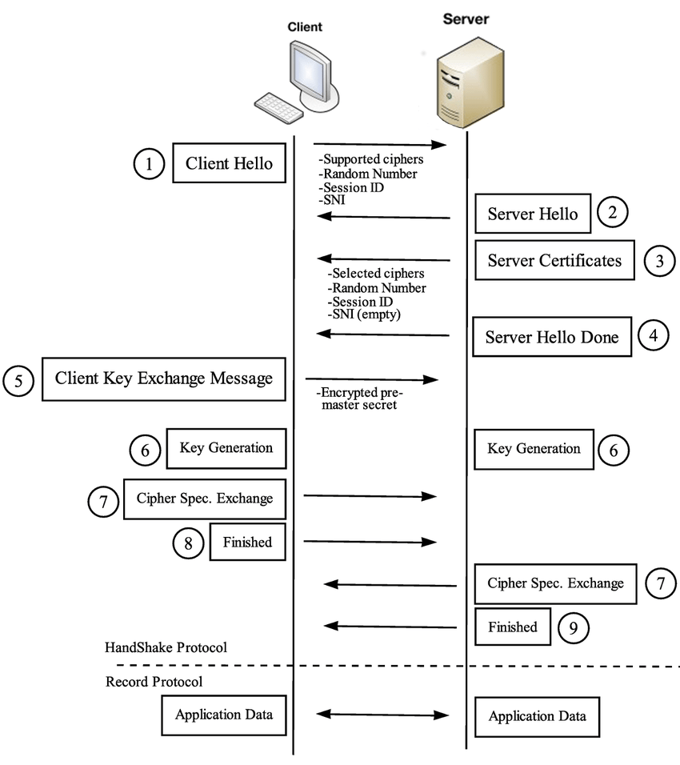
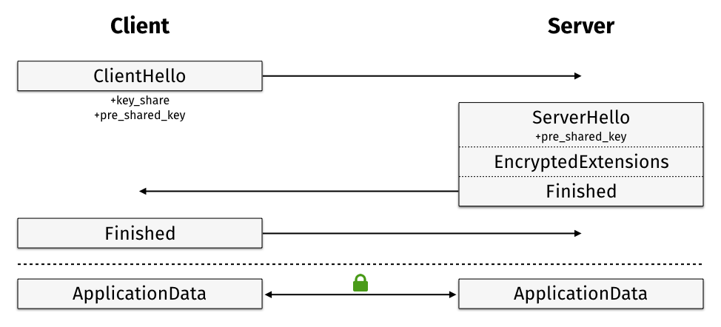

 |  |  |  |  |  |  |  |  |  |  | (D)TLS v1.2 with PSK

 |  | (D)TLS v1.2 hand-shake

Role | AT#XSOCKET | AT#XBIND | AT#XLISTEN | AT#XACCEPT | AT#XCONNECT | AT#XSEND | AT#XRECV | AT#XSENDTO | AT#XRECVFROM
TCP client | 〇 | 〇 |  |  | 〇 | 〇 | 〇
UPD client | 〇 | 〇 |  |  | 〇 | 〇 | 〇 | 〇 | 〇
TLS client | 〇 | 〇 |  |  | 〇 | 〇 | 〇
DTLS client | 〇 | 〇 |  |  | 〇 | 〇 | 〇
TCP server | 〇 | 〇 | 〇 | 〇 | 〇 | 〇 | 〇
UDP server | 〇 | 〇 |  |  |  |  |  | 〇 | 〇
TLS server | 〇 | 〇 | 〇 | 〇 | 〇 | 〇 | 〇
DTLS server | 〇 | 〇 |  |  | 〇 | 〇 | 〇

＊（D）TLS server role is not supported yet

