Pivot Table1
country | (All)

 | canceled | failed | successful
film & video | 40 | 180 | 300
food | 20 | 140 | 34
games |  | 140 | 80
journalism | 24
music | 20 | 120 | 540
photography |  | 117 | 103
publishing | 30 | 127 | 80
technology | 178 | 213 | 209
theater | 37 | 493 | 839
Count of state | Column Labels
Row Labels | canceled | failed | successful | Grand Total
film & video | 40 | 180 | 300 | 520
food | 20 | 140 | 34 | 194
games |  | 140 | 80 | 220
journalism | 24 |  |  | 24
music | 20 | 120 | 540 | 680
photography |  | 117 | 103 | 220
publishing | 30 | 127 | 80 | 237
technology | 178 | 213 | 209 | 600
theater | 37 | 493 | 839 | 1369
Grand Total | 349 | 1530 | 2185 | 4064

Category |  |  |  |  | % of Success
film & video | 40 | 180 | 300 | 520 | 57.69%
food | 20 | 140 | 34 | 194 | 17.53%
games |  | 140 | 80 | 220 | 36.36%
journalism | 24 |  |  | 24 | 0.00%
music | 20 | 120 | 540 | 680 | 79.41%
photography |  | 117 | 103 | 220 | 46.82%
publishing | 30 | 127 | 80 | 237 | 33.76%
Success Rate by Industry
technology | 178 | 213 | 209 | 600 | 34.83%
theater | 37 | 493 | 839 | 1369 | 61.29%

Pivot Table2
 | canceled | failed | successful
animation |  | 100
art books | 20
audio | 24
children's books |  | 40
classical music |  |  | 40
documentary |  |  | 180
drama |  | 80
electronic music |  |  | 40
faith |  | 40
fiction |  | 40
food trucks | 20 | 120
gadgets |  | 20
hardware |  |  | 140
indie rock |  | 20 | 140
jazz |  | 60
makerspaces |  | 11 | 9
metal |  |  | 20
mobile games |  | 40
musical | 20 | 60 | 60
nature |  | 20
nonfiction |  |  | 60
people |  | 20
photobooks |  | 57 | 103
places |  | 20
plays |  | 353 | 694
pop |  |  | 40
radio & podcasts |  |  | 20
restaurants |  | 20
rock |  |  | 260
science fiction | 40
shorts |  |  | 60
small batch |  |  | 34
space exploration | 18 | 2 | 40
spaces | 17 | 80 | 85
tabletop games |  |  | 80
television |  |  | 60
translations | 10 | 47
video games |  | 100
wearables | 60 | 120 | 20
web | 100 | 60
world music | 20
country | (All)
Category | (All)

Count of state | Column Labels
Row Labels | canceled | failed | successful | Grand Total
animation |  | 100 |  | 100
art books | 20 |  |  | 20
audio | 24 |  |  | 24
children's books |  | 40 |  | 40
classical music |  |  | 40 | 40
documentary |  |  | 180 | 180
drama |  | 80 |  | 80
electronic music |  |  | 40 | 40
faith |  | 40 |  | 40
fiction |  | 40 |  | 40
food trucks | 20 | 120 |  | 140
gadgets |  | 20 |  | 20
hardware |  |  | 140 | 140
indie rock |  | 20 | 140 | 160
jazz |  | 60 |  | 60
makerspaces |  | 11 | 9 | 20
metal |  |  | 20 | 20
mobile games |  | 40 |  | 40
musical | 20 | 60 | 60 | 140
nature |  | 20 |  | 20
nonfiction |  |  | 60 | 60
people |  | 20 |  | 20
photobooks |  | 57 | 103 | 160
places |  | 20 |  | 20
plays |  | 353 | 694 | 1047
pop |  |  | 40 | 40
radio & podcasts |  |  | 20 | 20
restaurants |  | 20 |  | 20
rock |  |  | 260 | 260
science fiction | 40 |  |  | 40
shorts |  |  | 60 | 60
small batch |  |  | 34 | 34
space exploration | 18 | 2 | 40 | 60
spaces | 17 | 80 | 85 | 182
tabletop games |  |  | 80 | 80
television |  |  | 60 | 60
translations | 10 | 47 |  | 57
video games |  | 100 |  | 100
wearables | 60 | 120 | 20 | 200
web | 100 | 60 |  | 160
world music | 20 |  |  | 20
Grand Total | 349 | 1530 | 2185 | 4064

Pivot Table3
 | canceled | failed | live | successful
Jan | 34 | 149 | 2 | 183
Feb | 27 | 105 | 18 | 202
Mar | 28 | 108 | 30 | 179
Apr | 27 | 103 |  | 193
May | 26 | 126 |  | 233
Jun | 27 | 148 |  | 213
Jul | 44 | 148 |  | 192
Aug | 32 | 134 |  | 167
Sep | 24 | 127 |  | 148
Oct | 20 | 150 |  | 184
Nov | 37 | 113 |  | 180
Dec | 23 | 119 |  | 111
Years | (All)
Category | (All)

Count of state | Column Labels
Row Labels | canceled | failed | live | successful | Grand Total
Jan | 34 | 149 | 2 | 183 | 368
Feb | 27 | 105 | 18 | 202 | 352
Mar | 28 | 108 | 30 | 179 | 345
Apr | 27 | 103 |  | 193 | 323
May | 26 | 126 |  | 233 | 385
Jun | 27 | 148 |  | 213 | 388
Jul | 44 | 148 |  | 192 | 384
Aug | 32 | 134 |  | 167 | 333
Sep | 24 | 127 |  | 148 | 299
Oct | 20 | 150 |  | 184 | 354
Nov | 37 | 113 |  | 180 | 330
Dec | 23 | 119 |  | 111 | 253
Grand Total | 349 | 1530 | 50 | 2185 | 4114

Starters Count
Starters Count (2009 - 2016)

country | (All)

Count of state | Column Labels
Row Labels | canceled | failed | successful | Grand Total
2009 | 1 | 4 | 9 | 14
2010 | 1 | 15 | 49 | 65
2011 | 7 | 28 | 136 | 171
2012 | 6 | 60 | 216 | 282
2013 | 7 | 67 | 200 | 274
2014 | 80 | 422 | 474 | 976
2015 | 131 | 528 | 567 | 1226
2016 | 99 | 375 | 475 | 949
Grand Total | 332 | 1499 | 2126 | 3957

Starters Count by Country
Starters Count by Country
Count of state | Column Labels
Row Labels | canceled | failed | successful | Grand Total
AU | 14 | 41 | 19 | 74
CA | 17 | 64 | 64 | 145
GB | 25 | 205 | 366 | 596
US | 257 | 1097 | 1651 | 3005
Grand Total | 313 | 1407 | 2100 | 3820

Funding by Country
Funding by Country
Row Labels | Sum of pledged
AU | 714202.52
CA | 769589.05
DE | 1909861.63
GB | 3498056.14
US | 36182652.57
Grand Total | 43074361.91

Success Rate by Year
Count of state | Column Labels
Row Labels | canceled | failed | successful | Grand Total
2009 | 1 | 4 | 7 | 12
2010 | 1 | 14 | 43 | 58
2011 | 6 | 24 | 128 | 158
2012 | 7 | 58 | 221 | 286
2013 | 7 | 67 | 198 | 272
2014 | 68 | 381 | 458 | 907
2015 | 137 | 540 | 575 | 1252
2016 | 97 | 380 | 471 | 948
2017 | 25 | 62 | 84 | 171
Grand Total | 349 | 1530 | 2185 | 4064

Years |  |  |  |  | Success Rate
2009 | 1 | 4 | 7 | 12 | 58.33%
2010 | 1 | 14 | 43 | 58 | 74.14%
2011 | 6 | 24 | 128 | 158 | 81.01%
2012 | 7 | 58 | 221 | 286 | 77.27%
2013 | 7 | 67 | 198 | 272 | 72.79%
Success Rate by Year
2014 | 68 | 381 | 458 | 907 | 50.50%
2015 | 137 | 540 | 575 | 1252 | 45.93%
2016 | 97 | 380 | 471 | 948 | 49.68%
2017 | 25 | 62 | 84 | 171 | 49.12%

Conclusion
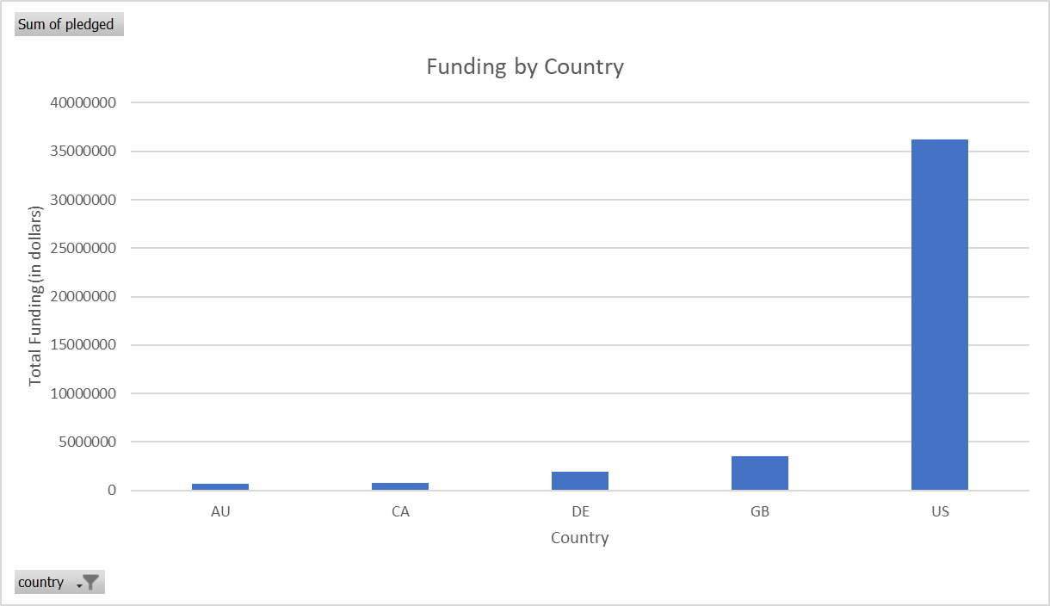
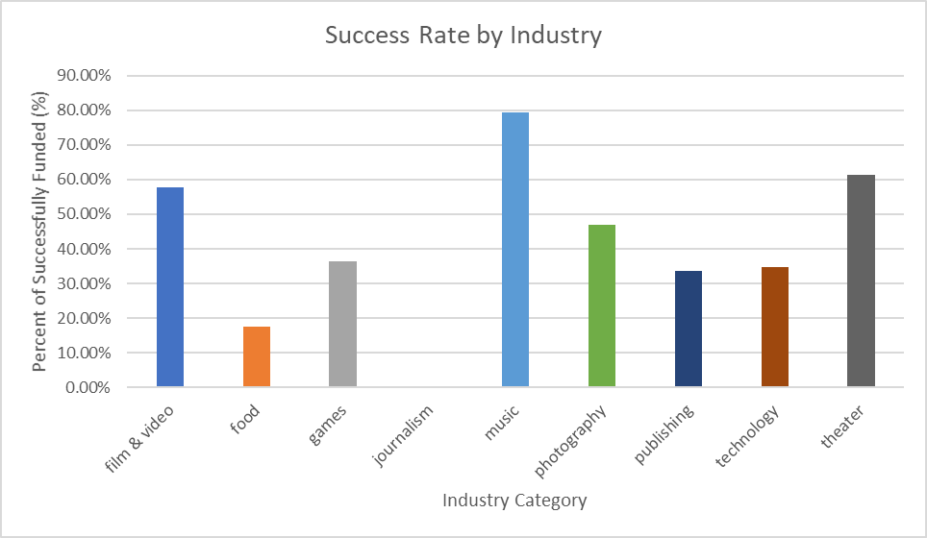
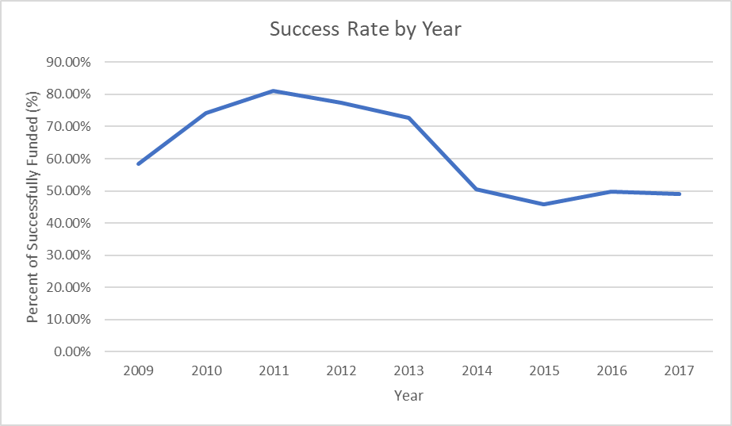
1. What are three conclusions we can make about Kickstarter Campaigns given the provided data?
Conclusion #1: The trend for startups has been increasing from 2009 to 2015. We see the total startups company were dropped in 2016 compares to the previous periods. (Starters Count Digram) Conclusion #2: Most of the startups data is collected in the U.S. and U.K. It indicates the result in the dataset is mainly focus on the startups activities in the two countries. (Starters Count by Country) It is also match with the total funding in each country. (Funding by Country) Conclusion #3: "Music", "Film & Video", and "Theater" industries are three most successfully funded categories in the data. All three categories are well over 50% to achieve their goal for funding. Journalism has 0% success rate in the data which indicate the industry is the worst industry to attrack funding. Conclusion #4: The success rate in 2009 was about 60% and had increased in next three years (above 70%), then dropped below 60% since 2014. This explains why the startups count drop in the year of 2016. As more startups joining the industry, funding were diversified and became more competitive. New entrepreneurs hesitate to enter the market after seeing the drop of success rate. (Success Rate by Year) | 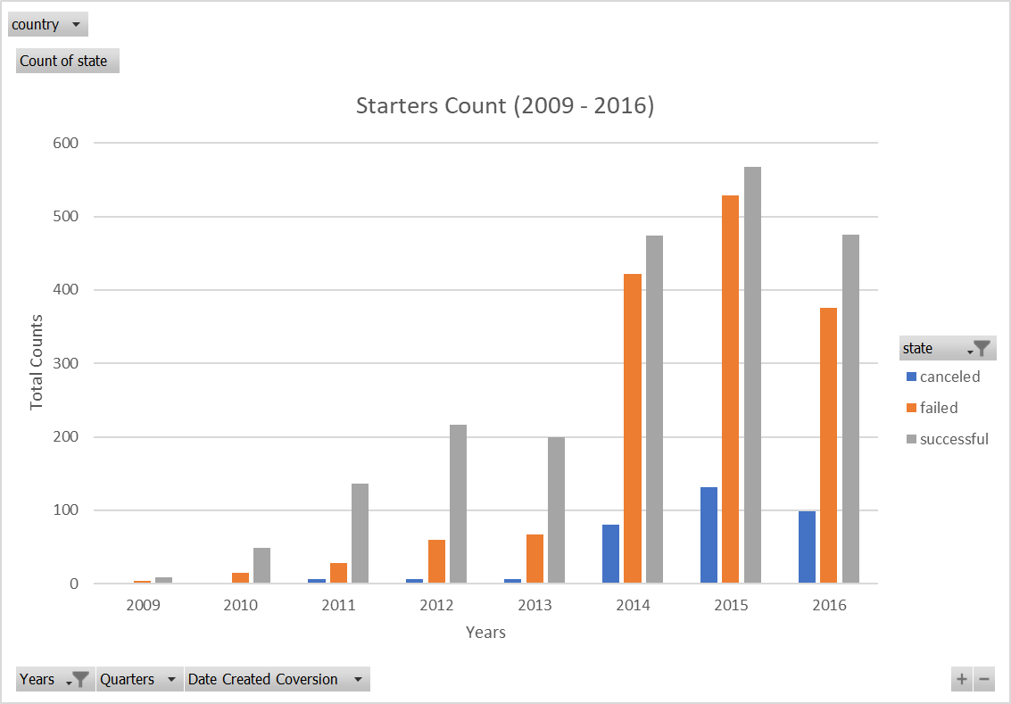
2. What are some of the limitations of this dataset?
Limitation 1: Data is mainly contributed from the U.S. The data is a good representation about the U.S. startups trend, but not as global. Limitation 2: Data demonstrates the success of startups mainly based on the capability to attract funding for their goal. It does not indicate how well the company runs after drawing enough funding for the business plan. As an entrepreneur, I can only see which industry or sub-category is more likely to get funding, but not how the business can survive. Limitation 3: As an investor, I don't see what make a successful company in this data and how well my return in the future. | 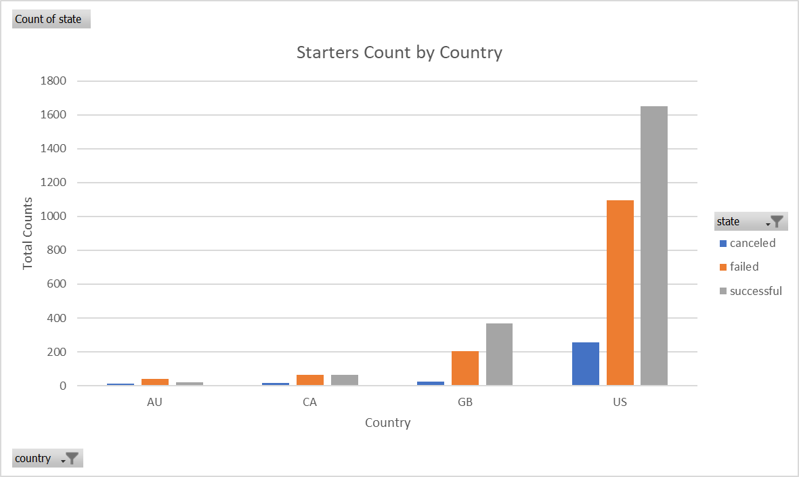
3. What are some other possible tables/graphs that we could create?
I have created "Starters Count", "Starters Count by Country", "Funding by Country", Success Rate by Category", and "Success Rate by Year" diagrams to support my conclusion in part I.

