Key
Fordelingsnøkkel | Prosentfordeling i NVE sin modell
 | Befolkning (sjekk om dette er oppdatert) | Industry | Hydrogen |  | Land Area | Land area (km2)
NO1 | 42% | 5% | 16% | 13% | 15% | 61139.565729
NO2 | 24% | 28% | 35% | 27% | 14% | 57587.08124
NO3 | 14% | 32% | 29% | 28% | 23% | 91413.867277
NO4 | 9% | 19% | 16% | 17% | 41% | 164633.2307
NO5 | 11% | 17% | 4% | 15% | 7% | 28602.795419
 |  |  |  |  |  | 403376.54037
 | Bygg | Stor industri, petro, datasentre | Hydrogen | Total industry
 | transport | industristatistikken til SSB (oppgit hvor mye energi de største bedriftene bruker og hvilken kommune de ligger i)
 | Landbruk, bygg og anlegg

 | Det finnes ikke god statistikk for hvor bygningsarealet i Norge ligger eller hvordan transportarbeidet i Norge er fordelt geografisk. Det er derfor antatt at bygningsarealet og transportarbeidet er fordelt geografisk etter befolkningstallet. Hvor stor andel av befolkningen som er bosatt i de ulike Elspot-områdene er vist i Tabell 2-2.
 | http://publikasjoner.nve.no/rapport/2018/rapport2018_88.pdf

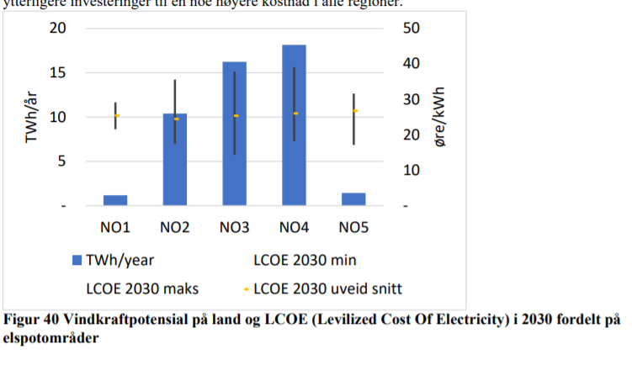

 | https://sintef.brage.unit.no/sintef-xmlui/bitstream/handle/11250/2641880/Veikart_energi_2050%2B%25281%2529.pdf?sequence=2&isAllowed=y

