Engagement Dashboard
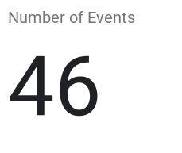
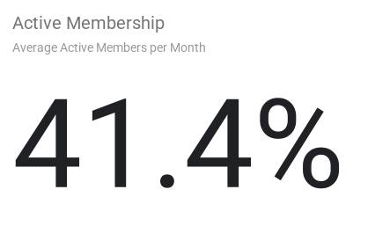
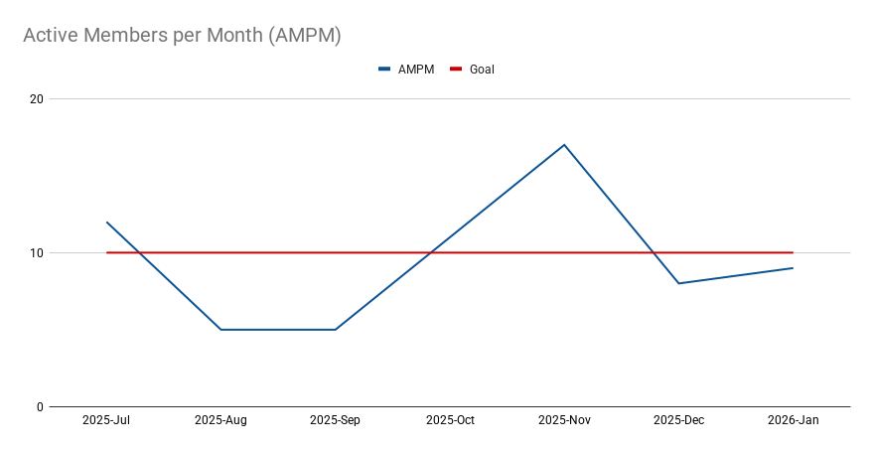
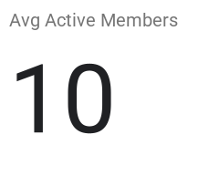
FROM | 2025-07-01 | TO | 2026-02-08
(Click Me) Change Analysis Period

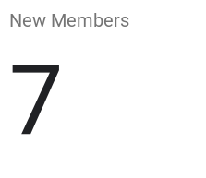

New Members per Month
 | Members Activated | Goal

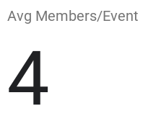

Event Member Attendance

 |  |  |  | Unactivated Members

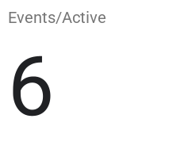

Member-Activating Events

How Active are Individual Members?

Retention Dashboard
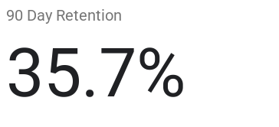
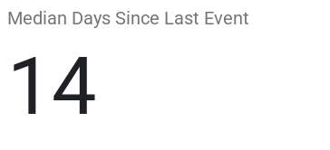
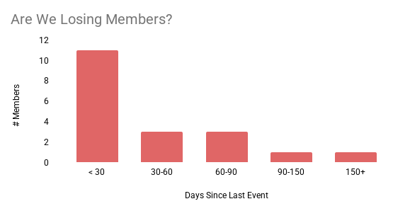
Where is activity concentrated by tenure?
 | 4+ More Years | 3 More Years | 2 More Years | 1 More Year | Last Year
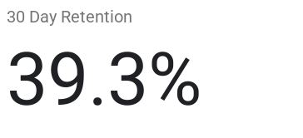
DATE | 2026-02-08
(Click Me) Change Analysis Period
 |  | Current Dormant Members

Program Mix Dashboard
How We are Spending our Hours
 | All | Members Only
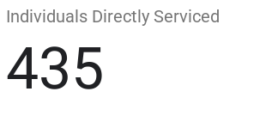
FROM | 2025-07-01 | TO | 2026-02-08
(Click Me) Change Analysis Period

 |  | Program Balance: | GREAT
Good Standing with Supreme (In Columbian Year)
Min Life Events |  | ✓
Min Family Events |  | ✓
Min Community Events |  | ✓
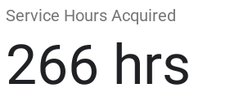
Min Faith Events |  | ✓

Council Program Balance (In Period)
Enough Life Events |  | ⤬
Enough Family Events |  | ✓
Enough Community Events |  | ✓
Enough Faith Events |  | ✓
Overhead Hrs < 20% |  | ✓

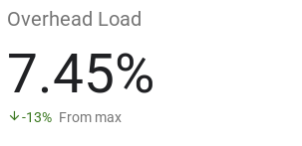

What Events Attract Members?
Where Do We Have Deep Engagement?
Number of Events

