Sheet2
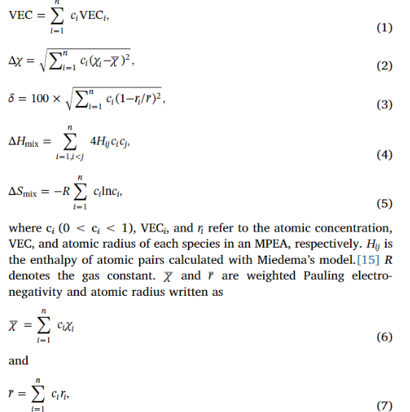
 | Mn | Co | Ni | Fe | Si | Ge | Al

Valence Electron | 7 | 9 | 10 | 8 | 4 | 4 | 3
Atomic Radius (옴스트롱) | 2.05 | 2 | 1.97 | 2.04 | 2.1 | 2.11 | 1.84
Covalent radius (옴스트롱) | 1.29 | 1.18 | 1.17 | 1.24 | 1.14 | 1.2 | 1.24
Electronegativity (Pauling scale) | 1.55 | 1.88 | 1.91 | 1.83 | 1.9 | 2.01 | 1.61

