Hashrate 4.0
5 trials/test |  |  |  |  |  |  |  |  |  |  |  |  | hashes/msg: | 3,000,000.00
Node=Actor(s) | Workers/Node | Msg/Worker | Entire Run Time | Worker Start T | Worker Ready T | Msg Send Time | Post-Msg Time | Exec Init Time | Exec Run Time | Calc Time | Hashes | Hashrate | Ideal Hashrate | Percentage | Average Worktime = sum(in script worktimes)/len(in script worktimes)
1 | 6 | 6 | 213.11700416 | 0.55780898593 | 14.732423247 | 0.47356667137 | 197.88718076 | 25.749874 | 939.228712 | 938.69450736 | 108000000 | 506763.8804 | 689927.8011 | 73.45172633 | Average Abaco Msgtime = sum(abaco_startedAts-abaco_startTimes)/len(same thing)
1 | 6 | 6 | 187.45982857 | 0.48607322108 | 14.650801482 | 0.38689097995 | 172.39905334 | 26.133133 | 952.525879 | 952.80964947 | 108000000 | 576123.4331 | 680296.4773 | 84.68711103 | Average Abaco Worktime = sum(abaco_FinishedAts-abaco_startedAts)/len(same thing)
1 | 6 | 6 | 191.54093934 | 0.50975463726 | 14.671832405 | 0.46584410314 | 176.38139545 | 27.216374 | 955.677235 | 956.42947721 | 108000000 | 563848.1276 | 678053.1923 | 83.15691659 | Average other Abacos
1 | 6 | 6 | 194.99827036 | 0.52619608073 | 16.704473582 | 0.36345319403 | 177.91013295 | 27.907168 | 952.840118 | 953.9057858 | 108000000 | 553851.0665 | 680072.121 | 81.44004869
Percentage of Max
1 | 6 | 6 | 189.56512602 | 0.51864037709 | 16.689351914 | 0.46453307895 | 172.39127089 | 29.179175 | 949.152079 | 949.30510712 | 108000000 | 569725.0452 | 682714.619 | 83.44995542
2 | 6 | 6 | 213.3841353 | 1.04694334 | 15.318372932 | 0.66719250102 | 197.35150056 | 58.64087 | 1887.66531 | 1888.6623266 | 216000000 | 1012258.947 | 1373124.773 | 73.71937107
2 | 6 | 6 | 191.7088992 | 1.000469292 | 17.288727618 | 0.65847244207 | 173.71944705 | 61.901041 | 1881.777269 | 1882.8486063 | 216000000 | 1126708.259 | 1377421.251 | 81.79837925
2 | 6 | 6 | 196.0226621 | 0.9996280754 | 17.273549735 | 0.662758769 | 178.03982752 | 67.784092 | 1882.88506 | 1884.6349199 | 216000000 | 1101913.41 | 1376610.848 | 80.04538182
2 | 6 | 6 | 194.59018113 | 0.98264414584 | 19.276297474 | 0.66008328274 | 174.61347018 | 63.94568 | 1895.861746 | 1896.9002826 | 216000000 | 1110025.176 | 1367188.301 | 81.19036527
2 | 6 | 6 | 196.07406578 | 0.97176110605 | 17.267137435 | 0.65986330993 | 178.1032873 | 61.079825 | 1909.962085 | 1911.6932614 | 216000000 | 1101624.527 | 1357095.002 | 81.17519594
3 | 6 | 6 | 238.94914638 | 1.5185712851 | 17.922828199 | 0.77930314606 | 220.18598805 | 75.874693 | 2846.879242 | 2847.920887 | 324000000 | 1355937.047 | 2048558.967 | 66.18979824
3 | 6 | 6 | 192.96166903 | 1.524872724 | 15.954229997 | 0.86965201702 | 176.08033807 | 90.930299 | 2837.195447 | 2839.1158211 | 324000000 | 1679089.954 | 2055551.022 | 81.6856374
3 | 6 | 6 | 193.41690247 | 1.567710367 | 13.913891302 | 0.86421937402 | 178.56973553 | 82.881965 | 2852.486227 | 2853.2249188 | 324000000 | 1675137.984 | 2044532.221 | 81.93257933
3 | 6 | 6 | 216.74720506 | 1.6386439609 | 16.054440781 | 0.86348641524 | 199.70757725 | 98.982588 | 2997.442764 | 2999.2690299 | 324000000 | 1494828.964 | 1945658.503 | 76.82894825
3 | 6 | 6 | 193.71400376 | 1.5571071929 | 17.957162491 | 0.86968720891 | 174.82592432 | 88.938614 | 2862.3931 | 2863.701786 | 324000000 | 1672568.806 | 2037456.001 | 82.09103927
5 | 6 | 6 | 246.30824428 | 2.4686680967 | 17.085925807 | 1.1674368912 | 227.95950345 | 139.767406 | 4695.768665 | 4693.3188262 | 540000000 | 2192374.85 | 3449914.414 | 63.54867358
5 | 6 | 6 | 198.97440974 | 2.4605719168 | 19.089985401 | 1.168434083 | 178.60751407 | 165.382438 | 4747.885342 | 4750.8959162 | 540000000 | 2713916.833 | 3412045.328 | 79.539296
5 | 6 | 6 | 198.93955945 | 2.460743974 | 19.102154765 | 1.162213196 | 178.57073291 | 156.490205 | 4731.851899 | 4735.2807617 | 540000000 | 2714392.258 | 3423606.729 | 79.28458124
5 | 6 | 6 | 216.20258123 | 2.8864762541 | 19.508591777 | 1.1607589712 | 195.42633054 | 191.595899 | 4851.296758 | 4855.3481712 | 540000000 | 2497657.507 | 3339313.344 | 74.79554176
5 | 6 | 6 | 200.97604424 | 2.4949872289 | 21.125162094 | 1.1637534201 | 178.57614434 | 165.108551 | 4731.425421 | 4734.2688007 | 540000000 | 2686887.395 | 3423915.323 | 78.47411929
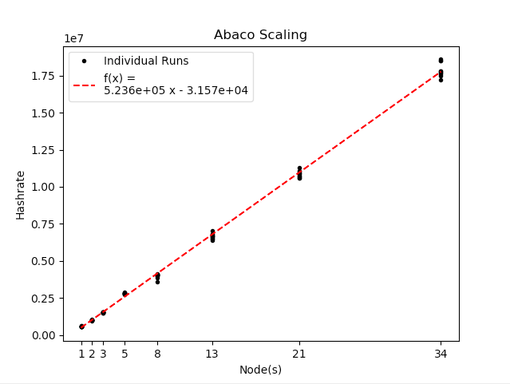
8 | 6 | 6 | 238.45434926 | 4.004305331 | 16.959025157 | 1.769820678 | 219.5669272 | 251.371471 | 7575.980539 | 7575.9087014 | 864000000 | 3623335.044 | 5474142.89 | 66.18999753
8 | 6 | 6 | 219.15083824 | 4.6557456292 | 19.630503238 | 1.7694353438 | 197.58711013 | 386.774508 | 7705.198481 | 7710.7279015 | 864000000 | 3942490.054 | 5382340.261 | 73.24862166
8 | 6 | 6 | 222.43751404 | 4.1636461094 | 19.078043013 | 1.9627523567 | 201.23300381 | 415.51641 | 7930.863288 | 7937.3959146 | 864000000 | 3884236.9 | 5229191.135 | 74.27988
8 | 6 | 6 | 222.69795028 | 4.0652960469 | 23.030419559 | 1.7668958679 | 197.73200341 | 296.208898 | 7729.031327 | 7733.3745534 | 864000000 | 3879694.442 | 5365743.551 | 72.30488012
8 | 6 | 6 | 220.97711137 | 4.1941221249 | 23.147299001 | 1.8680807338 | 195.79536859 | 287.341637 | 7801.772216 | 7804.5171676 | 864000000 | 3909907.205 | 5315715.308 | 73.55373602
13 | 6 | 6 | 258.83371074 | 6.7903846703 | 24.287659211 | 2.6956468709 | 231.62941076 | 405.149204 | 12368.953931 | 12372.173172 | 1404000000 | 5424332.078 | 8853780.248 | 61.26571844
13 | 6 | 6 | 207.46368686 | 6.5143419383 | 20.08308251 | 2.6699550371 | 184.45068641 | 483.295232 | 12292.889493 | 12301.743816 | 1404000000 | 6767449.385 | 8908564.586 | 75.96565439
13 | 6 | 6 | 220.30212984 | 6.4570437339 | 18.009855398 | 2.766150258 | 199.26349429 | 542.237271 | 12857.080312 | 12872.35952 | 1404000000 | 6373065.939 | 8517641.435 | 74.82195614
13 | 6 | 6 | 208.40111687 | 6.778936578 | 16.404526664 | 2.7629285948 | 188.97398764 | 474.298288 | 12401.540782 | 12404.327633 | 1404000000 | 6737008.041 | 8830515.653 | 76.29235149
13 | 6 | 6 | 215.28230906 | 6.3236229038 | 19.83903144 | 2.8798946873 | 192.29294931 | 463.311902 | 12495.998902 | 12502.863549 | 1404000000 | 6521669.18 | 8763765.175 | 74.41629311
21 | 6 | 6 | 280.9221906 | 10.645644681 | 39.285480456 | 3.9783442467 | 237.27605731 | 719.058083 | 19872.199414 | 19875.85684 | 2268000000 | 8073409.919 | 14380290.48 | 56.14218942
21 | 6 | 6 | 223.52423046 | 10.398920081 | 18.924438017 | 4.0852198601 | 200.10546624 | 897.090162 | 20485.262125 | 20496.496453 | 2268000000 | 10146550.98 | 13949931.33 | 72.73549051
21 | 6 | 6 | 216.65770275 | 10.464428128 | 18.955084295 | 4.075405288 | 193.24862161 | 800.923619 | 20325.825321 | 20340.340402 | 2268000000 | 10468125.39 | 14059355.3 | 74.45665302
21 | 6 | 6 | 224.95214302 | 10.62113824 | 21.08979996 | 4.179657503 | 199.26380733 | 759.086451 | 20377.318637 | 20388.69186 | 2268000000 | 10082144.45 | 14023827.43 | 71.89295861
21 | 6 | 6 | 217.92155349 | 10.386648522 | 18.772569545 | 4.078942189 | 194.66965525 | 735.814746 | 20361.274154 | 20371.992953 | 2268000000 | 10407414.8 | 14034878.07 | 74.15393812
34 | 6 | 6 | 283.44984427 | 16.972287172 | 63.072345296 | 6.8079787069 | 212.95249026 | 1238.557664 | 32431.253329 | 32449.276436 | 3672000000 | 12954672.84 | 23097719.73 | 56.08637126
34 | 6 | 6 | 237.87863398 | 16.567589678 | 28.701837936 | 6.6123243151 | 201.862688 | 1393.674188 | 32823.774838 | 32837.956274 | 3672000000 | 15436443.11 | 22821506.78 | 67.6398945
34 | 6 | 6 | 222.08862036 | 16.572804113 | 22.564925199 | 6.497947929 | 192.37319653 | 1123.763225 | 32687.260755 | 32703.224451 | 3672000000 | 16533940.34 | 22916817.83 | 72.14762742
34 | 6 | 6 | 227.8964658 | 17.18201841 | 23.09291381 | 6.7125049029 | 197.3712855 | 1309.607149 | 32790.817215 | 32812.747087 | 3672000000 | 16112579.84 | 22844444.38 | 70.53172129
34 | 6 | 6 | 227.74557721 | 16.794648115 | 26.737414728 | 6.6140569421 | 193.71544024 | 1356.068793 | 32899.236302 | 32915.359516 | 3672000000 | 16123254.93 | 22769160.75 | 70.81181034
55 | 6 | 6 | 318.82298049 | 26.750009453 | 101.34005066 | 9.9003461292 | 206.60895029 | 2275.945278 | 52231.677405 | 52260.531376 | 5940000000 | 18631028.39 | 37528949.81 | 49.64441712
55 | 6 | 6 | 231.26277022 | 26.521368973 | 34.831527555 | 9.9100965303 | 185.41286927 | 1985.420637 | 52688.430635 | 52721.766244 | 5940000000 | 25685068.09 | 37203613.32 | 69.03917603
55 | 6 | 6 | 237.90397184 | 26.354618203 | 38.611111242 | 10.210709672 | 188.02213269 | 1993.186257 | 52631.92726 | 52662.343911 | 5940000000 | 24968057.3 | 37243553.52 | 67.03994365
55 | 6 | 6 | 243.14476786 | 26.639259288 | 34.86306527 | 9.7987526217 | 197.41209678 | 2124.760704 | 52812.713644 | 52843.946863 | 5940000000 | 24429890.28 | 37116062.87 | 65.82026321
55 | 6 | 6 | 233.1804473 | 26.401521042 | 34.885312883 | 10.802468137 | 186.47202244 | 1893.56266 | 53074.825228 | 53107.468472 | 5940000000 | 25473833.97 | 36932764.1 | 68.9735377
89 | 6 | 6 | 264.82552124 | 42.578566906 | 52.985686094 | 16.147422764 | 193.68473158 | 3233.590238 | 85065.595618 | 85134.45624 | 9612000000 | 36295595.51 | 60339411.75 | 60.15238541
89 | 6 | 6 | 253.25644573 | 42.396075907 | 52.971814814 | 16.830004644 | 181.6136118 | 3456.594024 | 84852.603554 | 84910.152378 | 9612000000 | 37953624.33 | 60490872.23 | 62.74272949
89 | 6 | 6 | 257.89349139 | 42.414995995 | 52.911511042 | 16.547536729 | 186.67646501 | 3406.805625 | 85039.354971 | 85094.545741 | 9612000000 | 37271200.4 | 60358030.72 | 61.7501929
89 | 6 | 6 | 254.79781747 | 42.391015304 | 52.75345007 | 16.447494908 | 183.84521132 | 3287.862777 | 84704.191377 | 84773.931872 | 9612000000 | 37724028 | 60596859.69 | 62.25409731
89 | 6 | 6 | 259.63540188 | 43.614322373 | 54.365545035 | 16.848191037 | 186.73689416 | 3463.401753 | 85094.051938 | 85157.503712 | 9612000000 | 37021145.54 | 60319233.64 | 61.37535792

Scaled Hashrate 4.0
5 trials/test |  |  |  |  |  |  |  |  |  |  |  |  | hashes/msg: | 3,000,000.00
Node=Actor(s) | Workers/Node | Msg/Worker | Entire Run Time | Worker Start T | Worker Ready T | Msg Send Time | Post-Msg Time | Exec Init Time | Exec Run Time | Calc Time | Hashes | Hashrate | Ideal Hashrate | Percentage | Average Worktime = sum(in script worktimes)/len(in script worktimes)
1 | 6 | 6 | 206.45745677 | 8.50E-07 | 3.3461405458 | 0.76524678152 | 202.16460816 | 34.0607 | 981.174252 | 985.23558831 | 108000000 | 523110.1927 | 660433.148 | 79.20713766 | Average Abaco Msgtime = sum(abaco_startedAts-abaco_startTimes)/len(same thing)
1 | 6 | 6 | 207.12813718 | 1.16E-06 | 3.1653610831 | 0.35525644571 | 203.50542084 | 33.359673 | 972.623213 | 975.64566946 | 108000000 | 521416.3632 | 666239.4968 | 78.26260162 | Average Abaco Worktime = sum(abaco_FinishedAts-abaco_startedAts)/len(same thing)
1 | 6 | 6 | 205.66434156 | 1.08E-06 | 3.1493352083 | 0.36137266457 | 202.04891803 | 27.597339 | 964.483446 | 968.32757664 | 108000000 | 525127.4926 | 671862.2312 | 78.15999593 | Average other Abacos
1 | 6 | 6 | 208.53175203 | 1.15E-06 | 2.1818609806 | 0.35630587768 | 205.89032327 | 27.431606 | 973.044228 | 975.98630404 | 108000000 | 517906.7406 | 665951.2295 | 77.76946984
Percentage of Max
1 | 6 | 6 | 200.76548787 | 1.07E-06 | 2.1365107615 | 0.45938379411 | 198.06532284 | 30.10413 | 962.226443 | 967.81345606 | 108000000 | 537941.0632 | 673438.1545 | 79.87980182
2 | 6 | 6 | 203.15158727 | 1.07E-06 | 3.3488213718 | 0.66803916264 | 198.82520132 | 64.669154 | 1923.638921 | 1932.4380267 | 216000000 | 1063245.446 | 1347446.224 | 78.90819145
2 | 6 | 6 | 202.15741485 | 1.11E-06 | 2.2673028326 | 0.66007412504 | 199.02627449 | 52.879292 | 1911.851587 | 1918.6816266 | 216000000 | 1068474.289 | 1355753.772 | 78.8103497
2 | 6 | 6 | 200.58114034 | 1.07E-06 | 2.2761611342 | 0.67457765713 | 197.42920607 | 52.62003 | 1906.364143 | 1913.6527112 | 216000000 | 1076870.934 | 1359656.291 | 79.20170277
2 | 6 | 6 | 207.61143922 | 1.03E-06 | 2.2476741392 | 0.66090455279 | 204.5067745 | 59.660919 | 1921.823143 | 1930.2745218 | 216000000 | 1040405.099 | 1348719.319 | 77.14022367
2 | 6 | 6 | 204.89119989 | 1.06E-06 | 4.2586587025 | 0.66254096478 | 199.76925058 | 67.384266 | 1906.288196 | 1913.5251434 | 216000000 | 1054218.044 | 1359710.46 | 77.5325391
3 | 6 | 6 | 199.63076122 | 8.92E-07 | 2.4079558384 | 0.76678644679 | 196.07741232 | 82.005413 | 2853.658148 | 2865.2711592 | 324000000 | 1622996.366 | 2043692.586 | 79.41489719
3 | 6 | 6 | 203.03535655 | 1.05E-06 | 2.3385519339 | 0.86235331837 | 199.53035403 | 88.217346 | 2872.113357 | 2882.5581617 | 324000000 | 1595781.176 | 2030560.523 | 78.58821039
3 | 6 | 6 | 204.7601821 | 1.10E-06 | 3.3749900879 | 0.86422040965 | 200.22702775 | 86.291724 | 2859.873186 | 2870.5437863 | 324000000 | 1582338.894 | 2039251.261 | 77.59411134
3 | 6 | 6 | 201.49280236 | 1.06E-06 | 2.350427472 | 0.86256800964 | 197.97740413 | 79.888841 | 2859.839654 | 2870.7796896 | 324000000 | 1607997.885 | 2039275.171 | 78.85144229
3 | 6 | 6 | 202.35198436 | 1.09E-06 | 2.3964913413 | 0.76108714566 | 198.89576328 | 80.436391 | 2862.711059 | 2873.8874354 | 324000000 | 1601170.362 | 2037229.703 | 78.595475
5 | 6 | 6 | 206.68501728 | 8.70E-07 | 3.637383258 | 1.1720729023 | 201.28505736 | 148.605153 | 4805.551574 | 4824.2920959 | 540000000 | 2612671.238 | 3371101.059 | 77.5020147
5 | 6 | 6 | 199.02524906 | 1.10E-06 | 3.5571127497 | 1.1621255586 | 193.81151333 | 146.279562 | 4755.158031 | 4777.669934 | 540000000 | 2713223.586 | 3406826.838 | 79.64078349
5 | 6 | 6 | 201.3545664 | 8.39E-07 | 2.5685646366 | 1.1683348315 | 197.11942042 | 133.973341 | 4750.832833 | 4772.3815947 | 540000000 | 2681836.373 | 3409928.442 | 78.64787835
5 | 6 | 6 | 202.65586935 | 9.75E-07 | 2.5334014986 | 1.162385352 | 198.47181458 | 129.644588 | 4768.43045 | 4788.4393444 | 540000000 | 2664615.645 | 3397344.298 | 78.43231098
5 | 6 | 6 | 201.94152688 | 1.11E-06 | 2.5302718133 | 1.16408333 | 197.75307762 | 133.775781 | 4776.238714 | 4796.6468987 | 540000000 | 2674041.384 | 3391790.271 | 78.83864185
8 | 6 | 6 | 204.0986961 | 9.89E-07 | 2.8877650099 | 1.7797729848 | 198.37070464 | 234.320432 | 7674.488556 | 7703.1079307 | 864000000 | 4233246.055 | 5403878.017 | 78.3371875
8 | 6 | 6 | 200.61922618 | 1.12E-06 | 2.8249412896 | 1.7654139614 | 195.2279795 | 231.352625 | 7636.379799 | 7671.8464098 | 864000000 | 4306665.998 | 5430845.648 | 79.30009942
8 | 6 | 6 | 203.97852266 | 1.03E-06 | 2.8667693809 | 1.7666567676 | 198.56908579 | 219.928963 | 7637.547459 | 7666.1544967 | 864000000 | 4235740.061 | 5430015.358 | 78.006042
8 | 6 | 6 | 201.6802915 | 1.09E-06 | 2.8294138629 | 1.7788363369 | 196.28141369 | 219.864817 | 7637.599227 | 7665.1172023 | 864000000 | 4284008.088 | 5429978.553 | 78.89548819
8 | 6 | 6 | 207.5261326 | 9.71E-07 | 2.8620649669 | 1.7690981468 | 202.09668002 | 227.926246 | 7644.327885 | 7675.1842866 | 864000000 | 4163331.091 | 5425199 | 76.74061524
13 | 6 | 6 | 267.34944722 | 9.04E-07 | 4.447178591 | 2.687288465 | 258.85118764 | 360.306848 | 12390.710605 | 12428.236225 | 1404000000 | 5251553.78 | 8838234.02 | 59.4185871
13 | 6 | 6 | 268.85568387 | 1.20E-06 | 3.3485733261 | 2.6672606012 | 261.56644862 | 365.594553 | 12386.316418 | 12426.053472 | 1404000000 | 5222132.483 | 8841369.484 | 59.06474661
13 | 6 | 6 | 263.02242487 | 1.25E-06 | 4.3568265699 | 2.6698761443 | 254.71817795 | 367.626186 | 12404.117133 | 12436.320818 | 1404000000 | 5337947.898 | 8828681.544 | 60.46143891
13 | 6 | 6 | 270.92838077 | 1.12E-06 | 5.3737899764 | 2.6797460597 | 261.59390356 | 356.508567 | 12380.342941 | 12414.050778 | 1404000000 | 5182181.343 | 8845635.418 | 58.58461375
13 | 6 | 6 | 262.09135983 | 1.28E-06 | 3.3418139815 | 2.6734460173 | 254.78236996 | 356.510633 | 12387.51591 | 12423.681421 | 1404000000 | 5356910.662 | 8840513.368 | 60.59501795
21 | 6 | 6 | 244.32592323 | 8.16E-07 | 4.4995934004 | 3.9898773143 | 233.37638051 | 584.448121 | 19925.773072 | 19965.459803 | 2268000000 | 9282682.615 | 14341626.74 | 64.72545117
21 | 6 | 6 | 241.23601706 | 1.19E-06 | 4.1339436853 | 3.8780916501 | 231.20604313 | 562.088036 | 19906.291597 | 19940.093863 | 2268000000 | 9401581.188 | 14355662.31 | 65.49040362
21 | 6 | 6 | 241.95015558 | 1.10E-06 | 5.1974418461 | 3.9794646446 | 230.70142702 | 547.37244 | 19984.945009 | 20023.388734 | 2268000000 | 9373831.542 | 14299163.69 | 65.5551034
21 | 6 | 6 | 243.31353626 | 1.09E-06 | 4.1793669136 | 4.0849705618 | 232.97806705 | 590.303577 | 19955.306135 | 19994.220091 | 2268000000 | 9321306.306 | 14320401.71 | 65.0910952
21 | 6 | 6 | 242.26262823 | 1.10E-06 | 4.1587505192 | 3.8818363184 | 232.15001103 | 629.188277 | 19924.983794 | 19962.835072 | 2268000000 | 9361741.085 | 14342194.85 | 65.27411726
34 | 6 | 6 | 338.54762415 | 9.93E-07 | 5.9985257993 | 6.6887859236 | 322.27238616 | 1017.730577 | 31827.58119 | 31818.127724 | 3672000000 | 10846332.21 | 23535813.03 | 46.08437446
34 | 6 | 6 | 349.71499749 | 1.04E-06 | 5.487712767 | 6.5846227724 | 334.30206311 | 880.503398 | 31756.409465 | 31744.398418 | 3672000000 | 10499978.63 | 23588560.94 | 44.51301058
34 | 6 | 6 | 338.33040097 | 1.06E-06 | 5.4944011113 | 6.5900620045 | 322.8768962 | 925.347617 | 31938.665832 | 31931.411925 | 3672000000 | 10853296.04 | 23453954.02 | 46.27490966
34 | 6 | 6 | 346.42471124 | 1.06E-06 | 5.4997442039 | 6.6922904281 | 330.88606231 | 923.54773 | 31851.112309 | 31837.240772 | 3672000000 | 10599705.74 | 23518425.13 | 45.06979393
34 | 6 | 6 | 352.64225186 | 1.01E-06 | 5.5002281833 | 6.391389994 | 337.39081215 | 860.24968 | 31764.034378 | 31752.768459 | 3672000000 | 10412819.17 | 23582898.54 | 44.15411087
55 | 6 | 6 | 472.2099065 | 1.03E-06 | 9.2961597089 | 10.003169863 | 447.43602106 | 1370.961985 | 49752.002414 | 49673.460356 | 5940000000 | 12579151.6 | 39399419.22 | 31.92725134
55 | 6 | 6 | 477.33299686 | 1.26E-06 | 7.7136955038 | 10.006467142 | 454.22028234 | 1344.48425 | 49724.215097 | 49644.000176 | 5940000000 | 12444142.85 | 39421436.74 | 31.56694397
55 | 6 | 6 | 474.54675028 | 1.09E-06 | 7.5796110081 | 10.113129409 | 451.42029034 | 1415.753145 | 49640.477421 | 49558.774487 | 5940000000 | 12517207.2 | 39487936.09 | 31.69881346
55 | 6 | 6 | 475.47541377 | 1.10E-06 | 7.7354143374 | 10.207835419 | 452.11241165 | 1451.922547 | 49841.973192 | 49760.844622 | 5940000000 | 12492759.52 | 39328298.51 | 31.76531909
55 | 6 | 6 | 474.65671526 | 9.25E-07 | 8.3858504584 | 10.013413607 | 450.55720787 | 1358.833609 | 49669.827268 | 49591.30169 | 5940000000 | 12514307.31 | 39464602.71 | 31.71020724
89 | 6 | 6 | 744.71384453 | 7.93E-07 | 13.411902077 | 16.242926459 | 706.2623646 | 2078.228505 | 79491.715388 | 79352.563298 | 9612000000 | 12906971.01 | 64570351.45 | 19.98900535
89 | 6 | 6 | 750.46468108 | 1.08E-06 | 13.23026129 | 16.235457254 | 712.26938391 | 2261.650164 | 79384.720478 | 79247.674024 | 9612000000 | 12808064.45 | 64657379.52 | 19.80913013
89 | 6 | 6 | 746.25227192 | 1.08E-06 | 13.952996656 | 16.146048744 | 707.46564473 | 2242.315232 | 79701.893885 | 79562.298224 | 9612000000 | 12880362.8 | 64400075.7 | 20.00053984
89 | 6 | 6 | 747.39521071 | 1.07E-06 | 12.058288518 | 16.252325574 | 710.46165763 | 2236.509803 | 79766.734016 | 79629.858405 | 9612000000 | 12860665.77 | 64347726.7 | 19.98620064
89 | 6 | 6 | 745.14697524 | 1.12E-06 | 12.081518517 | 16.132645081 | 708.24043446 | 2360.446624 | 79660.930133 | 79523.35998 | 9612000000 | 12899468.59 | 64433191.92 | 20.01991241

Hashrate
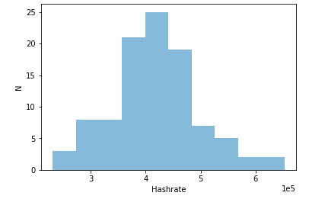
Serial | Abaco |  |  |  |  |  | Parallel | VM (Max=4) |  | Abaco (Max=6) |  |  |  |  | Abaco (Max=6) |  |  |  |  | Histogram of N=100 Trials (Parallel 20-bit on 6 Cores)
Cores/Workers | Msg Send Time | Clocktime | Worktime | Hashes | Hashrate |  | Cores | Time(s) | Hashrate | Msg Send Time | Clocktime | Worktime | Hashes | Hashrate | Msg Send Time | Clocktime | Worktime | Hashes | Hashrate
1 | 0.6796 | 40.68 | 50.65 | 3.93E+06 | 7.66E+04 |  | 1 | 192.8 | 7.50E+04 | 0.1641 | 58.57 | 61.43 | 5.28E+06 | 8.58E+04
 | 0.697 | 16.68 | 17.98 | 1.68E+06 | 9.01E+04 |  |  | 85.4 | 8.75E+04 | 0.1584 | 167.1 | 170.7 | 1.28E+07 | 7.51E+04
 | 0.68 | 8.58 | 10.06 | 8.65E+05 | 8.06E+04 |  |  | 145.9 | 8.35E+04 | 0.1412 | 72.63 | 75.21 | 5.82E+06 | 7.73E+04
 | 0.7664 | 43.49 | 51.03 | 4.31E+06 | 8.33E+04 |  |  |  |  | 0.1716 | 141.7 | 143.8 | 1.17E+07 | 8.10E+04
 | 0.7524 | 31.35 | 36.91 | 3.02E+06 | 8.02E+04 |  |  |  |  | 0.1362 | 188 | 190.5 | 1.68E+07 | 8.82E+04
2 | 1.388 | 112 | 65.79 | 1.08E+07 | 1.61E+05 |  | 2 | 30.52 | 1.65E+05 | 0.15 | 75.57 | 77.89 | 1.46E+07 | 1.88E+05
 | 1.481 | 106.2 | 66.92 | 1.01E+07 | 1.48E+05 |  |  | 39.78 | 1.47E+05 | 0.1539 | 71.79 | 73.7 | 1.16E+07 | 1.58E+05
 | 1.486 | 91.38 | 57.96 | 8.63E+06 | 1.45E+05 |  |  | 80.65 | 1.62E+05 | 0.1394 | 30.85 | 33.02 | 4.89E+06 | 1.48E+05
 | 1.464 | 56.98 | 38.96 | 5.52E+06 | 1.37E+05 |  |  |  |  | 0.1656 | 41.33 | 43.75 | 5.59E+06 | 1.27E+05
 | 1.587 | 53.85 | 37.93 | 5.03E+06 | 1.27E+05 |  |  |  |  | 0.1502 | 65.27 | 67.45 | 1.07E+07 | 1.59E+05
3 | 2.572 | 212 | 88.51 | 1.94E+07 | 2.12E+05 |  | 3 | 42.62 | 2.54E+05 | 0.1707 | 64.73 | 67.6 | 1.63E+07 | 2.40E+05
 | 2.455 | 275.3 | 128.9 | 2.62E+07 | 2.00E+05 |  |  | 27.72 | 2.32E+05 | 0.1549 | 27.06 | 29.63 | 5.17E+06 | 1.74E+05 |  |  | WIP
 | 2.163 | 158.3 | 74.87 | 1.51E+07 | 1.96E+05 |  |  | 34.99 | 2.35E+05 | 0.1415 | 32.25 | 34.42 | 9.27E+06 | 2.68E+05
 | 2.41 | 181.6 | 77.98 | 1.73E+07 | 2.16E+05 |  |  |  |  | 0.1396 | 54.05 | 56.74 | 1.34E+07 | 2.36E+05
 | 2.218 | 165.8 | 67.81 | 1.56E+07 | 2.22E+05 |  |  |  |  | 0.1407 | 42.75 | 45.11 | 7.40E+06 | 1.64E+05
4 | 2.893 | 306.1 | 98.01 | 2.86E+07 | 2.84E+05 |  | 4 | 30.14 | 3.04E+05 | 0.1587 | 13.11 | 15.73 | 5.68E+06 | 3.58E+05
 | 3.315 | 249.8 | 82.59 | 2.37E+07 | 2.76E+05 |  |  | 47.46 | 3.05E+05 | 0.1358 | 27.6 | 30.71 | 9.96E+06 | 3.23E+05
 | 3.269 | 212.9 | 65.61 | 1.98E+07 | 2.87E+05 |  |  | 35.23 | 3.35E+05 | 0.1536 | 52.94 | 55.14 | 1.71E+07 | 3.10E+05
 | 3.257 | 198.4 | 70.43 | 1.86E+07 | 2.52E+05 |  |  | 22.75 | 3.28E+05 | 0.1671 | 28.22 | 30.58 | 9.68E+06 | 3.15E+05
 | 2.98 | 205.7 | 61.96 | 1.94E+07 | 2.98E+05 |  |  | 35.03 | 2.90E+05 | 0.1377 | 33.68 | 35.9 | 1.12E+07 | 3.12E+05
5 | 3.825 | 314.6 | 97.68 | 2.99E+07 | 2.94E+05 |  | 5 | 23.99 | 3.67E+05 | 0.1709 | 26.16 | 27.91 | 9.33E+06 | 3.32E+05
 | 4.062 | 296.4 | 73.72 | 2.80E+07 | 3.60E+05 |  |  | 20.88 | 3.67E+05 | 0.14 | 27.38 | 29.83 | 1.31E+07 | 4.38E+05
 | 3.933 | 223.6 | 55.03 | 2.07E+07 | 3.51E+05 |  |  | 24.35 | 3.39E+05 | 0.1437 | 9.321 | 11.96 | 3.69E+06 | 3.05E+05
 | 4.154 | 217.8 | 59.62 | 2.03E+07 | 3.19E+05 |  |  | 17.32 | 3.04E+05 | 0.1579 | 12.17 | 14.81 | 5.05E+06 | 3.38E+05
 | 4.315 | 279.1 | 76.44 | 2.61E+07 | 3.23E+05 |  |  |  |  | 0.1409 | 22.7 | 24.65 | 1.17E+07 | 4.73E+05
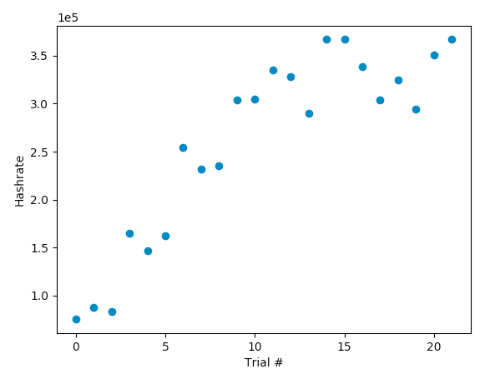
6 | 4.709 | 334.8 | 72.22 | 3.06E+07 | 3.98E+05 |  | 6 | 30.04 | 3.25E+05 | 0.1521 | 16.37 | 18.86 | 5.60E+06 | 2.95E+05
 | 4.753 | 334.1 | 79.16 | 3.06E+07 | 3.65E+05 |  |  | 36.23 | 2.94E+05 | 0.152 | 22.87 | 25.68 | 9.68E+06 | 3.75E+05
 | 4.975 | 339 | 88.66 | 3.13E+07 | 3.34E+05 |  |  | 34.88 | 3.51E+05 | 0.1514 | 12.87 | 14.95 | 7.41E+06 | 4.91E+05
 | 4.992 | 320 | 75.35 | 2.95E+07 | 3.67E+05 |  |  | 33.17 | 3.67E+05 | 0.1374 | 32.82 | 34.89 | 1.18E+07 | 3.38E+05
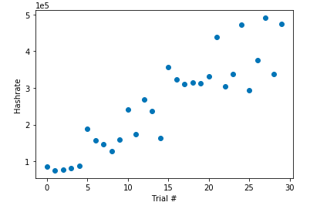
 | 4.947 | 293.6 | 65.47 | 2.71E+07 | 3.85E+05 |  |  |  |  | 0.1576 | 27.5 | 29.65 | 1.42E+07 | 4.75E+05
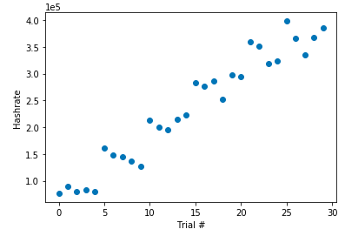
msgs=cores*5, 1 20-bit block |  |  |  |  |  |  | 10 | 37.74 | 3.05E+05
 |  |  |  |  |  |  |  | 35.66 | 3.24E+05
 |  |  |  |  |  |  |  | 20.95 | 3.10E+05
 |  |  |  |  |  |  | 100 | 54.36 | 2.70E+05
 |  |  |  |  |  |  |  | 41.04 | 2.69E+05
 |  |  |  |  |  |  |  | 25.76 | 2.50E+05
 |  |  |  |  |  |  |  | 1 Message, 10 20-bit blocks |  | 1 Message, 10 20-bit blocks |  |  |  |  | 1 Message, 1 24-bit block

Testing Different Message Count/Bit Value Configurations |  |  |  |  |  |  | Testing Different Bit Values
Serial |  | Abaco |  |  |  |  | Parallel | Abaco
Messages | Bit | Msg Send Time | Clocktime | Worktime | Hashes | Hashrate | Bit | Msg Send Time | Clocktime | Worktime | Hashes | Hashrate | >after more trials, seems like 20 or 24 is adequate
10 | 16 | 1.3 | 4.0 | 5.3 | 3.60E+05 | 5.44E+04 | 20 | 0.13461399078 | 39.486449718 | 42.349669933 | 23182512 | 5.46E+05
10 | 20 | 1.3 | 114.2 | 31.8 | 1.07E+07 | 3.22E+05 | 21 | 0.52351212502 | 42.550382853 | 44.894747972 | 12344316 | 2.72E+05
10 | 24 | 1.3 | 2104.3 | 908.8 | 2.05E+08 | 2.25E+05 | 22 | 0.13059020042 | 124.08791924 | 169.26843596 | 63073032 | 3.72E+05
20 | 16 | 2.6 | 16.0 | 8.9 | 1.48E+06 | 1.29E+05 | 23 | 0.14596796036 | 145.19716072 | 147.57484484 | 73221246 | 4.96E+05
20 | 20 | 2.7 | 213.8 | 48.5 | 1.98E+07 | 3.88E+05 | 24 | 0.14158606529 | 284.62193632 | 288.51664901 | 110325816 | 3.82E+05
20 | 24 | 2.4 | 2895.8 | 666.6 | 2.62E+08 | 3.91E+05 | 25
40 | 16 | 5.1 | 31.6 | 26.2 | 2.75E+06 | 8.78E+04 | 26 | 0.14048504829 | 2793.4031227 | 2795.4319179 | 1471042506 | 5.26E+05
40 | 20 | 6.2 | 536.0 | 117.0 | 4.85E+07 | 3.94E+05
40 | 24 | 5.3 | 8131.6 | 1559.3 | 7.55E+08 | 4.83E+05 | Testing Different Core Counts
6 Workers/Cores |  |  |  |  |  |  | Parallel | Abaco
 |  |  |  |  |  |  | Clocktime | Worktime | Hashes | Hashrate | Notes
Testing Different Amounts of Workers |  |  |  |  |  |  | 13.5 | 15.8 | 7.37E+06 | 4.66E+05 | 6 core
Serial | Abaco (Max=6) |  |  |  |  |  | 95.4 | 98.3 | 4.74E+07 | 4.83E+05 | 6 core 22bit
Cores/Workers | Clocktime(s) | Worktime(s) | Hashes | Hashrate |  |  | 134 | 136.4 | 1.09E+07 | 8.01E+04 | 1 core 20bit
1 | 103.8 | 127.4 | 1.01E+07 | 7.96E+04 |  |  | 37.9 | 40.5 | 6.75E+06 | 1.66E+05 | 3 core 20bit
 | 141.7 | 162 | 1.41E+07 | 8.70E+04
2 | 131.3 | 95.1 | 1.41E+07 | 1.48E+05 |  |  | Testing Different Block Lengths
 | 49.5 | 36.1 | 4.78E+06 | 1.32E+05 |  |  | Parallel | Abaco
3 | 132.2 | 57.4 | 1.26E+07 | 2.19E+05 |  |  | Block Length | Clocktime | Worktime | Hashes | Hashrate | >after more trials, 10 seems best
 | 110.6 | 51.2 | 1.03E+07 | 2.01E+05 |  |  | 1 | 1.216 | 3.958 | 6.29E+05 | 1.54E+05
4 | 159.9 | 64.4 | 1.53E+07 | 2.38E+05 |  |  | 2 | 0.6922 | 2.746 | 1.86E+05 | 6.44E+04
 | 73.5 | 35.8 | 7.02E+06 | 1.96E+05 |  |  | 3 | 3.459 | 5.734 | 2.26E+05 | 3.84E+04
5 | 66 | 19.5 | 6.19E+06 | 3.18E+05 |  |  | 4 | 6.049 | 8.726 | 3.94E+06 | 4.44E+05
 | 115.9 | 35.4 | 1.07E+07 | 3.02E+05 |  |  | 5 | 11.62 | 13.81 | 6.14E+06 | 4.40E+05
6 | 75 | 23.7 | 7.18E+06 | 3.03E+05 | Not Enough Messages |  | 6 | 9.027 | 11.96 | 2.97E+06 | 2.45E+05
 | 120.7 | 56 | 1.16E+07 | 2.08E+05 |  |  | 7 | 10.64 | 12.88 | 3.56E+06 | 2.73E+05
10 Messages, 1 20-bit block |  |  |  |  |  |  | 8 | 21.97 | 24.02 | 9.27E+06 | 3.84E+05
 |  |  |  |  |  |  | 9 | 10.42 | 12.61 | 3.18E+06 | 2.49E+05
 |  |  |  |  |  |  | 10 | 15.98 | 17.97 | 6.02E+06 | 3.32E+05
 |  |  |  |  |  |  | 1 msg, 20bits, 6 cores

Hashrate-Scaling
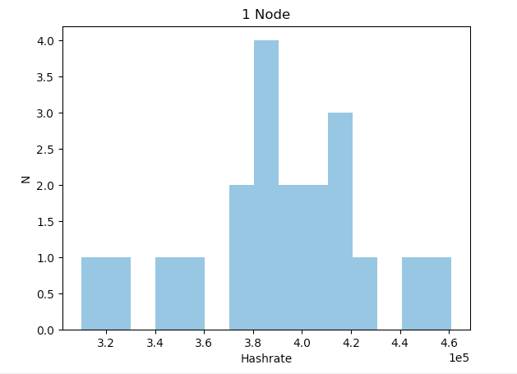
 | Abaco-pow2 |  |  | 6 workers/node, 5 messages/worker, 20 bits
Node(s) | Msg Send Time | Worktime | Average Worktime per Worker | Clocktime | Hashes | Hashrate
1 | 4.3 | 355.0 | 59.2 | 88.1 | 3.35E+07 | 3.80E+05 | 1.45 | Preliminary Scaling Trend
 | 4.4 | 320.0 | 53.3 | 72.3 | 3.01E+07 | 4.17E+05 | 59.17
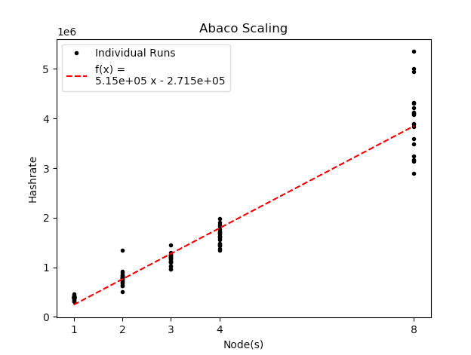
 | 4.2 | 341.4 | 56.9 | 68.9 | 3.18E+07 | 4.61E+05
 | 4.4 | 304.6 | 50.8 | 72.2 | 2.83E+07 | 3.92E+05
 | 4.3 | 384.8 | 64.1 | 116.9 | 3.62E+07 | 3.10E+05
 | 4.6 | 390.2 | 65.0 | 86.1 | 3.59E+07 | 4.16E+05
 | 4.6 | 288.2 | 48.0 | 70.2 | 2.74E+07 | 3.90E+05
 | 4.5 | 358.9 | 59.8 | 97.4 | 3.32E+07 | 3.41E+05 | Average
 | 5.0 | 267.5 | 44.6 | 56.1 | 2.51E+07 | 4.48E+05 | 3.90E+05
 | 4.8 | 313.7 | 52.3 | 88.6 | 2.92E+07 | 3.30E+05
 | 4.8 | 387.6 | 64.6 | 88.7 | 3.61E+07 | 4.07E+05 | Variance
 | 4.8 | 298.8 | 49.8 | 68.7 | 2.77E+07 | 4.04E+05 | 1.39E+09
 | 4.8 | 294.1 | 49.0 | 71.4 | 2.75E+07 | 3.84E+05
 | 4.9 | 348.3 | 58.0 | 77.2 | 3.25E+07 | 4.21E+05
 | 4.9 | 359.9 | 60.0 | 88.4 | 3.37E+07 | 3.81E+05
 | 5.0 | 462.5 | 77.1 | 111.1 | 4.34E+07 | 3.91E+05
 | 5.1 | 239.3 | 39.9 | 58.3 | 2.24E+07 | 3.84E+05
 | 5.3 | 283.1 | 47.2 | 63.0 | 2.61E+07 | 4.14E+05
 | 4.9 | 243.9 | 40.6 | 62.6 | 2.20E+07 | 3.51E+05
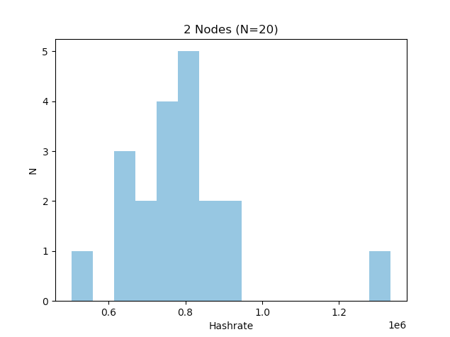
 | 5.2 | 293.2 | 48.9 | 72.3 | 2.70E+07 | 3.73E+05
2 | 9.3 | 625.6 | 52.1 | 77.3 | 5.77E+07 | 7.46E+05 | 1.50
 | 9.1 | 593.7 | 49.5 | 66.2 | 5.60E+07 | 8.46E+05
 | 10.4 | 677.8 | 56.5 | 127.3 | 6.40E+07 | 5.03E+05
 | 8.7 | 454.2 | 37.8 | 63.0 | 4.31E+07 | 6.84E+05
 | 9.0 | 501.4 | 41.8 | 59.1 | 4.72E+07 | 7.99E+05
 | 9.1 | 676.4 | 56.4 | 47.6 | 6.35E+07 | 1.34E+06
 | 9.4 | 695.1 | 57.9 | 89.7 | 6.52E+07 | 7.28E+05
 | 9.5 | 686.1 | 57.2 | 82.5 | 6.44E+07 | 7.80E+05
 | 9.6 | 630.9 | 52.6 | 74.7 | 5.93E+07 | 7.94E+05
 | 10.2 | 817.7 | 68.1 | 84.0 | 7.69E+07 | 9.16E+05
 | 10.0 | 744.1 | 62.0 | 110.9 | 7.00E+07 | 6.32E+05 | Average
 | 10.3 | 614.4 | 51.2 | 69.1 | 5.78E+07 | 8.36E+05 | 7.82E+05
 | 10.4 | 559.3 | 46.6 | 69.3 | 5.21E+07 | 7.52E+05
 | 10.5 | 682.6 | 56.9 | 98.5 | 6.48E+07 | 6.58E+05 | Variance
 | 10.5 | 662.8 | 55.2 | 80.2 | 6.20E+07 | 7.73E+05 | 2.66E+10
 | 11.1 | 741.3 | 61.8 | 110.8 | 6.94E+07 | 6.27E+05
 | 10.6 | 715.2 | 59.6 | 84.7 | 6.77E+07 | 7.99E+05
 | 11.1 | 596.1 | 49.7 | 67.6 | 5.56E+07 | 8.22E+05
 | 12.0 | 531.8 | 44.3 | 70.8 | 5.03E+07 | 7.10E+05
 | 12.0 | 596.2 | 49.7 | 63.2 | 5.64E+07 | 8.93E+05
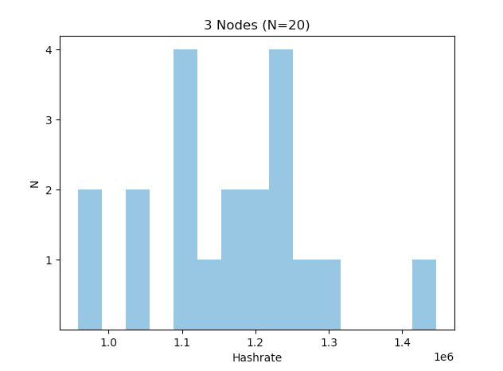
3 | 9.9 | 862.5 | 47.9 | 72.8 | 8.06E+07 | 1.11E+06 | 1.47
 | 10.2 | 852.4 | 47.4 | 65.1 | 7.97E+07 | 1.22E+06
 | 10.6 | 1,006.4 | 55.9 | 80.2 | 9.49E+07 | 1.18E+06
 | 10.8 | 944.4 | 52.5 | 81.5 | 9.00E+07 | 1.10E+06
 | 11.1 | 1,029.9 | 57.2 | 84.4 | 9.68E+07 | 1.15E+06
 | 11.4 | 1,073.0 | 59.6 | 80.7 | 1.02E+08 | 1.26E+06
 | 11.7 | 1,006.6 | 55.9 | 75.8 | 9.46E+07 | 1.25E+06 | Average
 | 12.1 | 939.3 | 52.2 | 92.8 | 8.89E+07 | 9.58E+05 | 1.16E+06
 | 12.3 | 983.0 | 54.6 | 74.6 | 9.33E+07 | 1.25E+06
 | 12.5 | 1,005.1 | 55.8 | 92.4 | 9.54E+07 | 1.03E+06 | Variance
 | 12.8 | 1,086.0 | 60.3 | 99.7 | 1.03E+08 | 1.03E+06 | 1.39E+10
 | 13.4 | 927.9 | 51.6 | 92.1 | 8.86E+07 | 9.62E+05
 | 13.3 | 1,064.5 | 59.1 | 82.5 | 1.01E+08 | 1.22E+06
 | 14.5 | 1,057.7 | 58.8 | 69.1 | 1.00E+08 | 1.45E+06
 | 14.2 | 1,098.9 | 61.1 | 87.2 | 1.04E+08 | 1.19E+06
 | 14.6 | 900.5 | 50.0 | 76.0 | 8.42E+07 | 1.11E+06
 | 14.9 | 1,275.9 | 70.9 | 109.2 | 1.20E+08 | 1.10E+06
 | 14.9 | 861.8 | 47.9 | 69.6 | 8.18E+07 | 1.18E+06
 | 14.8 | 1,289.5 | 71.6 | 101.9 | 1.22E+08 | 1.20E+06
 | 15.7 | 1,042.0 | 57.9 | 75.0 | 9.75E+07 | 1.30E+06
4 | 15.1 | 1,411.6 | 58.8 | 94.9 | 1.31E+08 | 1.38E+06 | 1.40
 | 15.5 | 1,393.8 | 58.1 | 91.3 | 1.32E+08 | 1.45E+06
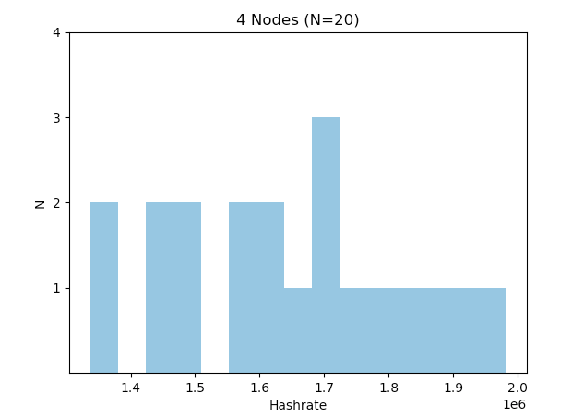
 | 16.1 | 1,134.7 | 47.3 | 68.6 | 1.07E+08 | 1.56E+06
 | 16.9 | 1,481.0 | 61.7 | 94.4 | 1.39E+08 | 1.47E+06
 | 17.6 | 1,598.4 | 66.6 | 94.4 | 1.50E+08 | 1.59E+06
 | 18.4 | 1,480.7 | 61.7 | 93.9 | 1.39E+08 | 1.48E+06
 | 19.2 | 1,308.5 | 54.5 | 91.6 | 1.22E+08 | 1.34E+06
 | 19.4 | 1,264.2 | 52.7 | 69.8 | 1.19E+08 | 1.70E+06
 | 19.7 | 1,312.2 | 54.7 | 71.6 | 1.24E+08 | 1.73E+06
 | 21.4 | 1,049.1 | 43.7 | 54.2 | 9.90E+07 | 1.82E+06 | Average
 | 22.8 | 1,404.3 | 58.5 | 71.1 | 1.32E+08 | 1.86E+06 | 1.64E+06
 | 21.9 | 1,215.4 | 50.6 | 71.1 | 1.14E+08 | 1.61E+06
 | 20.6 | 1,460.6 | 60.9 | 82.1 | 1.39E+08 | 1.69E+06 | Variance
 | 21.0 | 1,293.4 | 53.9 | 69.4 | 1.23E+08 | 1.77E+06 | 3.23E+10
 | 22.5 | 1,231.7 | 51.3 | 71.3 | 1.17E+08 | 1.64E+06
 | 22.2 | 1,226.6 | 51.1 | 58.1 | 1.15E+08 | 1.98E+06
 | 22.3 | 1,355.2 | 56.5 | 89.2 | 1.28E+08 | 1.44E+06
 | 23.8 | 1,383.2 | 57.6 | 80.7 | 1.30E+08 | 1.61E+06
 | 25.3 | 1,289.5 | 53.7 | 63.2 | 1.21E+08 | 1.91E+06
 | 25.2 | 1,499.8 | 62.5 | 84.2 | 1.42E+08 | 1.68E+06
8 | 34.4 | 2,495.2 | 52.0 | 60.4 | 2.34E+08 | 3.88E+06 | 1.18
 | 36.0 | 2,777.6 | 57.9 | 63.7 | 2.63E+08 | 4.13E+06
 | 38.0 | 2,670.5 | 55.6 | 64.4 | 2.51E+08 | 3.90E+06
 | 39.8 | 2,617.8 | 54.5 | 45.7 | 2.44E+08 | 5.35E+06
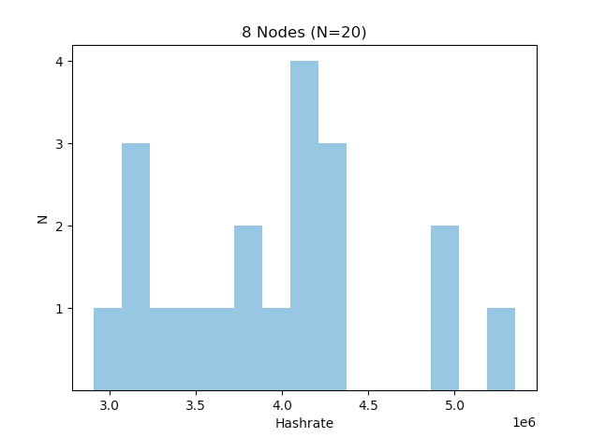
 | 42.7 | 2,921.7 | 60.9 | 88.6 | 2.77E+08 | 3.13E+06
 | 45.5 | 2,600.4 | 54.2 | 60.6 | 2.48E+08 | 4.09E+06
 | 49.0 | 2,813.9 | 58.6 | 62.3 | 2.68E+08 | 4.30E+06
 | 48.2 | 2,587.3 | 53.9 | 59.5 | 2.45E+08 | 4.11E+06
 | 49.6 | 2,704.4 | 56.3 | 73.4 | 2.56E+08 | 3.48E+06
 | 55.1 | 2,545.6 | 53.0 | 74.6 | 2.42E+08 | 3.24E+06 | Average
 | 27.0 | 2,506.4 | 52.2 | 61.1 | 2.35E+08 | 3.84E+06 | 3.94E+06
 | 29.7 | 2,569.5 | 53.5 | 83.1 | 2.41E+08 | 2.90E+06
 | 31.2 | 2,421.7 | 50.5 | 72.2 | 2.28E+08 | 3.15E+06 | Variance
 | 33.9 | 2,493.5 | 51.9 | 55.7 | 2.35E+08 | 4.22E+06 | 4.42E+11
 | 36.1 | 2,890.1 | 60.2 | 62.6 | 2.71E+08 | 4.33E+06
 | 38.1 | 2,867.0 | 59.7 | 75.3 | 2.71E+08 | 3.60E+06 | StDv
 | 39.5 | 2,597.1 | 54.1 | 76.8 | 2.44E+08 | 3.17E+06 | 6.65E+05
 | 41.7 | 2,889.2 | 60.2 | 66.7 | 2.72E+08 | 4.08E+06
 | 44.5 | 2,754.3 | 57.4 | 52.1 | 2.58E+08 | 4.95E+06
 | 52.0 | 2,637.3 | 54.9 | 49.7 | 2.49E+08 | 5.00E+06

Hashratev3
 | Abaco-pow3 | 3e6 hashes/message, 3 messages/worker, 6 workers/node
Node(s) | # of Msgs | Msgtime | Average Worktime | Average Abaco Inittime* | Average Abaco Worktime* | Average Abaco StartedAts | Average Abaco FinishedAts | Clocktime | Hashes | Hashrate | "Ideal Hashrate" | "Ideal Percentage"
1 | 18 | 0.92 | 27.45 | 1.08 | 27.45 | 1.08 | 28.53 | 90.55 | 5.40E+07 | 5.96E+05 | 6.56E+05 | 90.93 | Average Worktime = sum(in script worktimes)/len(in script worktimes) | where len=# of workers
 | 18 | 0.90 | 27.64 | 0.86 | 27.62 | 0.86 | 28.48 | 91.24 | 5.40E+07 | 5.92E+05 | 6.52E+05 | 90.81 | Average Abaco Msgtime = sum(abaco_startedAts-abaco_startTimes)/len(same thing) | where len=# of msgs
 | 18 | 0.96 | 27.88 | 1.05 | 27.86 | 1.05 | 28.91 | 92.34 | 5.40E+07 | 5.85E+05 | 6.46E+05 | 90.53 | Average Abaco Worktime = sum(abaco_FinishedAts-abaco_startedAts)/len(same thing) | where len=# of workers
 | 18 | 0.80 | 28.12 | 0.90 | 28.13 | 0.90 | 29.03 | 91.97 | 5.40E+07 | 5.87E+05 | 6.40E+05 | 91.75 | Average other Abacos
 | 18 | 1.01 | 27.78 | 1.40 | 27.76 | 1.40 | 29.16 | 93.67 | 5.40E+07 | 5.76E+05 | 6.48E+05 | 88.91
 | 18 | 0.85 | 27.46 | 1.13 | 27.46 | 1.13 | 28.59 | 92.35 | 5.40E+07 | 5.85E+05 | 6.55E+05 | 89.20
 | 18 | 0.83 | 27.61 | 1.24 | 27.62 | 1.24 | 28.86 | 91.78 | 5.40E+07 | 5.88E+05 | 6.52E+05 | 90.27
 | 18 | 0.80 | 27.87 | 1.38 | 27.83 | 1.38 | 29.21 | 93.15 | 5.40E+07 | 5.80E+05 | 6.47E+05 | 89.63
 | 18 | 1.04 | 27.78 | 0.97 | 27.75 | 0.97 | 28.72 | 91.63 | 5.40E+07 | 5.89E+05 | 6.49E+05 | 90.88
 | 18 | 0.88 | 27.44 | 0.89 | 27.44 | 0.89 | 28.33 | 90.12 | 5.40E+07 | 5.99E+05 | 6.56E+05 | 91.35
2 | 36 | 1.54 | 30.15 | 1.09 | 31.10 | 1.09 | 32.19 | 109.16 | 1.08E+08 | 9.89E+05 | 1.16E+06 | 85.47
 | 36 | 1.30 | 29.79 | 1.32 | 29.81 | 1.32 | 31.14 | 107.40 | 1.08E+08 | 1.01E+06 | 1.21E+06 | 83.31
 | 36 | 1.53 | 30.01 | 1.39 | 30.04 | 1.39 | 31.43 | 108.82 | 1.08E+08 | 9.92E+05 | 1.20E+06 | 82.81
 | 36 | 1.55 | 30.15 | 1.15 | 30.15 | 1.15 | 31.30 | 109.13 | 1.08E+08 | 9.90E+05 | 1.19E+06 | 82.89
 | 36 | 1.52 | 30.08 | 0.99 | 30.09 | 0.99 | 31.07 | 105.31 | 1.08E+08 | 1.03E+06 | 1.20E+06 | 85.75
 | 36 | 1.46 | 30.10 | 1.10 | 30.09 | 1.10 | 31.20 | 108.76 | 1.08E+08 | 9.93E+05 | 1.20E+06 | 83.00
 | 36 | 1.54 | 30.10 | 1.08 | 30.09 | 1.08 | 31.17 | 112.20 | 1.08E+08 | 9.62E+05 | 1.20E+06 | 80.45
 | 36 | 1.52 | 30.50 | 1.19 | 30.50 | 1.19 | 31.69 | 108.92 | 1.08E+08 | 9.92E+05 | 1.18E+06 | 84.00
 | 36 | 1.32 | 30.15 | 1.18 | 30.17 | 1.18 | 31.35 | 107.94 | 1.08E+08 | 1.00E+06 | 1.19E+06 | 83.89
 | 36 | 1.57 | 30.07 | 1.14 | 30.07 | 1.14 | 31.21 | 108.93 | 1.08E+08 | 9.92E+05 | 1.20E+06 | 82.81
3 | 54 | 2.03 | 28.66 | 1.35 | 29.40 | 1.35 | 30.75 | 105.29 | 1.62E+08 | 1.54E+06 | 1.84E+06 | 83.80
 | 54 | 1.97 | 28.65 | 0.98 | 28.66 | 0.98 | 29.64 | 104.55 | 1.62E+08 | 1.55E+06 | 1.88E+06 | 82.26
 | 54 | 1.86 | 28.60 | 1.00 | 28.60 | 1.00 | 29.60 | 108.66 | 1.62E+08 | 1.49E+06 | 1.89E+06 | 78.97
 | 54 | 1.80 | 28.65 | 1.18 | 28.64 | 1.18 | 29.82 | 105.79 | 1.62E+08 | 1.53E+06 | 1.89E+06 | 81.20
 | 54 | 1.90 | 29.05 | 1.32 | 29.06 | 1.32 | 30.37 | 110.55 | 1.62E+08 | 1.46E+06 | 1.86E+06 | 78.83
 | 54 | 2.01 | 28.68 | 1.05 | 28.66 | 1.05 | 29.70 | 106.61 | 1.62E+08 | 1.52E+06 | 1.88E+06 | 80.67
 | 54 | 2.08 | 28.78 | 0.95 | 28.77 | 0.95 | 29.71 | 105.71 | 1.62E+08 | 1.53E+06 | 1.88E+06 | 81.61
 | 54 | 1.76 | 28.86 | 1.04 | 28.85 | 1.04 | 29.89 | 107.72 | 1.62E+08 | 1.50E+06 | 1.87E+06 | 80.35
 | 54 | 1.89 | 28.89 | 1.02 | 28.89 | 1.02 | 29.91 | 106.76 | 1.62E+08 | 1.52E+06 | 1.87E+06 | 81.15
 | 54 | 1.96 | 28.97 | 1.00 | 29.00 | 1.00 | 29.99 | 104.14 | 1.62E+08 | 1.56E+06 | 1.86E+06 | 83.55
5 | 90 | 3.09 | 27.71 | 1.16 | 27.71 | 1.16 | 28.86 | 96.05 | 2.70E+08 | 2.81E+06 | 3.25E+06 | 86.53
Percentage of Max
 | 90 | 3.07 | 27.68 | 1.43 | 27.67 | 1.43 | 29.10 | 95.43 | 2.70E+08 | 2.83E+06 | 3.25E+06 | 86.98
 | 90 | 2.88 | 27.79 | 1.41 | 27.79 | 1.41 | 29.20 | 95.75 | 2.70E+08 | 2.82E+06 | 3.24E+06 | 87.07
 | 90 | 2.63 | 27.71 | 1.56 | 27.70 | 1.56 | 29.26 | 97.61 | 2.70E+08 | 2.77E+06 | 3.25E+06 | 85.13
 | 90 | 2.73 | 27.64 | 1.46 | 27.65 | 1.46 | 29.11 | 94.76 | 2.70E+08 | 2.85E+06 | 3.26E+06 | 87.53
 | 90 | 3.58 | 27.76 | 1.51 | 27.75 | 1.51 | 29.26 | 96.52 | 2.70E+08 | 2.80E+06 | 3.24E+06 | 86.24
 | 90 | 3.13 | 27.66 | 1.28 | 27.64 | 1.28 | 28.92 | 96.54 | 2.70E+08 | 2.80E+06 | 3.26E+06 | 85.90
 | 90 | 3.82 | 27.66 | 1.35 | 27.66 | 1.35 | 29.01 | 98.21 | 2.70E+08 | 2.75E+06 | 3.25E+06 | 84.48
 | 90 | 3.08 | 27.55 | 1.33 | 27.54 | 1.33 | 28.87 | 97.85 | 2.70E+08 | 2.76E+06 | 3.27E+06 | 84.43
 | 90 | 3.19 | 27.59 | 1.24 | 27.59 | 1.24 | 28.83 | 93.34 | 2.70E+08 | 2.89E+06 | 3.26E+06 | 88.68
8 | 144 | 3.75 | 28.80 | 1.10 | 28.80 | 1.10 | 29.90 | 107.65 | 4.32E+08 | 4.01E+06 | 5.00E+06 | 80.26
 | 144 | 3.60 | 28.86 | 1.33 | 28.86 | 1.33 | 30.19 | 106.07 | 4.32E+08 | 4.07E+06 | 4.99E+06 | 81.63
 | 144 | 3.95 | 28.82 | 1.40 | 28.80 | 1.40 | 30.20 | 106.36 | 4.32E+08 | 4.06E+06 | 5.00E+06 | 81.24
 | 144 | 4.30 | 28.72 | 1.45 | 28.71 | 1.45 | 30.17 | 105.16 | 4.32E+08 | 4.11E+06 | 5.02E+06 | 81.91
 | 144 | 4.46 | 28.93 | 1.85 | 28.93 | 1.85 | 30.78 | 120.39 | 4.32E+08 | 3.59E+06 | 4.98E+06 | 72.08
 | 144 | 5.08 | 28.71 | 1.11 | 28.70 | 1.11 | 29.81 | 111.82 | 4.32E+08 | 3.86E+06 | 5.02E+06 | 77.00
 | 144 | 4.59 | 28.67 | 1.06 | 28.66 | 1.06 | 29.72 | 106.16 | 4.32E+08 | 4.07E+06 | 5.02E+06 | 80.99
 | 144 | 4.64 | 28.77 | 1.27 | 28.77 | 1.27 | 30.04 | 109.77 | 4.32E+08 | 3.94E+06 | 5.00E+06 | 78.64
 | 144 | 4.48 | 28.72 | 0.97 | 28.72 | 0.97 | 29.68 | 106.04 | 4.32E+08 | 4.07E+06 | 5.01E+06 | 81.24
 | 144 | 4.93 | 28.80 | 0.94 | 28.79 | 0.94 | 29.74 | 107.25 | 4.32E+08 | 4.03E+06 | 5.00E+06 | 80.54
13 | 234 | 6.42 | 28.10 | 1.10 | 28.10 | 1.10 | 29.20 | 108.58 | 7.02E+08 | 6.47E+06 | 8.33E+06 | 77.65
 | 234 | 6.26 | 28.14 | 1.52 | 28.13 | 1.52 | 29.66 | 108.26 | 7.02E+08 | 6.48E+06 | 8.32E+06 | 77.96
 | 234 | 6.64 | 28.12 | 1.14 | 28.11 | 1.14 | 29.26 | 105.19 | 7.02E+08 | 6.67E+06 | 8.32E+06 | 80.19
 | 234 | 7.24 | 28.11 | 1.17 | 28.11 | 1.17 | 29.27 | 105.28 | 7.02E+08 | 6.67E+06 | 8.33E+06 | 80.09
 | 234 | 7.34 | 28.10 | 1.06 | 28.10 | 1.06 | 29.16 | 104.63 | 7.02E+08 | 6.71E+06 | 8.33E+06 | 80.57
 | 234 | 6.67 | 28.10 | 1.20 | 28.09 | 1.20 | 29.29 | 103.59 | 7.02E+08 | 6.78E+06 | 8.33E+06 | 81.33
 | 234 | 8.39 | 28.06 | 1.03 | 28.06 | 1.03 | 29.08 | 109.75 | 7.02E+08 | 6.40E+06 | 8.34E+06 | 76.70
 | 234 | 7.92 | 28.12 | 1.03 | 28.11 | 1.03 | 29.14 | 105.99 | 7.02E+08 | 6.62E+06 | 8.32E+06 | 79.57
 | 234 | 8.00 | 28.07 | 1.08 | 28.07 | 1.08 | 29.15 | 100.04 | 7.02E+08 | 7.02E+06 | 8.34E+06 | 84.17
 | 234 | 7.79 | 28.09 | 1.28 | 28.09 | 1.28 | 29.36 | 103.18 | 7.02E+08 | 6.80E+06 | 8.33E+06 | 81.66
21 | 378 | 10.50 | 28.66 | 1.50 | 29.18 | 1.50 | 30.68 | 106.67 | 1.13E+09 | 1.06E+07 | 1.30E+07 | 82.06
 | 378 | 11.36 | 28.65 | 0.94 | 28.65 | 0.94 | 29.59 | 105.90 | 1.13E+09 | 1.07E+07 | 1.32E+07 | 81.16
 | 378 | 12.67 | 28.56 | 0.99 | 28.57 | 0.99 | 29.56 | 104.48 | 1.13E+09 | 1.08E+07 | 1.32E+07 | 81.99
 | 378 | 12.04 | 28.53 | 0.95 | 28.53 | 0.95 | 29.47 | 104.72 | 1.13E+09 | 1.08E+07 | 1.33E+07 | 81.73
 | 378 | 12.84 | 28.60 | 1.08 | 28.60 | 1.08 | 29.68 | 107.44 | 1.13E+09 | 1.06E+07 | 1.32E+07 | 79.81
 | 378 | 10.42 | 28.33 | 0.84 | 28.33 | 0.84 | 29.17 | 101.95 | 1.13E+09 | 1.11E+07 | 1.33E+07 | 83.35
 | 378 | 9.92 | 28.25 | 1.08 | 28.25 | 1.08 | 29.32 | 100.03 | 1.13E+09 | 1.13E+07 | 1.34E+07 | 84.74
 | 378 | 11.05 | 28.32 | 1.07 | 28.32 | 1.07 | 29.38 | 104.09 | 1.13E+09 | 1.09E+07 | 1.33E+07 | 81.58
 | 378 | 11.27 | 28.30 | 1.00 | 28.29 | 1.00 | 29.30 | 106.27 | 1.13E+09 | 1.07E+07 | 1.34E+07 | 79.87
 | 378 | 11.67 | 28.35 | 1.03 | 28.35 | 1.03 | 29.38 | 103.50 | 1.13E+09 | 1.10E+07 | 1.33E+07 | 82.19
34 | 612 | 9.31 | 28.29 | 1.61 | 28.61 | 1.61 | 30.22 | 103.29 | 1.84E+09 | 1.78E+07 | 2.14E+07 | 83.08
 | 612 | 13.03 | 28.20 | 1.15 | 28.20 | 1.15 | 29.35 | 99.03 | 1.84E+09 | 1.85E+07 | 2.17E+07 | 85.43
 | 612 | 15.24 | 28.18 | 1.04 | 28.18 | 1.04 | 29.22 | 99.54 | 1.84E+09 | 1.84E+07 | 2.17E+07 | 84.96
 | 612 | 16.32 | 28.14 | 1.24 | 28.14 | 1.24 | 29.38 | 98.70 | 1.84E+09 | 1.86E+07 | 2.17E+07 | 85.52
 | 612 | 9.37 | 27.92 | 1.10 | 27.92 | 1.10 | 29.02 | 103.73 | 1.84E+09 | 1.77E+07 | 2.19E+07 | 80.75
 | 612 | 12.14 | 27.88 | 1.06 | 27.87 | 1.06 | 28.93 | 103.33 | 1.84E+09 | 1.78E+07 | 2.20E+07 | 80.94
 | 612 | 12.60 | 27.86 | 1.06 | 27.86 | 1.06 | 28.92 | 103.65 | 1.84E+09 | 1.77E+07 | 2.20E+07 | 80.62
 | 612 | 11.92 | 28.63 | 1.29 | 28.89 | 1.29 | 30.18 | 106.56 | 1.84E+09 | 1.72E+07 | 2.12E+07 | 81.33
 | 612 | 9.82 | 28.60 | 1.09 | 28.59 | 1.09 | 29.68 | 105.14 | 1.84E+09 | 1.75E+07 | 2.14E+07 | 81.57
 | 612 | 12.09 | 28.51 | 1.17 | 28.51 | 1.17 | 29.68 | 104.25 | 1.84E+09 | 1.76E+07 | 2.15E+07 | 82.04
55 |  |  |  |  |  |  |  |  |  |  | #DIV/0! | #DIV/0!
 |  |  |  |  |  |  |  |  |  |  | #DIV/0! | #DIV/0!
 |  |  |  |  |  |  |  |  |  |  | #DIV/0! | #DIV/0!
 |  |  |  |  |  |  |  |  |  |  | #DIV/0! | #DIV/0!
 |  |  |  |  |  |  |  |  |  |  | #DIV/0! | #DIV/0!
 |  |  |  |  |  |  |  |  |  |  | #DIV/0! | #DIV/0!
 |  |  |  |  |  |  |  |  |  |  | #DIV/0! | #DIV/0!
 |  |  |  |  |  |  |  |  |  |  | #DIV/0! | #DIV/0!
 |  |  |  |  |  |  |  |  |  |  | #DIV/0! | #DIV/0!
 |  |  |  |  |  |  |  |  |  |  | #DIV/0! | #DIV/0!
89 |  |  |  |  |  |  |  |  |  |  | #DIV/0! | #DIV/0!
 |  |  |  |  |  |  |  |  |  |  | #DIV/0! | #DIV/0!
 |  |  |  |  |  |  |  |  |  |  | #DIV/0! | #DIV/0!
 |  |  |  |  |  |  |  |  |  |  | #DIV/0! | #DIV/0!
 |  |  |  |  |  |  |  |  |  |  | #DIV/0! | #DIV/0!
 |  |  |  |  |  |  |  |  |  |  | #DIV/0! | #DIV/0!
 |  |  |  |  |  |  |  |  |  |  | #DIV/0! | #DIV/0!
 |  |  |  |  |  |  |  |  |  |  | #DIV/0! | #DIV/0!
 |  |  |  |  |  |  |  |  |  |  | #DIV/0! | #DIV/0!
 |  |  |  |  |  |  |  |  |  |  | #DIV/0! | #DIV/0!

