Products
SKU* | Slug (optional) | Product Name (English)* | Product Description (English) | Product Name (Chinese) | Product Description (Chinese) | Unit Length (cm) | Unit Width (cm) | Unit Height (cm) | Unit Weight (g) | Packaging Type | Carton Length (cm) | Carton Width (cm) | Carton Height (cm) | Carton Gross Weight (kg) | Carton Quantity (pcs) | Unit Price (CNY) [internal] | Image URL(s) or Asset ID(s) | Sort Order
WX-FSL-2610001 | vaseline-7cm-rose | Vaseline 7CM Rose | Vaseline Rose (Purple) - 7cm, Vaseline Rose (Red) - 7cm, Vaseline Rose (Pink) - 7cm, Vaseline Rose (Blue) - 7cm | 凡士林7CM玫瑰花 | 凡士林玫瑰紫色-7CM,凡士林玫瑰红色-7CM,凡士林玫瑰粉色-7CM,凡士林玫瑰蓝色-7CM | 7 | 6 | 6 | 130 | PVC Box | 50 | 35 | 45 | 25 | 192 | 4.7 | 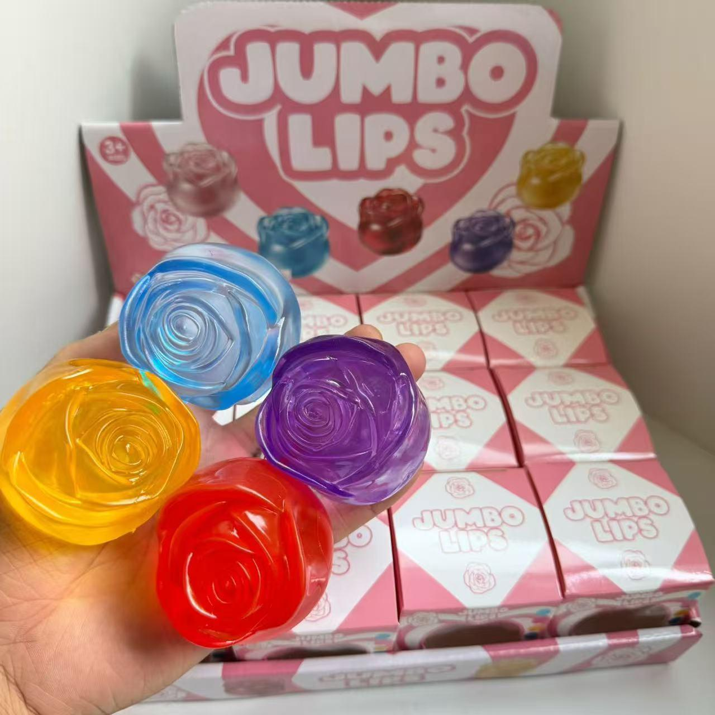 | 10
WX-FSL-2610002 | Vaseline-Strawberry | Vaseline-Strawberry | Transparent/Opaque Styles | 凡士林草莓 | 透明/不透明款式 | 6 | 6 | 6 | 150 | PVC Box | 60 | 30 | 35 | 21 | 144 | 3.8 | 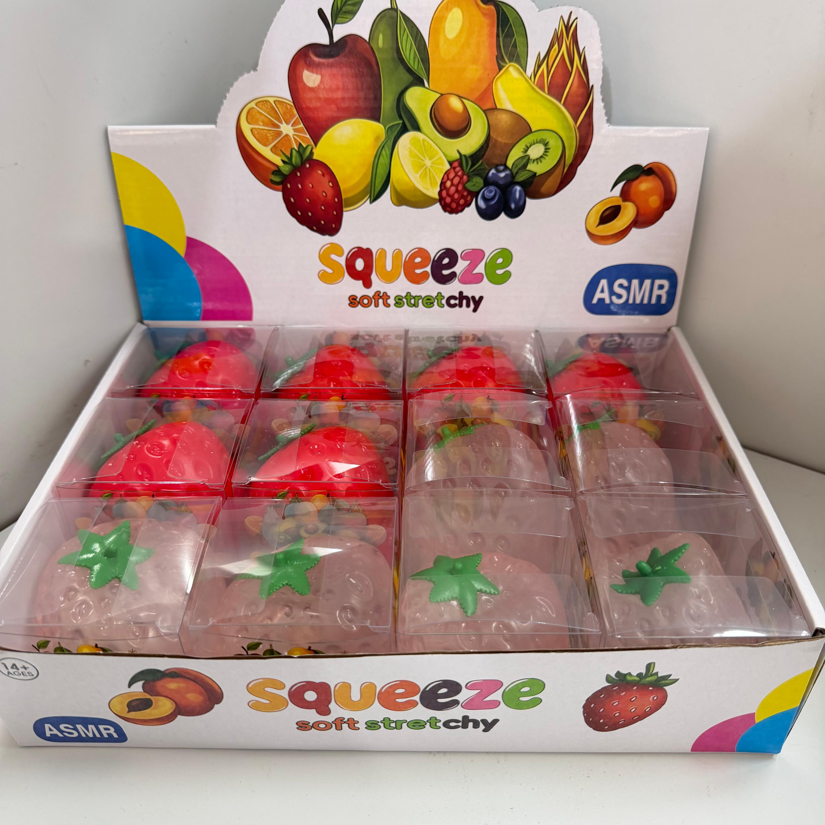 | 20
WX-FSL-2610003 | vaseline-5cm-cheese | Vaseline 5CM Cheese | Vaseline-coated cheese, available in sizes 5cm, 6cm, and 7cm | 凡士林5CM奶酪 | 凡士林奶酪尺寸5CM、6CM、7CM | 6 | 6 | 6 | 150 | PVC Box | 60 | 30 | 35 | 21 | 144 | 3.5 |  | 30

