Products
product_id | slug | name | short_description | description | material_id | tags | size | weight_g | moq_pcs | packaging | oem | featured | new_arrival | enabled | carton_dimensions | carton_qty_pcs | carton_weight_kg | seo_title | seo_description | image_1_cover | image_2_front | image_3_side | image_4_back | image_5_squeeze | image_6_size | image_7_packaging
SP-001 | needoh-icecubes | NeeDoh Nice Berg – Giant Squishy Cube | Ice cube squeeze toy—ideal for stress relief, gifting, or wholesale. | A super-size version of the best-selling Nice Cube! Sensory satisfaction with the super solid squish Squeeze. stretch. squish this mega size iceberg style sensory cube! | maltose | slow-rising,stress-relief | 5.5 × 5.5 × 5.5 cm | 210.00 | 100 | OPP Bag / Custom Packaging | TRUE | TRUE | TRUE | TRUE | 55.5 × 40.5 × 38 cm | 144.00 | 27.00 | Giant Squishy Cube | Slow Rising Squishy | Ice cube squeeze toy—ideal for stress relief, gifting, or wholesale. | 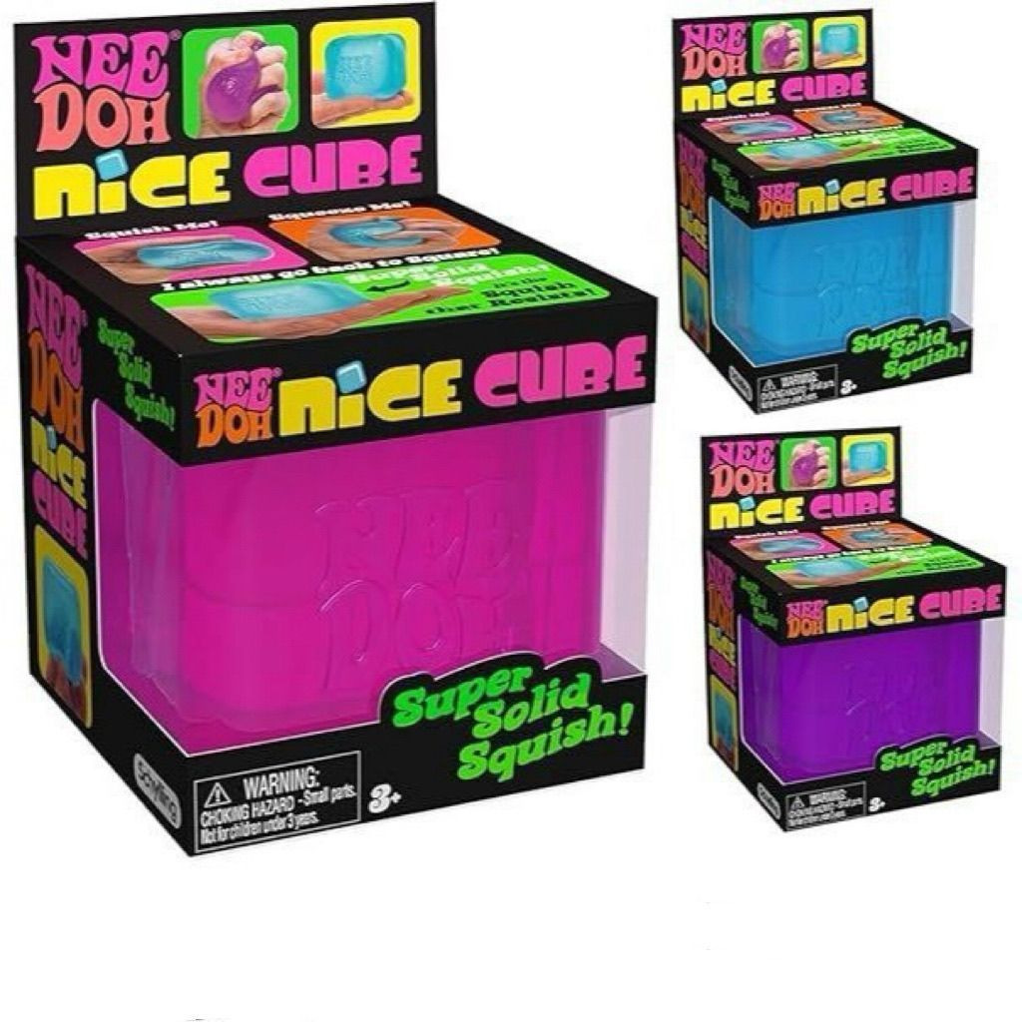 | 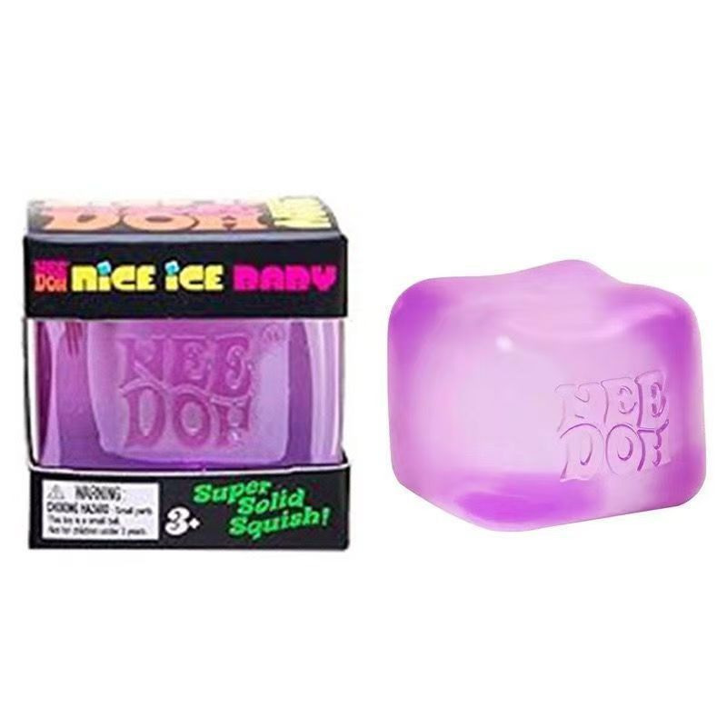 | 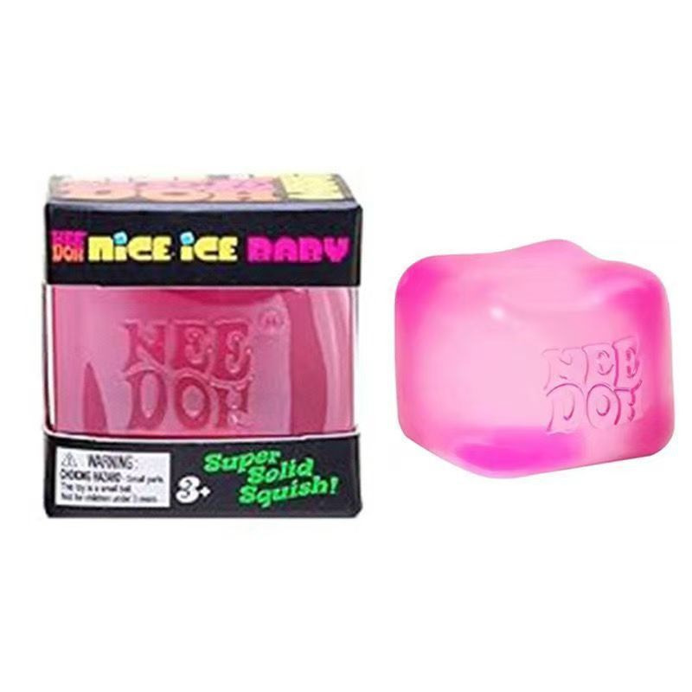 | 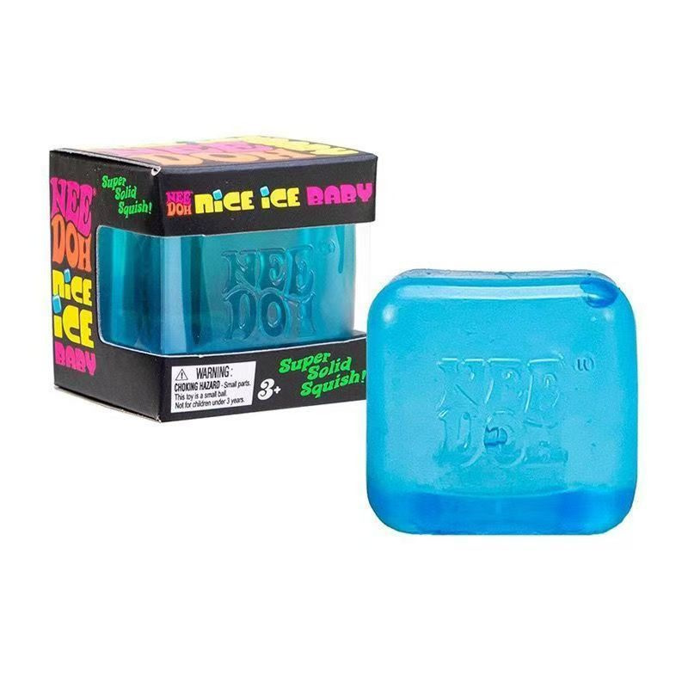 | 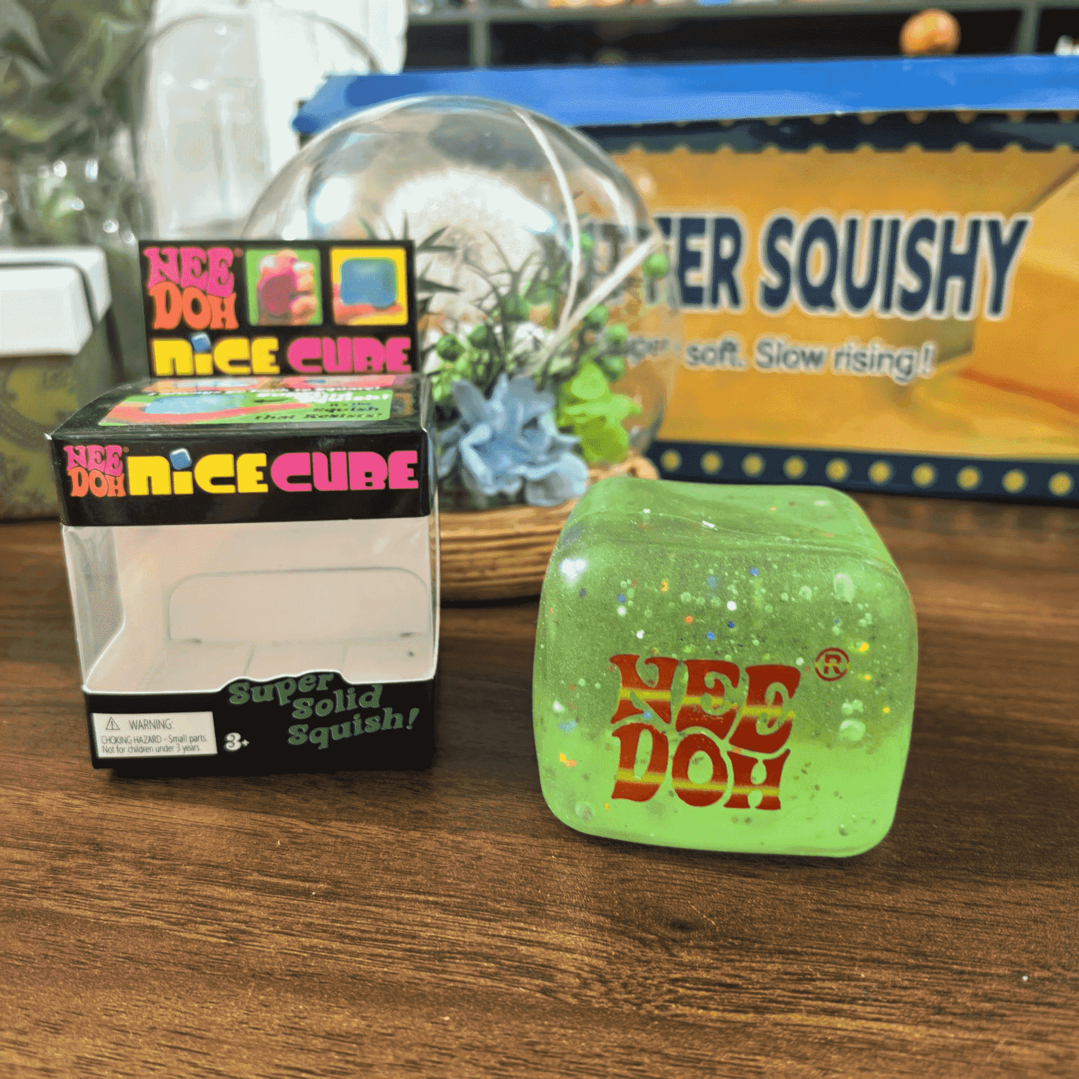
SP-002 | pectin-filled-bun | Rainbow Stress-Relief Squeeze Toy | rainbow bun squishy, A bouncy, tactile feel that soothes the soul. | Rainbow Stress-Relief Squeeze Toy – Squishy, ​​tactile, and mood-soothing. Features a 6-color collection, shimmering pearlescent finish, and slow-rebound material. | pectin | Bouncy, tactile feel—a mood-soothing collection of six colors, made from slow-rebound material. | 5.5 × 4.5 × 5.5 cm | 63.00 | 200 | OPP Bag / Custom Packaging | TRUE | FALSE | FALSE | TRUE | 56.5 × 41.5 × 29 cm | 288.00 | 21.00 | Rainbow Stress-Relief Squeeze Toy | rainbow bun squishy, A bouncy, tactile feel that soothes the soul.
SP-003 | strawberry-squeeze | Crisp Strawberry | Crisp, snap-when-pressed strawberries | Large Strawberry-Shaped Squishy Stress-Relief Toy with Crunchy Internal Blocks – A Fun Fidget Toy for Work Breaks | clay-blocks | Crisp, crackling texture | 12.5 × 14.5 × 12.5 cm | 466.50 | 40 | OPP Bag / Custom Packaging | FALSE | TRUE | TRUE | TRUE | 55 × 50 × 35 cm | 48.00 | 20.00 | Crisp Strawberry | Crisp, snap-when-pressed strawberries | 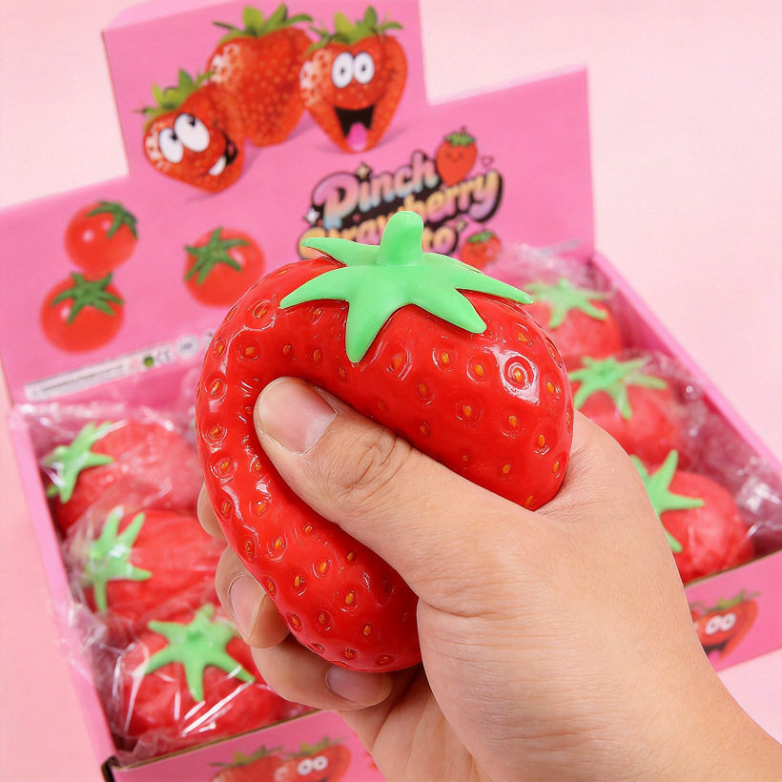 | 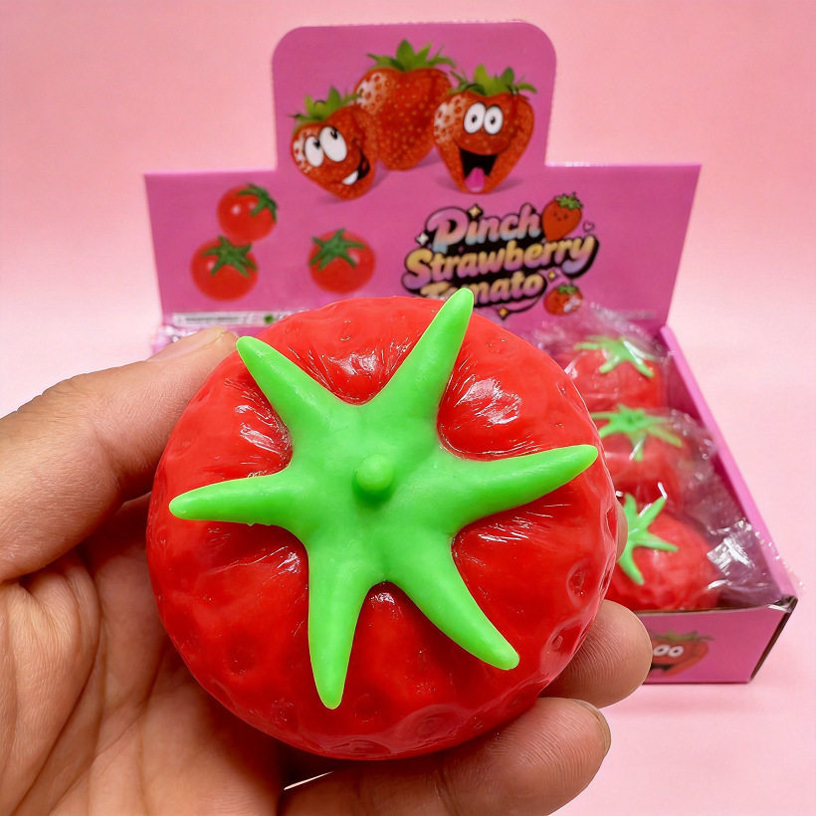 | 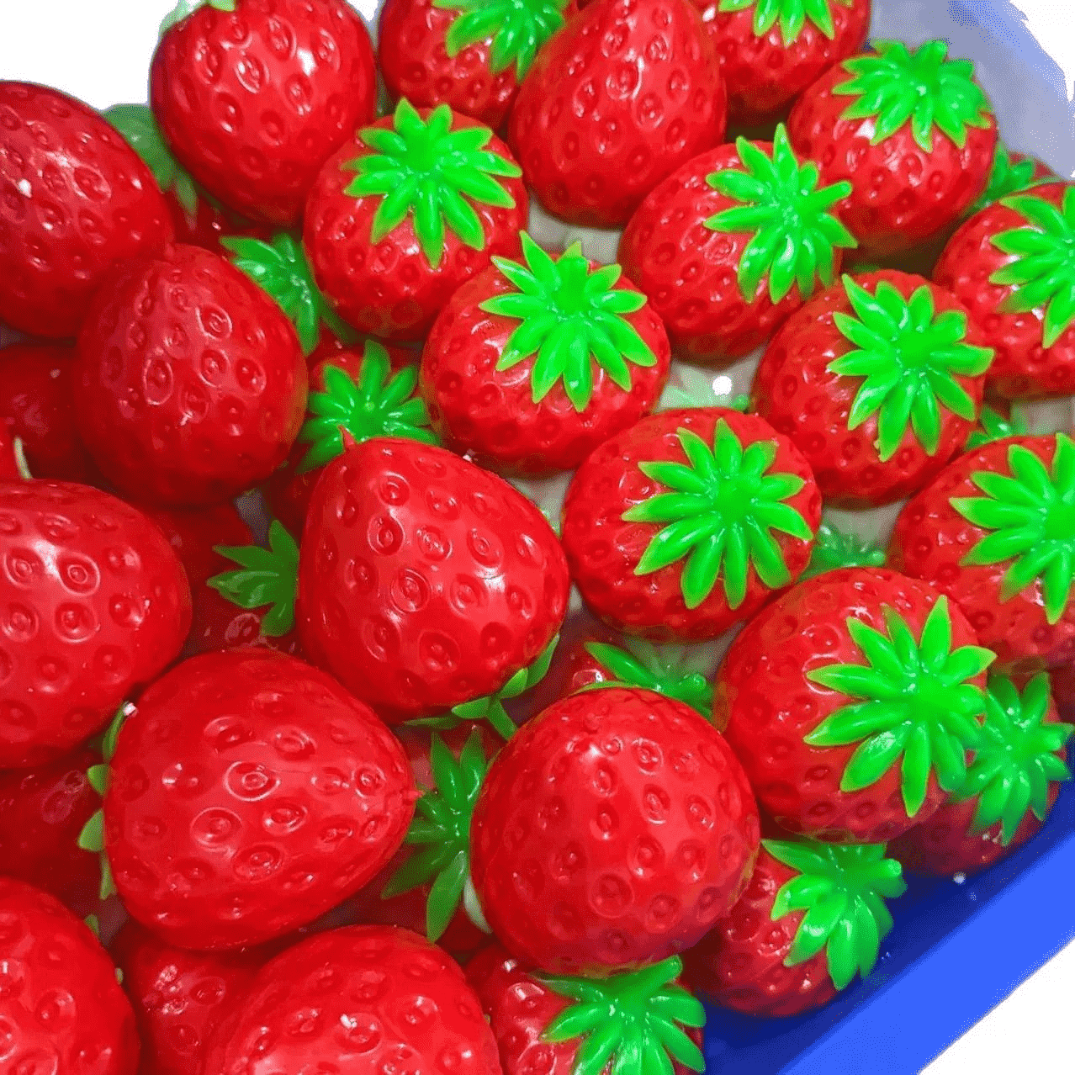

Example
Example — How to insert product pictures directly into Excel

The images below are actual embedded worksheet images. Copy/paste or insert your own pictures into the matching image_* cells on Products.

image_1_cover | image_2_front | image_3_side | image_4_back | image_5_squeeze | image_6_size | Notes
 |  |  |  |  |  | Example only. One image per image_* cell. Use image_1_cover as the main product image.

Tip: In modern Excel, use Insert → Pictures → Place in Cell when available. Otherwise insert a normal picture and keep its top-left corner inside the intended image_* cell. The importer detects the worksheet image anchor and maps it to the image column.

