Sheet1
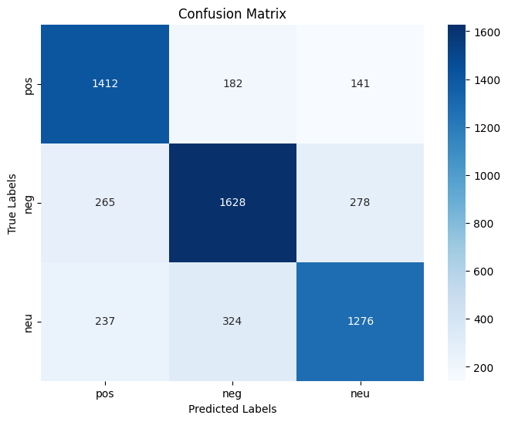
 | datasetTH |  | preprocess
 |  | pos | 9069
 |  | neg | 8793
 |  | neu | 10846
 |  |  | 28708
 |  |  | -20%
 |  | Train | 22966.4
 |  | Test | 5741.6

label | pos | 1412 | 182 | 141 | 1735
 | neg | 265 | 1628 | 278 | 2171
 | neu | 237 | 324 | 1276 | 1837
 |  | pos | neg | neu | 5743
 |  | predicted

 | accuracy | 0.75

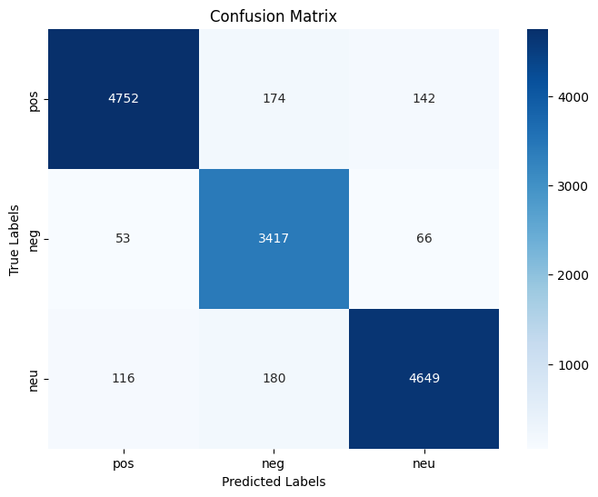
 | datasetEN |  | preprocess
 |  | pos | 24973
 |  | neg | 24980
 |  | neu | 17791
 |  |  | 67744
 |  |  | -20%
 |  | Train | 54195.2
 |  | Test | 13548.8

label | pos | 4752 | 174 | 142 | 5068
 | neg | 53 | 3417 | 66 | 3536
 | neu | 116 | 180 | 4649 | 4945
 |  | pos | neg | neu | 13549
 |  | predicted

 | accuracy | 0.95

