Bugs
Category | Label | Value
Bug ID | ID number | #001
 | Name | Save Banner: clicking on save banner will not redirect the user to any page
 | Reporter | Nour Rizik
 | Submit Date | 2022-04-27
Bug overview | Summary | click on get saving now will not redirect the user to any page
 | URL | http://automationpractice.com/index.php
 | Screenshot
Environment | Platform | Windows
 | Operating System | 11
 | Browser | Chrome 100.0.1
Bug details | Steps to reproduce | 1-Navigate to My store website 2-Click on the saving banner on the top of the screen 3-Observe the result
 | Expected result | The user should get redirected to the proper page
 | Actual result | the user will not get redirected to any page, and that make the user in conflect
 | Description | /
Bug tracking | Severity | Minor
 | Assigned to | /
 | Priority | Medium
Notes | Notes | /

Bug ID | ID number | #002
 | Name | Sort by price not working in any page
 | Reporter | Nour Rizik
 | Submit Date | 2022-04-27
Bug overview | Summary | Choose sort by highiest first not working
 | URL | http://automationpractice.com/index.php?id_category=4&controller=category#/
 | Screenshot | 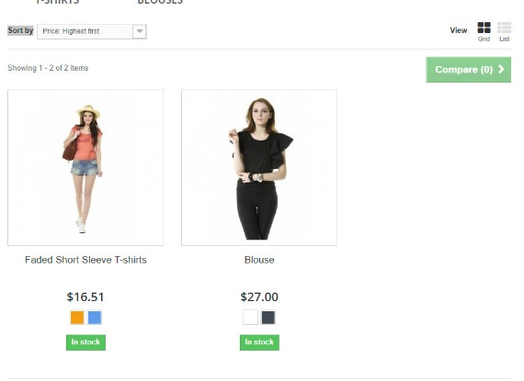
Environment | Platform | Windows
 | Operating System | 11
 | Browser | Chrome 100.0.1
Bug details | Steps to reproduce | 1-Navigate to the url or any page with sort by field 2-choose sort by highiest first 3-Observe the result
 | Expected result | Choose sort by highiest first should return the item with the highiest firs
 | Actual result | Choose sort by highiest first will not reflect on the items
 | Description | /
Bug tracking | Severity | Major
 | Assigned to | /
 | Priority | High
Notes | Notes | /

