.Net Acquisition Prism Complete
Q4 2011 Aquisition Prism CTL.net | http://promotions.centurylink.com/prism/new/complete/

Requirements
1 | Set Global Variables
2 | Set trackClicks for buttons page ("Chat with a Rep" button, "right click" button, "left click" button)

Requirement: | 1. Set Global Variables

Page | s.pageName = "" | s.server = "" | s.channel = s.evar41 = "" | s.hierarchy = "" | s.prop3 = s.eVar24 = "" Customer Type | s.prop6 = "" Report suite ID | s.prop20 = "" Subchannel (Product) | s.prop24 = s.eVar53 = "" Sub Section | s.prop25 = s.eVar54 = "" level1 | s.prop26 =s.eVar55 = "" level2 | s.prop27 ="" level3 | s.prop38 = s.eVar48 = "" System Group | s.prop39 = s.evar49 = "" Cart Page Category | s.prop52 = s.eVar56 = "" Page Owner
Q4 2011 Acquisition Prism Customer on CTL.net_PrismComplete | ctl|rsd|product|eMktg|2011|q4|prism_new_ctl.net_complete | promotions.centurylink.com | rsd |  | <Set dynamically> | <Set by Vista rule> |  | rsd|product | rsd|product|emktg|2011|q4 |  |  | static_page | landing_page | ctl
= Not used on page
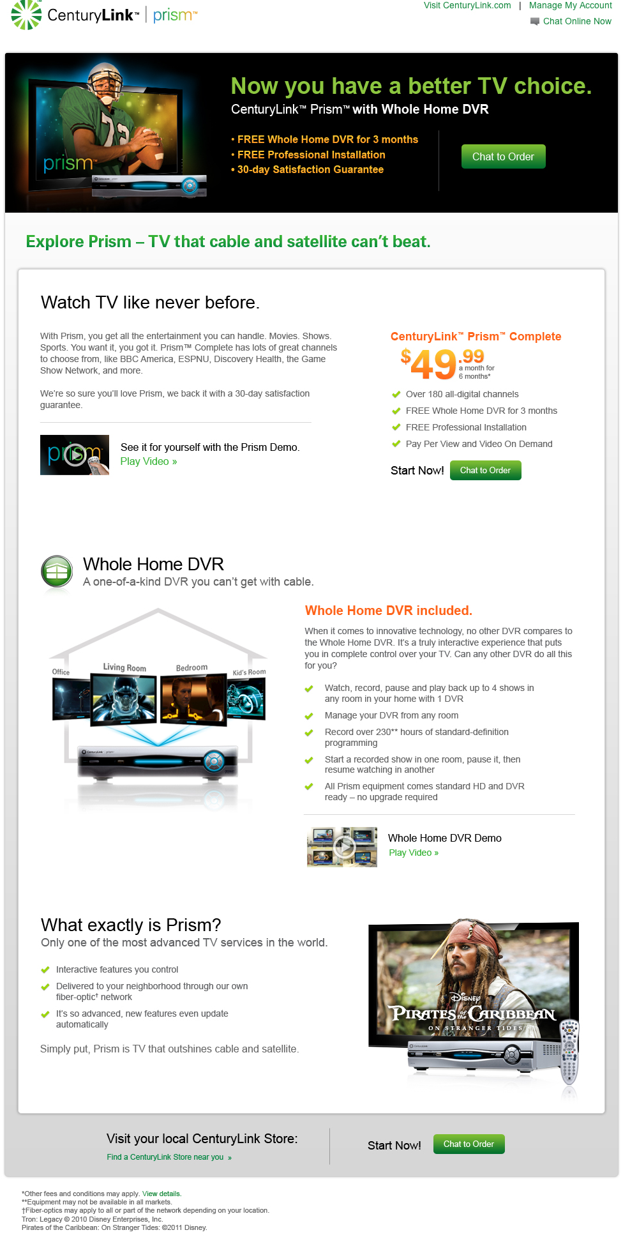

Requirement: | 2. Set trackClicks

Link or Button | s.eVar30=""
Chat to order | ctl|rsd|product|eMktg|2011|q4|prism_new_ctl.net|complete|chatorder
Prism Demo Play | ctl|rsd|product|eMktg|2011|q4|prism_new_ctl.net|complete|playdemo
Prism Whole Home DVR Demo | ctl|rsd|product|eMktg|2011|q4|prism_new_ctl.net|complete|dvrdemo
Find a Retail Store Near You | ctl|rsd|product|eMktg|2011|q4|prism_new_ctl.net|complete|retailstore
Facebook share | ctl|rsd|product|eMktg_q4|prism_existing_ctl.net_page|premchannels|facebook
Twitter Share | ctl|rsd|product|eMktg_q4|prism_existing_ctl.net_page|premchannels|twitter

Double Click Tag

