14.95 Price Lock Landing Page
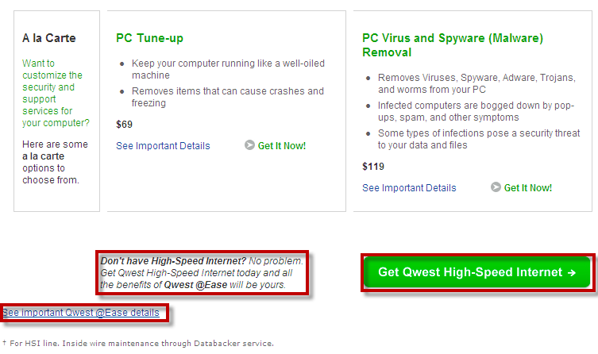
$14.95 Price Lock Landing Page | http://promotions.centurylink.com/price-lock/1495/

Requirements
1 | Set Global Variables
2 | Set trackClicks for buttons and links on page ("Get CTL @ Ease" button, "Already a Customer?" link)

Requirement: | 1. Set Global Variables

Page | s.pageName = "" | s.server = "" | s.channel = s.evar41 = "" | s.hierarchy = "" | s.prop3 = s.eVar24 = "" Customer Type | s.prop6 = "" Report suite ID | s.prop20 = "" Subchannel (Product) | s.prop24 = s.eVar53 = "" Sub Section | s.prop25 = s.eVar54 = "" level1 | s.prop26 =s.eVar55 = "" level2 | s.prop27 ="" level3 | s.prop38 = s.eVar48 = "" System Group | s.prop39 = s.evar49 = "" Cart Page Category | s.prop52 = s.eVar56 = "" Page Owner
Centurylink Q3 $14.95 LP | ctl|rsd|product|eMktg_Q3|1495_price_lock | promotions.centurylink.com | rsd |  | <Set dynamically> | <Set by Vista rule> |  | rsd|product | rsd|product|eMktg_Q3 | ctl|rsd|product|eMktg_Q3|1495_price_lock |  | static_page | landing_page | ctl
= Not used on page
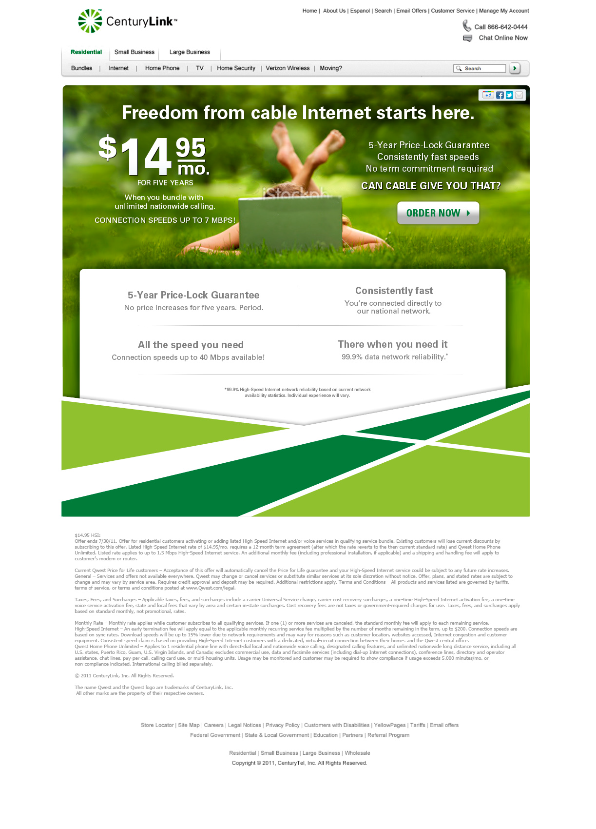

Requirement: | 2. Set trackClicks

4
Link or Button | s.eVar30=""
Order now | ctl|rsd|product|eMktg_Q3|1495_price_lock|order_now
Header "Get CenturyLink @Ease" Button | ctl|rsd|product|eMktg_Q3|1495_price_lock|STAF
5
2
"Get CenturyLink @Ease" Button (Middle) | ctl|rsd|product|eMktg_Q3|1495_price_lock|twitter
"Get CenturyLink™ High-Speed Internet" Button | ctl|rsd|product|eMktg_Q3|1495_price_lock|googleplus
NOTE: event23 will not be used for link tracking as per merged solution design
3

1

19.95 Unchangeable LP
Q3 5 years Landing Page | promotions.centurylink.com/5years

Requirements
1 | Set Global Variables
2 | Set trackClicks for buttons and links on page ("Get CTL @ Ease" button, "Already a Customer?" link)

Requirement: | 1. Set Global Variables

Page | s.pageName = "" | s.server = "" | s.channel = s.evar41 = "" | s.hierarchy = "" | s.prop3 = s.eVar24 = "" Customer Type | s.prop6 = "" Report suite ID | s.prop20 = "" Subchannel (Product) | s.prop24 = s.eVar53 = "" Sub Section | s.prop25 = s.eVar54 = "" level1 | s.prop26 =s.eVar55 = "" level2 | s.prop27 ="" level3 | s.prop38 = s.eVar48 = "" System Group | s.prop39 = s.evar49 = "" Cart Page Category | s.prop52 = s.eVar56 = "" Page Owner
CTL at EASE Compare page | ctl|rsd|product|eMktg_q3|5years | promotions.centurylink.com | rsd |  | <Set dynamically> | <Set by Vista rule> |  | rsd|product | rsd|product|eMktg_q3 | rsd|product|eMktg_q3|5years |  | static_page | landing_page | ctl
= Not used on page

Requirement: | 2. Set trackClicks

Link or Button | s.eVar30=""
Chat with an Agent | ctl|rsd|product|eMktg_q3|5years|chat
Check Availablity | ctl|rsd|product|eMktg_q3|5years|checkavailability

2

1

