ERD
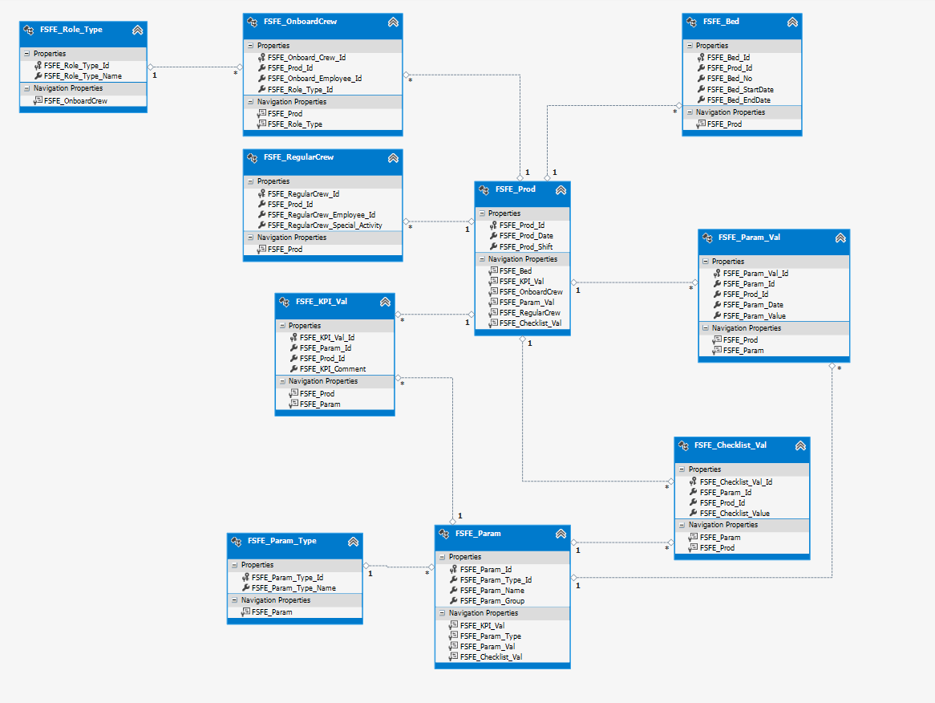
 |  | FSFE_Bed
FSFE_Prod |  | FSFE_Bed_Id | int
FSFE_Prod_Id | int | FSFE_Prod_Id | int
FSFE_Prod_date | date | FSFE_Bed_No | int
FSFE_Prod_Shift | int | FSFE_Bed_StartDate | date
 |  | FSFE_Bed_EndDate | date

 |  | FSFE_Param_Val
FSFE_Param |  | FSFE_Param_Val_Id | int
FSFE_Param_Id | int | FSFE_Param_Id | int
FSFE_Param_Type_Id | int | FSFE_Prod_Id | int
FSFE_Param_Name | varchar(200) | FSFE_Param_Date | date
FSFE_Param_Group | varchar(200) | FSFE_Pram_Value | float

 |  | FSFE_KPI_Val
FSFE_Param_Type |  | FSFE_KPI_Val_Id | int
FSFE_Param_Type_Id | int | FSFE_Param_Id | int
FSFE_Param_Type_Name | varchar(100) | FSFE_Prod_Id | int
 |  | FSFE_KPI_Comments | varchar(2000)

FSFE_Role_Type |  | FSFE_Checklist_Val
FSFE_Role_Type_id | int | FSFE_Checklist_Val_Id | int
FSFE_Role_Type_Name | varchar(100) | FSFE_Param_Id | int
 |  | FSFE_Prod_Id | int
 |  | FSFe_Checklist_Value | boolean

 |  | FSFE_Inspection_Val
 |  | FSFE_Inspection_Val_Id | int
FSFE_Inspection |  | FSFE_Prod_Id | int
FSFE_Inspection_Id | int | FSFE_Inspection_Id | int
FSFE_Inspection_Name | varchar(100) | FSFE_Inspected | bit

 |  | FSFE_OnboardCrew
 |  | FSFE_Onboard_Crew_Id | int
 |  | FSFE_Prod_Id | int
 |  | FSFE_Onboard_Employee_Id | int
 |  | FSFE_Role_Type_id | int

 |  | FSFE_RegularCrew
 |  | FSFE_Regular_Crew_Id | int
 |  | FSFE_Prod_Id | int
 |  | FSFE_Regular_Employee_id | int
 |  | FSFE_RegularCrew_Special_Activities | varchar(2000)

