Summary
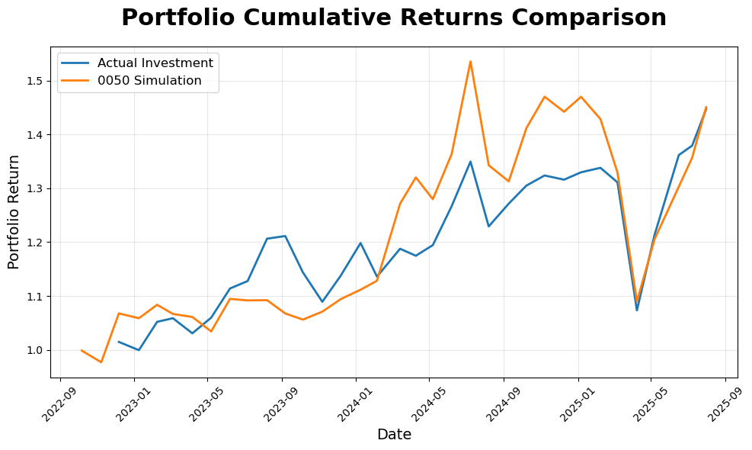
Date | Return
20221207 | 1.0148
20230109 | 0.9995
20230208 | 1.0521
20230306 | 1.0588
20230407 | 1.0308
20230508 | 1.0598
20230608 | 1.114
20230707 | 1.1277
20230808 | 1.2064
20230907 | 1.2113
20231006 | 1.1439
20231107 | 1.0893
20231207 | 1.1372
20240109 | 1.1983
20240205 | 1.136
20240314 | 1.1877
20240409 | 1.1747
20240507 | 1.1945
20240607 | 1.2668
20240708 | 1.3495
20240807 | 1.2291
20240909 | 1.2715
20241008 | 1.3049
20241107 | 1.3237
20241209 | 1.3159
20250106 | 1.3296
20250207 | 1.3379
20250307 | 1.3109
20250408 | 1.0733
20250507 | 1.2133
20250616 | 1.3616
20250708 | 1.3792
20250731 | 1.4468

