protocol specification
USRT Communication Protocol
NO. | Protocol Content | Protocol function description | Details or Example | Normal Response | Abnormal Response | Comment
1 | Data Format |  | Valid slave device addresses range from 0 to 254 decimal. The addresses assigned to each slave device range from 1 to 254. 0 is the broadcast address. Each holding register and input register is a 16-bit (two-byte) unsigned integer.
2 | command format | Function code 0x3 Read holding register | 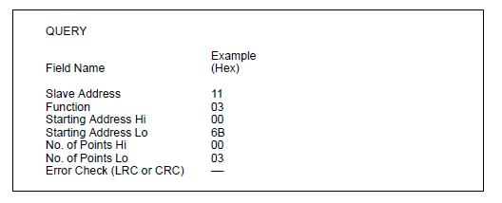 | 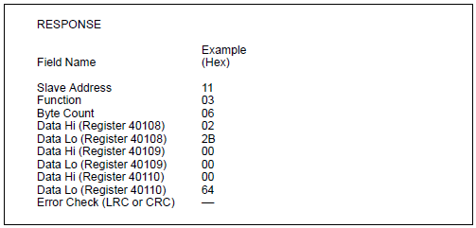 | 11 0x80 | 0x03 ErrornumCRC (Errornum as a byte)
3 |  | Function code 0x4 Read input register |  | 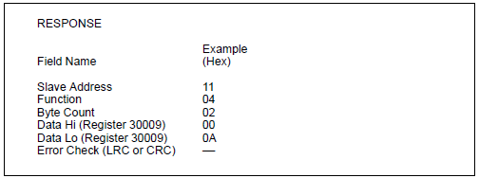 | 11 0x80 | 0x04 ErrornumCRC (Errornum as a byte)
4 |  | Function code 0x6 Preset single register |  | 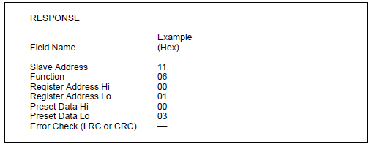 | 11 0x80|0x06 ErrornumCRC (Errornum as a byte)
5 |  | Function code 0x10 Preset multiple registers |  | 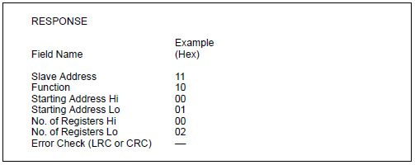 | 11 0x80|0x10 ErrornumCRC (Errornum as a byte)
6 | Device information transmission mode and framework | RTU mode | When the controller is set to communicate over the Modbus network using RTU (Remote Terminal Unit) mode, each 8-bit byte in the message contains two 4-bit hexadecimal characters. Each message must be transmitted in a continuous stream.
7 |  | Format of each byte in RTU mode | Coding system: 8-bit binary, hexadecimal 0-9, A-F Each contains two hexadecimal numbers Eight-bit message field
8 |  | Per bit | An initial bit 8 data bits. The least significant bit is sent first No parity A stop bit Error check field: cyclic redundancy check（CRC）
9 |  | Baud rate of transmission | Default baud rate：9600 bps
10 |  | minimum CMD period（RS485 timeout） | 850ms Wait at least 850ms after the last CMD to send a new CMD
11 |  | Maximum data length definition | The maximum read data length is 125 characters in a read command. The maximum length of updated data in the default command is 125 characters.

Appendix 1
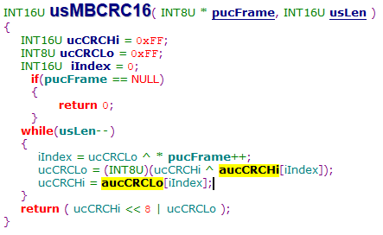
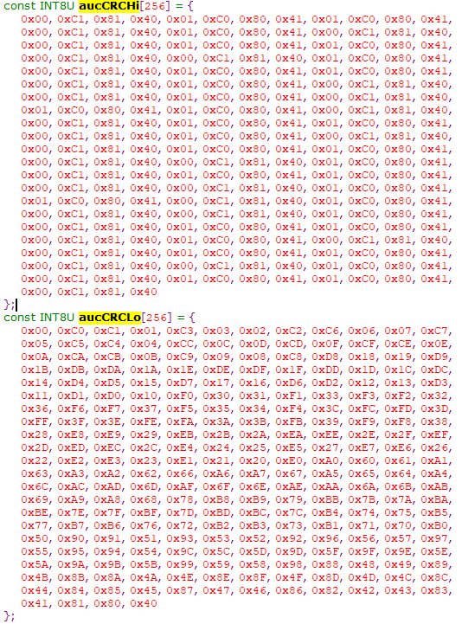
CRC16 algorithm
const INT8U aucCRCHi[256] = { 0x00, 0xC1, 0x81, 0x40, 0x01, 0xC0, 0x80, 0x41, 0x01, 0xC0, 0x80, 0x41, 0x00, 0xC1, 0x81, 0x40, 0x01, 0xC0, 0x80, 0x41, 0x00, 0xC1, 0x81, 0x40, 0x00, 0xC1, 0x81, 0x40, 0x01, 0xC0, 0x80, 0x41, 0x01, 0xC0, 0x80, 0x41, 0x00, 0xC1, 0x81, 0x40, 0x00, 0xC1, 0x81, 0x40, 0x01, 0xC0, 0x80, 0x41, 0x00, 0xC1, 0x81, 0x40, 0x01, 0xC0, 0x80, 0x41, 0x01, 0xC0, 0x80, 0x41, 0x00, 0xC1, 0x81, 0x40, 0x01, 0xC0, 0x80, 0x41, 0x00, 0xC1, 0x81, 0x40, 0x00, 0xC1, 0x81, 0x40, 0x01, 0xC0, 0x80, 0x41, 0x00, 0xC1, 0x81, 0x40, 0x01, 0xC0, 0x80, 0x41, 0x01, 0xC0, 0x80, 0x41, 0x00, 0xC1, 0x81, 0x40, 0x00, 0xC1, 0x81, 0x40, 0x01, 0xC0, 0x80, 0x41, 0x01, 0xC0, 0x80, 0x41, 0x00, 0xC1, 0x81, 0x40, 0x01, 0xC0, 0x80, 0x41, 0x00, 0xC1, 0x81, 0x40, 0x00, 0xC1, 0x81, 0x40, 0x01, 0xC0, 0x80, 0x41, 0x01, 0xC0, 0x80, 0x41, 0x00, 0xC1, 0x81, 0x40, 0x00, 0xC1, 0x81, 0x40, 0x01, 0xC0, 0x80, 0x41, 0x00, 0xC1, 0x81, 0x40, 0x01, 0xC0, 0x80, 0x41, 0x01, 0xC0, 0x80, 0x41, 0x00, 0xC1, 0x81, 0x40, 0x00, 0xC1, 0x81, 0x40, 0x01, 0xC0, 0x80, 0x41, 0x01, 0xC0, 0x80, 0x41, 0x00, 0xC1, 0x81, 0x40, 0x01, 0xC0, 0x80, 0x41, 0x00, 0xC1, 0x81, 0x40, 0x00, 0xC1, 0x81, 0x40, 0x01, 0xC0, 0x80, 0x41, 0x00, 0xC1, 0x81, 0x40, 0x01, 0xC0, 0x80, 0x41, 0x01, 0xC0, 0x80, 0x41, 0x00, 0xC1, 0x81, 0x40, 0x01, 0xC0, 0x80, 0x41, 0x00, 0xC1, 0x81, 0x40, 0x00, 0xC1, 0x81, 0x40, 0x01, 0xC0, 0x80, 0x41, 0x01, 0xC0, 0x80, 0x41, 0x00, 0xC1, 0x81, 0x40, 0x00, 0xC1, 0x81, 0x40, 0x01, 0xC0, 0x80, 0x41, 0x00, 0xC1, 0x81, 0x40, 0x01, 0xC0, 0x80, 0x41, 0x01, 0xC0, 0x80, 0x41, 0x00, 0xC1, 0x81, 0x40 }; const INT8U aucCRCLo[256] = { 0x00, 0xC0, 0xC1, 0x01, 0xC3, 0x03, 0x02, 0xC2, 0xC6, 0x06, 0x07, 0xC7, 0x05, 0xC5, 0xC4, 0x04, 0xCC, 0x0C, 0x0D, 0xCD, 0x0F, 0xCF, 0xCE, 0x0E, 0x0A, 0xCA, 0xCB, 0x0B, 0xC9, 0x09, 0x08, 0xC8, 0xD8, 0x18, 0x19, 0xD9, 0x1B, 0xDB, 0xDA, 0x1A, 0x1E, 0xDE, 0xDF, 0x1F, 0xDD, 0x1D, 0x1C, 0xDC, 0x

Appendix 2
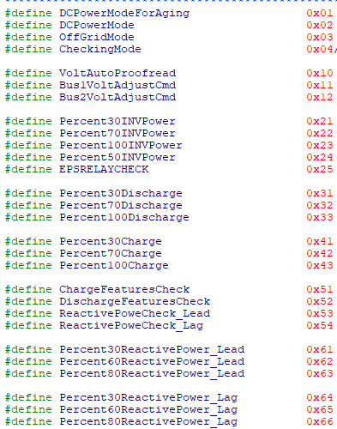
Preaging command

