AC-NET
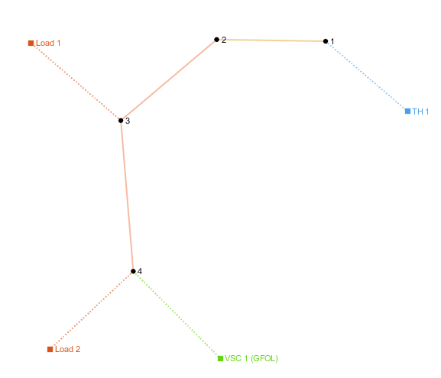
number | Area | SyncArea | bus_from | bus_to | R | X | B | state
1 | 1 | 1 | 1 | 2 | 0.00056950652501 | 0.00029031243683 | 0 | 1
2 | 1 | 1 | 2 | 3 | 0.014157638715 | 0.012320291073 | 0 | 1

load
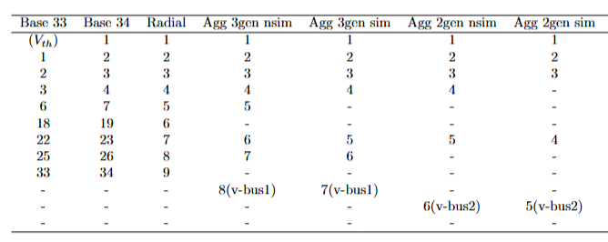
number | Area | SyncArea | bus | R | X | P | Q | type | state
1 | 1 | 1 | 2 | 0 | 0 | 1.0429598691 | 0.329 | PQ | 1
2 | 1 | 1 | 3 | 0 | 0 | 2.690196 | 1.969567 | PQ | 1

