AC-NET
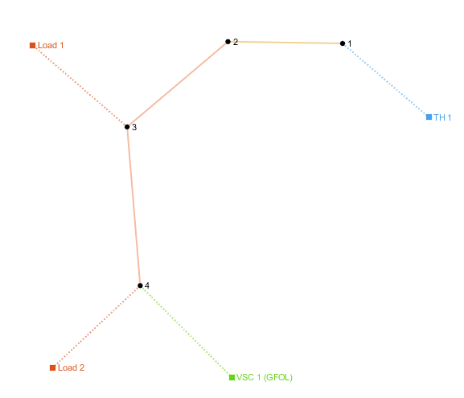
number | Area | SyncArea | bus_from | bus_to | R | X | B | state
1 | 1 | 1 | 1 | 2 | 0.00056950652501 | 0.00029031243683 | 0 | 1
2 | 1 | 1 | 2 | 3 | 0.011681003492 | 0.0083640364494 | 0 | 1

load
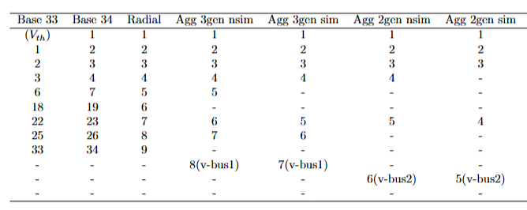
number | Area | SyncArea | bus | R | X | P | Q | type | state
1 | 1 | 1 | 2 | 0 | 0 | 0.65898493542 | 0.208 | PQ | 1
2 | 1 | 1 | 3 | 0 | 0 | 3.064088 | 2.095037 | PQ | 1

