AC-NET
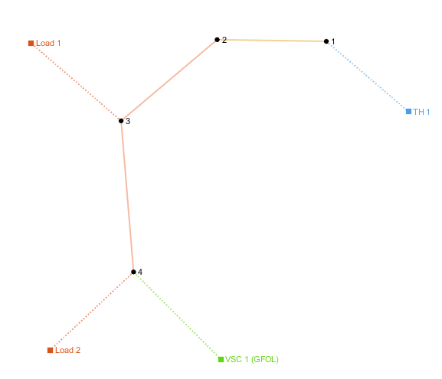
number | Area | SyncArea | bus_from | bus_to | R | X | B | state
1 | 1 | 1 | 1 | 2 | 0.00056950652501 | 0.00029031243683 | 0 | 1
2 | 1 | 1 | 2 | 3 | 0.011334901882 | 0.0091843337794 | 0 | 1

load
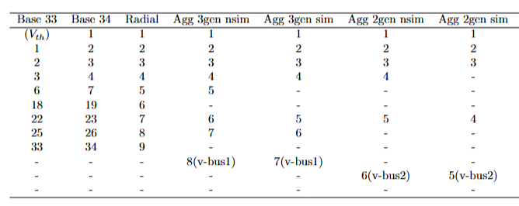
number | Area | SyncArea | bus | R | X | P | Q | type | state
1 | 1 | 1 | 2 | 0 | 0 | 0.92442471287 | 0.138 | PQ | 1
2 | 1 | 1 | 3 | 0 | 0 | 2.8185549342 | 2.166 | PQ | 1

