AC-NET
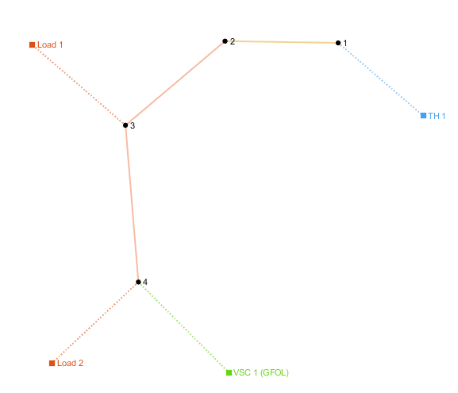
number | Area | SyncArea | bus_from | bus_to | R | X | B | state
1 | 1 | 1 | 1 | 2 | 0.00056950652501 | 0.00029031243683 | 0 | 1
2 | 1 | 1 | 2 | 3 | 0.011218650356 | 0.010177114614 | 0 | 1

load
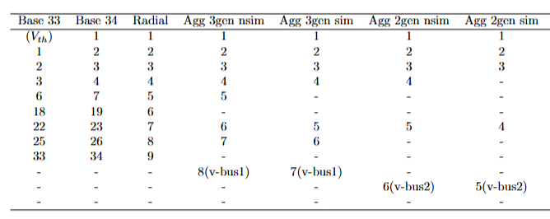
number | Area | SyncArea | bus | R | X | P | Q | type | state
1 | 1 | 1 | 2 | 0 | 0 | 0.89189941937 | 0.211 | PQ | 1
2 | 1 | 1 | 3 | 0 | 0 | 2.846252 | 2.089277 | PQ | 1

