AC-NET
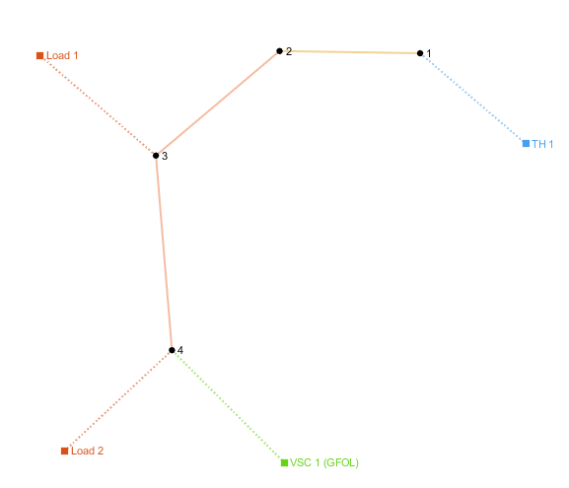
number | Area | SyncArea | bus_from | bus_to | R | X | B | state
1 | 1 | 1 | 1 | 2 | 0.00056950652501 | 0.00029031243683 | 0 | 1
2 | 1 | 1 | 2 | 3 | 0.0071148561012 | 0.0082625763243 | 0 | 1

load
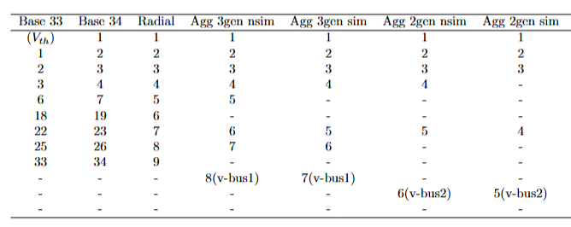
number | Area | SyncArea | bus | R | X | P | Q | type | state
1 | 1 | 1 | 2 | 0 | 0 | 0.76738617634 | 0.188 | PQ | 1
2 | 1 | 1 | 3 | 0 | 0 | 2.991191 | 2.118932 | PQ | 1

