AC-NET
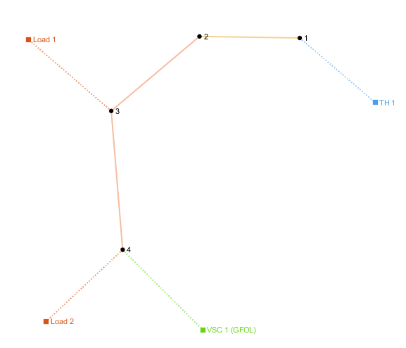
number | Area | SyncArea | bus_from | bus_to | R | X | B | state
1 | 1 | 1 | 1 | 2 | 0.00056950652501 | 0.00029031243683 | 0 | 1
2 | 1 | 1 | 2 | 3 | 0.010703713658 | 0.0076541425749 | 0 | 1

load
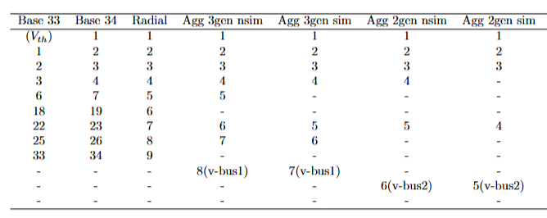
number | Area | SyncArea | bus | R | X | P | Q | type | state
1 | 1 | 1 | 2 | 0 | 0 | 0.34385768915 | 0.002 | PQ | 1
2 | 1 | 1 | 3 | 0 | 0 | 3.3682384154 | 2.290 | PQ | 1

