AC-NET
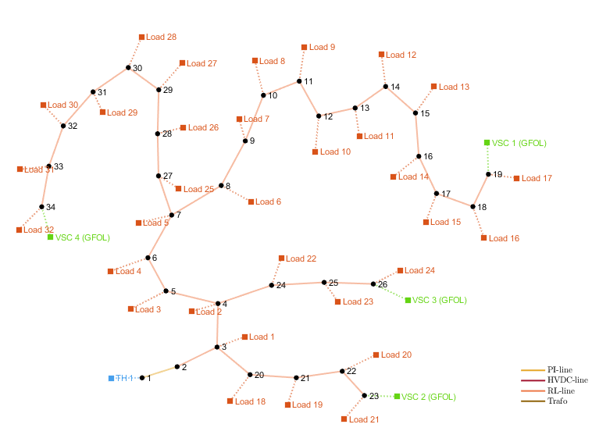
number | Area | SyncArea | bus_from | bus_to | R | X | B | state
1 | 1 | 1 | 1 | 2 | 0.00057525911617 | 0.00029324488568 | 0 | 1
2 | 1 | 1 | 2 | 3 | 0.0030759516732 | 0.0015666763999 | 0 | 1
3 | 1 | 1 | 3 | 4 | 0.0022835665566 | 0.0011629967381 | 0 | 1
4 | 1 | 1 | 4 | 5 | 0.0023777792752 | 0.0012110389853 | 0 | 1
5 | 1 | 1 | 5 | 6 | 0.0051099481144 | 0.004411151791 | 0 | 1
6 | 1 | 1 | 6 | 7 | 0.0011679881404 | 0.0038608496864 | 0 | 1
7 | 1 | 1 | 7 | 8 | 0.0044386045037 | 0.0014668483537 | 0 | 1
8 | 1 | 1 | 8 | 9 | 0.0064264304735 | 0.0046170471363 | 0 | 1
9 | 1 | 1 | 9 | 10 | 0.0065137800139 | 0.0046170471363 | 0 | 1
10 | 1 | 1 | 10 | 11 | 0.0012266371176 | 0.00040555143765 | 0 | 1
11 | 1 | 1 | 11 | 12 | 0.0023359762809 | 0.0007724195074 | 0 | 1
12 | 1 | 1 | 12 | 13 | 0.009159223238 | 0.0072063370844 | 0 | 1
13 | 1 | 1 | 13 | 14 | 0.0033791793635 | 0.0044479633831 | 0 | 1
14 | 1 | 1 | 14 | 15 | 0.0036873984562 | 0.0032818470185 | 0 | 1
15 | 1 | 1 | 15 | 16 | 0.0046563544295 | 0.0034003928234 | 0 | 1
16 | 1 | 1 | 16 | 17 | 0.0080423969712 | 0.010737754218 | 0 | 1
17 | 1 | 1 | 17 | 18 | 0.0045671331132 | 0.0035813311571 | 0 | 1
18 | 1 | 1 | 2 | 19 | 0.0010232374735 | 0.0009764430768 | 0 | 1
19 | 1 | 1 | 19 | 20 | 0.0093850841925 | 0.0084566833629 | 0 | 1
20 | 1 | 1 | 20 | 21 | 0.0025549740572 | 0.0029848585811 | 0 | 1
21 | 1 | 1 | 21 | 22 | 0.0044230063715 | 0.0058480517309 | 0 | 1
22 | 1 | 1 | 3 | 23 | 0.0028151509026 | 0.001923561665 | 0 | 1
23 | 1 | 1 | 23 | 24 | 0.0056028490924 | 0.0044242542221 | 0 | 1
24 | 1 | 1 | 24 | 25 | 0.0055903705867 | 0.004374340199 | 0 | 1
25 | 1 | 1 | 6 | 26 | 0.001266568336 | 0.00064513874851 | 0 | 1
26 | 1 | 1 | 26 | 27 | 0.0017731956705 | 0.00090281989273 | 0 | 1
27 | 1 | 1 | 27 | 28 | 0.0066073688072 | 0.0058255904205 | 0 | 1
28 | 1 | 1 | 28 | 29 | 0.0050176071716 | 0.0043712205726 | 0 | 1
29 | 1 | 1 | 29 | 30 | 0.0031664208401 | 0.0016128468713 | 0 | 1
30 | 1 | 1 | 30 | 31 | 0.006079528013 | 0.0060084005301 | 0 | 1
31 | 1 | 1 | 31 | 32 | 0.0019372880214 | 0.0022579856198 | 0 | 1
32 | 1 | 1 | 32 | 33 | 0.0021275852344 | 0.0033080518806 | 0 | 1
33 | 1 | 1 | 8 | 21 | 0.012478505774 | 0.012478505774 | 0 | 0
34 | 1 | 1 | 12 | 22 | 0.012478505774 | 0.012478505774 | 0 | 0
35 | 1 | 1 | 25 | 29 | 0.0031196264435 | 0.0031196264435 | 0 | 0

