AC-NET
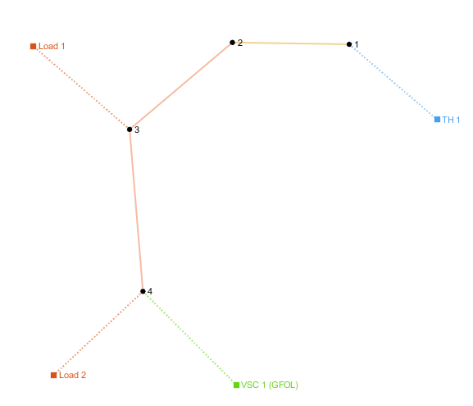
number | Area | SyncArea | bus_from | bus_to | R | X | B | state
1 | 1 | 1 | 1 | 2 | 0.00057525911617 | 0.00029324488568 | 0 | 1
2 | 1 | 1 | 2 | 3 | 0.01819589243 | 0.014012755086 | 0 | 1

load
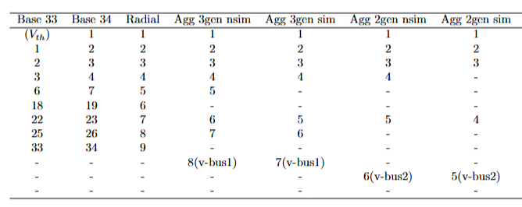
number | Area | SyncArea | bus | R | X | P | Q | type | state
1 | 1 | 1 | 2 | 0 | 0 | 1.4315656808 | 0.715 | PQ | 1
2 | 1 | 1 | 3 | 0 | 0 | 2.3214295372 | 1.600 | PQ | 1

